Instructions
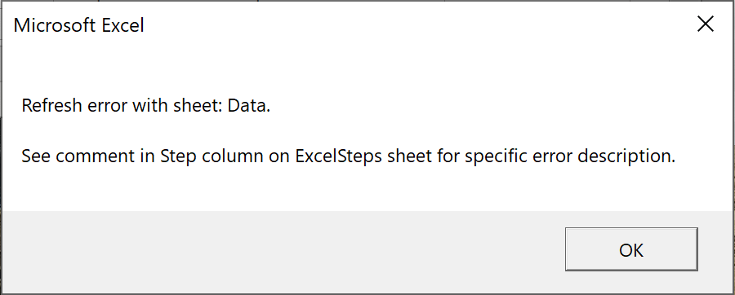
This workbook contains validation cases for XLSteps
 | Part A | Populate worksheet, Data, with a copy of the table on Original Data
 |  | Refresh with dialog options as shown

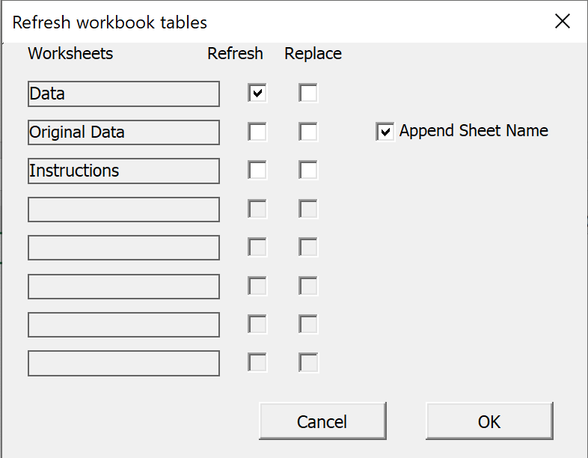
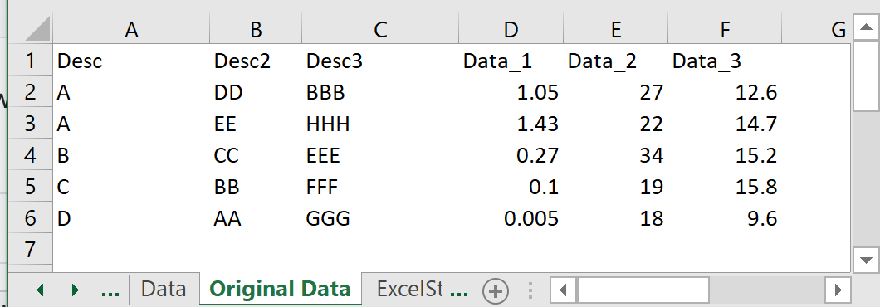

 |  | Rows 2 - 11 of Excel Steps should result in a transformed table as shown
 |  | Carefully check all aspects of the Data_t table including presence of the column outline, width of Calc_6 and comment text

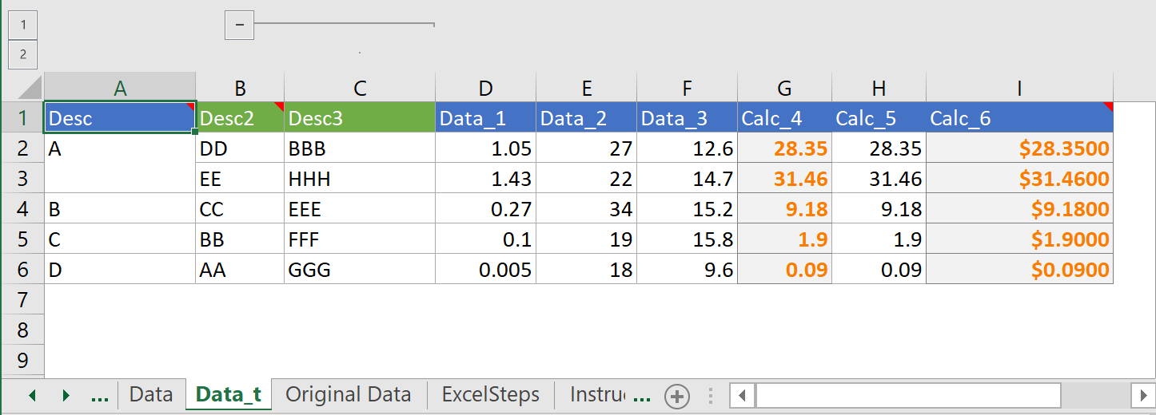

 | Part B | Individually enable rows 13-26 as shown by entering "Data" in Columm A and refreshing the table again
 |  | All Row 13-26 validation cases should produce a Refresh Error dialog box as shown and should label the Column C cell with a comment as shown

