About
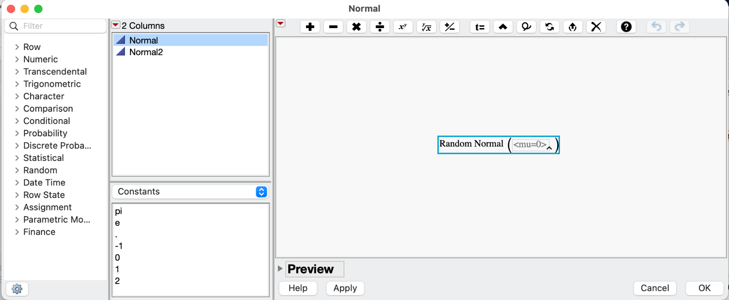
JDL / Data Delve LLC, July 10, 2023

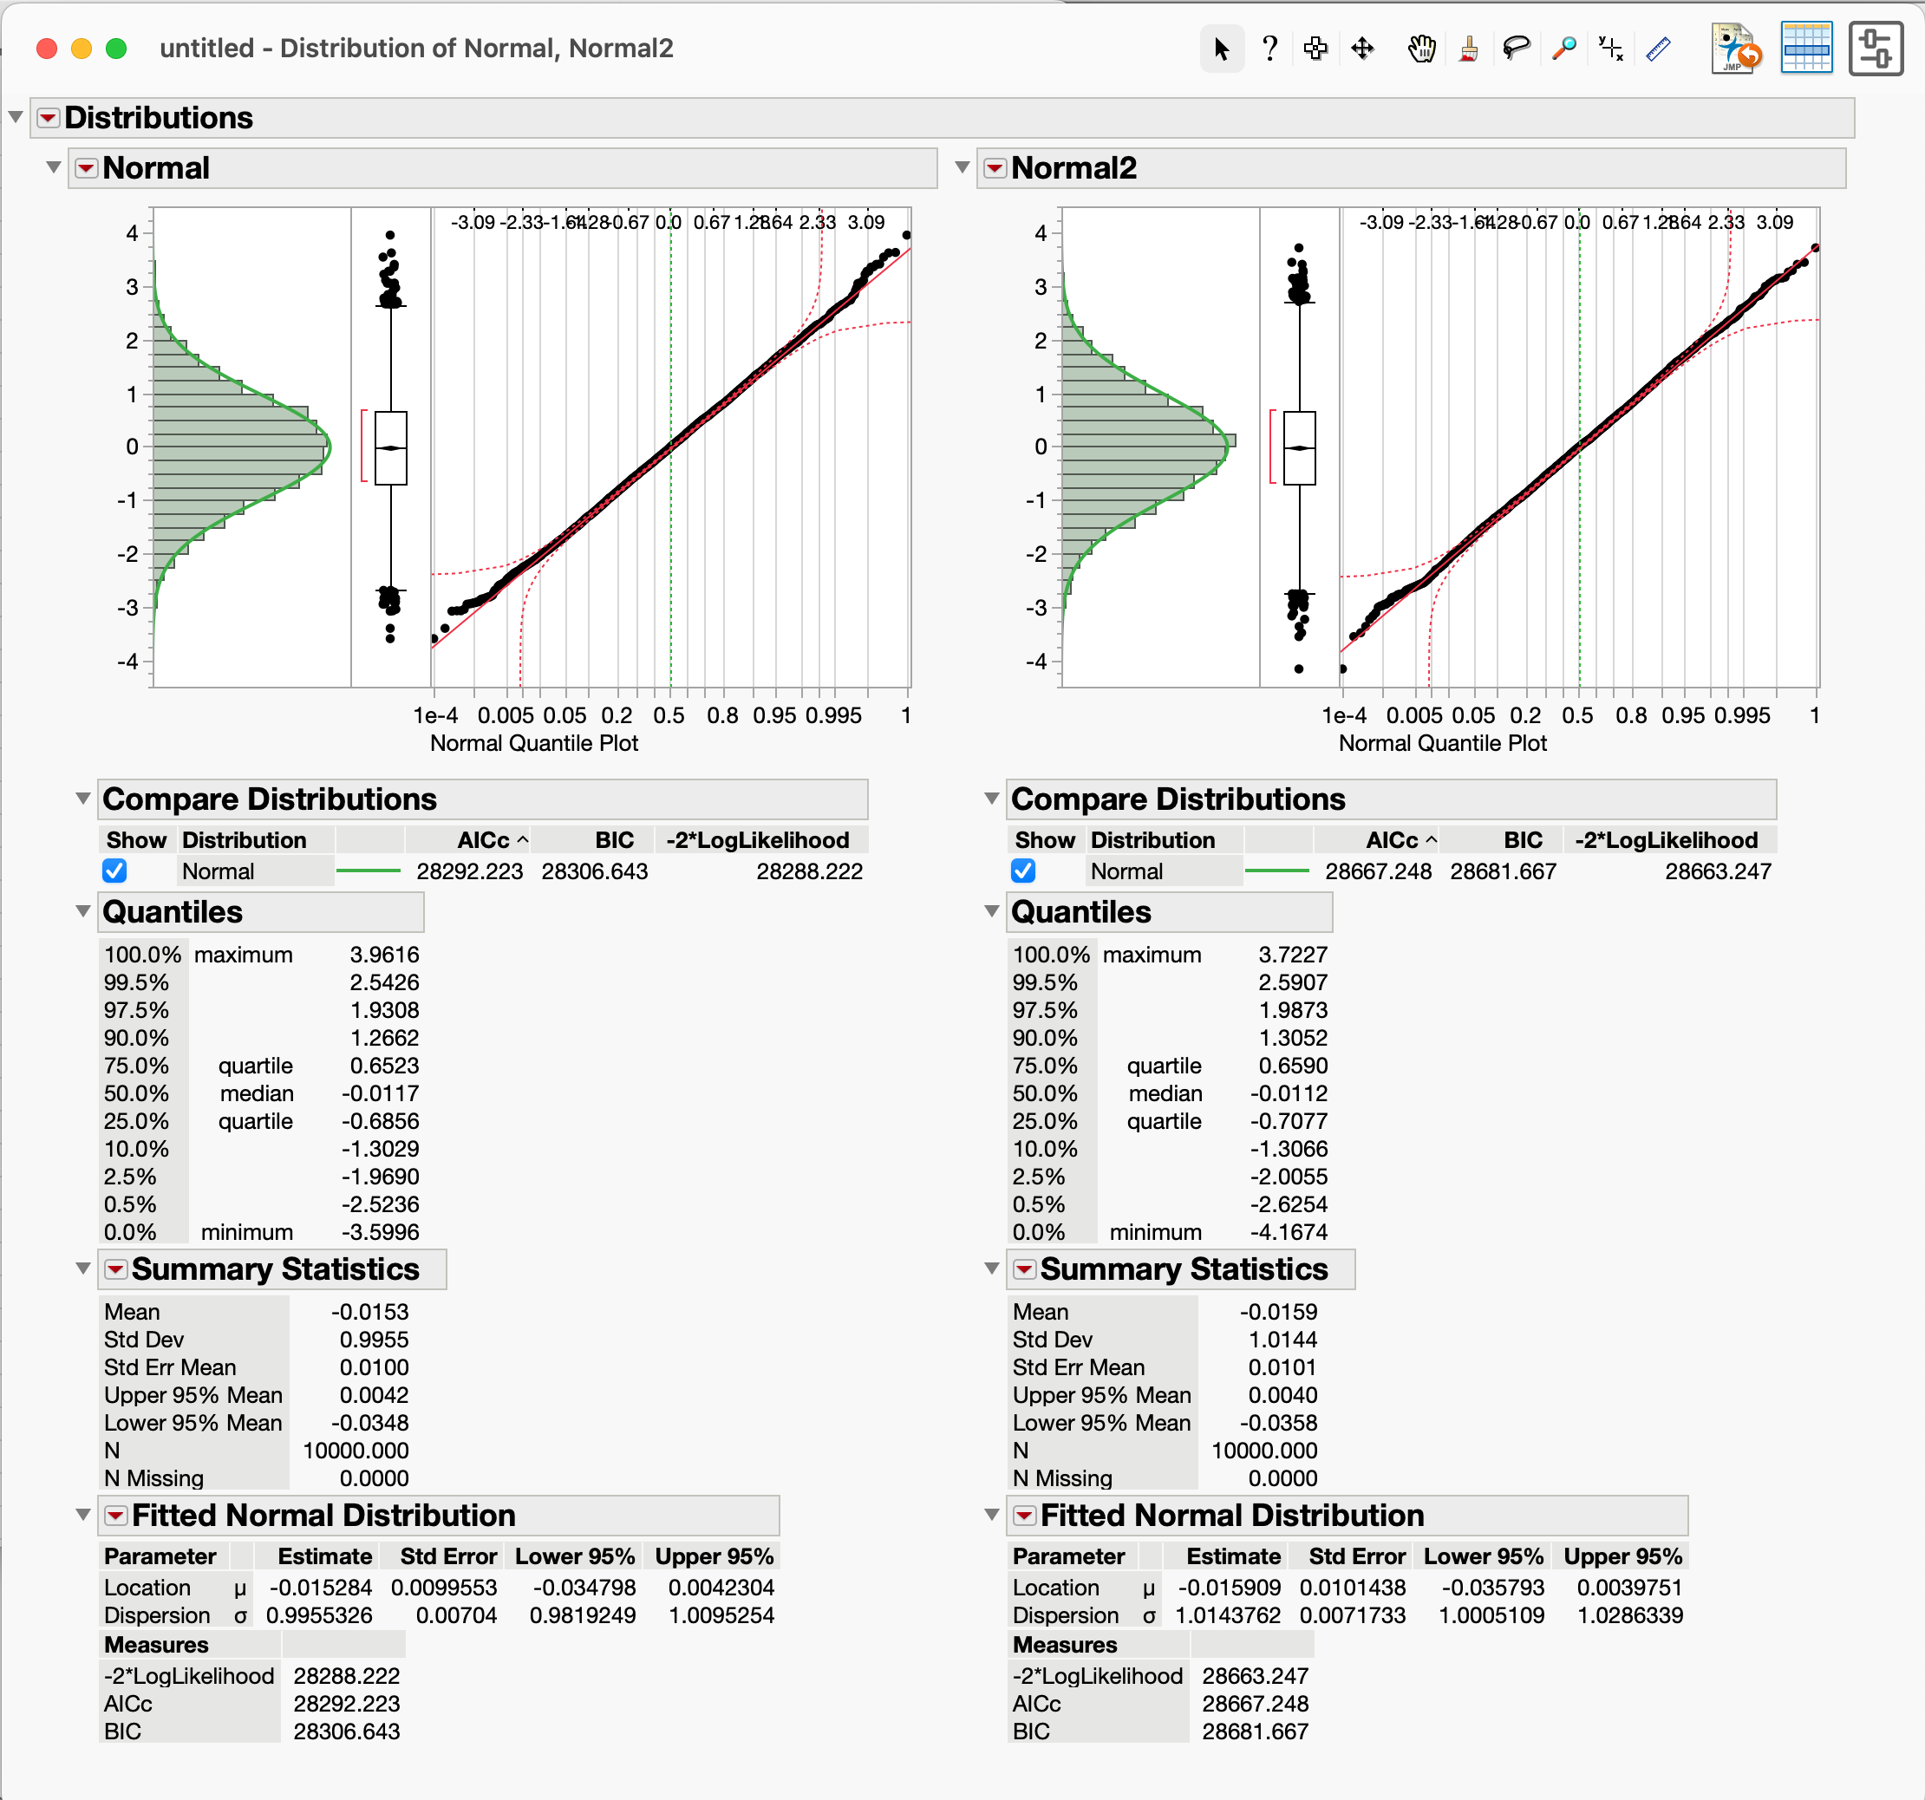
This workbook shows the basic setup for creating simulated measurements (Rows in Sim Data sheet) having a specified mean and standard deviation. As seed data for any normally-distributed, simulation input, the Dists sheet contains 10,000 normally distributed points having a mean of 0.0 and standard deviation 1.0. This single distribution can be scaled and randomly sampled to simulate individual samples or measurements for a simulation variable. The seed data can be generated in JMP, Excel or Numpy. As two examples, the Dists sheet's Normal column (A) data were generated in JMP. The Normal2 column B data were generated in Excel using the formula:
 | 10,000 point Seed distributions - Generated either in JMP or Excel
=NORM.INV(RAND(), 0, 1)

The Distribution plots (right) of these 10,000 "seed" data show that they are normally distributed to at least 4-sigma and that both approaches generate good seed data having a mean and standard deviation of approximately 1.0 and 0.0, respectively

The Params sheet contains an n_pts_Normal parameter used to calculate a random integer for use as a lookup row index based on the number of available points in Dists columns

The Params sheet also contains mean and standard deviation inputs. These are used to create the scaled, example measurement data (Column C) on the Sim Data sheet

Each row on the Sim Data sheet represent a simulated "experiment". Idx provides a random row for looking up an unscaled data point (Rand_unscaled in Column B) from Dists. Idx values range from 2 to 1 plus the number of data rows in Dists. The Rand_scaled column (C) scales the data by the Params mean and standard deviation --resulting in data having the specified distribution based on the Params inputs of 5 and 1.5 mean and standard deviation

Simulated measurement data - Unscaled (mean 0 / std. devn 1.0) or Scaled (mean 5.0 / std. devn 1.5)
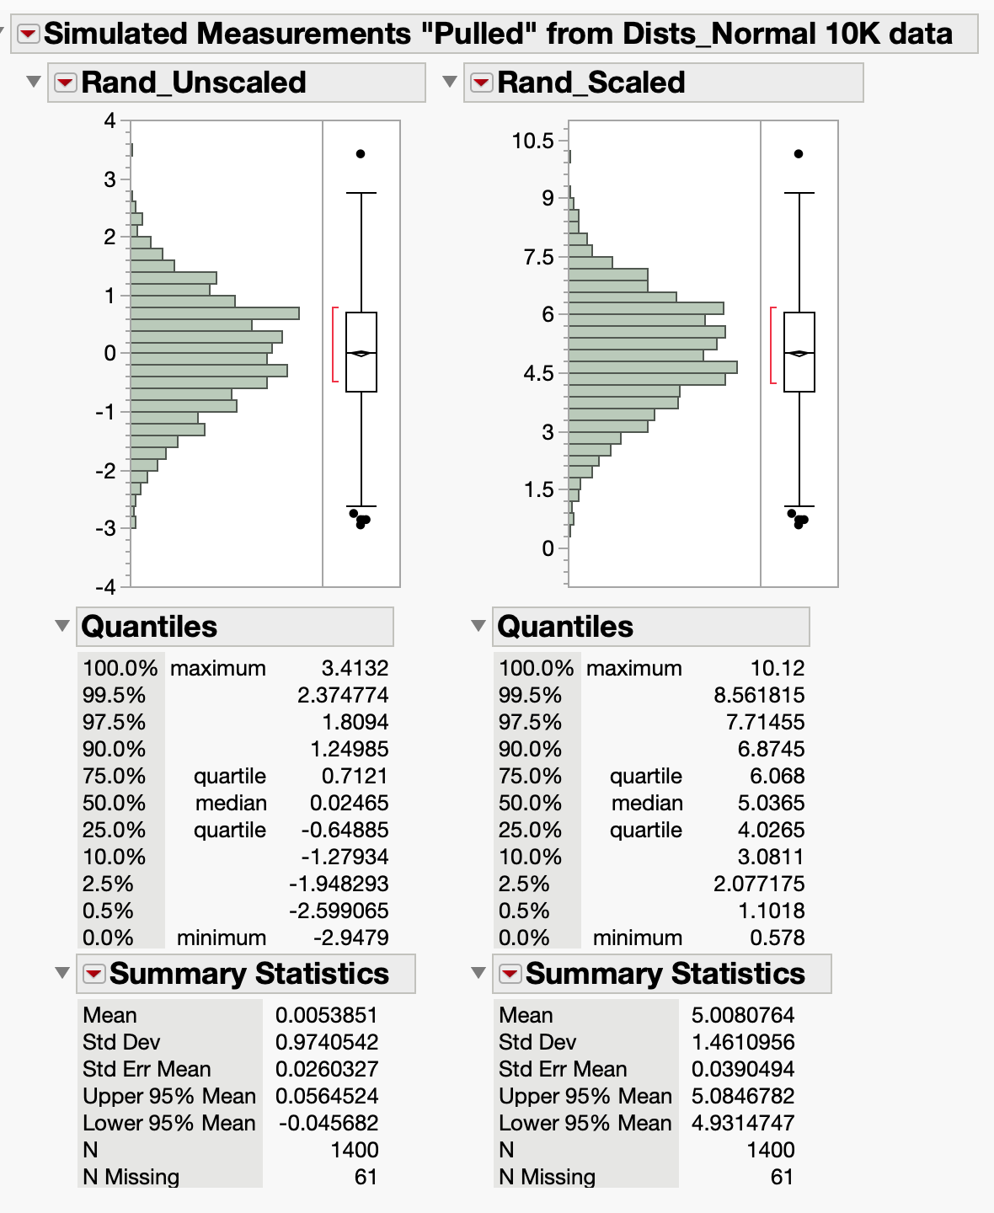

 | JMP Formula for generating random, normally-distributed data points

