JMP Results
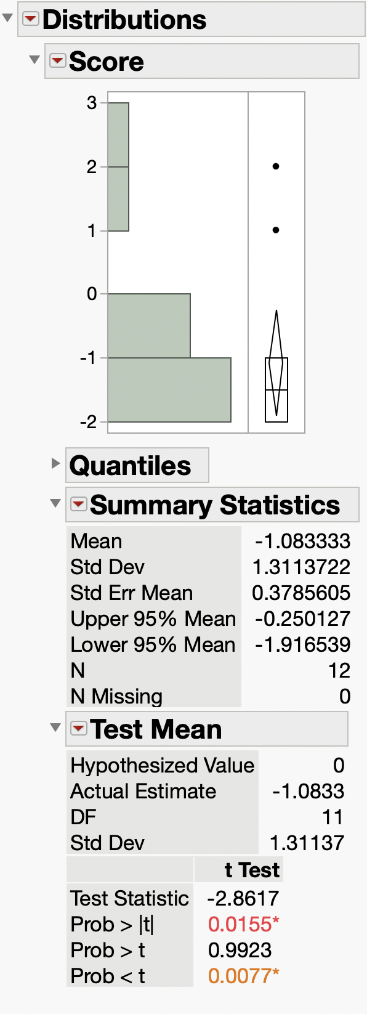

p-value of 0.0155 indicates 98+% confidence that the
mean value is different than 0

