Sheet1
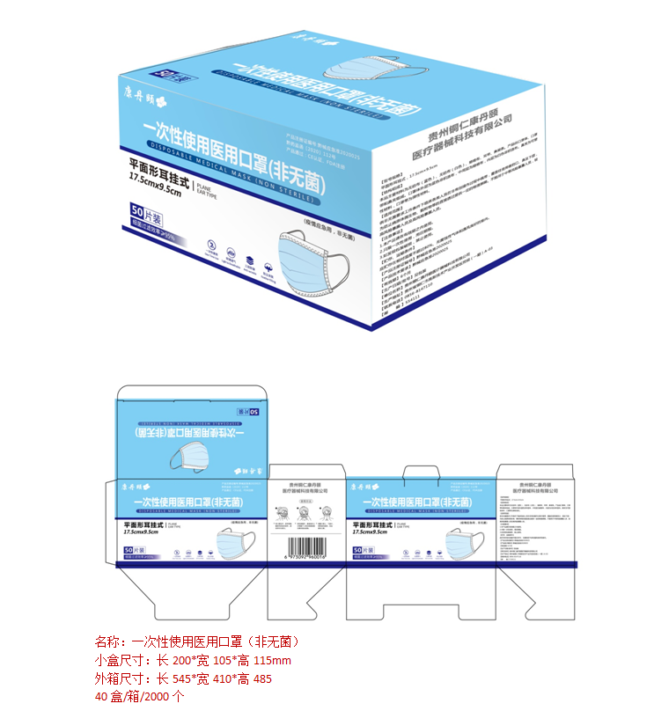
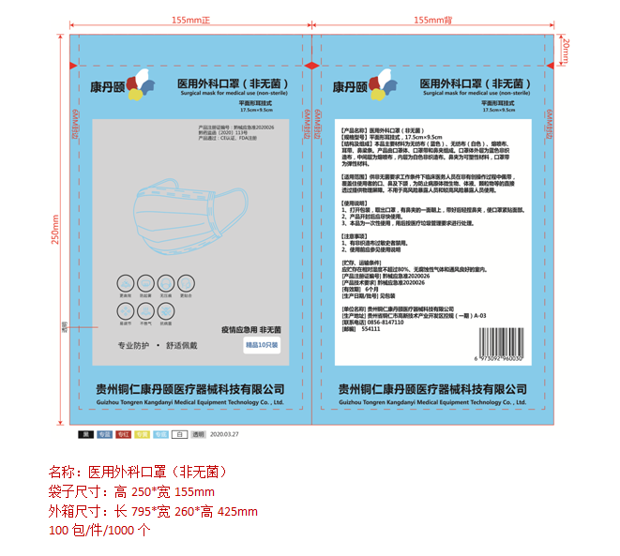
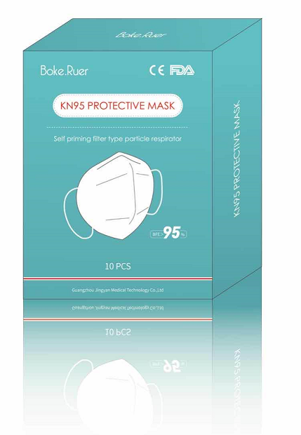
Email: sengzer288@sengzer.com |  |  | Mob: 86-15899969526 |  |  |  | Contact: Kevin
Model no. | PICTURES | MOQ (PCS) | FOB PRICE (USD) | MATERIAL | CERTIFICATE | TEST STANDARD | LEAD TIME | CARTON SIZE (CM) | PCS/ CARTON | GW/NW: KGS | PRODUCTION CAPACITY
disposable 3ply medical mask (non-sterile) |  | 100K | $0.27 | Non-woven fabric | CE | EN14683 | 10 days | 54.5X41X48.5 | 2000 | 7.8/6.8 | 1000K/day
disposable 3ply surgical mask (non-sterile) | 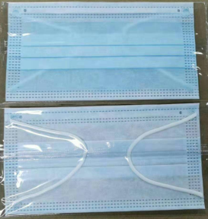 | 100K | $0.38 | Non-woven fabric | CE/FDA | EN14683 | 10 days | 79.5X26X42.5 | 1000 | 7.8/6.8 | 1000K/day
KN95 Respirator Protective mask |  | 100K | $1.20 | Non-woven fabric | CE/FDA | GB2626 | 10 days | 56*56*43 | 800 | 10.5/9.5 | 500K/day

