DC-he-ipb1-29b
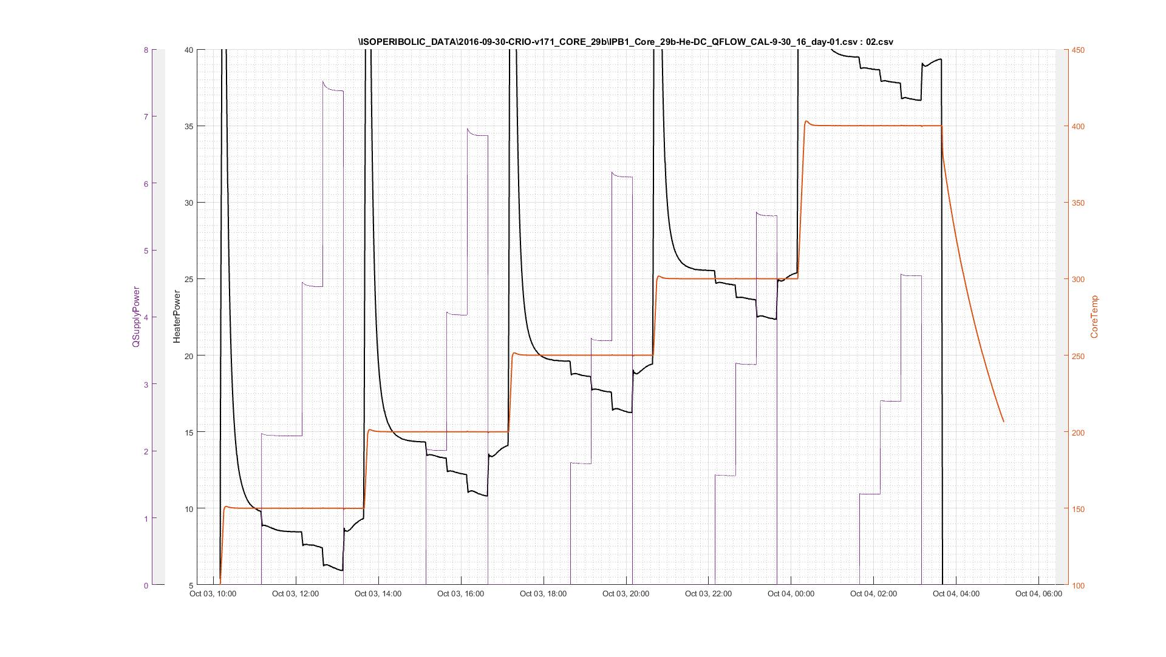
DC-he-ipb1-29b | \ISOPERIBOLIC_DATA\2016-09-30-CRIO-v171_CORE_29b\IPB1_Core_29b-DC_Qkcal_He-150C-400C_10-02-16_day-01.csv-02.csv
Temp | HP | DCCorePower | deltaHP | M | B | DCCorePower/deltaHP |  | Temp/100 | M | B | temp/100 | M(Forecast) | M(polynomial) | B
150 | 9.85 | 0.00 |  |  |  |  |  | 1.50 | 0.49 | 0.28 | 1.50 | 0.49 | 0.49 | 0.28
150 | 8.48 | 2.23 | 1.37 | 0.49 | 0.28 | 1.63 |  | 2.00 | 0.54 | -0.11 | 2.00 | 0.54 | 0.54 | -0.11
150 | 7.41 | 4.45 | 2.44 |  |  | 1.82 |  | 2.50 | 0.55 | 0.07 | 2.50 | 0.55 | 0.55 | 0.07
150 | 5.98 | 7.38 | 3.87 |  |  | 1.91 |  | 3.00 | 0.59 | -0.09 | 2.75 | 0.56 | 0.58 | 0.07
150 | 9.35 | 0.00 |  |  |  |  |  | 4.00 | 0.61 | -0.06 | 3.00 | 0.59 | 0.59 | -0.09
200 | 14.29 | 0.00 |  |  |  |  |  | x2 | x | b | 3.25 | 0.59 | 0.60 | -0.09
200 | 13.30 | 2.01 | 0.99 | 0.54 | -0.11 | 2.02 | M | -0.01604287213 | 0.13695583771 | 0.31971850915 | 3.50 | 0.60 | 0.60 | 0.00
200 | 12.25 | 4.03 | 2.04 |  |  | 1.97 |  |  |  |  | 3.75 | 0.61 | 0.61 | 0.00
200 | 10.76 | 6.71 | 3.53 |  |  | 1.90 |  |  |  |  | 4.00 | 0.61 | 0.61 | -0.06
200 | 14.11 | 0.01 |  |  |  |  |  |  |  |  | 4.50 | 0.65 | 0.61 | 0.00
250 | 19.63 | 0.00 |  |  |  |  |  |  |  |  | 5.00 | 0.67 | 0.60 | 0.00
250 | 18.58 | 1.81 | 1.05 | 0.55 | 0.07 | 1.72 |  |  |  |  | 5.50 | 0.69 | 0.59 | 0.00
250 | 17.55 | 3.64 | 2.08 |  |  | 1.75 |  |  |  |  | 6.00 | 0.72 | 0.56 | 0.00
250 | 16.24 | 6.09 | 3.39 |  |  | 1.79
250 | 19.46 | 0.00
300 | 25.50 | 0.00
300 | 24.64 | 1.63 | 0.86 | 0.59 | -0.09 | 1.90
300 | 23.61 | 3.29 | 1.90 |  |  | 1.74
300 | 22.33 | 5.51 | 3.17 |  |  | 1.74
300 | 25.35 | 0.00
400 | 39.42 | 0.00
400 | 38.64 | 1.35 | 0.78 | 0.61 | -0.06 | 1.73
400 | 37.84 | 2.74 | 1.58 |  |  | 1.74
400 | 36.65 | 4.62 | 2.77 |  |  | 1.67
400 | 39.40 | 0.00

DC-h2-ipb2-28b
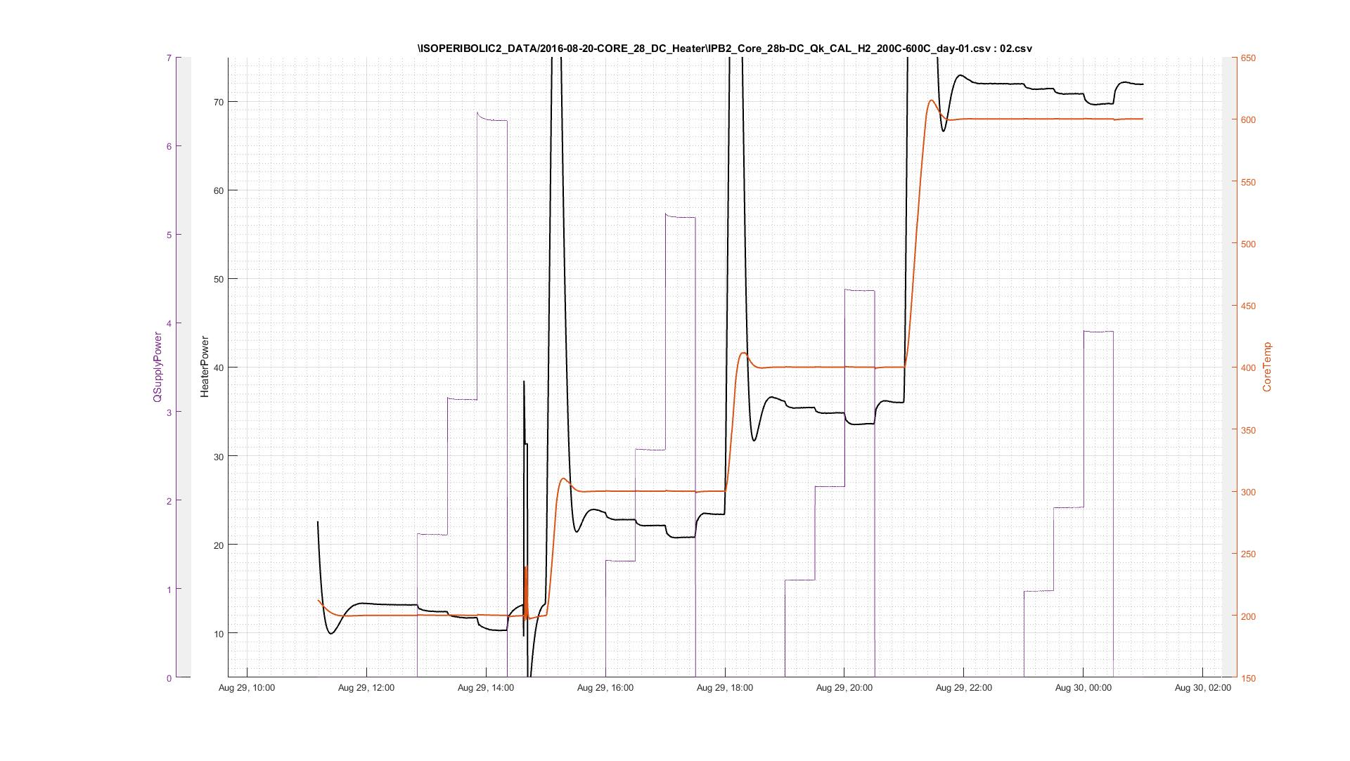
DC-h2-ipb2-28b | /ISOPERIBOLIC2_DATA/2016-08-20-CORE_28_DC_Heater/IPB2_Core_28b-DC_Qk_CAL_H2_200C-600C_day-01.csv : 02.csv
Temp | HP | qSupplyW | deltaQ | M | B | DCCorePower/deltaHP |  | Temp/100 | M | B | temp/100 | M(Forecast) | M(polynomial) | B(polynomial)
200 | 13.20 | 0.00 |  |  |  |  |  | 2.00 | 0.45 | 0.05 | 1.50 | 0.43 | 0.41 | 0.09
200 | 12.44 | 1.61 | 0.76 | 0.45 | 0.05 | 2.11 |  | 3.00 | 0.50 | 0.00 | 2.00 | 0.45 | 0.45 | 0.05
200 | 11.72 | 3.13 | 1.48 |  |  | 2.11 |  | 4.00 | 0.55 | -0.04 | 2.50 | 0.48 | 0.48 | 0.02
200 | 10.32 | 6.28 | 2.88 |  |  | 2.18 |  | 6.00 | 0.56 | 0.00 | 2.75 | 0.49 | 0.49 | 0.00
199 | 13.31 | 0.00 |  |  |  |  |  |  |  |  | 3.00 | 0.50 | 0.50 | 0.00
300 | 23.58 | 0.00 |  |  |  |  |  | x2 | x | b | 3.25 | 0.51 | 0.52 | -0.02
300 | 22.75 | 1.31 | 0.66 | 0.50 | 0.00 | 1.98 | M | -0.010121109329 | 0.10822135348 | 0.27379262999 | 3.50 | 0.53 | 0.53 | -0.03
300 | 22.15 | 2.57 | 1.27 |  |  | 2.03 | B | 0.015242810179 | -0.13334955372 | 0.25385785542 | 3.75 | 0.54 | 0.54 | -0.03
300 | 20.82 | 5.19 | 2.60 |  |  | 2.00 |  |  |  |  | 4.00 | 0.55 | 0.55 | -0.04
300 | 23.41 | 0.00 |  |  |  |  |  |  |  |  | 4.50 | 0.55 | 0.56 | -0.04
400 | 36.18 | 0.00 |  |  |  |  |  |  |  |  | 5.00 | 0.55 | 0.56 | -0.03
400 | 35.47 | 1.10 | 0.56 | 0.55 | -0.04 | 1.95 |  |  |  |  | 5.50 | 0.56 | 0.56 | -0.02
400 | 34.88 | 2.15 | 1.15 |  |  | 1.88 |  |  |  |  | 6.00 | 0.56 | 0.56 | 0.00
400 | 33.67 | 4.36 | 2.36 |  |  | 1.85
400 | 36.03 | 0.00
600 | 71.91 | 0.00
600 | 71.34 | 0.98 | 0.57 | 0.56 | 0.00 | 1.71
600 | 70.87 | 1.92 | 1.04 |  |  | 1.85
600 | 69.72 | 3.90 | 2.19 |  |  | 1.78

