IPB2-27b
 |  |  |  | DC-h2-sri-ipb2-27b |  |  |  |  | LENR=deltaHP-coreQPulse+deltaQ |  |  |  |  |  | COP=(deltaHP+deltaQ)/coreQPulse |  |  |  |  |  | Heat Power |  |  |  |  |  | CoreQPow |  |  |  |  | P-Pi |  |  |  |  | PCB |  |  |  |  | Term
HP(NQ) | DCCorePower/deltaHP |  |  | Temp | M | B | Temp | NQ | 300 | 150 | 100 | 150 | 300 |  | 300 | 150 | 100 | 150 | 300 |  | NQ | 300 | 150 | 100 | 150 | 300 | 300 | 150 | 100 | 150 | 300 | 300 | 150 | 100 | 150 | 300 | 300 | 150 | 100 | 150 | 300 | 300 | 150 | 100 | 150 | 300
9.34 | 2.41 | 2.39 | 2.42 | 150 | 0.41 | 0.03 |  |  |  |  |  |  |  | Pulse power correction factor |  |  |  |  |  | H2 (9/9/2016 crio-v166-core 27b)
14.03 | 2.12 | 2.16 | 2.23 | 200 | 0.44 | 0.15
19.08 | 2.03 | 2.04 | 2.07 | 250 | 0.48 | 0.06 |  |  |  |  |  |  |  |  |  |  |  |  |  | Data | \ISOPERIBOLIC2_DATA\2016-09-09_CRIO_v166-core27b\IPB2_Core_27b-_H2_600c-300C_2probetest1_EDITED.csv
 |  |  |  | 275 | 0.50 | 0.06 |  |  | 1.29 | 1.56 | 1.79 | 1.57 | 1.28 | 1.00 | 1.39 | 1.40 | 1.38 | 1.39 | 1.38 | 300 | 24.600345 | 21.78 | 21.22 | 20.63 | 21.19 | 21.77 | 3.34 | 3.94 | 4.66 | 3.99 | 3.38 | 50.21 | 50.22 | 50.33 | 50.42 | 50.43 | -0.15 | 0.20 | 1.13 | 0.43 | 0.17 | 31.31 | 28.68 | 28.14 | 28.82 | 31.86
24.83 | 1.87 | 1.90 | 1.93 | 300 | 0.51 | 0.12 |  |  | 1.52 | 1.27 | 1.37 | 1.42 | 1.57 | 1.00 | 1.40 | 1.33 | 1.34 | 1.37 | 1.41 | 600 | 73.938599 | 70.88 | 71.13 | 70.93 | 70.98 | 70.83 | 3.79 | 3.80 | 4.06 | 3.81 | 3.81 | 50.15 | 50.13 | 50.18 | 50.23 | 50.25 | 0.56 | 0.80 | 1.58 | 0.64 | 0.40 | 31.17 | 28.87 | 28.77 | 29.09 | 31.39
 |  |  |  | 325 | 0.52 | 0.12 |  |  |  |  |  |  |  |  |  |  |  |  |  | H2 (9/16/2016-9/18/2016)
31.14 | 1.82 | 1.81 | 1.83 | 350 | 0.54 | 0.00
 |  |  |  | 375 | 0.55 | 0.00 |  |  |  |  |  |  |  |  |  |  |  |  |  | Data | \ISOPERIBOLIC2_DATA\2016-09-09_CRIO_v167-core27b\IPB2_Core_27b-_H2-D2_150C-400C_RUN1_9-16-16_day-01.csv : 03.csv
38.22 | 1.69 | 1.73 | 1.75 | 400 | 0.56 | 0.09 |  |  | 0.03 | 0.10 | 0.01 | 0.13 | 0.16 | 1.00 | 1.18 | 1.20 | 1.17 | 1.21 | 1.23 | 150 | 9.37 | 7.75 | 7.41 | 7.18 | 7.39 | 7.62 | 2.74 | 3.20 | 3.75 | 3.20 | 2.75 | 50.32 | 50.30 | 50.36 | 50.39 | 50.41 | 1.85 | 2.30 | 3.07 | 2.47 | 1.97 | 33.61 | 31.19 | 30.59 | 31.38 | 33.87
46.02 | 1.68 | 1.70 | 1.71 | 450 | 0.58 | 0.00 |  |  | 0.38 | 0.42 | 0.45 | 0.58 | 0.58 | 1.00 | 1.22 | 1.22 | 1.21 | 1.26 | 1.29 | 200 | 13.85 | 11.87 | 11.51 | 11.14 | 11.35 | 11.66 | 3.12 | 3.68 | 4.30 | 3.68 | 3.13 | 50.21 | 50.22 | 50.26 | 50.30 | 50.31 | 1.57 | 1.93 | 2.47 | 1.66 | 1.25 | 33.00 | 30.47 | 29.61 | 30.35 | 32.94
54.55 | 1.67 | 1.69 | 1.70 | 500 | 0.58 | 0.00 |  |  | 0.82 | 0.91 | 1.00 | 0.92 | 0.85 | 1.00 | 1.32 | 1.30 | 1.29 | 1.31 | 1.33 | 250 | 18.95 | 16.34 | 15.89 | 15.40 | 15.87 | 16.30 | 3.55 | 4.24 | 5.00 | 4.25 | 3.56 | 50.08 | 50.10 | 50.15 | 50.19 | 50.20 | 0.77 | 1.10 | 1.75 | 1.16 | 0.67 | 32.04 | 29.45 | 28.48 | 29.47 | 32.17
 |  |  |  | 550 | 0.59 | 0.00 |  |  | 1.51 | 1.42 | 1.68 | 1.57 | 1.29 | 1.00 | 1.43 | 1.34 | 1.34 | 1.38 | 1.37 | 300 | 24.58 | 21.27 | 20.95 | 20.24 | 20.79 | 21.49 | 3.91 | 4.75 | 5.66 | 4.76 | 3.92 | 49.93 | 49.93 | 49.99 | 50.04 | 50.07 | 0.28 | 0.53 | 1.26 | 0.63 | 0.45 | 31.33 | 28.52 | 27.43 | 28.63 | 31.56
 |  |  |  | 600 | 0.60 | 0.00 |  |  | 0.86 | 1.00 | 1.00 | 0.93 | 0.88 | 1.00 | 1.27 | 1.28 | 1.24 | 1.26 | 1.28 | 350 | 30.75 | 28.14 | 27.77 | 27.46 | 27.84 | 28.11 | 3.78 | 4.28 | 4.93 | 4.28 | 3.80 | 49.77 | 49.79 | 49.84 | 49.89 | 49.91 | 1.39 | 1.97 | 2.90 | 2.25 | 1.90 | 32.35 | 30.04 | 29.21 | 30.15 | 32.67
 |  |  |  |  |  |  |  |  | 1.13 | 1.09 | 0.85 | 0.98 | 0.91 | 1.00 | 1.30 | 1.27 | 1.19 | 1.24 | 1.24 | 400 | 37.72 | 35.00 | 34.93 | 34.97 | 35.04 | 35.22 | 3.81 | 4.06 | 4.51 | 4.07 | 3.83 | 49.57 | 49.60 | 49.66 | 49.72 | 49.74 | 1.53 | 1.91 | 2.67 | 2.00 | 1.56 | 32.31 | 30.11 | 29.46 | 30.19 | 32.53
 |  |  |  |  |  |  |  |  |  |  |  |  |  |  |  |  |  |  |  | H2 (9/24/2016-9/25/2016)
 | \ISOPERIBOLIC2_DATA\2016-06-22_Half_H\IPB2 tests_NO-CORE-THERMAL_STUDIES_ROH_6-22-16.ods
 |  |  |  |  |  |  |  |  |  |  |  |  |  |  |  |  |  |  |  | Data | \ISOPERIBOLIC2_DATA\2016-09-24_CRIO_v169-core27b\IPB2_Core_27b-_H2-250-400C__9-24-16_day-01.csv : 02.csv
 |  |  |  |  |  |  |  |  |  | 1.49 | 1.66 | 1.45 |  | 1.00 |  | 1.35 | 1.33 | 1.34 |  | 250 | 18.23 |  | 14.56 | 13.98 | 14.62 |  |  | 4.28 | 5.08 | 4.26 |  |  | 50.27 | 50.30 | 50.31 |  |  | 3.25 | 3.62 | 2.78 |  |  | 34.78 | 32.84 | 34.40
 | Q Pulse Length |  |  | 300 | 150 | 100 |  |  |  | 1.87 | 1.98 | 1.72 |  | 1.00 |  | 1.41 | 1.36 | 1.38 |  | 275 | 20.85 |  | 16.72 | 16.17 | 16.88 |  |  | 4.58 | 5.47 | 4.56 |  |  | 50.09 | 50.14 | 50.15 |  |  | 2.59 | 3.12 | 2.53 |  |  | 33.88 | 32.07 | 33.67
 | P_Pi |  |  | 50 | 50 | 50 |  |  |  | 2.26 | 2.54 | 2.11 |  | 1.00 |  | 1.47 | 1.44 | 1.44 |  | 300 | 23.76 |  | 19.25 | 18.48 | 19.40 |  |  | 4.81 | 5.80 | 4.81 |  |  | 49.89 | 49.93 | 49.96 |  |  | 2.34 | 2.75 | 2.11 |  |  | 33.35 | 31.42 | 33.25
 | Net Qpow |  |  | 47.74 | 47.67 | 47.55 |  |  |  | 2.25 | 2.71 | 2.23 |  | 1.00 |  | 1.46 | 1.46 | 1.46 |  | 325 | 26.71 |  | 22.24 | 21.28 | 22.26 |  |  | 4.90 | 5.95 | 4.90 |  |  | 49.63 | 49.70 | 49.73 |  |  | 2.42 | 4.02 | 3.62 |  |  | 33.48 | 32.17 | 34.25
 | Terminator thermal power |  |  | 34.77 | 34.16 | 33.16 |  |  |  | 0.84 | 0.76 | 1.01 |  | 1.00 |  | 1.21 | 1.17 | 1.25 |  | 400 | 36.13 |  | 33.61 | 33.48 | 33.44 |  |  | 4.02 | 4.50 | 4.03 |  |  | 50.41 | 49.81 | 49.48 |  |  | 5.29 | 6.10 | 5.57 |  |  | 36.27 | 35.22 | 36.62
 | Transistor therm power |  |  | 6.98 | 7.41 | 7.64
 | 1-L_Trans/P_Pi |  |  | 0.87 | 0.87 | 0.86
 | CoefficientCoolant |  |  | 1.14 | 1.15 | 1.17

DC-he-ipb1-29b
DC-he-ipb1-29b | data | \ISOPERIBOLIC_DATA\2016-09-30-CRIO-v171_CORE_29b\IPB1_CoreQ_DC_cal_10-12-16day-01.csv:03.csv
 | seq | \IPB CAL SEQ\IPBx_Temp_sequence_DC_Qkcal_for_New_Core_150C-400C_He_revC.csv
Temp | HP | DCCorePower | deltaHP | M | B | DCCorePower/deltaHP | Temp/100 | M | B | temp/100 | M(Forecast) | M(polynomial) | B
150 | 9.371547 | 0.00 |  |  |  |  | 1.50 | 0.49 | -0.01 | 1.50 | 0.49 | 0.49 | -0.01
150 | 8.296723 | 2.27 | 1.07 | 0.49 | -0.01 | 2.11 | 2.00 | 0.52 | 0.04 | 2.00 | 0.52 | 0.52 | 0.04
150 | 7.105156 | 4.54 | 2.27 |  |  | 2.00 | 2.50 | 0.54 | -0.02 | 2.50 | 0.54 | 0.54 | -0.02
150 | 5.70846 | 7.52 | 3.66 |  |  | 2.05 | 3.00 | 0.56 | 0.10 | 2.75 |  | 0.55 | -0.02
150 | 9.37746 | 0.00 |  |  |  |  | 3.50 | 0.57 | 0.15 | 3.00 | 0.56 | 0.56 | 0.10
200 | 13.970107 | 0.00 |  |  |  |  | 4.00 | 0.59 | 0.09 | 3.25 |  | 0.57 | 0.10
200 | 12.868327 | 2.05 | 1.10 | 0.52 | 0.04 | 1.86 | 4.50 | 0.59 | 0.09 | 3.50 | 0.57 | 0.57 | 0.00
200 | 11.802487 | 4.12 | 2.17 |  |  | 1.90 | 4.50 | 0.59 | 0.09 | 3.75 |  | 0.58 | 0.00
200 | 10.390678 | 6.85 | 3.58 |  |  | 1.91 | 5.00 | 0.59 | -0.04 | 4.00 | 0.59 | 0.59 | 0.15
200 | 13.866393 | 0.00 |  |  |  |  |  |  |  | 4.50 | 0.59 | 0.59 | 0.00
250 | 19.009053 | 0.00 |  |  |  |  |  |  |  | 5.00 | 0.59 | 0.59 | 0.00
250 | 18.004276 | 1.85 | 1.00 | 0.54 | -0.02 | 1.85 | -0.0084 | 0.0831 | 0.3856 | 5.50 |  | 0.59 | 0.00
250 | 17.030067 | 3.73 | 1.98 |  |  | 1.89 |  |  |  | 6.00 |  | 0.58 | 0.00
250 | 15.631473 | 6.23 | 3.38 |  |  | 1.84
250 | 19.013495 | 0.00
300 | 24.762968 | 0.00
300 | 23.473032 | 2.17 | 1.29 | 0.56 | 0.10 | 1.68
300 | 22.375908 | 4.07 | 2.39 |  |  | 1.71
300 | 21.064493 | 6.50 | 3.70 |  |  | 1.76
300 | 24.762648 | 0.00
350 | 31.051948 | 0.00
350 | 31.082319 | 2.52 | 1.50 | 0.57 | 0.15 | 1.68
350 | 28.857875 | 3.65 | 2.19 |  |  | 1.67
350 | 27.632655 | 5.85 | 3.42 |  |  | 1.71
350 | 31.010796 | 0.00
400 | 38.091712 | 0.00
400 | 36.667317 | 2.28 | 1.42 | 0.59 | 0.09 | 1.60
400 | 35.608689 | 4.01 | 2.48 |  |  | 1.62
400 | 34.334187 | 6.23 | 3.76 |  |  | 1.66
400 | 38.03383 | 0.00
450 | 45.87904 | 0.00
450 | 44.567544 | 2.15 | 1.31 | 0.59 | 0.09 | 1.64
450 | 43.511259 | 3.79 | 2.37 |  |  | 1.60
450 | 42.367474 | 5.89 | 3.51 |  |  | 1.68
450 | 45.828107 | 0.00
500 | 54.623745 | 0.00
500 | 53.442424 | 2.06 | 1.18 | 0.59 | -0.04 | 1.75
500 | 52.472591 | 3.65 | 2.15 |  |  | 1.70
500 | 51.281957 | 5.70 | 3.34 |  |  | 1.70

DC-h2-ipb2-28b
DC-h2-ipb2-28b | data | \ISOPERIBOLIC2_DATA/2016-08-20-CORE_28_DC_Heater\IPB2_Core_28b-DC_Qk_CAL_H2_200C-600C_day-01.csv : 02.csv
 | Seq | \IPB CAL SEQ\IPB2_Temp_sequence_DC_Qkcal_for_New_Core_200C-600C_H2.csv
Temp | HP | qSupplyW | deltaQ | M | B | DCCorePower/deltaHP |  | Temp/100 | M | B | temp/100 | M(Forecast) | M(polynomial) | B(polynomial)
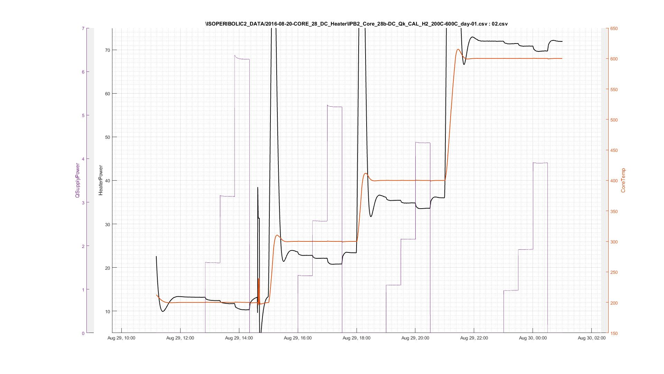
200 | 13.20 | 0.00 |  |  |  |  |  | 2.00 | 0.45 | 0.05 | 1.50 | 0.43 | 0.41 | 0.00
200 | 12.44 | 1.61 | 0.76 | 0.45 | 0.05 | 2.11 |  | 3.00 | 0.50 | 0.00 | 2.00 | 0.45 | 0.45 | 0.05
200 | 11.72 | 3.13 | 1.48 |  |  | 2.11 |  | 4.00 | 0.55 | -0.04 | 2.50 | 0.48 | 0.48 | 0.00
200 | 10.32 | 6.28 | 2.88 |  |  | 2.18 |  | 6.00 | 0.56 | 0.00 | 2.75 | 0.49 | 0.49 | 0.00
199 | 13.31 | 0.00 |  |  |  |  |  |  |  |  | 3.00 | 0.50 | 0.50 | 0.00
300 | 23.58 | 0.00 |  |  |  |  |  | x2 | x | b | 3.25 | 0.51 | 0.52 | 0.00
300 | 22.75 | 1.31 | 0.66 | 0.50 | 0.00 | 1.98 | M | -0.0101 | 0.1082 | 0.2738 | 3.50 | 0.53 | 0.53 | 0.00
300 | 22.15 | 2.57 | 1.27 |  |  | 2.03 |  |  |  |  | 3.75 | 0.54 | 0.54 | 0.00
300 | 20.82 | 5.19 | 2.60 |  |  | 2.00 |  |  |  |  | 4.00 | 0.55 | 0.55 | -0.04
300 | 23.41 | 0.00 |  |  |  |  |  |  |  |  | 4.50 | 0.55 | 0.56 | 0.00
400 | 36.18 | 0.00 |  |  |  |  |  |  |  |  | 5.00 | 0.55 | 0.56 | 0.00
400 | 35.47 | 1.10 | 0.56 | 0.55 | -0.04 | 1.95 |  |  |  |  | 5.50 | 0.56 | 0.56 | 0.00
400 | 34.88 | 2.15 | 1.15 |  |  | 1.88 |  |  |  |  | 6.00 | 0.56 | 0.56 | 0.00
400 | 33.67 | 4.36 | 2.36 |  |  | 1.85
400 | 36.03 | 0.00
600 | 71.91 | 0.00
600 | 71.34 | 0.98 | 0.57 | 0.56 | 0.00 | 1.71
600 | 70.87 | 1.92 | 1.04 |  |  | 1.85
600 | 69.72 | 3.90 | 2.19 |  |  | 1.78

DC-h2-sri-ipb2-27b
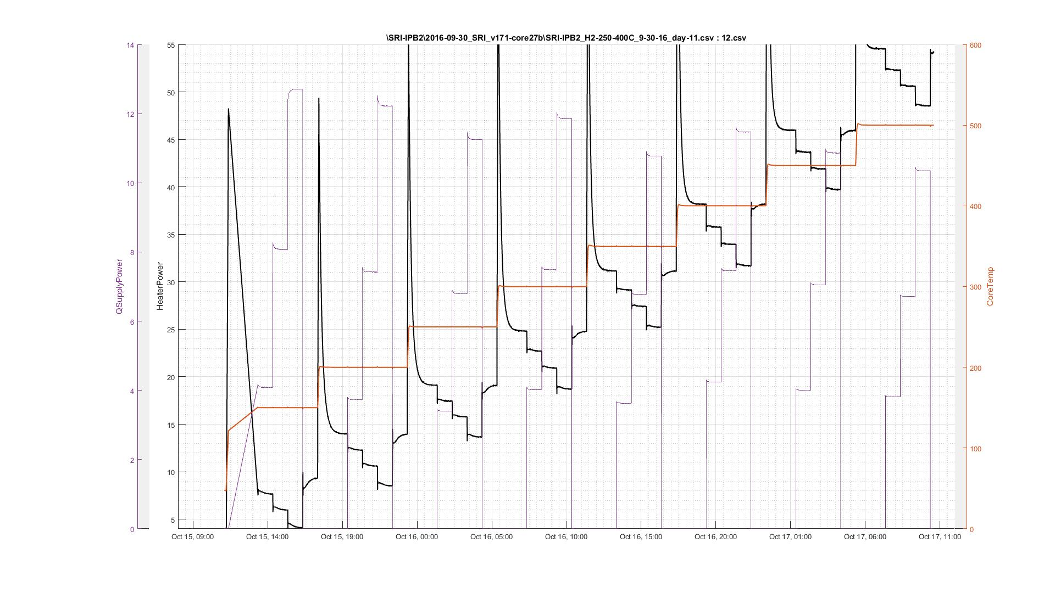
DC-h2-sri-ipb2-27b | data | \SRI-IPB2\2016-09-30_SRI_v171-core27b\SRI-IPB2_H2-250-400C_10-05-16_day-11.csv:13.csv
 | seq | \IPB CAL SEQ\IPBx_Temp_sequence_DC_Qkcal_for_New_Core_150C-400C_H2_revA.csv
Temp | HP | DCCorePower | deltaHP | M | B | DCCorePower/deltaHP | Temp/100 | M | B | temp/100 | M(Forecast) | M(polynomial) | B
121 | 9.340923 | 0.00 |  |  |  |  | 1.50 | 0.41 | 0.03 | 1.50 | 0.41 | 0.41 | 0.03 | 0.41 | 0.00 | 0.49
150 | 7.64549 | 4.08 | 1.70 | 0.41 | 0.03 | 2.41 | 2.00 | 0.44 | 0.15 | 2.00 | 0.44 | 0.44 | 0.15 | 0.45 | -0.01 | 0.52
150 | 5.96395 | 8.08 | 3.38 |  |  | 2.39 | 2.50 | 0.48 | 0.06 | 2.50 | 0.48 | 0.48 | 0.06 | 0.48 | 0.00 | 0.54
150 | 4.099295 | 12.71 | 5.24 |  |  | 2.42 | 3.00 | 0.51 | 0.12 | 2.75 |  | 0.50 | 0.06 | 0.49 | 0.00 | 0.55
150 | 9.340923 | 0.00 |  |  |  |  | 3.50 | 0.54 | 0.09 | 3.00 | 0.51 | 0.51 | 0.12 | 0.50 | 0.01 | 0.56
200 | 14.025439 | 0.00 |  |  |  |  | 4.00 | 0.56 | 0.14 | 3.25 |  | 0.52 | 0.12 | 0.52 | 0.00 | 0.57
200 | 12.266483 | 3.73 | 1.76 | 0.44 | 0.15 | 2.12 | 4.50 | 0.58 | 0.08 | 3.50 | 0.54 | 0.54 | 0.00 | 0.53 | 0.01 | 0.57
200 | 10.591349 | 7.42 | 3.43 |  |  | 2.16 | 5.00 | 0.58 | 0.07 | 3.75 |  | 0.55 | 0.00 | 0.54 | 0.01 | 0.58
200 | 8.539874 | 12.22 | 5.49 |  |  | 2.23 |  |  |  | 4.00 | 0.56 | 0.56 | 0.09 | 0.55 | 0.01 | 0.59
200 | 14.017798 | 0.00 |  |  |  |  |  |  |  | 4.50 | 0.58 | 0.58 | 0.00 | 0.56 | 0.02 | 0.59
250 | 19.07804 | 0.00 |  |  |  |  |  |  |  | 5.00 | 0.58 | 0.58 | 0.00 | 0.56 | 0.02 | 0.59
250 | 17.402489 | 3.40 | 1.68 | 0.48 | 0.06 | 2.03 | -0.0091 | 0.1104 | 0.2604 | 5.50 |  | 0.59 | 0.00 | 0.56 | 0.03 | 0.59
250 | 15.743403 | 6.80 | 3.33 |  |  | 2.04 |  |  |  | 6.00 |  | 0.60 | 0.00 | 0.56 | 0.04 | 0.58
250 | 13.644028 | 11.25 | 5.43 |  |  | 2.07
250 | 19.071078 | 0.00
300 | 24.828835 | 0.00
300 | 22.675655 | 4.02 | 2.15 | 0.51 | 0.12 | 1.87
300 | 20.893549 | 7.48 | 3.94 |  |  | 1.90
300 | 18.689443 | 11.86 | 6.14 |  |  | 1.93
300 | 24.797451 | 0.00
350 | 31.140346 | 0.00
350 | 29.144012 | 3.63 | 2.00 | 0.54 | 0.09 | 1.82
350 | 27.409157 | 6.77 | 3.73 |  |  | 1.81
350 | 25.262745 | 10.77 | 5.88 |  |  | 1.83
350 | 31.179064 | 0.00
400 | 38.221895 | 0.00
400 | 35.714714 | 4.24 | 2.51 | 0.56 | 0.14 | 1.69
400 | 33.91684 | 7.46 | 4.31 |  |  | 1.73
400 | 31.681489 | 11.46 | 6.54 |  |  | 1.75
400 | 38.182157 | 0.00
450 | 46.020511 | 0.00
450 | 43.637956 | 4.01 | 2.38 | 0.58 | 0.08 | 1.68
450 | 41.868616 | 7.05 | 4.15 |  |  | 1.70
450 | 39.681857 | 10.86 | 6.34 |  |  | 1.71
450 | 45.952766 | 0.00
500 | 54.551962 | 0.00
500 | 52.267782 | 3.81 | 2.28 | 0.58 | 0.07 | 1.67
500 | 50.590806 | 6.71 | 3.96 |  |  | 1.69
500 | 48.470617 | 10.35 | 6.08 |  |  | 1.70

28b
Core: | 28B | \ISOPERIBOLIC_DATA\IPB1_COP_STUDIES\deltaQout equations.xls

IPB: | 2
Gas: | Hydrogen

Temp (C) | Qpulse/dc | deltaQout | m | b | 200 | 0.54807226652 | -0.038688175843
200 | 1.60976 | 0.84656 | 0.54807226652 | -0.038688175843 | 300 | 0.48614802467 | 0.026552909802
 | 3.13255 | 1.67375 |  |  | 400 | 0.42986521481 | 0.022194633949
 | 6.28254 | 3.40604 |  |  | 600 | 0.41722643689 | -0.01639875991

300 | 1.31268 | 0.67168 | 0.48614802467 | 0.026552909802
 | 2.56698 | 1.26418
 | 5.18863 | 2.55233

400 | 1.09886 | 0.49066 | 0.42986521481 | 0.022194633949
 | 2.15203 | 0.95303
 | 4.36272 | 1.89572

600 | 0.974727 | 0.389227 | 0.41722643689 | -0.01639875991
 | 1.91697 | 0.78497
 | 3.89894 | 1.60984

H2

