Sheet1
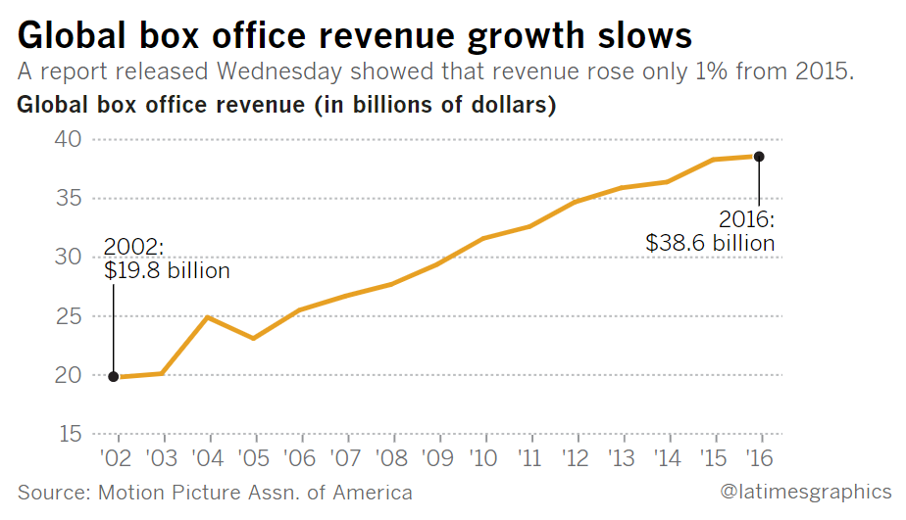
 | domestic | oversea | all
2017 | 11.12 | 28.8 | 39.92 | http://deadline.com/2017/12/worldwide-box-office-record-2017-39-92-billion-comscore-1202234008/
2016 | 11.4 | 27.2 | 38.6 | http://www.latimes.com/business/hollywood/la-fi-ct-mpaa-box-office-20170322-story.html
2015 |  | 27.3

Sheet2
