Algorithm Guide
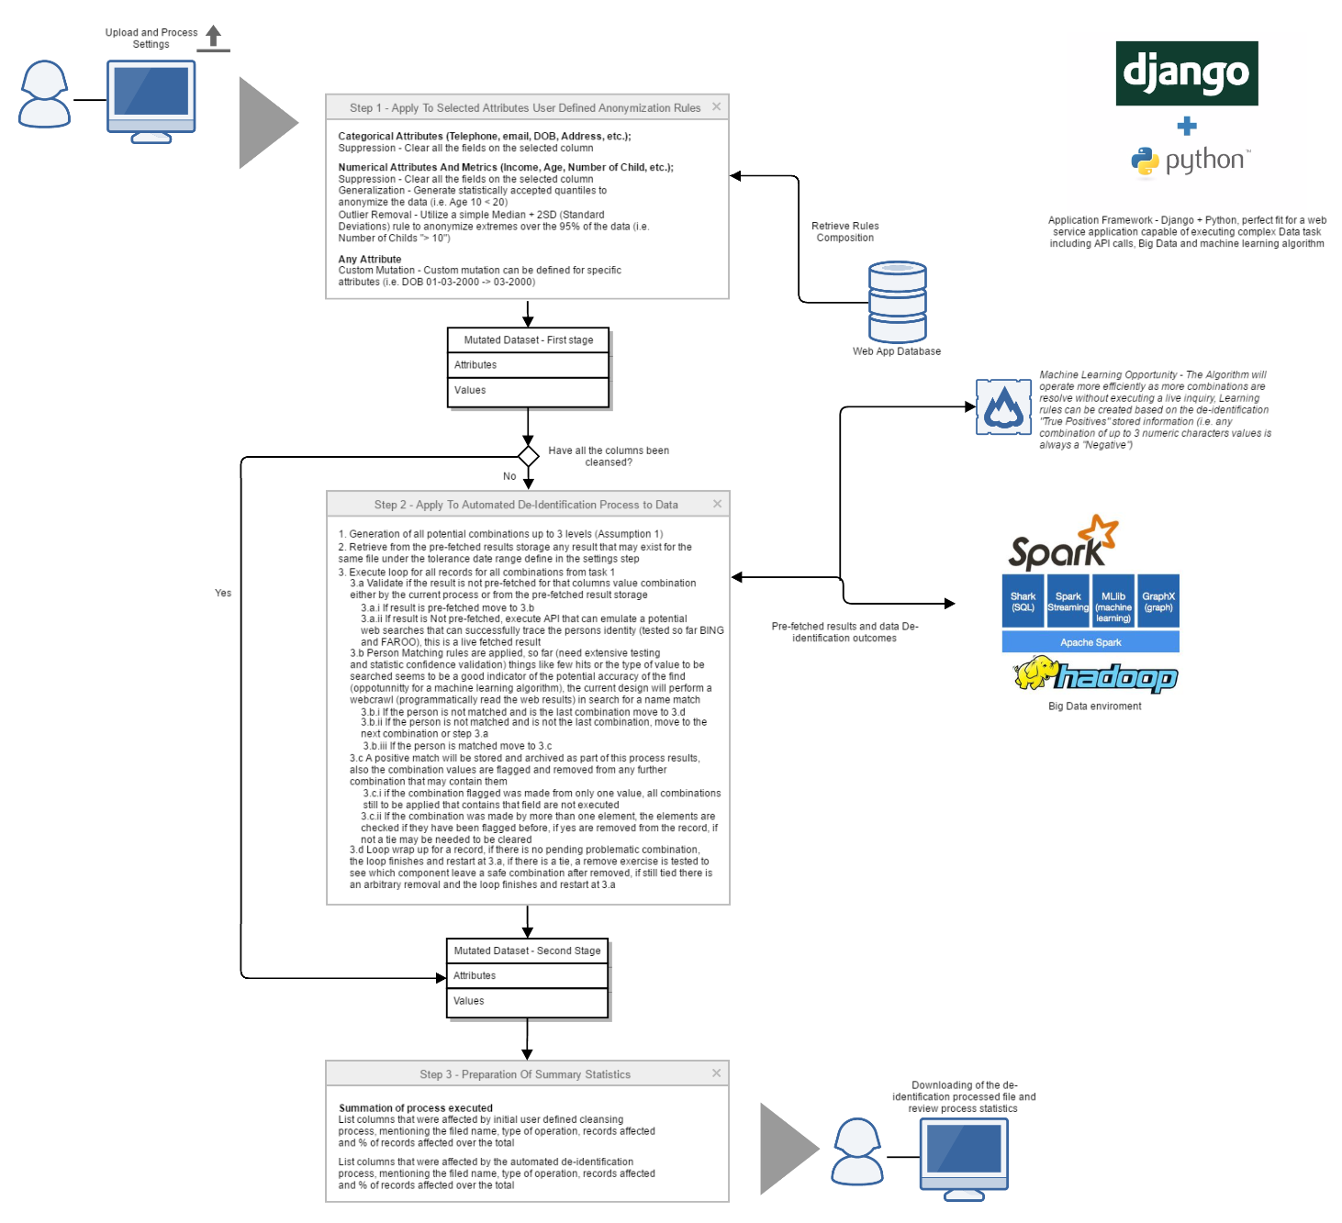

Algorithsm Execution - Record1
SURNAME | Given Names | Age | Ordinal No | Date of Death | Item ID | Notes
AAGAARD | Nikolai B | 67 | 112 | 16-Jul-55 | 298299 | No notes

Combinations (All up to 3 comb) to be executed
1 | 2 | 3 | Use fetched data? | Sub-Comb previously discarded? | Result hits under threshold? | Person Found? | Evidence of repitent element?
Age |  |  | no | no | no (end of the comb. analysis)
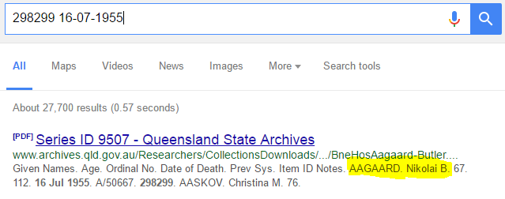
Ordinal No |  |  | no | no | no (end of the comb. analysis)
Date of Death |  |  | no | no | no (end of the comb. analysis)
Item ID |  |  | no | no | no (end of the comb. analysis)
Notes |  |  | no | no | no (end of the comb. analysis)
Age | Ordinal No |  | no | no | no (end of the comb. analysis)
Age | Date of Death |  | no | no | no (end of the comb. analysis)
Age | Item ID |  | no | no | no (end of the comb. analysis)
Age | Notes |  | no | no | no (end of the comb. analysis)
Ordinal No | Date of Death |  | no | no | Yes | Yes, Conbinaton Flagged | No
Ordinal No | Item ID |  | no | no | no (end of the comb. analysis)
Ordinal No | Notes |  | no | no | no (end of the comb. analysis)
Date of Death | Item ID |  | no | no | Yes | No, combination Flagged
Date of Death | Notes |  | no | no | Yes | No, combination Flagged
Item ID | Notes |  | no | no | no (end of the comb. analysis)
Age | Ordinal No | Date of Death | no | Yes (Date of Death/Ordinal No)
Age | Ordinal No | Item ID | no | no | no (end of the comb. analysis)
Age | Ordinal No | Notes | no | no | no (end of the comb. analysis)
Age | Date of Death | Item ID | no | no | Yes | Yes, Conbinaton Flagged | Yes, Date of Death (removed from record)
Age | Date of Death | Notes | no | Yes (Date Of Death Removed)
Age | Item ID | Notes | no | no | no (end of the comb. analysis)
Ordinal No | Date of Death | Item ID | no | Yes (Date Of Death Removed)
Ordinal No | Date of Death | Notes | no | Yes (Date Of Death Removed)
Ordinal No | Item ID | Notes | no | no | no (end of the comb. analysis)
Date of Death | Item ID | Notes | no | Yes (Date Of Death Removed) |  |  |  | If the result treshold (100,000 but must extensevily researched and statiticly validated) is not hit a
 |  |  |  |  |  |  |  | webcrawl is executed to do a string search trying to match the flagged "Name" columns

 |  |  |  |  | If the result have not previously fetched or the combination discarded an API call is executed to inquire in realtime to
 |  |  |  |  | relevant API (bing, pipl, farook or any new to come) about the existence of a link to the person available on internet

 |  | This will fetch archive results data and utilize also the on-execution fetched results to resolve same combinations of other record with the same values on the fields

OUTCOME
1 Change to the Record | Date of Death Removed

(If there is a "tie" the item that allows to leave a safe combination is kept, if again is tied, one is removed arbitrarily)

Algorithsm Execution - Record2
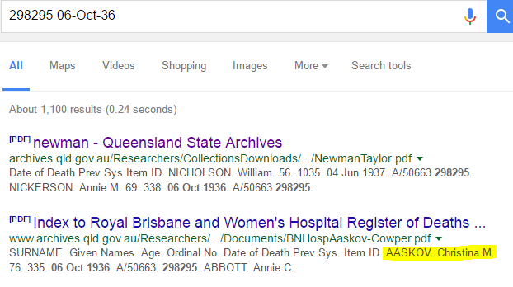
SURNAME | Given Names | Age | Ordinal No | Date of Death | Item ID | Notes
AASKOV | Christina M | 76 | 335 | 6-Oct-36 | 298295 | No notes

Combinations (All up to 3 comb) to be executed
1 | 2 | 3 | Use fetched data? | Sub-Comb previously discarded? | Result hits under threshold? | Person Found? | Evidence of repitent element?
Age |  |  | no | no | no (end of the comb. analysis)
Ordinal No |  |  | no | no | no (end of the comb. analysis)
Date of Death |  |  | no | no | no (end of the comb. analysis)
Item ID |  |  | no | no | no (end of the comb. analysis)
Notes |  |  | no | no | no (end of the comb. analysis)
Age | Ordinal No |  | no | no | no (end of the comb. analysis)
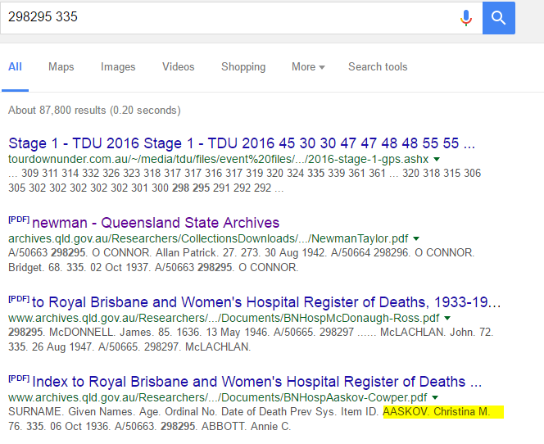
Age | Date of Death |  | no | no | no (end of the comb. analysis)
Age | Item ID |  | no | no | no (end of the comb. analysis)
Age | Notes |  | no | no | no (end of the comb. analysis)
Ordinal No | Date of Death |  | no | no | no (end of the comb. analysis)
Ordinal No | Item ID |  | no | no | Yes | Yes, Conbinaton Flagged
Ordinal No | Notes |  | no | no | no (end of the comb. analysis)
Date of Death | Item ID |  | no | no | Yes | Yes, Conbinaton Flagged | Yes, Item ID (removed from record)
Date of Death | Notes |  | no | no | no (end of the comb. analysis)
Item ID | Notes |  | no | Yes (Item ID Removed)
Age | Ordinal No | Date of Death | no | no | no (end of the comb. analysis)
Age | Ordinal No | Item ID | no | Yes (Item ID/Ordinal No)
Age | Ordinal No | Notes | no | no | no (end of the comb. analysis)
Age | Date of Death | Item ID | no | Yes (Item ID Removed)
Age | Date of Death | Notes | no | no | no (end of the comb. analysis)
Age | Item ID | Notes | no | Yes (Item ID Removed)
Ordinal No | Date of Death | Item ID | no | Yes (Date of Death/Item ID)
Ordinal No | Date of Death | Notes | no | no | no (end of the comb. analysis)
Ordinal No | Item ID | Notes | no | Yes (Item ID/Ordinal No)
Date of Death | Item ID | Notes | no | Yes (Date of Death/Item ID) |  |  |  | If the result treshold (100,000 but must extensevily researched and statiticly validated) is not hit a
 |  |  |  |  |  |  |  | webcrawl is executed to do a string search trying to match the flagged "Name" columns

 |  |  |  |  | If the result have not previously fetched or the combination discarded an API call is executed to inquire in realtime to
 |  |  |  |  | relevant API (bing, pipl, farook or any new to come) about the existence of a link to the person available on internet

 |  | This will fetch archive results data and utilize also the on-execution fetched results to resolve same combinations of other record with the same values on the fields

OUTCOME
1 Change to the Record | Item ID Removed

(If there is a "tie" the item that allows to leave a safe combination is kept, if again is tied, one is removed arbitrarily)

Algorithsm Execution - Record4
SURNAME | Given Names | Age | Ordinal No | Date of Death | Item ID | Notes
ABBOTT | Annie M | <65 | 170 | 27-Jul-52 | 298298 | No notes

Combinations (All up to 3 comb) to be executed
1 | 2 | 3 | Use fetched data? | Sub-Comb previously discarded? | Result hits under threshold? | Person Found? | Evidence of repitent element?
Age |  |  | no | no | no (end of the comb. analysis)
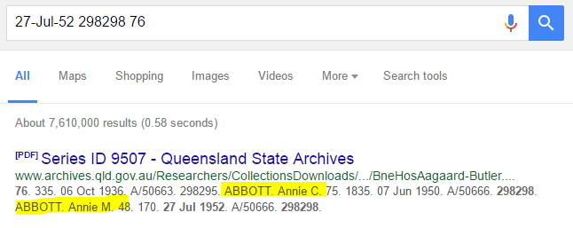
Ordinal No |  |  | no | no | no (end of the comb. analysis)
Date of Death |  |  | no | no | no (end of the comb. analysis)
Item ID |  |  | no | no | no (end of the comb. analysis)
Notes |  |  | no | no | no (end of the comb. analysis)
Age | Ordinal No |  | no | no | no (end of the comb. analysis)
Age | Date of Death |  | no | no | no (end of the comb. analysis)
Age | Item ID |  | no | no | no (end of the comb. analysis)
Age | Notes |  | no | no | no (end of the comb. analysis)
Ordinal No | Date of Death |  | no | no | no (end of the comb. analysis)
Ordinal No | Item ID |  | no | no | no (end of the comb. analysis)
Ordinal No | Notes |  | no | no | no (end of the comb. analysis)
Date of Death | Item ID |  | no | no | Yes | Yes, Conbinaton Flagged | No
Date of Death | Notes |  | no | no | no (end of the comb. analysis)
Item ID | Notes |  | Yes | no | no (end of the comb. analysis)
Age | Ordinal No | Date of Death | no | no | no (end of the comb. analysis)
Age | Ordinal No | Item ID | no | no | no (end of the comb. analysis)
Age | Ordinal No | Notes | no | no | no (end of the comb. analysis)
Age | Date of Death | Item ID | no | Yes (Date of Death/Item ID)
Age | Date of Death | Notes | no | no | no (end of the comb. analysis)
Age | Item ID | Notes | no | no | no (end of the comb. analysis)
Ordinal No | Date of Death | Item ID | no | Yes (Date of Death/Item ID)
Ordinal No | Date of Death | Notes | no | no | no (end of the comb. analysis)
Ordinal No | Item ID | Notes | no | no | no (end of the comb. analysis)
Date of Death | Item ID | Notes | no | Yes (Date of Death/Item ID) |  |  |  | If the result treshold (100,000 but must extensevily researched and statiticly validated) is not hit a
 |  |  |  |  |  |  |  | webcrawl is executed to do a string search trying to match the flagged "Name" columns

 |  |  |  |  | If the result have not previously fetched or the combination discarded an API call is executed to inquire in realtime to
 |  |  |  |  | relevant API (bing, pipl, farook or any new to come) about the existence of a link to the person available on internet

 |  | In this case is capable of reuse an existing combination result for Item ID and Notes from the previous record

OUTCOME
1 Change to the Record | Tie between Item ID and Date of Death, since removing both creates safe combinations Item ID is removed arbitrarily

Algorithsm Execution - Record6
SURNAME | Given Names | Age | Ordinal No | Date of Death | Item ID | Notes
ABBOTT | John | 74 | 980 | 28-Apr-39 | 298295 | No notes

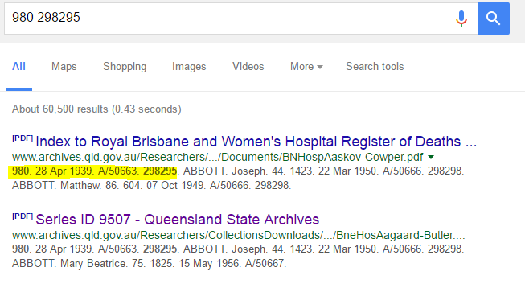
Combinations (All up to 3 comb) to be executed
1 | 2 | 3 | Use fetched data? | Sub-Comb previously discarded? | Result hits under threshold? | Person Found? | Evidence of repitent element?
Age |  |  | no | no | no (end of the comb. analysis)
Ordinal No |  |  | no | no | no (end of the comb. analysis)
Date of Death |  |  | no | no | no (end of the comb. analysis)
Item ID |  |  | no | no | no (end of the comb. analysis)
Notes |  |  | no | no | no (end of the comb. analysis)
Age | Ordinal No |  | no | no | no (end of the comb. analysis)
Age | Date of Death |  | no | no | no (end of the comb. analysis)
Age | Item ID |  | no | no | no (end of the comb. analysis)
Age | Notes |  | no | no | no (end of the comb. analysis)
Ordinal No | Date of Death |  | no | no | no (end of the comb. analysis)
Ordinal No | Item ID |  | no | no | Yes | Yes, Conbinaton Flagged
Ordinal No | Notes |  | no | no | no (end of the comb. analysis)
Date of Death | Item ID |  | no | no | Yes | Yes, Conbinaton Flagged | Yes, Item ID (removed from record)
Date of Death | Notes |  | no | no | no (end of the comb. analysis)
Item ID | Notes |  | no | Yes (Item ID Removed)
Age | Ordinal No | Date of Death | no | no | no (end of the comb. analysis)
Age | Ordinal No | Item ID | no | Yes (Item ID/Ordinal No)
Age | Ordinal No | Notes | no | no | no (end of the comb. analysis)
Age | Date of Death | Item ID | no | Yes (Item ID Removed)
Age | Date of Death | Notes | no | no | no (end of the comb. analysis) |  |  | (PDF linked have Jhon ABBOT matching the fields)
Age | Item ID | Notes | no | Yes (Item ID Removed)
Ordinal No | Date of Death | Item ID | no | Yes (Date of Death/Item ID)
Ordinal No | Date of Death | Notes | no | no | no (end of the comb. analysis)
Ordinal No | Item ID | Notes | no | Yes (Item ID/Ordinal No)
Date of Death | Item ID | Notes | no | Yes (Date of Death/Item ID)

OUTCOME
1 Change to the Record | Item ID Removed

 |  | Is there a common element?

Algorithsm Execution - Record7
SURNAME | Given Names | Age | Ordinal No | Date of Death | Item ID | Notes
ABO | Seleem G | 73 | 878 | 20-Nov-48 | 298297 | Alias TOMAY or ABOTOMAY
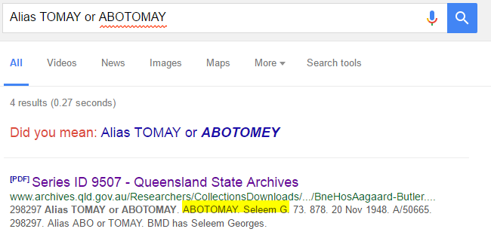
Combinations (All up to 3 comb) to be executed
1 | 2 | 3 | Use fetched data? | Sub-Comb previously discarded? | Result hits under threshold? | Person Found? | Evidence of repitent element?
Age |  |  | no | no | no (end of the comb. analysis)
Ordinal No |  |  | no | no | no (end of the comb. analysis)
Date of Death |  |  | no | no | no (end of the comb. analysis)
Item ID |  |  | no | no | no (end of the comb. analysis)
Notes |  |  | no | no | Yes | Yes, Conbinaton Flagged | Unique element, Date of Death (rdirectly removed)
Age | Ordinal No |  | no | no | no (end of the comb. analysis)
Age | Date of Death |  | no | no | no (end of the comb. analysis)
Age | Item ID |  | no | no | no (end of the comb. analysis)
Age | Notes |  | no | Yes (Notes Removed)
Ordinal No | Date of Death |  | no | no | Yes | Yes, Conbinaton Flagged
Ordinal No | Item ID |  | no | no | Yes | Yes, Conbinaton Flagged | Yes, Ordinal No (removed from record)
Ordinal No | Notes |  | no | Yes (Notes Removed)
Date of Death | Item ID |  | no | no | Yes | Yes, Conbinaton Flagged | Yes, Item ID (removed from record)
Date of Death | Notes |  | no | Yes (Notes Removed)
Item ID | Notes |  | no | Yes (Notes Removed)
Age | Ordinal No | Date of Death | no | Yes (Date of Death/Ordinal No)
Age | Ordinal No | Item ID | no | Yes (Item ID/Ordinal No)
Age | Ordinal No | Notes | no | Yes (Notes Removed)
Age | Date of Death | Item ID | no | Yes (Date of Death/Item ID)
Age | Date of Death | Notes | no | Yes (Notes Removed)
Age | Item ID | Notes | no | Yes (Notes Removed)
Ordinal No | Date of Death | Item ID | no | Yes (Date of Death/Item ID)
Ordinal No | Date of Death | Notes | no | Yes (Notes Removed)
Ordinal No | Item ID | Notes | no | Yes (Notes Removed)
Date of Death | Item ID | Notes | no | Yes (Notes Removed)

OUTCOME
3 Changes to the Record | Notes, Item ID and Ordinal No

 |  | Is there a common element?

