Worksheet
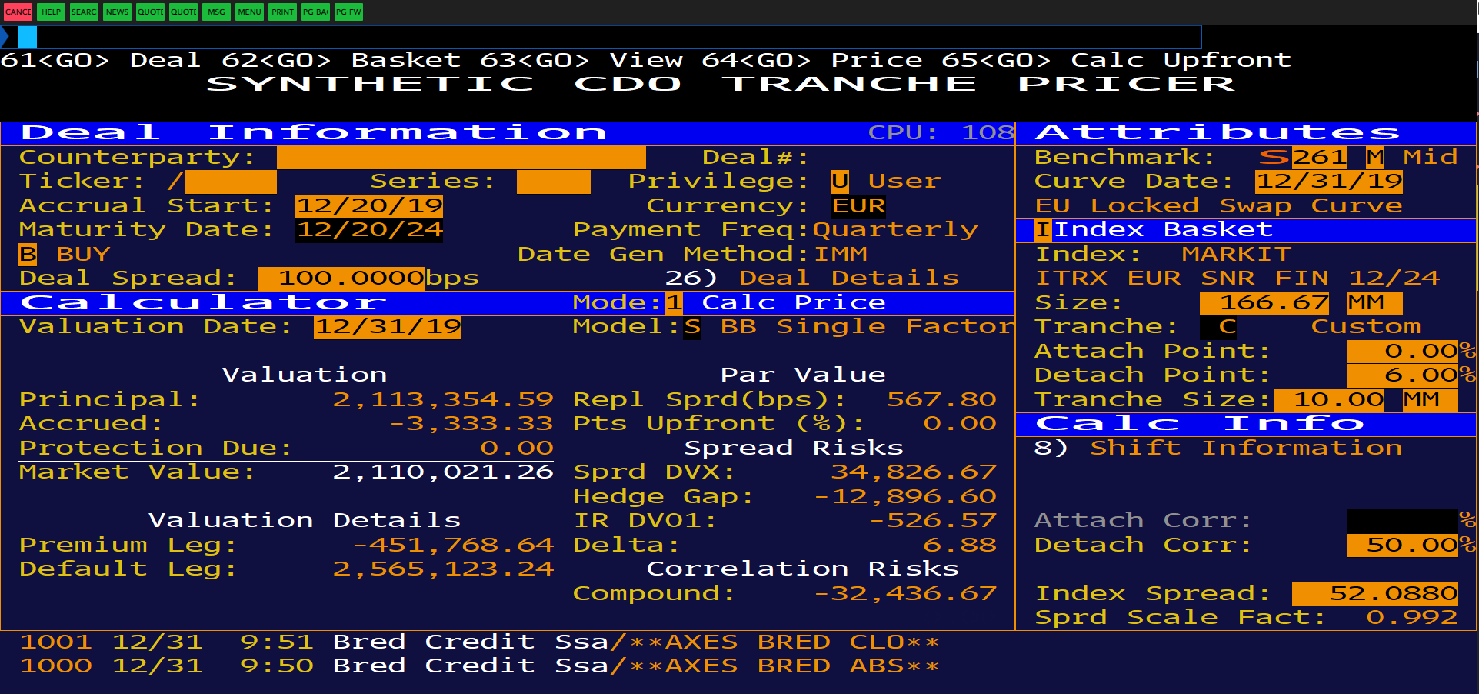
Co. Name | Notional | Rec | R Sprd | Sprd Mty | 6 Mo | 1 Yr | 2 Yr | 3 Yr | 4 Yr | 5 Yr | 7 Yr | 10 Yr
Aegon NV | 11,113,333.00 | 0.4 | 100 | 62.46 | 13.69 | 19.39 | 29.33 | 38.95 | 51.87 | 62.46 | 83.59 | 99.73
Banco Bilbao Vizcaya Argentaria SA | 11,113,333.00 | 0.4 | 100 | 65.73 | 18.02 | 22.15 | 31.31 | 42.3 | 53.12 | 65.73 | 86.37 | 101.27
Banco Santander SA | 11,113,333.00 | 0.4 | 100 | 55.53 | 13.93 | 16.47 | 24.25 | 33.56 | 43.11 | 55.53 | 80.76 | 92.58
Barclays PLC | 11,113,333.00 | 0.4 | 100 | 60.34 | 13.18 | 17.97 | 27.5 | 38.46 | 49.59 | 60.34 | 82.34 | 100.52
Aviva PLC | 11,113,333.00 | 0.4 | 100 | 52.46 | 12.76 | 15.43 | 23.3 | 33.14 | 41.24 | 52.46 | 69.88 | 85.08
HSBC Holdings PLC | 11,110,000.00 | 0.4 | 100 | 51.53 | 14.52 | 17.97 | 25.59 | 34.13 | 42.25 | 51.53 | 71.96 | 88.55
Prudential PLC | 11,110,000.00 | 0.4 | 100 | 54.92 | 13.83 | 17.4 | 26.6 | 34.71 | 46.03 | 54.92 | 72.31 | 87.5
Royal Bank of Scotland Group PLC | 11,110,000.00 | 0.4 | 100 | 61.34 | 14.88 | 19.96 | 31.92 | 42.77 | 52.31 | 61.34 | 86.56 | 104.63
Standard Chartered PLC | 11,110,000.00 | 0.4 | 100 | 49.47 | 14.61 | 16.96 | 24.06 | 33.59 | 41.04 | 49.47 | 71.75 | 88.18
Lloyds Banking Group PLC | 11,110,000.00 | 0.4 | 100 | 53.07 | 12.7 | 16.72 | 23.83 | 34.58 | 43.76 | 53.07 | 76.55 | 90.72
AXA SA | 11,113,333.00 | 0.4 | 100 | 35.5 | 9.48 | 12.18 | 17.73 | 23.31 | 30.39 | 35.5 | 49.79 | 62.35
BNP Paribas SA | 11,113,333.00 | 0.4 | 100 | 44.95 | 13.66 | 15.7 | 22.62 | 30.32 | 37.2 | 44.95 | 64.05 | 79.13
Societe Generale SA | 11,110,000.00 | 0.4 | 100 | 53 | 12.69 | 18.25 | 27.64 | 35.57 | 44.13 | 53 | 76.17 | 92.21
Allianz SE | 11,113,333.00 | 0.4 | 100 | 22.63 | 8.04 | 8.96 | 10.59 | 15 | 18.82 | 22.63 | 31.13 | 38.54
UniCredit SpA | 11,110,000.00 | 0.4 | 100 | 79.19 | 19.62 | 27.21 | 40.02 | 53.83 | 66.43 | 79.19 | 103.87 | 121.08
Credit Suisse Group AG | 11,110,000.00 | 0.4 | 100 | 44.36 | 13.44 | 15.74 | 22.2 | 29.29 | 35.83 | 44.36 | 61.68 | 78.86
Mediobanca Banca di Credito Finanziario | 11,110,000.00 | 0.4 | 100 | 81.05 | 22.3 | 27.99 | 40.05 | 56.23 | 69.16 | 81.05 | 106.13 | 121.36
Commerzbank AG | 11,113,333.00 | 0.4 | 100 | 70.74 | 18.98 | 25.66 | 35.59 | 47.23 | 58.9 | 70.74 | 94.68 | 109.7
Deutsche Bank AG | 11,110,000.00 | 0.4 | 100 | 130.42 | 61.97 | 90.51 | 105.88 | 126.38 | 123.46 | 130.42 | 154.73 | 169.62
Assicurazioni Generali SpA | 11,113,333.00 | 0.4 | 100 | 68 | 16.58 | 20.28 | 30.07 | 43.88 | 54.62 | 68 | 95.06 | 110.3
Swiss Reinsurance Co Ltd | 11,110,000.00 | 0.4 | 100 | 23.92 | 8.23 | 10.01 | 13.81 | 18 | 21.9 | 23.92 | 38.11 | 48.23
ING Groep NV | 11,110,000.00 | 0.4 | 100 | 39.14 | 12.51 | 15.58 | 21.49 | 29.53 | 34.54 | 39.14 | 56.74 | 70.69
Danske Bank A/S | 11,110,000.00 | 0.4 | 100 | 74.28 | 32.34 | 39.81 | 48.84 | 57.77 | 63.73 | 74.28 | 102.52 | 117.33
Muenchener Rueckversicherungs-Gesellscha | 11,110,000.00 | 0.4 | 100 | 20.95 | 7.07 | 9.11 | 12.35 | 14.38 | 17.59 | 20.95 | 29.32 | 36.29
Intesa Sanpaolo SpA | 11,110,000.00 | 0.4 | 100 | 87.88 | 23.57 | 28.79 | 44.37 | 60.39 | 74.58 | 87.88 | 111.48 | 128.21
Hannover Rueck SE | 11,110,000.00 | 0.4 | 100 | 22.52 | 7.03 | 8.59 | 13.86 | 15.69 | 20.04 | 22.52 | 32.9 | 40.85
Cooperatieve Rabobank UA | 11,110,000.00 | 0.4 | 100 | 20.18 | 5.32 | 7.06 | 9.69 | 13.13 | 16.75 | 20.18 | 27.56 | 34.15
Zurich Insurance Co Ltd | 11,110,000.00 | 0.4 | 100 | 23 | 7.21 | 8.54 | 11.94 | 15.82 | 19.72 | 23 | 35.09 | 45.06
Credit Agricole SA | 11,110,000.00 | 0.4 | 25 | 41.27 | 11.08 | 14.59 | 20.11 | 27.98 | 34.56 | 41.27 | 57.73 | 71.79
UBS Group AG | 11,110,000.00 | 0.4 | 100 | 39.25 | 11.27 | 13.68 | 20.47 | 27.17 | 32.86 | 39.25 | 55.69 | 68.78

