Table Just Climax
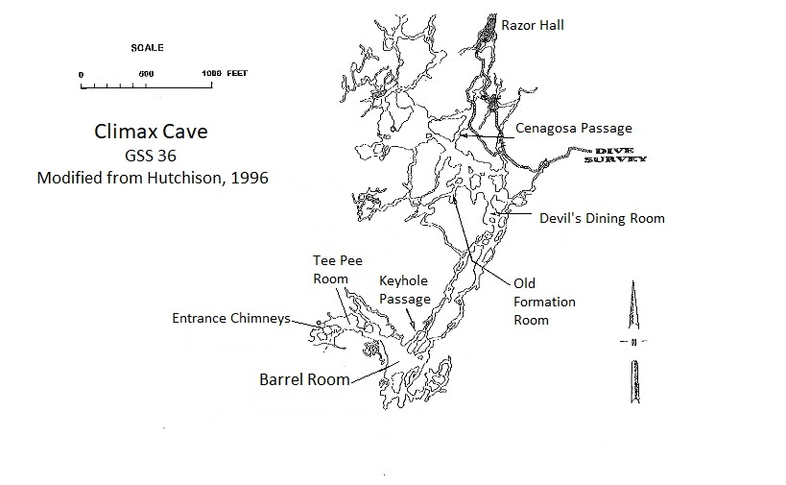
Climax Cave Sample Location | Mercury concentration(mg/kg) Average if duplicate | duplicates
Entrance Chimneys | 0.0575
Entrance Chimneys | 0.0150
Entrance Chimneys | 0.0243 | 0.0241, 0.0245
Entrance Chimneys | 0.1217 | 0.1186, 0.1247
Entrance Chimneys | 0.0114
Tee Pee Room | 0.3474
Tee Pee Room | 0.0070
Barrel Room | 0.4167
Barrel Room | 0.3805
Barrel Room | 0.3880
Barrel Room | 0.4189
Barrel Room | 0.1868
Barrel Room | 0.3446
Barrel Room | 0.3225 | 0.323, 0.3220
Barrel Room | 0.3206
Barrel Room | 0.4414
Barrel Room | 0.3769
Barrel Room | 0.4338
Barrel Room | 0.4481
Barrel Room | 0.4516 | 0.5059, 0.4328, 0.4162
Barrel Room | 0.4246
Barrel Room | 0.3984
Barrel Room | 0.4106
Barrel Room | 0.4287
Barrel Room | 0.4883
Barrel Room | 0.4628
Barrel Room | 0.4649
Keyhole Passage | 0.0828
Keyhole Passage | 0.0516
Keyhole Passage | 0.0298
Devil's Dining Room | 0.0853
Old Formation Room pool | 0.1698
Cenagosa Passage | 0.2243
Cenagosa Passage | 0.5573 | 0.5566, 0.5579

