Reaxys Export 20220302_215518
Structure: Image | SMILES | Substance Identification: Reaxys Registry Number | Links to Reaxys | Data Count | CAS Registry Number | Chemical Name | Linear Structure Formula | Molecular Formula | Molecular Weight | Type of Substance | Type and Modification | InChI Key | Composition: Comp. Name | Composition: Comp. Conc. | Composition: Comp. Attrib. | Field Availability | Number of Reactions | Number of References
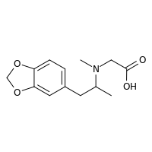 | CC(CC1=CC=C2OCOC2=C1)N(C)CC(O)=O | 12313494 | https://www.reaxys.com/reaxys/secured/hopinto.do?context=S&query=IDE.XRN%3D12313494&database=RX&origin=ReaxysOutput&ln= | (1 of 66) |  |  | C13H17NO4 | C13H17NO4 | 251.282 |  |  | DFMYDVRBIVVOLN-UHFFFAOYSA-N |  |  |  | Identification(8); Spectra(2) | 2 | 2
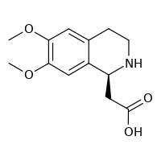 | COC1=C(OC)C=C2[C@H](CC(O)=O)NCCC2=C1 | 19111202 | https://www.reaxys.com/reaxys/secured/hopinto.do?context=S&query=IDE.XRN%3D19111202&database=RX&origin=ReaxysOutput&ln= | (2 of 66) | 1139908-79-4 | (S)-6,7-dimethoxy-1,2,3,4-tetrahydroisoquinoline-1-acetic acid | C13H17NO4 | C13H17NO4 | 251.282 |  |  | UEXHGUMUCVTSNK-JTQLQIEISA-N |  |  |  | Identification(5); Physical Data(3); Spectra(1) | 2 | 1
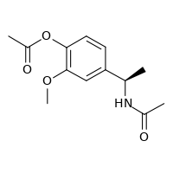 | COC1=C(OC(C)=O)C=CC(=C1)[C@@H](C)NC(C)=O | 20139308 | https://www.reaxys.com/reaxys/secured/hopinto.do?context=S&query=IDE.XRN%3D20139308&database=RX&origin=ReaxysOutput&ln= | (3 of 66) | 1021491-11-1 | (R)-4-(1-acetamidoethyl)-2-methoxyphenyl acetate | C13H17NO4 | C13H17NO4 | 251.282 |  |  | BLSAWCSYDPITSK-MRVPVSSYSA-N |  |  |  | Identification(5); Physical Data(1); Spectra(2) | 2 | 1
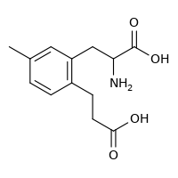 | CC1=CC(CC(N)C(O)=O)=C(CCC(O)=O)C=C1 | 21968886 | https://www.reaxys.com/reaxys/secured/hopinto.do?context=S&query=IDE.XRN%3D21968886&database=RX&origin=ReaxysOutput&ln= | (4 of 66) | 165115-42-4 | (RS)-2-amino-3-(2-(2-carboxyethyl)-5-methylphenyl)propionic acid | C13H17NO4 | C13H17NO4 | 251.282 |  |  | BBHZJWNNZMEDHH-UHFFFAOYSA-N |  |  |  | Identification(6); Spectra(2); Bioactivity(8) | 6 | 3
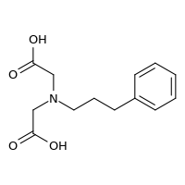 | OC(=O)CN(CCCC1=CC=CC=C1)CC(O)=O | 23304383 | https://www.reaxys.com/reaxys/secured/hopinto.do?context=S&query=IDE.XRN%3D23304383&database=RX&origin=ReaxysOutput&ln= | (5 of 66) | 300804-20-0 | [carboxymethyl-(3-phenyl-propyl)-amino]-acetic acid; (carboxymethyl(3-phenylpropyl)amino)acetic acid; N-(3-phenylprop-1-yl)iminodiacetic acid; N-(3-phenylpropyl)iminodiacetic acid | C13H17NO4 | C13H17NO4 | 251.282 |  |  | UYGNATLCLXEGCB-UHFFFAOYSA-N |  |  |  | Identification(9); Physical Data(5); Spectra(10) | 29 | 5
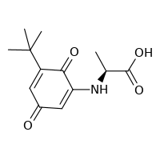 | C[C@H](NC1=CC(=O)C=C(C1=O)C(C)(C)C)C(O)=O | 28791393 | https://www.reaxys.com/reaxys/secured/hopinto.do?context=S&query=IDE.XRN%3D28791393&database=RX&origin=ReaxysOutput&ln= | (6 of 66) |  | N-(5-tert-butyl-3,6-dioxo-1,4-cyclohexadien-1-yl)-L-alanine | C13H17NO4 | C13H17NO4 | 251.282 |  |  | NNPBCETVNRJETO-ZETCQYMHSA-N |  |  |  | Identification(7); Physical Data(4); Spectra(5); Bioactivity(1) | 1 | 1
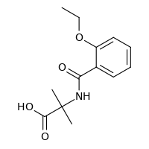 | CCOC1=CC=CC=C1C(=O)NC(C)(C)C(O)=O | 31062785 | https://www.reaxys.com/reaxys/secured/hopinto.do?context=S&query=IDE.XRN%3D31062785&database=RX&origin=ReaxysOutput&ln= | (7 of 66) |  | 2-(2-ethoxybenzamido)-2-methylpropanoic acid | C13H17NO4 | C13H17NO4 | 251.282 |  |  | SSVOYXSFMDULPP-UHFFFAOYSA-N |  |  |  | Identification(6); Physical Data(2); Spectra(4) | 2 | 1
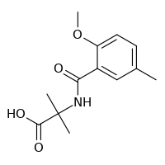 | COC1=CC=C(C)C=C1C(=O)NC(C)(C)C(O)=O | 31062787 | https://www.reaxys.com/reaxys/secured/hopinto.do?context=S&query=IDE.XRN%3D31062787&database=RX&origin=ReaxysOutput&ln= | (8 of 66) |  | 2-(2-methoxy-5-methylbenzamido)-2-methylpropanoic acid | C13H17NO4 | C13H17NO4 | 251.282 |  |  | MMZOSDHZQWVDJQ-UHFFFAOYSA-N |  |  |  | Identification(6); Physical Data(2); Spectra(4) | 2 | 1
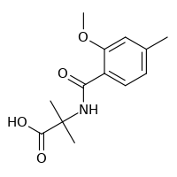 | COC1=CC(C)=CC=C1C(=O)NC(C)(C)C(O)=O | 31062792 | https://www.reaxys.com/reaxys/secured/hopinto.do?context=S&query=IDE.XRN%3D31062792&database=RX&origin=ReaxysOutput&ln= | (9 of 66) |  | 2-(2-methoxy-4-methylbenzamido)-2-methylpropanoic acid | C13H17NO4 | C13H17NO4 | 251.282 |  |  | CSFQGLUKZMXDDN-UHFFFAOYSA-N |  |  |  | Identification(6); Physical Data(2); Spectra(4) | 2 | 1
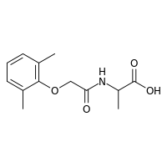 | CC(NC(=O)COC1=C(C)C=CC=C1C)C(O)=O | 33703113 | https://www.reaxys.com/reaxys/secured/hopinto.do?context=S&query=IDE.XRN%3D33703113&database=RX&origin=ReaxysOutput&ln= | (10 of 66) |  | R,S-(2-(2,6-dimethylphenoxy)acetyl)alanine | C13H17NO4 | C13H17NO4 | 251.282 |  |  | DUTNKWDATPBGSS-UHFFFAOYSA-N |  |  |  | Identification(6); Physical Data(3); Spectra(3); Bioactivity(1) | 4 | 1
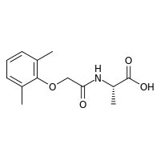 | C[C@H](NC(=O)COC1=C(C)C=CC=C1C)C(O)=O | 33703114 | https://www.reaxys.com/reaxys/secured/hopinto.do?context=S&query=IDE.XRN%3D33703114&database=RX&origin=ReaxysOutput&ln= | (11 of 66) |  | S-(-)-(2-(2,6-dimethylphenoxy)acetyl)alanine | C13H17NO4 | C13H17NO4 | 251.282 |  |  | DUTNKWDATPBGSS-JTQLQIEISA-N |  |  |  | Identification(6); Physical Data(3); Spectra(3); Bioactivity(1) | 4 | 1
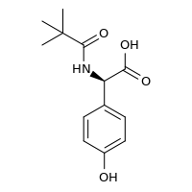 | CC(C)(C)C(=O)N[C@@H](C(O)=O)C1=CC=C(O)C=C1 | 34302584 | https://www.reaxys.com/reaxys/secured/hopinto.do?context=S&query=IDE.XRN%3D34302584&database=RX&origin=ReaxysOutput&ln= | (12 of 66) |  | (R)-2-(4-hydroxyphenyl)-2-pivalamidoacetic acid | C13H17NO4 | C13H17NO4 | 251.282 |  |  | BSXQHKOBFTYRJX-SNVBAGLBSA-N |  |  |  | Identification(6); Physical Data(2); Spectra(3) | 1 | 1
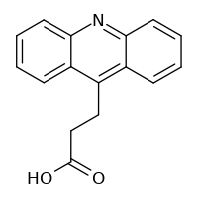 | OC(=O)CCC1=C2C=CC=CC2=NC2=CC=CC=C12 | 215653 | https://www.reaxys.com/reaxys/secured/hopinto.do?context=S&query=IDE.XRN%3D215653&database=RX&origin=ReaxysOutput&ln= | (13 of 66) | 88326-05-0 | 3-(acridin-9-yl)propan-1-oic acid; 3-(9-acridinyl)propionic acid; 3-acridin-9-ylpropionic acid; 3-acridin-9-yl-propionic acid; 3-Acridin-9-yl-propionsaeure; 9-acridinepropionic acid | C13H8NCH2CH2CO2H | C16H13NO2 | 251.285 | heterocyclic |  | IXQDDWNYDRVIHS-UHFFFAOYSA-N |  |  |  | Identification(8); Physical Data(4); Spectra(4) | 12 | 12
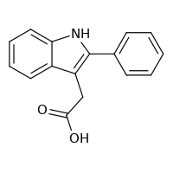 | OC(=O)CC1=C(NC2=CC=CC=C12)C1=CC=CC=C1 | 220700 | https://www.reaxys.com/reaxys/secured/hopinto.do?context=S&query=IDE.XRN%3D220700&database=RX&origin=ReaxysOutput&ln= | (14 of 66) | 4662-03-7 | 2-phenylindole-3-acetic acid; 2-(2-phenyl-1H-indol-3-yl)acetic acid; (2-phenyl-1H-indol-3-yl)acetic acid; (2-phenyl-indol-3-yl)-acetic acid; (2-Phenyl-indol-3-yl)-essigsaeure; <2-Phenyl-indolyl-(3)>-essigsaeure; 2-Phenyl-indolyl-3-essigsaeure | C16H13NO2 | C16H13NO2 | 251.285 | heterocyclic |  | MKRLEKAVBSASMW-UHFFFAOYSA-N |  |  |  | Identification(24); Physical Data(13); Spectra(12); Bioactivity(1) | 77 | 29
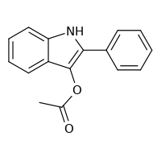 | CC(=O)OC1=C(NC2=CC=CC=C12)C1=CC=CC=C1 | 220792 | https://www.reaxys.com/reaxys/secured/hopinto.do?context=S&query=IDE.XRN%3D220792&database=RX&origin=ReaxysOutput&ln= | (15 of 66) | 64968-22-5 | 3-acetoxy-2-phenylindole; acetic acid-(2-phenyl-indol-3-yl ester); Essigsaeure-(2-phenyl-indol-3-ylester) | C16H13NO2 | C16H13NO2 | 251.285 | heterocyclic |  | HBYQABWTZTURJP-UHFFFAOYSA-N |  |  |  | Identification(6); Physical Data(2); Spectra(2) | 7 | 4
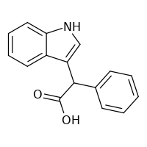 | OC(=O)C(C1=CNC2=CC=CC=C12)C1=CC=CC=C1 | 481233 | https://www.reaxys.com/reaxys/secured/hopinto.do?context=S&query=IDE.XRN%3D481233&database=RX&origin=ReaxysOutput&ln= | (16 of 66) | 50776-23-3 | 2-(1H-indol-3-yl)-2-phenylacetic acid; indol-3-yl-phenyl-acetic acid; 3-Indolylphenylessigsaeure | C16H13NO2 | C16H13NO2 | 251.285 | heterocyclic |  | IKPQWSVHKWSJDE-UHFFFAOYSA-N |  |  |  | Identification(9); Physical Data(5); Spectra(5) | 3 | 4
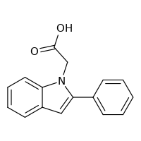 | OC(=O)CN1C2=CC=CC=C2C=C1C1=CC=CC=C1 | 1120433 | https://www.reaxys.com/reaxys/secured/hopinto.do?context=S&query=IDE.XRN%3D1120433&database=RX&origin=ReaxysOutput&ln= | (17 of 66) | 62663-25-6 | 2-(2-phenyl-1H-indol-1-yl)acetic acid | C16H13NO2 | C16H13NO2 | 251.285 | heterocyclic |  | RVIREVUBJAFZHA-UHFFFAOYSA-N |  |  |  | Identification(9); Physical Data(2); Spectra(1) | 17 | 5
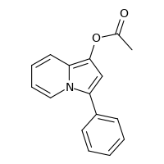 | CC(=O)OC1=C2C=CC=CN2C(=C1)C1=CC=CC=C1 | 1467569 | https://www.reaxys.com/reaxys/secured/hopinto.do?context=S&query=IDE.XRN%3D1467569&database=RX&origin=ReaxysOutput&ln= | (18 of 66) | 61453-97-2 | acetic acid 3-phenyl-indolizin-1-yl ester; 1-(acetyloxy)-3-(phenyl)indolizine; 1-(acetyloxy)-3-phenylindolizine; 3-phenylindolizin-1-yl acetate; 1-acetoxy-3-phenyl-indolizine; 3-Phenyl-1-indolizinylacetat | C16H13NO2 | C16H13NO2 | 251.285 | heterocyclic |  | YLLKGCQYAHFRGW-UHFFFAOYSA-N |  |  |  | Identification(12); Physical Data(3); Spectra(18) | 10 | 8
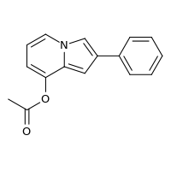 | CC(=O)OC1=CC=CN2C=C(C=C12)C1=CC=CC=C1 | 1471385 | https://www.reaxys.com/reaxys/secured/hopinto.do?context=S&query=IDE.XRN%3D1471385&database=RX&origin=ReaxysOutput&ln= | (19 of 66) | 71094-41-2 | 8-acetoxy-2-phenyl-indolizine; 8-Acetoxy-2-phenylindolizin | C16H13NO2 | C16H13NO2 | 251.285 | heterocyclic |  | GVOOKLOHXYMEAG-UHFFFAOYSA-N |  |  |  | Identification(6); Physical Data(1); Spectra(2) | 1 | 1
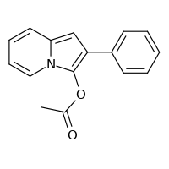 | CC(=O)OC1=C(C=C2C=CC=CN12)C1=CC=CC=C1 | 1535286 | https://www.reaxys.com/reaxys/secured/hopinto.do?context=S&query=IDE.XRN%3D1535286&database=RX&origin=ReaxysOutput&ln= | (20 of 66) | 54398-70-8 | 3-acetoxy-2-phenyl-indolizine; 2-Phenyl-3-indolizinyl-acetat; 2-Phenyl-3-indolizinylacetat | C16H13NO2 | C16H13NO2 | 251.285 | heterocyclic |  | XVDNZOKAAMNBEU-UHFFFAOYSA-N |  |  |  | Identification(7); Physical Data(1); Spectra(4) | 1 | 2
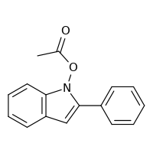 | CC(=O)ON1C2=C(C=C1C1=CC=CC=C1)C=CC=C2 | 1646883 | https://www.reaxys.com/reaxys/secured/hopinto.do?context=S&query=IDE.XRN%3D1646883&database=RX&origin=ReaxysOutput&ln= | (21 of 66) | 16616-83-4 | 1-acetoxy-2-phenyl-indole; N-Acetoxy-2-phenylindol | C16H13NO2 | C16H13NO2 | 251.285 | heterocyclic |  | ITXKWMWWUSGFPR-UHFFFAOYSA-N |  |  |  | Identification(5); Physical Data(1); Spectra(2) | 1 | 1
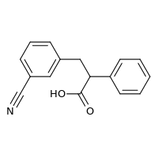 | OC(=O)C(CC1=CC(=CC=C1)C#N)C1=CC=CC=C1 | 3320894 | https://www.reaxys.com/reaxys/secured/hopinto.do?context=S&query=IDE.XRN%3D3320894&database=RX&origin=ReaxysOutput&ln= | (22 of 66) |  | (±)-3-(3-cyanophenyl)-2-phenylpropanoic acid; 3-(3-cyano-phenyl)-2-phenyl-propionic acid; 3-(3-Cyan-phenyl)-2-phenyl-propionsaeure | C16H13NO2 | C16H13NO2 | 251.285 | isocyclic |  | ZHZVDBRIUBKJPH-UHFFFAOYSA-N |  |  |  | Identification(7); Physical Data(1); Spectra(1) | 2 | 3
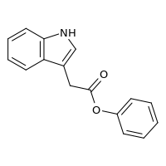 | O=C(CC1=CNC2=C1C=CC=C2)OC1=CC=CC=C1 | 5552530 | https://www.reaxys.com/reaxys/secured/hopinto.do?context=S&query=IDE.XRN%3D5552530&database=RX&origin=ReaxysOutput&ln= | (23 of 66) | 72218-90-7 | phenyl-indole-3-acetate; phenyl 2-(1H-indol-3-yl)acetate; phenyl indole-3-acetate | C16H13NO2 | C16H13NO2 | 251.285 | heterocyclic |  | FVQKYZNRXLBAOB-UHFFFAOYSA-N |  |  |  | Identification(8); Physical Data(2); Spectra(3) | 3 | 4
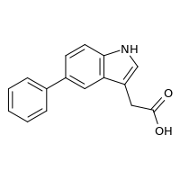 | OC(=O)CC1=CNC2=C1C=C(C=C2)C1=CC=CC=C1 | 7210392 | https://www.reaxys.com/reaxys/secured/hopinto.do?context=S&query=IDE.XRN%3D7210392&database=RX&origin=ReaxysOutput&ln= | (24 of 66) | 168649-23-8 | 5-(2-phenyl)-indole-3-acetic acid | C16H13NO2 | C16H13NO2 | 251.285 | heterocyclic |  | ACCCWYHBDGKDKN-UHFFFAOYSA-N |  |  |  | Identification(9); Physical Data(1); Spectra(3); Bioactivity(3) | 5 | 3
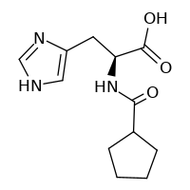 | OC(=O)[C@H](CC1=CNC=N1)NC(=O)C1CCCC1 | 8992025 | https://www.reaxys.com/reaxys/secured/hopinto.do?context=S&query=IDE.XRN%3D8992025&database=RX&origin=ReaxysOutput&ln= | (25 of 66) | 81086-38-6 |  | C12H17N3O3 | C12H17N3O3 | 251.285 | heterocyclic |  | WRXLUGBGVTWNDT-JTQLQIEISA-N |  |  |  | Identification(6); Physical Data(1); Spectra(1) | 4 | 1
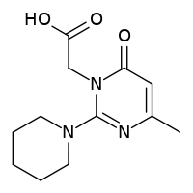 | CC1=CC(=O)N(CC(O)=O)C(=N1)N1CCCCC1 | 9207334 | https://www.reaxys.com/reaxys/secured/hopinto.do?context=S&query=IDE.XRN%3D9207334&database=RX&origin=ReaxysOutput&ln= | (26 of 66) |  |  | C12H17N3O3 | C12H17N3O3 | 251.285 | heterocyclic |  | HXPQESQBBMFSCK-UHFFFAOYSA-N |  |  |  | Identification(6); Physical Data(1); Spectra(2); Bioactivity(4) | 3 | 1
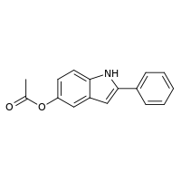 | CC(=O)OC1=CC=C2NC(=CC2=C1)C1=CC=CC=C1 | 10546517 | https://www.reaxys.com/reaxys/secured/hopinto.do?context=S&query=IDE.XRN%3D10546517&database=RX&origin=ReaxysOutput&ln= | (27 of 66) |  |  | C16H13NO2 | C16H13NO2 | 251.285 | heterocyclic |  | WSECVPZBPBMXKV-UHFFFAOYSA-N |  |  |  | Identification(6); Physical Data(2); Spectra(4) | 1 | 1
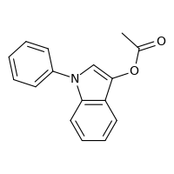 | CC(=O)OC1=CN(C2=C1C=CC=C2)C1=CC=CC=C1 | 14037539 | https://www.reaxys.com/reaxys/secured/hopinto.do?context=S&query=IDE.XRN%3D14037539&database=RX&origin=ReaxysOutput&ln= | (28 of 66) | 147372-91-6 | 1-phenyl-1H-indol-3-yl acetate; 3-acetyloxy-1-phenylindole | C16H13NO2 | C16H13NO2 | 251.285 |  |  | RUSDDKCNWDTJPN-UHFFFAOYSA-N |  |  |  | Identification(6); Spectra(7) | 4 | 3
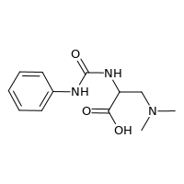 | CN(C)CC(NC(=O)NC1=CC=CC=C1)C(O)=O | 20125910 | https://www.reaxys.com/reaxys/secured/hopinto.do?context=S&query=IDE.XRN%3D20125910&database=RX&origin=ReaxysOutput&ln= | (29 of 66) | 1217491-63-8 | 3-(dimethylamino)-2-(3-phenylureido)propanoic acid | C12H17N3O3 | C12H17N3O3 | 251.285 |  |  | MJMWJYHESXUURK-UHFFFAOYSA-N |  |  |  | Identification(5); Physical Data(1); Spectra(4) | 2 | 2
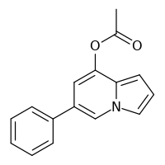 | CC(=O)OC1=CC(=CN2C=CC=C12)C1=CC=CC=C1 | 23397508 | https://www.reaxys.com/reaxys/secured/hopinto.do?context=S&query=IDE.XRN%3D23397508&database=RX&origin=ReaxysOutput&ln= | (30 of 66) | 1418760-32-3 | 6-phenylindolizin-8-yl acetate | C16H13NO2 | C16H13NO2 | 251.285 |  |  | DTUCRXVJWOLHFC-UHFFFAOYSA-N |  |  |  | Identification(6); Physical Data(1); Spectra(4) | 2 | 1
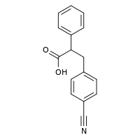 | OC(=O)C(CC1=CC=C(C=C1)C#N)C1=CC=CC=C1 | 26552460 | https://www.reaxys.com/reaxys/secured/hopinto.do?context=S&query=IDE.XRN%3D26552460&database=RX&origin=ReaxysOutput&ln= | (31 of 66) | 1266945-73-6 | (±)-3-(4-cyanophenyl)-2-phenylpropanoic acid | C16H13NO2 | C16H13NO2 | 251.285 |  |  | XIQFVPCYYROWFZ-UHFFFAOYSA-N |  |  |  | Identification(7); Spectra(1) | 1 | 1
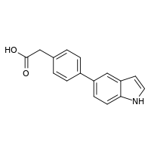 | OC(=O)CC1=CC=C(C=C1)C1=CC=C2NC=CC2=C1 | 28316592 | https://www.reaxys.com/reaxys/secured/hopinto.do?context=S&query=IDE.XRN%3D28316592&database=RX&origin=ReaxysOutput&ln= | (32 of 66) |  | 2-(4-(1H-indol-5-yl)phenyl)acetic acid | C16H13NO2 | C16H13NO2 | 251.285 |  |  | JRARVAPNPWWPIN-UHFFFAOYSA-N |  |  |  | Identification(7); Physical Data(2); Spectra(7); Bioactivity(2) | 5 | 2
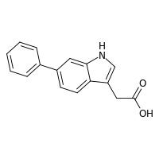 | OC(=O)CC1=CNC2=CC(=CC=C12)C1=CC=CC=C1 | 35418279 | https://www.reaxys.com/reaxys/secured/hopinto.do?context=S&query=IDE.XRN%3D35418279&database=RX&origin=ReaxysOutput&ln= | (33 of 66) |  | 2-(6-phenyl-1H-indol-3-yl)acetic acid | C16H13NO2 | C16H13NO2 | 251.285 |  |  | ROUKQEXRKAWBGR-UHFFFAOYSA-N |  |  |  | Identification(6); Physical Data(2); Spectra(4); Bioactivity(1) | 4 | 1
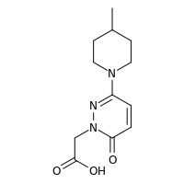 | CC1CCN(CC1)C1=NN(CC(O)=O)C(=O)C=C1 | 37668651 | https://www.reaxys.com/reaxys/secured/hopinto.do?context=S&query=IDE.XRN%3D37668651&database=RX&origin=ReaxysOutput&ln= | (34 of 66) |  | [3-(4-methylpiperidin-1-yl)-6-oxopyridazin-1(6H)-yl]acetic acid | C12H17N3O3 | C12H17N3O3 | 251.285 |  |  | QBBQCPUGFKERPJ-UHFFFAOYSA-N |  |  |  | Identification(10); Spectra(1) | 4 | 4
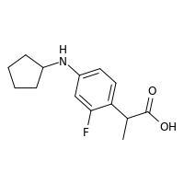 | CC(C(O)=O)C1=CC=C(NC2CCCC2)C=C1F | 22790004 | https://www.reaxys.com/reaxys/secured/hopinto.do?context=S&query=IDE.XRN%3D22790004&database=RX&origin=ReaxysOutput&ln= | (35 of 66) | 1377934-55-8 | 2-[4-(cyclopentylamino)-2-fluoro-phenyl]propionic acid; 2-[4-(cyclopentylamino)-2-fluorophenyl]propanoic acid | C14H18FNO2 | C14H18FNO2 | 251.301 |  |  | UYFUQKQAQYFPNS-UHFFFAOYSA-N |  |  |  | Identification(7); Physical Data(2); Spectra(3); Bioactivity(12) | 7 | 3
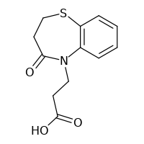 | OC(=O)CCN1C2=C(SCCC1=O)C=CC=C2 | 664145 | https://www.reaxys.com/reaxys/secured/hopinto.do?context=S&query=IDE.XRN%3D664145&database=RX&origin=ReaxysOutput&ln= | (36 of 66) | 31728-42-4 | 3-(4-oxo-2,3-dihydro-1,5-benzothiazepin-5-yl)propionic acid; 5-carboxyethyl-2,3-dihydro-5H-benzo[b][1,4]thiazepin-4-one; 3-(4-oxo-3,4-dihydro-2H-benzo[b][1,4]thiazepin-5-yl)-propionic acid; 3-(4-oxo-2,3-dihydro-[1,5]-benzothiazepin-5-yl)propionic acid; 3-(4-oxo-2,3-dihydro-1,5-benzothiazepin-5-yl)-propionic acid; 3,4-dihydro-4-oxo-1,5-benzothiazepine-5(2H)-propanoic acid | C12H13NO3S | C12H13NO3S | 251.306 | heterocyclic |  | JLFPRLJEYRVMAH-UHFFFAOYSA-N |  |  |  | Identification(8); Physical Data(3); Spectra(5) | 16 | 5
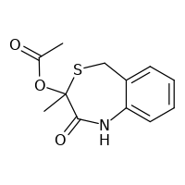 | CC(=O)OC1(C)SCC2=CC=CC=C2NC1=O | 917447 | https://www.reaxys.com/reaxys/secured/hopinto.do?context=S&query=IDE.XRN%3D917447&database=RX&origin=ReaxysOutput&ln= | (37 of 66) | 1144-97-4 | 3-acetoxy-3-methyl-1,5-dihydro-benzo[e][1,4]thiazepin-2-one; DL-3-Acetoxy-3-methyl-3,5-dihydro-1H-4.1-benzothiazepinon-(2) | C12H13NO3S | C12H13NO3S | 251.306 | heterocyclic |  | JFBFMJVKKODXAB-UHFFFAOYSA-N |  |  |  | Identification(6); Physical Data(2); Spectra(3) | 1 | 4
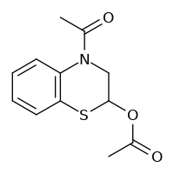 | CC(=O)OC1CN(C(C)=O)C2=C(S1)C=CC=C2 | 1124138 | https://www.reaxys.com/reaxys/secured/hopinto.do?context=S&query=IDE.XRN%3D1124138&database=RX&origin=ReaxysOutput&ln= | (38 of 66) | 72889-28-2 | 2-acetoxy-4-acetyl-3,4-dihydro-2H-benzo[1,4]thiazine; 2-Acetoxy-4-acetyl-2,3-dihydro-4H-1,4-benzothiazin | C12H13NO3S | C12H13NO3S | 251.306 | heterocyclic |  | PDZZMMDTDXLENY-UHFFFAOYSA-N |  |  |  | Identification(6); Physical Data(1); Spectra(2) | 1 | 1
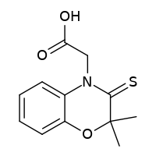 | CC1(C)OC2=CC=CC=C2N(CC(O)=O)C1=S | 3613761 | https://www.reaxys.com/reaxys/secured/hopinto.do?context=S&query=IDE.XRN%3D3613761&database=RX&origin=ReaxysOutput&ln= | (39 of 66) | 129339-16-8 | (2,2-dimethyl-3-thioxo-2,3-dihydrobenzo[1,4]oxazin-4-yl)acetic acid | C12H13NO3S | C12H13NO3S | 251.306 | heterocyclic |  | KKONQFIEEHITRA-UHFFFAOYSA-N |  |  |  | Identification(7); Physical Data(2); Spectra(1); Bioactivity(3) | 2 | 2
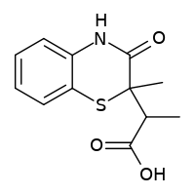 | CC(C(O)=O)C1(C)SC2=CC=CC=C2NC1=O | 4465518 | https://www.reaxys.com/reaxys/secured/hopinto.do?context=S&query=IDE.XRN%3D4465518&database=RX&origin=ReaxysOutput&ln= | (40 of 66) | 119887-86-4 |  | C12H13NO3S | C12H13NO3S | 251.306 | heterocyclic |  | YTIUVJGRJDORER-UHFFFAOYSA-N |  |  |  | Identification(7); Physical Data(2); Spectra(4) | 1 | 2
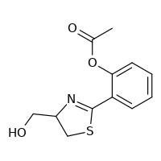 | CC(=O)OC1=CC=CC=C1C1=NC(CO)CS1 | 6513166 | https://www.reaxys.com/reaxys/secured/hopinto.do?context=S&query=IDE.XRN%3D6513166&database=RX&origin=ReaxysOutput&ln= | (41 of 66) |  | O-acetylaerugine | C12H13NO3S | C12H13NO3S | 251.306 | heterocyclic |  | WDLPTTDFAGNNOM-UHFFFAOYSA-N |  |  |  | Identification(6); Physical Data(1); Spectra(4) | 1 | 1
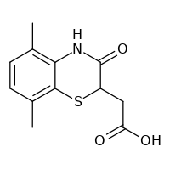 | CC1=C2NC(=O)C(CC(O)=O)SC2=C(C)C=C1 | 7136737 | https://www.reaxys.com/reaxys/secured/hopinto.do?context=S&query=IDE.XRN%3D7136737&database=RX&origin=ReaxysOutput&ln= | (42 of 66) |  |  | C12H13NO3S | C12H13NO3S | 251.306 | heterocyclic |  | OOYPMNUVQWMGAZ-UHFFFAOYSA-N |  |  |  | Identification(6); Physical Data(1); Spectra(1) | 1 | 1
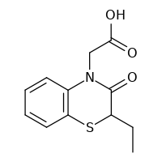 | CCC1SC2=C(C=CC=C2)N(CC(O)=O)C1=O | 7211830 | https://www.reaxys.com/reaxys/secured/hopinto.do?context=S&query=IDE.XRN%3D7211830&database=RX&origin=ReaxysOutput&ln= | (43 of 66) |  |  | C12H13NO3S | C12H13NO3S | 251.306 | heterocyclic |  | QYRNRXOBXBREGO-UHFFFAOYSA-N |  |  |  | Identification(6); Physical Data(1); Spectra(2); Bioactivity(2) | 1 | 1
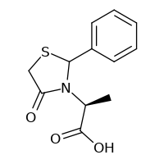 | C[C@H](N1C(SCC1=O)C1=CC=CC=C1)C(O)=O | 7430049 | https://www.reaxys.com/reaxys/secured/hopinto.do?context=S&query=IDE.XRN%3D7430049&database=RX&origin=ReaxysOutput&ln= | (44 of 66) |  | (2S) 2-(2-Phenyl-4-oxothiazolidin-3-yl)propanoic acid | C12H13NO3S | C12H13NO3S | 251.306 | heterocyclic |  | OOTUAMSJVJVXQQ-YMNIQAILSA-N |  |  |  | Identification(6); Physical Data(1); Spectra(5); Bioactivity(4) | 2 | 2
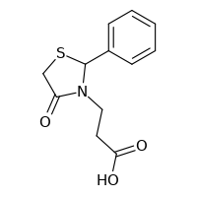 | OC(=O)CCN1C(SCC1=O)C1=CC=CC=C1 | 7431852 | https://www.reaxys.com/reaxys/secured/hopinto.do?context=S&query=IDE.XRN%3D7431852&database=RX&origin=ReaxysOutput&ln= | (45 of 66) |  | 3-(2-Phenyl-4-oxothiazolidin-3-yl)propanoic acid | C12H13NO3S | C12H13NO3S | 251.306 | heterocyclic |  | KCTKGJFQXPEFAY-UHFFFAOYSA-N |  |  |  | Identification(7); Physical Data(3); Spectra(7) | 6 | 2
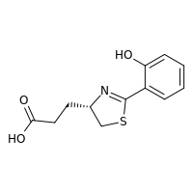 | OC(=O)CC[C@H]1CSC(=N1)C1=CC=CC=C1O | 8210969 | https://www.reaxys.com/reaxys/secured/hopinto.do?context=S&query=IDE.XRN%3D8210969&database=RX&origin=ReaxysOutput&ln= | (46 of 66) |  |  | C12H13NO3S | C12H13NO3S | 251.306 | heterocyclic |  | MJQQTANRQAKZEZ-QMMMGPOBSA-N |  |  |  | Identification(6); Physical Data(2); Spectra(1); Bioactivity(2) | 4 | 1
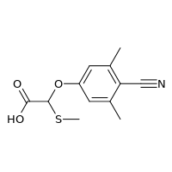 | CSC(OC1=CC(C)=C(C#N)C(C)=C1)C(O)=O | 14559787 | https://www.reaxys.com/reaxys/secured/hopinto.do?context=S&query=IDE.XRN%3D14559787&database=RX&origin=ReaxysOutput&ln= | (47 of 66) | 889660-58-6 | 2-methylthio-2-(4-cyano-3,5-dimethylphenoxy)acetic acid | C12H13NO3S | C12H13NO3S | 251.306 |  |  | LBVJQRPQYYWNDD-UHFFFAOYSA-N |  |  |  | Identification(5); Physical Data(1); Spectra(1) | 1 | 1
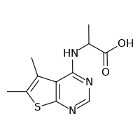 | CC(NC1=NC=NC2=C1C(C)=C(C)S2)C(O)=O | 20162513 | https://www.reaxys.com/reaxys/secured/hopinto.do?context=S&query=IDE.XRN%3D20162513&database=RX&origin=ReaxysOutput&ln= | (48 of 66) |  | 2-(5,6-dimethylthieno[2,3-d]pyrimidin-4-ylamino)propionic acid | C11H13N3O2S | C11H13N3O2S | 251.309 |  |  | LNPUNNQQEDZGFY-UHFFFAOYSA-N |  |  |  | Identification(5); Physical Data(1); Spectra(2); Bioactivity(3) | 2 | 1
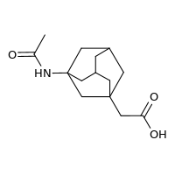 | CC(=O)NC12CC3CC(CC(CC(O)=O)(C3)C1)C2 | 4466840 | https://www.reaxys.com/reaxys/secured/hopinto.do?context=S&query=IDE.XRN%3D4466840&database=RX&origin=ReaxysOutput&ln= | (49 of 66) | 75667-93-5 | 3-acetamido-1-(carboxymethyl)adamantane; 1-(acetylamino)-3-adamantylacetic acid; [3-(acetamido)-1-adamantyl]acetic acid | C14H21NO3 | C14H21NO3 | 251.326 | isocyclic |  | WGQQQEFRSGVMSR-UHFFFAOYSA-N |  |  |  | Identification(7); Physical Data(2); Spectra(5) | 9 | 3
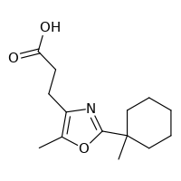 | CC1=C(CCC(O)=O)N=C(O1)C1(C)CCCCC1 | 5553253 | https://www.reaxys.com/reaxys/secured/hopinto.do?context=S&query=IDE.XRN%3D5553253&database=RX&origin=ReaxysOutput&ln= | (50 of 66) | 107368-12-7 | 5-methyl-2-(1-methylcyclohexyl)-4-oxazolepropionic acid | C14H21NO3 | C14H21NO3 | 251.326 | heterocyclic |  | RTRUSSQUWPBGBB-UHFFFAOYSA-N |  |  |  | Identification(6); Physical Data(1); Spectra(1); Bioactivity(2) | 7 | 1
 | CC(=O)NC12CC3CC(C1)CC(C3)(C2)OC(C)=O | 5554058 | https://www.reaxys.com/reaxys/secured/hopinto.do?context=S&query=IDE.XRN%3D5554058&database=RX&origin=ReaxysOutput&ln= | (51 of 66) | 103675-19-0 | 3-acetamido-1-adamantyl acetate | C14H21NO3 | C14H21NO3 | 251.326 | isocyclic |  | GTJJZUJGOSKXBL-UHFFFAOYSA-N |  |  |  | Identification(6); Physical Data(1); Spectra(2) | 2 | 1
 | [H]C(C)(NC(=O)C12CC3CC(CC(C3)C1)C2)C(O)=O | 8495099 | https://www.reaxys.com/reaxys/secured/hopinto.do?context=S&query=IDE.XRN%3D8495099&database=RX&origin=ReaxysOutput&ln= | (52 of 66) |  | N-(1-adamantylcarbonyl)-D,L-alpha-alanine | C14H21NO3 | C14H21NO3 | 251.326 | isocyclic |  | XJILXAHMXXGCHL-UHFFFAOYSA-N |  |  |  | Identification(6); Physical Data(1); Spectra(2) | 1 | 1
 | CN(C)CCN(CCC(O)=O)CC1=CC=CC=N1 | 9398446 | https://www.reaxys.com/reaxys/secured/hopinto.do?context=S&query=IDE.XRN%3D9398446&database=RX&origin=ReaxysOutput&ln= | (53 of 66) | 514223-72-4 |  | C13H21N3O2 | C13H21N3O2 | 251.329 | heterocyclic |  | KBMATHBFFDXJJT-UHFFFAOYSA-N |  |  |  | Identification(6); Spectra(3) | 5 | 1
 | [H][C@@](CSC)(NC(=O)C(C)(C)SC)C(O)=O | 5525487 | https://www.reaxys.com/reaxys/secured/hopinto.do?context=S&query=IDE.XRN%3D5525487&database=RX&origin=ReaxysOutput&ln= | (54 of 66) | 74407-28-6 | 2-methylmercapto-isobutyroyl-l-S-methylcysteine; S-methyl-N-[2-methyl-2-(methylthio)propanoyl]-L-cysteine | C9H17NO3S2 | C9H17NO3S2 | 251.371 | acyclic |  | PJAGTRYFTSKLOI-LURJTMIESA-N |  |  |  | Identification(8); Physical Data(2); Spectra(3); Bioactivity(4) | 2 | 5
 | OC(=O)\C=C\C1=C(Cl)C=C(Cl)C(Cl)=C1 | 3284537 | https://www.reaxys.com/reaxys/secured/hopinto.do?context=S&query=IDE.XRN%3D3284537&database=RX&origin=ReaxysOutput&ln= | (55 of 66) | 32609-05-5 | 2,4,5-trichloro-cinnamic acid; beta-(2.4.5-Trichlor-phenyl)-acrylsaeure; 2,4,5-Trichlor-zimtsaeure | C9H5Cl3O2 | C9H5Cl3O2 | 251.496 | isocyclic |  | JBFRKEOQJVZICK-OWOJBTEDSA-N |  |  |  | Identification(6); Physical Data(4); Spectra(2) | 14 | 2
 | OC(=O)C(=C(Cl)Cl)C1=CC=C(Cl)C=C1 | 11569770 | https://www.reaxys.com/reaxys/secured/hopinto.do?context=S&query=IDE.XRN%3D11569770&database=RX&origin=ReaxysOutput&ln= | (56 of 66) |  | 3,3-dichloro-2-(4-Chlorophenyl)acrylic Acid; 2-(chlorophenyl)-3,3-dichloroacrylic acid | C9H5Cl3O2 | C9H5Cl3O2 | 251.496 |  |  | VENGXMIQYSHOTO-UHFFFAOYSA-N |  |  |  | Identification(7); Spectra(1) | 3 | 4
 | OC(=O)C=CC1=C(Cl)C=C(Cl)C=C1Cl | 20800593 | https://www.reaxys.com/reaxys/secured/hopinto.do?context=S&query=IDE.XRN%3D20800593&database=RX&origin=ReaxysOutput&ln= | (57 of 66) | 1262014-81-2 | 3-(2,4,6-trichlorophenyl)acrylic acid | C9H5Cl3O2 | C9H5Cl3O2 | 251.496 |  |  | WYWPHTYDTACEPL-UHFFFAOYSA-N |  |  |  | Identification(6); Physical Data(1); Spectra(1) | 4 | 2
 | CC(=O)OC1=CN(C(C)=O)C2=CC=C(Cl)C=C12 | 23612 | https://www.reaxys.com/reaxys/secured/hopinto.do?context=S&query=IDE.XRN%3D23612&database=RX&origin=ReaxysOutput&ln= | (58 of 66) | 108761-32-6 | 1-acetyl-5-chloro-1H-indol-3-yl acetate; 3-acetoxy-1-acetyl-5-chloro-indole; 3-Acetoxy-1-acetyl-5-chlor-indol; 1-acetyl-5-chloro-3-acetoxyindole; 5-Chlor-3-acetoxy-1-acetyl-indol | C12H10ClNO3 | C12H10ClNO3 | 251.669 | heterocyclic |  | YRPCMEPOCVDFNU-UHFFFAOYSA-N |  |  |  | Identification(10); Physical Data(3); Spectra(9) | 31 | 15
 | CC(=O)OC1=CN(C(C)=O)C2=CC(Cl)=CC=C12 | 217456 | https://www.reaxys.com/reaxys/secured/hopinto.do?context=S&query=IDE.XRN%3D217456&database=RX&origin=ReaxysOutput&ln= | (59 of 66) | 108761-33-7 | 6-chloro-3-acetoxy-1-acetylindole; 6-chloro-O,N-acetylindoxyl; 3-acetoxy-1-acetyl-6-chloro-indole; 3-Acetoxy-1-acetyl-6-chlor-indol; 1-acetyl-6-chloro-1H-indol-3-yl acetate; 6-chloroindoxyl-1,3-diacetate; 6-Chlor-3-acetoxy-1-acetyl-indol | C12H10ClNO3 | C12H10ClNO3 | 251.669 | heterocyclic |  | XOHGAYIKCAZFFX-UHFFFAOYSA-N |  |  |  | Identification(9); Physical Data(2); Spectra(6) | 24 | 14
 | CC(=O)OC1=C(C(C)=O)C2=C(N1)C(Cl)=CC=C2 | 21136076 | https://www.reaxys.com/reaxys/secured/hopinto.do?context=S&query=IDE.XRN%3D21136076&database=RX&origin=ReaxysOutput&ln= | (60 of 66) | 1268630-27-8 | 3-acetyl-7-chloro-1H-indol-2-yl acetate | C12H10ClNO3 | C12H10ClNO3 | 251.669 |  |  | SQLULXHURWVEQS-UHFFFAOYSA-N |  |  |  | Identification(5); Physical Data(1); Spectra(4) | 2 | 1
 | OC(=O)CCC1=CC(=NO1)C1=CC=C(Cl)C=C1 | 23271440 | https://www.reaxys.com/reaxys/secured/hopinto.do?context=S&query=IDE.XRN%3D23271440&database=RX&origin=ReaxysOutput&ln= | (61 of 66) | 1422283-23-5 |  | C12H10ClNO3 | C12H10ClNO3 | 251.669 |  |  | IPWYDJUPQCFKIO-UHFFFAOYSA-N |  |  |  | Identification(7); Physical Data(3); Spectra(3); Bioactivity(2) | 5 | 2
 | CC1=C(CC(O)=O)C(=O)C2=CC(Cl)=CC=C2N1 | 23368551 | https://www.reaxys.com/reaxys/secured/hopinto.do?context=S&query=IDE.XRN%3D23368551&database=RX&origin=ReaxysOutput&ln= | (62 of 66) | 1267085-07-3 | 6-Chloro-2-methyl-4-quinolone-3-acetic acid | C12H10ClNO3 | C12H10ClNO3 | 251.669 |  |  | PBXRIQKUGVVSER-UHFFFAOYSA-N |  |  |  | Identification(6); Physical Data(1); Spectra(4); Bioactivity(7) | 3 | 1
 | OC(=O)CCC1=CC(=O)NC2=C1C=C(Cl)C=C2 | 28019652 | https://www.reaxys.com/reaxys/secured/hopinto.do?context=S&query=IDE.XRN%3D28019652&database=RX&origin=ReaxysOutput&ln= | (63 of 66) |  | 3-(6-chloro-2-oxo-1,2-dihydroquinolin-4-yl)propanoic acid | C12H10ClNO3 | C12H10ClNO3 | 251.669 |  |  | LIYCFXNJOORZRO-UHFFFAOYSA-N |  |  |  | Identification(6); Physical Data(1); Spectra(1) | 6 | 1
 | CC1=C(CC(O)=O)N=NN1C1=CC=C(Cl)C=C1 | 19401813 | https://www.reaxys.com/reaxys/secured/hopinto.do?context=S&query=IDE.XRN%3D19401813&database=RX&origin=ReaxysOutput&ln= | (64 of 66) | 1017456-73-3 | [5-methyl-1-(4-chlorophenyl)-1H-1,2,3-triazol-4-yl]acetic acid | C11H10ClN3O2 | C11H10ClN3O2 | 251.672 |  |  | ANWDQIYPFZQLEY-UHFFFAOYSA-N |  |  |  | Identification(5); Physical Data(1); Spectra(1) | 1 | 1
 | CC(C(O)=O)C1=CC=C(N2CC=CC2)C(Cl)=C1 | 1686438 | https://www.reaxys.com/reaxys/secured/hopinto.do?context=S&query=IDE.XRN%3D1686438&database=RX&origin=ReaxysOutput&ln= | (65 of 66) | 31793-07-4 | pirprofen; PIRPROFEN; dl-pirprofen; pirprofene; Rengasil; 2-[3-chloro-4-(2,5-dihydro-pyrrol-1-yl)-phenyl]-propionic acid; 3-chloro-4-(2,5-dihydro-1H-pyrrol-1-yl)-alpha-methylbenzeneacetic acid | C13H14ClNO2 | C13H14ClNO2 | 251.713 | heterocyclic |  | PIDSZXPFGCURGN-UHFFFAOYSA-N |  |  |  | Identification(76); Physical Data(8); Spectra(4); Bioactivity(22) | 8 | 107
 | CC1=C(C)C2=CC(Cl)=CC=C2N1CCC(O)=O | 5954475 | https://www.reaxys.com/reaxys/secured/hopinto.do?context=S&query=IDE.XRN%3D5954475&database=RX&origin=ReaxysOutput&ln= | (66 of 66) | 84055-13-0 |  | C13H14ClNO2 | C13H14ClNO2 | 251.713 | heterocyclic |  | YUZKSZKTMTZICU-UHFFFAOYSA-N |  |  |  | Identification(6); Physical Data(1); Spectra(4) | 4 | 1
Disclaimer: please refer to our Terms and Conditions on authorized use of Reaxys data.
Copyright © 2022 Elsevier Life Sciences IP Limited except certain content provided by third parties. Reaxys is a trademark of Elsevier Life Sciences IP Limited.

