rev_by_seg.
2018 Revenue Distribution by Business Segment

 |  |  |  |  |  | Media Networks | 41%
 |  |  |  |  |  | Parks & Resorts | 34%
 |  |  |  |  |  | Studio Entertainment | 17%
 |  |  |  |  |  | Consumer Products & Interactive Media | 8%

Hex Code | #8F3985 | #C490D1 | #ACACDE | #ABDAFC | #E5FCFF
R | 143 | 196 | 172 | 171 | 229
G | 57 | 144 | 172 | 218 | 252
B | 133 | 209 | 222 | 252 | 255

seg. growth
 |  |  |  |  |  |  |  | % Growth
 |  |  |  |  |  | FY 2013 (not displayed) | $45,041.00
 |  |  |  |  |  | FY 2014 | $48,813.00 | 8%
 |  |  |  |  |  | FY 2015 | $52,465.00 | 7%
 |  |  |  |  |  | FY 2016 | $55,632.00 | 6%
Average growth rate of 9%
 |  |  |  |  |  | FY 2017 | $55,137.00 | -1%
 |  |  |  |  |  | FY 2018 | $59,434.00 | 8%
 |  |  |  |  |  | EST 2019 | $70,096.60 | 18%
 |  |  |  |  |  | EST 2020 | $83,033.70 | 18%
 |  |  |  |  |  |  |  | 9% | avg %growth

Hex Code | #8F3985 | #C490D1 | #ACACDE | #ABDAFC | #E5FCFF
R | 143 | 196 | 172 | 171 | 229
G | 57 | 144 | 172 | 218 | 252
B | 133 | 209 | 222 | 252 | 255

rec. summary_analystconensus
Price on Valuation Date | $135.75
12 Month Target Price | $154
Dividend Yield | 1.3%
Implied Total Return | 14.77%

Analyst Consensus

 |  | J.P. Morgan | $150.00
 |  | Goldman Sachs | $148.00
 |  | Credit Suisse | $150.21
 |  | Evercore | $155.00
 |  | Morgan Stanley | $160.00
 |  | BMO | $170.00
 |  | Barclays | $150.00
 |  | TCF | $154.00
 |  | Average | $154.65

copyright chart
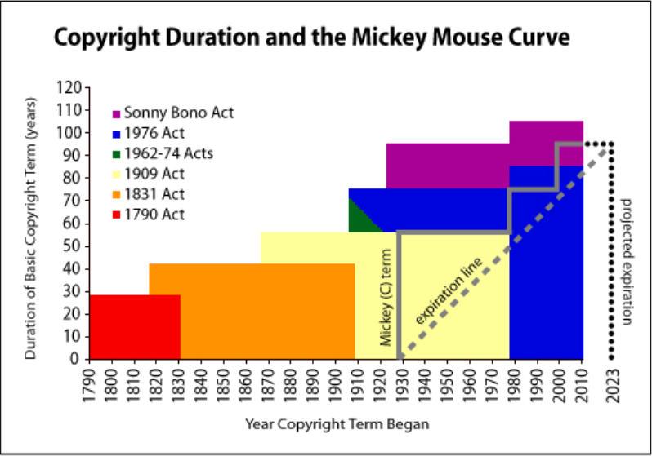

1790 Act | 1790
1831 Act
1909 Act
1962-74 Acts
1976 Act
Sonny Bono Act

Mickey start term
Expiration line

BOXOFFICE
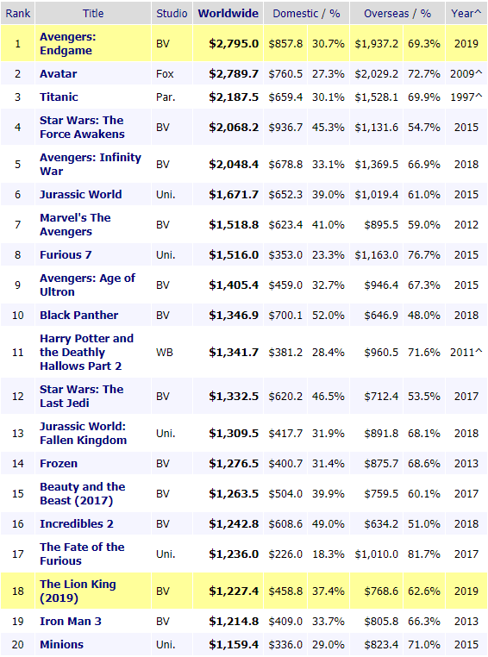
Rank | Movie Title | Worldwide ($ millions)
1 | Avengers: Endgame | $2,795
2 | Avatar | $2,789.70
3 | Titanic* | $2,187.50
4 | Star Wars: The Force Awakens | $2,068.20
5 | Avengers: Infinity War | $2,048.40
6 | Jurassic World | $1,671.70
7 | The Avengers | $1,518.80
8 | Furious 7 | $1,516
9 | Avengers: Age of Ultron | $1,405.40
10 | Black Panther | $1,346.90

pricevolume
Date | Price | Volume |  | Volume
2019-08-12 | $136.42 | 4721033 | 1000000 | 4.721033
2019-08-09 | $138.52 | 8811869 |  | 8.811869
2019-08-08 | $137.89 | 14054760 |  | 14.05476
Price vs. Volume
 | Price | Volume
2019-08-12 | $136.42 | 4.721033
2019-08-09 | $138.52 | 8.811869
2019-08-08 | $137.89 | 14.05476
2019-08-07 | $134.86 | 29.08449
2019-08-06 | $141.87 | 18.81888
2019-08-05 | $138.30 | 10.66968
2019-08-02 | $141.71 | 6.53905
2019-08-01 | $141.85 | 8.911657
2019-07-31 | $143.01 | 9.710669
2019-07-30 | $144.93 | 6.563058
2019-07-29 | $146.39 | 11.67411
2019-07-26 | $144.65 | 8.139402
2019-07-25 | $143.21 | 7.294375
2019-07-24 | $141.29 | 5.89661
2019-07-23 | $141.26 | 7.514525
2019-07-22 | $140.84 | 7.707699
2019-07-19 | $139.85 | 6.109874
2019-07-18 | $141.63 | 8.035481
2019-07-17 | $142.57 | 5.296353
2019-07-16 | $144.30 | 5.854707
2019-07-15 | $145.06 | 5.289248
2019-07-12 | $144.88 | 8.51002
2019-07-11 | $143.56 | 10.47113
2019-07-10 | $143.54 | 9.533663
2019-07-09 | $141.61 | 7.396283
2019-07-08 | $141.02 | 4.993865
2019-07-05 | $142.45 | 5.595988
2019-07-03 | $142.98 | 4.150852
2019-07-02 | $142.53 | 7.557314
2019-07-01 | $141.65 | 8.996454
2019-06-28 | $139.64 | 20.0788
2019-06-27 | $139.30 | 6.466261
2019-06-26 | $140.40 | 8.842136
2019-06-25 | $139.94 | 14.67536
2019-06-24 | $139.22 | 10.49742
2019-06-21 | $140.23 | 14.15004
2019-06-20 | $142.02 | 8.485793
2019-06-19 | $140.92 | 6.877141
2019-06-18 | $139.24 | 11.23141
2019-06-17 | $140.97 | 8.542717
2019-06-14 | $141.65 | 11.1252
2019-06-13 | $141.74 | 17.93954
2019-06-12 | $135.72 | 5.536986
2019-06-11 | $135.08 | 6.352215
2019-06-10 | $137.07 | 8.479526
2019-06-07 | $138.04 | 7.026269
2019-06-06 | $137.21 | 6.027316
2019-06-05 | $135.94 | 6.842759
2019-06-04 | $134.82 | 8.247513
2019-06-03 | $132.47 | 7.901387
...
2019-08-07 | $134.86 | 29084490 |  | 29.08449
2019-08-06 | $141.87 | 18818880 |  | 18.81888
2019-08-05 | $138.30 | 10669680 |  | 10.66968
2019-08-02 | $141.71 | 6539050 |  | 6.53905
2019-08-01 | $141.85 | 8911657 |  | 8.911657
2019-07-31 | $143.01 | 9710669 |  | 9.710669
2019-07-30 | $144.93 | 6563058 |  | 6.563058
2019-07-29 | $146.39 | 11674110 |  | 11.67411
2019-07-26 | $144.65 | 8139402 |  | 8.139402
2019-07-25 | $143.21 | 7294375 |  | 7.294375
2019-07-24 | $141.29 | 5896610 |  | 5.89661
2019-07-23 | $141.26 | 7514525 |  | 7.514525
2019-07-22 | $140.84 | 7707699 |  | 7.707699
2019-07-19 | $139.85 | 6109874 |  | 6.109874
2019-07-18 | $141.63 | 8035481 |  | 8.035481
2019-07-17 | $142.57 | 5296353 |  | 5.296353
2019-07-16 | $144.30 | 5854707 |  | 5.854707
2019-07-15 | $145.06 | 5289248 |  | 5.289248
2019-07-12 | $144.88 | 8510020 |  | 8.51002
2019-07-11 | $143.56 | 10471130 |  | 10.47113
2019-07-10 | $143.54 | 9533663 |  | 9.533663
2019-07-09 | $141.61 | 7396283 |  | 7.396283
2019-07-08 | $141.02 | 4993865 |  | 4.993865
2019-07-05 | $142.45 | 5595988 |  | 5.595988
2019-07-03 | $142.98 | 4150852 |  | 4.150852
2019-07-02 | $142.53 | 7557314 |  | 7.557314
2019-07-01 | $141.65 | 8996454 |  | 8.996454
2019-06-28 | $139.64 | 20078800 |  | 20.0788
2019-06-27 | $139.30 | 6466261 |  | 6.466261
2019-06-26 | $140.40 | 8842136 |  | 8.842136
2019-06-25 | $139.94 | 14675360 |  | 14.67536
2019-06-24 | $139.22 | 10497420 |  | 10.49742
2019-06-21 | $140.23 | 14150040 |  | 14.15004
2019-06-20 | $142.02 | 8485793 |  | 8.485793
2019-06-19 | $140.92 | 6877141 |  | 6.877141
2019-06-18 | $139.24 | 11231410 |  | 11.23141
2019-06-17 | $140.97 | 8542717 |  | 8.542717
2019-06-14 | $141.65 | 11125200 |  | 11.1252
2019-06-13 | $141.74 | 17939540 |  | 17.93954
2019-06-12 | $135.72 | 5536986 |  | 5.536986
2019-06-11 | $135.08 | 6352215 |  | 6.352215
2019-06-10 | $137.07 | 8479526 |  | 8.479526
2019-06-07 | $138.04 | 7026269 |  | 7.026269
2019-06-06 | $137.21 | 6027316 |  | 6.027316
2019-06-05 | $135.94 | 6842759 |  | 6.842759
2019-06-04 | $134.82 | 8247513 |  | 8.247513
2019-06-03 | $132.47 | 7901387 |  | 7.901387
2019-05-31 | $132.04 | 7420899 |  | 7.420899
2019-05-30 | $132.20 | 5273987 |  | 5.273987
2019-05-29 | $131.57 | 7749591 |  | 7.749591
2019-05-28 | $132.62 | 8938370 |  | 8.93837
2019-05-24 | $132.79 | 4570132 |  | 4.570132
2019-05-23 | $132.73 | 6743329 |  | 6.743329
2019-05-22 | $133.85 | 5093746 |  | 5.093746
2019-05-21 | $134.09 | 7050294 |  | 7.050294
2019-05-20 | $133.91 | 8009000 |  | 8.009
2019-05-17 | $135.04 | 8964178 |  | 8.964178
2019-05-16 | $135.50 | 9689397 |  | 9.689397
2019-05-15 | $134.68 | 9734068 |  | 9.734068
2019-05-14 | $133.20 | 12001740 |  | 12.00174
2019-05-13 | $131.34 | 11389900 |  | 11.3899
2019-05-10 | $134.04 | 9858487 |  | 9.858487
2019-05-09 | $133.59 | 15297050 |  | 15.29705
2019-05-08 | $134.99 | 15423530 |  | 15.42353
2019-05-07 | $133.44 | 10972650 |  | 10.97265
2019-05-06 | $135.00 | 9955629 |  | 9.955629
2019-05-03 | $134.33 | 8874413 |  | 8.874413
2019-05-02 | $134.14 | 16580400 |  | 16.5804
2019-05-01 | $136.38 | 8906731 |  | 8.906731
2019-04-30 | $136.97 | 15253090 |  | 15.25309
2019-04-29 | $139.30 | 25746100 |  | 25.7461
2019-04-26 | $139.92 | 14167590 |  | 14.16759
2019-04-25 | $137.24 | 16382460 |  | 16.38246
2019-04-24 | $135.10 | 11449460 |  | 11.44946
2019-04-23 | $133.36 | 12159330 |  | 12.15933
2019-04-22 | $131.68 | 10197510 |  | 10.19751
2019-04-18 | $132.45 | 11890580 |  | 11.89058
2019-04-17 | $131.75 | 14253720 |  | 14.25372
2019-04-16 | $129.90 | 14564320 |  | 14.56432
2019-04-15 | $132.04 | 32773740 |  | 32.77374
2019-04-12 | $130.06 | 65253500 |  | 65.2535
2019-04-11 | $116.60 | 12784470 |  | 12.78447
2019-04-10 | $117.16 | 14091060 |  | 14.09106
2019-04-09 | $116.86 | 17340290 |  | 17.34029
2019-04-08 | $114.96 | 11054220 |  | 11.05422
2019-04-05 | $115.00 | 10907890 |  | 10.90789
2019-04-04 | $114.75 | 14378360 |  | 14.37836
2019-04-03 | $112.52 | 10534890 |  | 10.53489
2019-04-02 | $111.96 | 9231765 |  | 9.231765
2019-04-01 | $112.51 | 10785060 |  | 10.78506
2019-03-29 | $111.03 | 16358760 |  | 16.35876
2019-03-28 | $110.71 | 11748860 |  | 11.74886
2019-03-27 | $110.28 | 10794850 |  | 10.79485
2019-03-26 | $110.14 | 16693080 |  | 16.69308
2019-03-25 | $107.79 | 18187510 |  | 18.18751
2019-03-22 | $108.23 | 24133840 |  | 24.13384
2019-03-21 | $108.66 | 27438930 |  | 27.43893
2019-03-20 | $109.99 | 35588740 |  | 35.58874
2019-03-19 | $110.00 | 45384390 |  | 45.38439
2019-03-18 | $113.12 | 21769820 |  | 21.76982
2019-03-15 | $114.96 | 14932670 |  | 14.93267
2019-03-14 | $114.48 | 17409650 |  | 17.40965
2019-03-13 | $114.09 | 17994530 |  | 17.99453
2019-03-12 | $114.73 | 9920395 |  | 9.920395
2019-03-11 | $114.75 | 6952702 |  | 6.952702
2019-03-08 | $113.81 | 6549140 |  | 6.54914
2019-03-07 | $114.01 | 6324026 |  | 6.324026
2019-03-06 | $114.85 | 7352761 |  | 7.352761
2019-03-05 | $114.00 | 5225121 |  | 5.225121
2019-03-04 | $114.33 | 6014966 |  | 6.014966
2019-03-01 | $114.01 | 6996911 |  | 6.996911
2019-02-28 | $112.84 | 6716706 |  | 6.716706
2019-02-27 | $112.78 | 7249546 |  | 7.249546
2019-02-26 | $113.50 | 8955976 |  | 8.955976
2019-02-25 | $113.59 | 9327690 |  | 9.32769
2019-02-22 | $115.25 | 8735066 |  | 8.735066
2019-02-21 | $114.29 | 9480098 |  | 9.480098
2019-02-20 | $113.68 | 7081458 |  | 7.081458
2019-02-19 | $113.51 | 8169630 |  | 8.16963
2019-02-15 | $112.59 | 8197250 |  | 8.19725
2019-02-14 | $110.66 | 6324746 |  | 6.324746
2019-02-13 | $110.20 | 6919706 |  | 6.919706
2019-02-12 | $109.20 | 7610200 |  | 7.6102
2019-02-11 | $109.44 | 11086390 |  | 11.08639
2019-02-08 | $111.51 | 6395482 |  | 6.395482
2019-02-07 | $110.95 | 8658117 |  | 8.658117
2019-02-06 | $111.41 | 14229040 |  | 14.22904
2019-02-05 | $112.66 | 13619790 |  | 13.61979
2019-02-04 | $111.80 | 7037006 |  | 7.037006
2019-02-01 | $111.30 | 6557666 |  | 6.557666
2019-01-31 | $111.52 | 8351629 |  | 8.351629
2019-01-30 | $110.13 | 7853849 |  | 7.853849
2019-01-29 | $110.90 | 5253724 |  | 5.253724
2019-01-28 | $110.81 | 6178777 |  | 6.178777
2019-01-25 | $111.09 | 5710812 |  | 5.710812
2019-01-24 | $110.55 | 6716751 |  | 6.716751
2019-01-23 | $111.12 | 6845560 |  | 6.84556
2019-01-22 | $110.60 | 6986669 |  | 6.986669
2019-01-18 | $111.04 | 8554673 |  | 8.554673
2019-01-17 | $111.01 | 6392033 |  | 6.392033
2019-01-16 | $110.91 | 5899937 |  | 5.899937
2019-01-15 | $111.76 | 9800910 |  | 9.80091
2019-01-14 | $112.42 | 6980978 |  | 6.980978
2019-01-11 | $112.65 | 4819131 |  | 4.819131
2019-01-10 | $112.80 | 6160065 |  | 6.160065
2019-01-09 | $112.67 | 5931922 |  | 5.931922
2019-01-08 | $111.42 | 8730674 |  | 8.730674
2019-01-07 | $110.56 | 6714654 |  | 6.714654
2019-01-04 | $109.61 | 10122770 |  | 10.12277
2019-01-03 | $106.33 | 10594690 |  | 10.59469
2019-01-02 | $108.97 | 9723461 |  | 9.723461
2018-12-31 | $109.65 | 7241715 |  | 7.241715
2018-12-28 | $107.30 | 7620457 |  | 7.620457
2018-12-27 | $106.52 | 8201369 |  | 8.201369
2018-12-26 | $105.83 | 9422844 |  | 9.422844
2018-12-24 | $100.35 | 7132955 |  | 7.132955
2018-12-21 | $104.22 | 15530620 |  | 15.53062
2018-12-20 | $107.00 | 9387252 |  | 9.387252
2018-12-19 | $109.22 | 9416918 |  | 9.416918
2018-12-18 | $109.45 | 6682315 |  | 6.682315
2018-12-17 | $110.62 | 7731768 |  | 7.731768
2018-12-14 | $112.20 | 7602301 |  | 7.602301
2018-12-13 | $113.39 | 6661534 |  | 6.661534
2018-12-12 | $112.21 | 7723872 |  | 7.723872
2018-12-11 | $111.97 | 6861759 |  | 6.861759
2018-12-10 | $111.86 | 7337457 |  | 7.337457
2018-12-07 | $111.98 | 8305465 |  | 8.305465
2018-12-06 | $114.33 | 10546190 |  | 10.54619
2018-12-04 | $112.87 | 10806740 |  | 10.80674
2018-12-03 | $115.74 | 9272917 |  | 9.272917
2018-11-30 | $115.49 | 16857780 |  | 16.85778
2018-11-29 | $116.61 | 10834830 |  | 10.83483
2018-11-28 | $116.10 | 9039821 |  | 9.039821
2018-11-27 | $113.90 | 7357599 |  | 7.357599
2018-11-26 | $112.55 | 7002353 |  | 7.002353
2018-11-23 | $112.08 | 3242322 |  | 3.242322
2018-11-21 | $113.03 | 7242467 |  | 7.242467
2018-11-20 | $111.87 | 11194640 |  | 11.19464
2018-11-19 | $115.42 | 9714594 |  | 9.714594
2018-11-16 | $116.19 | 7142193 |  | 7.142193
2018-11-15 | $117.11 | 7088665 |  | 7.088665
2018-11-14 | $117.12 | 7109122 |  | 7.109122
2018-11-13 | $116.85 | 4650588 |  | 4.650588
2018-11-12 | $116.70 | 9170870 |  | 9.17087
2018-11-09 | $118.00 | 16878230 |  | 16.87823
2018-11-08 | $116.00 | 11074780 |  | 11.07478
2018-11-07 | $117.05 | 8249836 |  | 8.249836
2018-11-06 | $116.71 | 5036606 |  | 5.036606
2018-11-05 | $115.45 | 7921106 |  | 7.921106
2018-11-02 | $115.18 | 6377852 |  | 6.377852
2018-11-01 | $116.10 | 6779884 |  | 6.779884
2018-10-31 | $114.83 | 9196670 |  | 9.19667
2018-10-30 | $114.76 | 7365577 |  | 7.365577
2018-10-29 | $113.04 | 9234069 |  | 9.234069
2018-10-26 | $113.19 | 7984726 |  | 7.984726
2018-10-25 | $114.16 | 7406869 |  | 7.406869
2018-10-24 | $111.61 | 11630540 |  | 11.63054
2018-10-23 | $117.85 | 8607373 |  | 8.607373
2018-10-22 | $118.27 | 8406370 |  | 8.40637
2018-10-19 | $118.90 | 10430990 |  | 10.43099
2018-10-18 | $116.18 | 6056682 |  | 6.056682
2018-10-17 | $117.13 | 7120646 |  | 7.120646
2018-10-16 | $116.19 | 7619024 |  | 7.619024
2018-10-15 | $113.44 | 6628815 |  | 6.628815
2018-10-12 | $112.61 | 5963944 |  | 5.963944
2018-10-11 | $111.15 | 10045630 |  | 10.04563
2018-10-10 | $112.86 | 9006470 |  | 9.00647
2018-10-09 | $116.89 | 6761416 |  | 6.761416
2018-10-08 | $116.02 | 5652284 |  | 5.652284
2018-10-05 | $114.78 | 5836074 |  | 5.836074
2018-10-04 | $116.13 | 6442769 |  | 6.442769
2018-10-03 | $116.91 | 6111663 |  | 6.111663
2018-10-02 | $117.66 | 6441742 |  | 6.441742
2018-10-01 | $116.24 | 8644469 |  | 8.644469
2018-09-28 | $116.94 | 7366846 |  | 7.366846
2018-09-27 | $116.04 | 5195314 |  | 5.195314
2018-09-26 | $115.21 | 11141540 |  | 11.14154
2018-09-25 | $113.63 | 12169390 |  | 12.16939
2018-09-24 | $112.77 | 9232253 |  | 9.232253
2018-09-21 | $110.40 | 25753720 |  | 25.75372
2018-09-20 | $111.62 | 7121781 |  | 7.121781
2018-09-19 | $109.79 | 5964771 |  | 5.964771
2018-09-18 | $109.53 | 4937821 |  | 4.937821
2018-09-17 | $109.36 | 5592864 |  | 5.592864
2018-09-14 | $109.26 | 6012443 |  | 6.012443
2018-09-13 | $110.67 | 5119351 |  | 5.119351
2018-09-12 | $109.46 | 5236734 |  | 5.236734
2018-09-11 | $109.60 | 5488942 |  | 5.488942
2018-09-10 | $110.68 | 4636558 |  | 4.636558
2018-09-07 | $110.97 | 4755131 |  | 4.755131
2018-09-06 | $110.26 | 5267192 |  | 5.267192
2018-09-05 | $109.87 | 6388627 |  | 6.388627
2018-09-04 | $110.85 | 6391228 |  | 6.391228
2018-08-31 | $112.02 | 4642826 |  | 4.642826
2018-08-30 | $111.92 | 3481754 |  | 3.481754
2018-08-29 | $112.45 | 4001492 |  | 4.001492
2018-08-28 | $112.58 | 3131842 |  | 3.131842
2018-08-27 | $112.33 | 4768104 |  | 4.768104
2018-08-24 | $111.93 | 5049352 |  | 5.049352
2018-08-23 | $112.00 | 4257386 |  | 4.257386
2018-08-22 | $111.94 | 3212988 |  | 3.212988
2018-08-21 | $112.39 | 4770448 |  | 4.770448
2018-08-20 | $111.99 | 5167649 |  | 5.167649
2018-08-17 | $112.48 | 4764732 |  | 4.764732
2018-08-16 | $112.48 | 5082522 |  | 5.082522
2018-08-15 | $112.85 | 5183545 |  | 5.183545
2018-08-14 | $112.75 | 4326595 |  | 4.326595
2018-08-13 | $112.12 | 6082324 |  | 6.082324
2018-08-10 | $112.68 | 5740222 |  | 5.740222

