Mean_Gray_Value
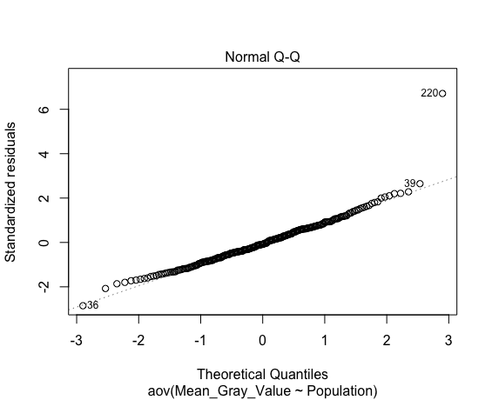
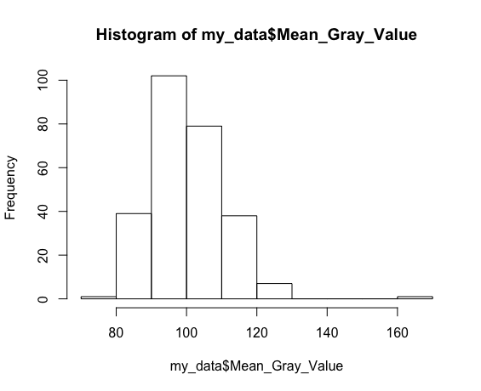
Mean_Gray_Value
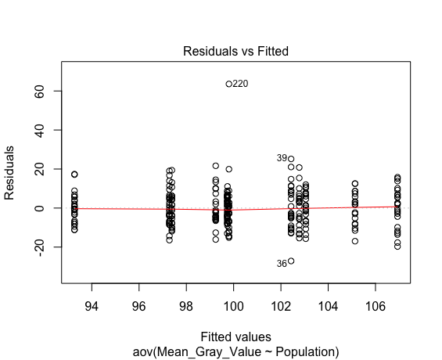
Shapiro-Wilk normality test
data: aov_residuals
W = 0.94042, p-value = 6.324e-09

Kruskal-Wallis rank sum test
data: Mean_Gray_Value by Population
Kruskal-Wallis chi-squared = 40.093, df = 11, p-value = 3.449e-05

Data Summary Statistics
Population | count | mean | sd
<fct> | <int> | <dbl> | <dbl>
CPS | 23 | 99.2 | 9.06
CRWA | 25 | 102 | 12
DHFA | 22 | 99.7 | 6.03
FPPI | 20 | 103 | 9.78
HGRF | 21 | 103 | 8.12
IRO | 18 | 105 | 8.69
OICP | 23 | 107 | 10.3
PCRA | 21 | 99.7 | 5.01
PPNP | 27 | 97.3 | 8.96
PTP | 21 | 99.8 | 17
RRL | 25 | 93.3 | 7.68
RRO | 21 | 97.4 | 8.56

Pairwise comparisons using t tests with pooled SD

 | CPS | CRWA | DHFA | FPPI | HGRF | IRO | OICP | PCRA | PPNP | PTP | RRL
CRWA | 4.81E-01 | - | - | - | - | - | - | - | - | - | -
DHFA | 9.53E-01 | 0.52955 | - | - | - | - | - | - | - | - | -
FPPI | 4.56E-01 | 0.98025 | 0.52442 | - | - | - | - | - | - | - | -
HGRF | 3.89E-01 | 0.95319 | 0.48139 | 0.98714 | - | - | - | - | - | - | -
IRO | 1.79E-01 | 0.52955 | 0.21336 | 0.57721 | 0.6166 | - | - | - | - | - | -
OICP | 6.11E-02 | 0.25843 | 0.07921 | 0.34573 | 0.3845 | 0.65622 | - | - | - | - | -
PCRA | 9.53E-01 | 0.52955 | 0.99694 | 0.52442 | 0.48139 | 0.21501 | 0.07921 | - | - | - | -
PPNP | 5.95E-01 | 0.1792 | 0.52955 | 0.1792 | 0.15436 | 0.06114 | 0.01191 | 0.52955 | - | - | -
PTP | 9.53E-01 | 0.52955 | 0.99694 | 0.52753 | 0.48429 | 0.21581 | 0.07921 | 0.99694 | 0.52955 | - | -
RRL | 1.32E-01 | 0.012 | 0.10369 | 0.012 | 0.012 | 0.00327 | 0.00013 | 0.10369 | 0.31265 | 0.10369 | -
RRO | 0.63279 | 0.21336 | 0.56028 | 0.21336 | 0.1792 | 0.07921 | 0.012 | 0.56028 | 0.99694 | 0.56028 | 0.33633

ANOVA

Df Sum Sq Mean Sq F value Pr(>F)
Population 11 3530 320.9 3.407 0.000199 ***
Residuals 255 24019 94.2
---
Signif. codes: 0 ‘***’ 0.001 ‘**’ 0.01 ‘*’ 0.05 ‘.’ 0.1 ‘ ’ 1

Tukey multiple comparisons of means
95% family-wise confidence level

$Population
 | diff | lwr | upr | p adj
CRWA-CPS | 3.18906087 | -6.060996 | 12.4391177 | 0.9926811
DHFA-CPS | 0.48689723 | -9.060582 | 10.03437604 | 1
FPPI-CPS | 3.53326087 | -6.255169 | 13.32169035 | 0.9892989
HGRF-CPS | 3.81016563 | -5.852801 | 13.47313221 | 0.9784482
IRO-CPS | 5.89381643 | -4.181286 | 15.96891867 | 0.739511
OICP-CPS | 7.69086957 | -1.74993 | 17.13166928 | 0.2387088
PCRA-CPS | 0.49826087 | -9.164706 | 10.16122745 | 1
PPNP-CPS | -1.9584058 | -11.04282 | 7.12600797 | 0.9999049
PTP-CPS | 0.55968944 | -9.103277 | 10.22265602 | 1
RRL-CPS | -5.97293913 | -15.222996 | 3.2771177 | 0.6017227
RRO-CPS | -1.85412008 | -11.517087 | 7.80884649 | 0.9999704
DHFA-CRWA | -2.70216364 | -12.061074 | 6.65674675 | 0.9984537
FPPI-CRWA | 0.3442 | -9.260393 | 9.94879285 | 1
HGRF-CRWA | 0.62110476 | -8.855592 | 10.09780119 | 1
IRO-CRWA | 2.70475556 | -7.191837 | 12.60134776 | 0.9990671
OICP-CRWA | 4.5018087 | -4.748248 | 13.75186552 | 0.9058097
PCRA-CRWA | -2.6908 | -12.167496 | 6.78589642 | 0.9986728
PPNP-CRWA | -5.14746667 | -14.033491 | 3.7385575 | 0.7514678
PTP-CRWA | -2.62937143 | -12.106068 | 6.84732499 | 0.998927
RRL-CRWA | -9.162 | -18.217297 | -0.10670302 | 0.0445007
RRO-CRWA | -5.04318095 | -14.519877 | 4.43351547 | 0.8401197
FPPI-DHFA | 3.04636364 | -6.844996 | 12.9377237 | 0.9972366
HGRF-DHFA | 3.3232684 | -6.443951 | 13.09048783 | 0.9934494
IRO-DHFA | 5.40691919 | -4.768214 | 15.58205249 | 0.8414216
OICP-DHFA | 7.20397233 | -2.343506 | 16.75145114 | 0.3516568
PCRA-DHFA | 0.01136364 | -9.755856 | 9.77858306 | 1
PPNP-DHFA | -2.44530303 | -11.640531 | 6.74992539 | 0.9992773
PTP-DHFA | 0.07279221 | -9.694427 | 9.84001163 | 1
RRL-DHFA | -6.45983636 | -15.818747 | 2.89907402 | 0.4957991
RRO-DHFA | -2.34101732 | -12.108237 | 7.42620211 | 0.9997315
HGRF-FPPI | 0.27690476 | -9.725974 | 10.27978312 | 1
IRO-FPPI | 2.36055556 | -8.040999 | 12.76211014 | 0.9998423
OICP-FPPI | 4.1576087 | -5.630821 | 13.94603818 | 0.9624767
PCRA-FPPI | -3.035 | -13.037878 | 6.96787836 | 0.9975808
PPNP-FPPI | -5.49166667 | -14.936836 | 3.95350278 | 0.7469952
PTP-FPPI | -2.97357143 | -12.97645 | 7.02930693 | 0.9979861
RRL-FPPI | -9.5062 | -19.110793 | 0.09839285 | 0.0552442
RRO-FPPI | -5.38738095 | -15.390259 | 4.61549741 | 0.8292026
IRO-HGRF | 2.08365079 | -8.199924 | 12.36722552 | 0.9999488
OICP-HGRF | 3.88070393 | -5.782263 | 13.54367051 | 0.9752123
PCRA-HGRF | -3.31190476 | -13.192044 | 6.56823425 | 0.9942278
PPNP-HGRF | -5.76857143 | -15.083656 | 3.54651296 | 0.6636194
PTP-HGRF | -3.25047619 | -13.130615 | 6.62966282 | 0.995082
RRL-HGRF | -9.78310476 | -19.259801 | -0.30640834 | 0.0361544
RRO-HGRF | -5.66428571 | -15.544425 | 4.2158533 | 0.7637289
OICP-IRO | 1.79705314 | -8.278049 | 11.87215539 | 0.999986
PCRA-IRO | -5.39555556 | -15.67913 | 4.88801917 | 0.8523603
PPNP-IRO | -7.85222222 | -17.594171 | 1.88972622 | 0.2533162
PTP-IRO | -5.33412698 | -15.617702 | 4.94944774 | 0.8617277
RRL-IRO | -11.86675556 | -21.763348 | -1.97016335 | 0.0055007
RRO-IRO | -7.74793651 | -18.031511 | 2.53563822 | 0.3539788
PCRA-OICP | -7.1926087 | -16.855575 | 2.47035788 | 0.3731875
PPNP-OICP | -9.64927536 | -18.733689 | -0.5648616 | 0.0264733
PTP-OICP | -7.13118012 | -16.794147 | 2.53178645 | 0.3869128
RRL-OICP | -13.6638087 | -22.913866 | -4.41375187 | 0.0001214
RRO-OICP | -9.54498965 | -19.207956 | 0.11797693 | 0.0563018
PPNP-PCRA | -2.45666667 | -11.771751 | 6.85841772 | 0.9993315
PTP-PCRA | 0.06142857 | -9.81871 | 9.94156758 | 1
RRL-PCRA | -6.4712 | -15.947896 | 3.00549642 | 0.5132592
RRO-PCRA | -2.35238095 | -12.23252 | 7.52775806 | 0.9997483
PTP-PPNP | 2.51809524 | -6.796989 | 11.83317963 | 0.9991575
RRL-PPNP | -4.01453333 | -12.900557 | 4.87149083 | 0.9421283
RRO-PPNP | 0.10428571 | -9.210799 | 9.4193701 | 1
RRL-PTP | -6.53262857 | -16.009325 | 2.94406785 | 0.4979175
RRO-PTP | -2.41380952 | -12.293949 | 7.46632949 | 0.9996772
RRO-RRL | 4.11881905 | -5.357877 | 13.59551547 | 0.9557714

Mean_GV_StdDev
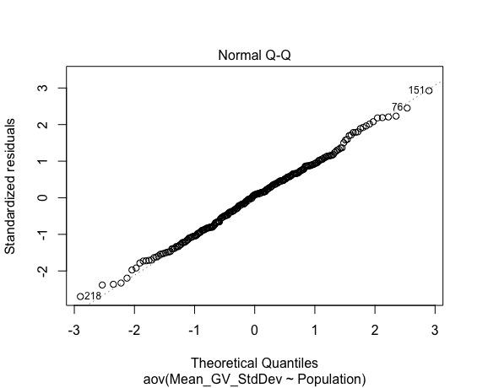
Mean_GV_StdDev
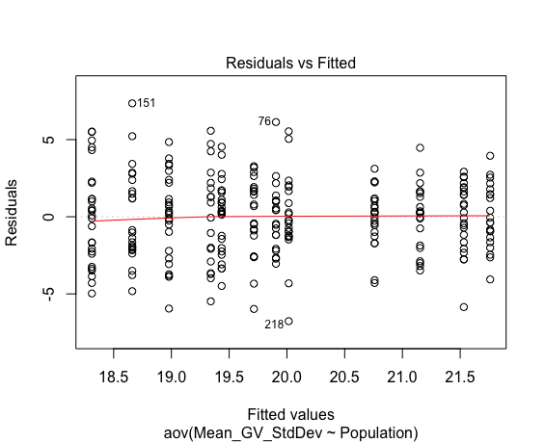
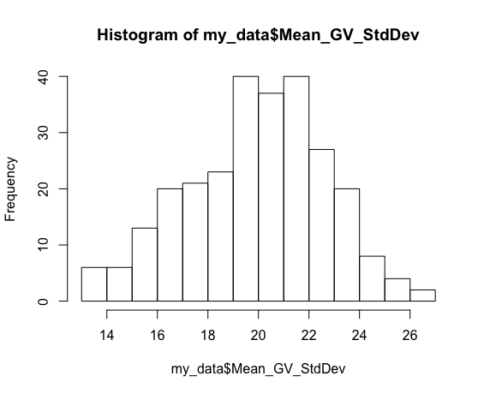
Shapiro-Wilk normality test
data: aov_residuals
W = 0.99665, p-value = 0.8475

Kruskal-Wallis rank sum test
data: Mean_GV_StdDev by Population
Kruskal-Wallis chi-squared = 42.231, df = 11, p-value = 1.477e-05

Data Summary Statistics
Population | count | mean | sd
<fct> | <int> | <dbl> | <dbl>
CPS | 23 | 21.5 | 2.2
CRWA | 25 | 19 | 2.78
DHFA | 22 | 20.8 | 1.88
FPPI | 20 | 19.9 | 2.2
HGRF | 21 | 21.2 | 2.13
IRO | 18 | 19.3 | 3.28
OICP | 23 | 18.7 | 3.05
PCRA | 21 | 19.7 | 2.55
PPNP | 27 | 18.3 | 3.11
PTP | 21 | 20 | 2.71
RRL | 25 | 19.4 | 2.36
RRO | 21 | 21.8 | 2.05

Pairwise comparisons using t tests with pooled SD

 | CPS | CRWA | DHFA | FPPI | HGRF | IRO | OICP | PCRA | PPNP | PTP | RRL
CRWA | 6.38E-03 | - | - | - | - | - | - | - | - | - | -
DHFA | 4.71E-01 | 0.07164 | - | - | - | - | - | - | - | - | -
FPPI | 1.04E-01 | 0.37083 | 0.44425 | - | - | - | - | - | - | - | -
HGRF | 7.29E-01 | 0.02521 | 0.72862 | 0.23509 | - | - | - | - | - | - | -
IRO | 3.15E-02 | 0.72862 | 0.17781 | 0.63426 | 0.08309 | - | - | - | - | - | -
OICP | 2.48E-03 | 0.73597 | 0.03107 | 0.23224 | 0.01081 | 0.55138 | - | - | - | - | -
PCRA | 7.26E-02 | 0.4901 | 0.31872 | 0.83768 | 0.16653 | 0.72862 | 0.313 | - | - | - | -
PPNP | 4.80E-04 | 0.49151 | 0.00855 | 0.10012 | 0.00248 | 0.31948 | 0.72862 | 0.15054 | - | - | -
PTP | 1.31E-01 | 0.313 | 0.49151 | 0.90405 | 0.28762 | 0.55789 | 0.17781 | 0.75985 | 0.07713 | - | -
RRL | 2.58E-02 | 0.66039 | 0.17781 | 0.66307 | 0.07757 | 0.90574 | 0.45723 | 0.75985 | 0.23224 | 0.57683 | -
RRO | 0.8057 | 0.00339 | 0.33454 | 0.07505 | 0.57683 | 0.02204 | 0.00185 | 0.04296 | 0.00041 | 0.08309 | 0.01628

ANOVA

Df Sum Sq Mean Sq F value Pr(>F)
Population 11 319.6 29.059 4.407 4.57e-06 ***
Residuals 255 1681.5 6.594
---
Signif. codes: 0 ‘***’ 0.001 ‘**’ 0.01 ‘*’ 0.05 ‘.’ 0.1 ‘ ’ 1

Tukey multiple comparisons of means
95% family-wise confidence level

$Population
 | diff | lwr | upr | p adj
CRWA-CPS | -2.55293913 | -5.0003696 | -0.10550866 | 0.0323498
DHFA-CPS | -0.77264822 | -3.2987722 | 1.75347578 | 0.997401
FPPI-CPS | -1.62673913 | -4.2166152 | 0.96313691 | 0.6431523
HGRF-CPS | -0.37888199 | -2.9355624 | 2.17779839 | 0.9999979
IRO-CPS | -2.19062802 | -4.8563535 | 0.47509746 | 0.2270433
OICP-CPS | -2.87043478 | -5.368333 | -0.37253652 | 0.0100132
PCRA-CPS | -1.81745342 | -4.3741338 | 0.73922697 | 0.4477045
PPNP-CPS | -3.22025765 | -5.6238614 | -0.81665393 | 0.0008791
PTP-CPS | -1.51602484 | -4.0727052 | 1.04065554 | 0.7224443
RRL-CPS | -2.09653913 | -4.5439696 | 0.35089134 | 0.175595
RRO-CPS | 0.22778468 | -2.3288957 | 2.78446506 | 1
DHFA-CRWA | 1.78029091 | -0.6959406 | 4.25652245 | 0.4292414
FPPI-CRWA | 0.9262 | -1.6150355 | 3.46743554 | 0.9884237
HGRF-CRWA | 2.17405714 | -0.3333389 | 4.68145315 | 0.1619733
IRO-CRWA | 0.36231111 | -2.2561832 | 2.98080544 | 0.999999
OICP-CRWA | -0.31749565 | -2.7649261 | 2.12993482 | 0.9999995
PCRA-CRWA | 0.73548571 | -1.7719103 | 3.24288172 | 0.998215
PPNP-CRWA | -0.66731852 | -3.0184312 | 1.6837942 | 0.9986774
PTP-CRWA | 1.03691429 | -1.4704817 | 3.54431029 | 0.969138
RRL-CRWA | 0.4564 | -1.9394998 | 2.85229985 | 0.9999725
RRO-CRWA | 2.78072381 | 0.2733278 | 5.28811982 | 0.0158652
FPPI-DHFA | -0.85409091 | -3.4712009 | 1.76301907 | 0.995412
HGRF-DHFA | 0.39376623 | -2.1904979 | 2.9780304 | 0.9999972
IRO-DHFA | -1.4179798 | -4.110172 | 1.27421245 | 0.8491068
OICP-DHFA | -2.09778656 | -4.6239106 | 0.42833744 | 0.2133983
PCRA-DHFA | -1.04480519 | -3.6290694 | 1.53945897 | 0.9739311
PPNP-DHFA | -2.44760943 | -4.8805331 | -0.01468576 | 0.0471141
PTP-DHFA | -0.74337662 | -3.3276408 | 1.84088755 | 0.9985052
RRL-DHFA | -1.32389091 | -3.8001224 | 1.15234063 | 0.8359589
RRO-DHFA | 1.0004329 | -1.5838313 | 3.58469707 | 0.9813033
HGRF-FPPI | 1.24785714 | -1.398759 | 3.89447324 | 0.9230839
IRO-FPPI | -0.56388889 | -3.3159889 | 2.18821113 | 0.9999427
OICP-FPPI | -1.24369565 | -3.8335717 | 1.34618039 | 0.9134453
PCRA-FPPI | -0.19071429 | -2.8373304 | 2.45590181 | 1
PPNP-FPPI | -1.59351852 | -4.0925729 | 0.90553591 | 0.6208075
PTP-FPPI | 0.11071429 | -2.5359018 | 2.75733038 | 1
RRL-FPPI | -0.4698 | -3.0110355 | 2.07143554 | 0.9999797
RRO-FPPI | 1.85452381 | -0.7920923 | 4.5011399 | 0.4712093
IRO-HGRF | -1.81174603 | -4.5326303 | 0.90913824 | 0.5537189
OICP-HGRF | -2.4915528 | -5.0482332 | 0.06512759 | 0.0639001
PCRA-HGRF | -1.43857143 | -4.0527125 | 1.17556962 | 0.8082693
PPNP-HGRF | -2.84137566 | -5.3060115 | -0.37673985 | 0.0095859
PTP-HGRF | -1.13714286 | -3.7512839 | 1.47699819 | 0.9555039
RRL-HGRF | -1.71765714 | -4.2250532 | 0.78973887 | 0.5080859
RRO-HGRF | 0.60666667 | -2.0074744 | 3.22080771 | 0.9998038
OICP-IRO | -0.67980676 | -3.3455322 | 1.98591872 | 0.9995134
PCRA-IRO | 0.3731746 | -2.3477097 | 3.09405887 | 0.9999991
PPNP-IRO | -1.02962963 | -3.6072075 | 1.5479482 | 0.9762014
PTP-IRO | 0.67460317 | -2.0462811 | 3.39548744 | 0.9996281
RRL-IRO | 0.09408889 | -2.5244054 | 2.71258321 | 1
RRO-IRO | 2.4184127 | -0.3024716 | 5.13929697 | 0.1360787
PCRA-OICP | 1.05298137 | -1.503699 | 3.60966175 | 0.9700586
PPNP-OICP | -0.34982287 | -2.7534266 | 2.05378086 | 0.9999983
PTP-OICP | 1.35440994 | -1.2022704 | 3.91109032 | 0.8441235
RRL-OICP | 0.77389565 | -1.6735348 | 3.22132612 | 0.9965137
RRO-OICP | 3.09821946 | 0.5415391 | 5.65489984 | 0.0046999
PPNP-PCRA | -1.40280423 | -3.86744 | 1.06183158 | 0.7720391
PTP-PCRA | 0.30142857 | -2.3127125 | 2.91556962 | 0.9999999
RRL-PCRA | -0.27908571 | -2.7864817 | 2.22831029 | 0.9999999
RRO-PCRA | 2.0452381 | -0.568903 | 4.65937914 | 0.2962019
PTP-PPNP | 1.7042328 | -0.760403 | 4.16886862 | 0.4928743
RRL-PPNP | 1.12371852 | -1.2273942 | 3.47483124 | 0.9160183
RRO-PPNP | 3.44804233 | 0.9834065 | 5.91267814 | 0.0003825
RRL-PTP | -0.58051429 | -3.0879103 | 1.92688172 | 0.9998082
RRO-PTP | 1.74380952 | -0.8703315 | 4.35795057 | 0.5508516
RRO-RRL | 2.32432381 | -0.1830722 | 4.83171982 | 0.0985171

Median_Gray_Value
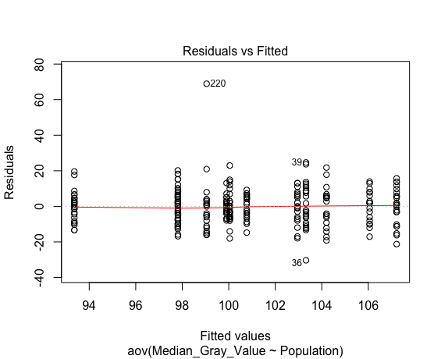
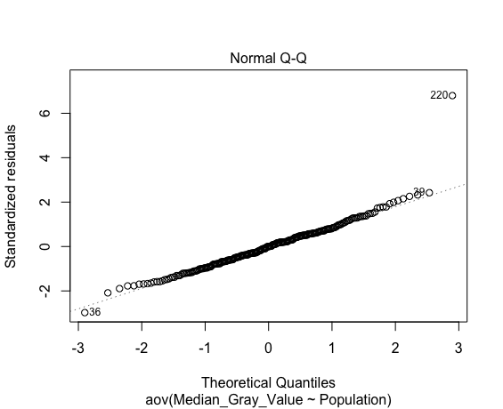
Median_Gray_Value
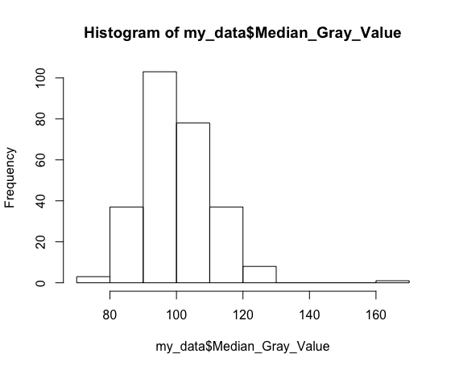
Shapiro-Wilk normality test
data: aov_residuals
W = 0.93902, p-value = 4.595e-09

Kruskal-Wallis rank sum test
data: Median_Gray_Value by Population
Kruskal-Wallis chi-squared = 39.824, df = 11, p-value = 3.834e-05

Data Summary Statistics
Population | count | mean | sd
<fct> | <int> | <dbl> | <dbl>
CPS | 23 | 100 | 9.72
CRWA | 25 | 103 | 12.7
DHFA | 22 | 101 | 6.6
FPPI | 20 | 104 | 11.1
HGRF | 21 | 103 | 8.93
IRO | 18 | 106 | 9.05
OICP | 23 | 107 | 10.3
PCRA | 21 | 99.9 | 5.14
PPNP | 27 | 97.8 | 9.61
PTP | 21 | 99 | 18.3
RRL | 25 | 93.4 | 8.47
RRO | 21 | 97.8 | 9.2

Pairwise comparisons using t tests with pooled SD

 | CPS | CRWA | DHFA | FPPI | HGRF | IRO | OICP | PCRA | PPNP | PTP | RRL
CRWA | 4.80E-01 | - | - | - | - | - | - | - | - | - | -
DHFA | 8.53E-01 | 0.56555 | - | - | - | - | - | - | - | - | -
FPPI | 3.69E-01 | 0.84051 | 0.48568 | - | - | - | - | - | - | - | -
HGRF | 5.20E-01 | 0.93329 | 0.63746 | 0.81196 | - | - | - | - | - | - | -
IRO | 1.93E-01 | 0.56555 | 0.26858 | 0.71744 | 0.52037 | - | - | - | - | - | -
OICP | 1.04E-01 | 0.36893 | 0.14172 | 0.52037 | 0.36154 | 0.8225 | - | - | - | - | -
PCRA | 9.80E-01 | 0.47832 | 0.84051 | 0.36893 | 0.52037 | 0.1931 | 0.10442 | - | - | - | -
PPNP | 6.20E-01 | 0.18989 | 0.52037 | 0.14172 | 0.23933 | 0.07163 | 0.02133 | 0.63746 | - | - | -
PTP | 8.40E-01 | 0.35398 | 0.71744 | 0.26858 | 0.41199 | 0.14172 | 0.07163 | 0.84051 | 0.81196 | - | -
RRL | 1.27E-01 | 0.0135 | 0.09246 | 0.01318 | 0.0224 | 0.00334 | 0.00041 | 0.14172 | 0.28194 | 0.1931 | -
RRO | 0.63746 | 0.205 | 0.52037 | 0.17449 | 0.26858 | 0.09246 | 0.02815 | 0.6528 | 0.99861 | 0.81196 | 0.32879

ANOVA

Df Sum Sq Mean Sq F value Pr(>F)
Population 11 3837 348.9 3.228 0.000388 ***
Residuals 255 27563 108.1
---
Signif. codes: 0 ‘***’ 0.001 ‘**’ 0.01 ‘*’ 0.05 ‘.’ 0.1 ‘ ’ 1

Tukey multiple comparisons of means
95% family-wise confidence level

$Population
 | diff | lwr | upr | p adj
CRWA-CPS | 3.276521739 | -6.632475 | 13.1855189 | 0.9948635
DHFA-CPS | 0.729249012 | -9.498357 | 10.9568554 | 1
FPPI-CPS | 4.156521739 | -6.3292 | 14.6422433 | 0.9775561
HGRF-CPS | 2.908902692 | -7.442418 | 13.2602238 | 0.9987931
IRO-CPS | 6.012077295 | -4.780739 | 16.8048931 | 0.795672
OICP-CPS | 7.173913043 | -2.939415 | 17.2872409 | 0.4511844
PCRA-CPS | -0.138716356 | -10.490037 | 10.2126047 | 1
PPNP-CPS | -2.228663446 | -11.960218 | 7.5028908 | 0.9998276
PTP-CPS | -0.995859213 | -11.34718 | 9.3554619 | 1
RRL-CPS | -6.683478261 | -16.592475 | 3.2255189 | 0.5331589
RRO-CPS | -2.233954451 | -12.585276 | 8.1173667 | 0.9999039
DHFA-CRWA | -2.547272727 | -12.572878 | 7.4783323 | 0.9995302
FPPI-CRWA | 0.88 | -9.408789 | 11.168789 | 1
HGRF-CRWA | -0.367619048 | -10.519401 | 9.7841627 | 1
IRO-CRWA | 2.735555556 | -7.866034 | 13.3371449 | 0.9994561
OICP-CRWA | 3.897391304 | -6.011606 | 13.8063885 | 0.9788596
PCRA-CRWA | -3.415238095 | -13.56702 | 6.7365436 | 0.9940483
PPNP-CRWA | -5.505185185 | -15.024217 | 4.013847 | 0.7534181
PTP-CRWA | -4.272380952 | -14.424163 | 5.8794008 | 0.9649038
RRL-CRWA | -9.96 | -19.660363 | -0.2596367 | 0.0382686
RRO-CRWA | -5.51047619 | -15.662258 | 4.6413056 | 0.8218009
FPPI-DHFA | 3.427272727 | -7.168712 | 14.0232572 | 0.9957528
HGRF-DHFA | 2.17965368 | -8.283347 | 12.6426542 | 0.9999324
IRO-DHFA | 5.282828283 | -5.617144 | 16.182801 | 0.9082345
OICP-DHFA | 6.444664032 | -3.782942 | 16.6722704 | 0.6384637
PCRA-DHFA | -0.867965368 | -11.330966 | 9.5950352 | 1
PPNP-DHFA | -2.957912458 | -12.808175 | 6.8923505 | 0.9977949
PTP-DHFA | -1.725108225 | -12.188109 | 8.7378923 | 0.9999938
RRL-DHFA | -7.412727273 | -17.438332 | 2.6128778 | 0.3838957
RRO-DHFA | -2.963203463 | -13.426204 | 7.4997971 | 0.9987038
HGRF-FPPI | -1.247619048 | -11.963066 | 9.4678279 | 0.9999998
IRO-FPPI | 1.855555556 | -9.286968 | 12.998079 | 0.9999931
OICP-FPPI | 3.017391304 | -7.46833 | 13.5031128 | 0.9985001
PCRA-FPPI | -4.295238095 | -15.010685 | 6.4202089 | 0.9755658
PPNP-FPPI | -6.385185185 | -16.503194 | 3.7328237 | 0.6362502
PTP-FPPI | -5.152380952 | -15.867828 | 5.563066 | 0.9127285
RRL-FPPI | -10.84 | -21.128789 | -0.551211 | 0.0289969
RRO-FPPI | -6.39047619 | -17.105923 | 4.3249708 | 0.7150197
IRO-HGRF | 3.103174603 | -7.912965 | 14.1193137 | 0.9987661
OICP-HGRF | 4.265010352 | -6.086311 | 14.6163315 | 0.9699664
PCRA-HGRF | -3.047619048 | -13.631583 | 7.5363451 | 0.9984913
PPNP-HGRF | -5.137566138 | -15.116223 | 4.8410909 | 0.8675738
PTP-HGRF | -3.904761905 | -14.488726 | 6.6792022 | 0.9872277
RRL-HGRF | -9.592380952 | -19.744163 | 0.5594008 | 0.0840176
RRO-HGRF | -5.142857143 | -15.726821 | 5.441107 | 0.9067398
OICP-IRO | 1.161835749 | -9.63098 | 11.9546516 | 0.9999999
PCRA-IRO | -6.150793651 | -17.166933 | 4.8653455 | 0.7931983
PPNP-IRO | -8.240740741 | -18.67667 | 2.1951886 | 0.2825749
PTP-IRO | -7.007936508 | -18.024076 | 4.0082026 | 0.6243317
RRL-IRO | -12.695555556 | -23.297145 | -2.0939662 | 0.0056071
RRO-IRO | -8.246031746 | -19.262171 | 2.7701074 | 0.3642578
PCRA-OICP | -7.3126294 | -17.663951 | 3.0386917 | 0.4578997
PPNP-OICP | -9.40257649 | -19.134131 | 0.3289778 | 0.0691007
PTP-OICP | -8.169772257 | -18.521093 | 2.1815488 | 0.2833173
RRL-OICP | -13.857391304 | -23.766388 | -3.9483941 | 0.0003855
RRO-OICP | -9.407867495 | -19.759189 | 0.9434536 | 0.1151804
PPNP-PCRA | -2.08994709 | -12.068604 | 7.88871 | 0.9999287
PTP-PCRA | -0.857142857 | -11.441107 | 9.7268213 | 1
RRL-PCRA | -6.544761905 | -16.696544 | 3.6070198 | 0.6041611
RRO-PCRA | -2.095238095 | -12.679202 | 8.488726 | 0.9999595
PTP-PPNP | 1.232804233 | -8.745853 | 11.2114613 | 0.9999997
RRL-PPNP | -4.454814815 | -13.973847 | 5.0642173 | 0.9267408
RRO-PPNP | -0.005291005 | -9.983948 | 9.9733661 | 1
RRL-PTP | -5.687619048 | -15.839401 | 4.4641627 | 0.7895282
RRO-PTP | -1.238095238 | -11.822059 | 9.3458689 | 0.9999998
RRO-RRL | 4.44952381 | -5.702258 | 14.6013056 | 0.9530684

Modal_Gray_Value
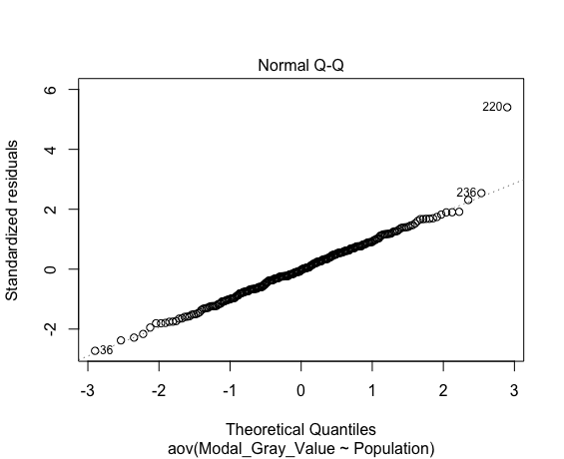
Modal_Gray_Value
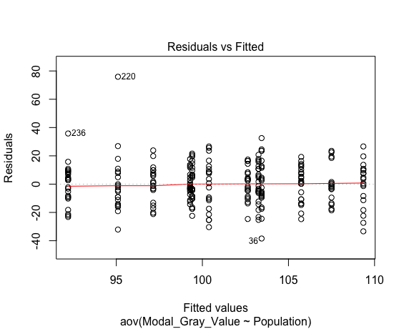
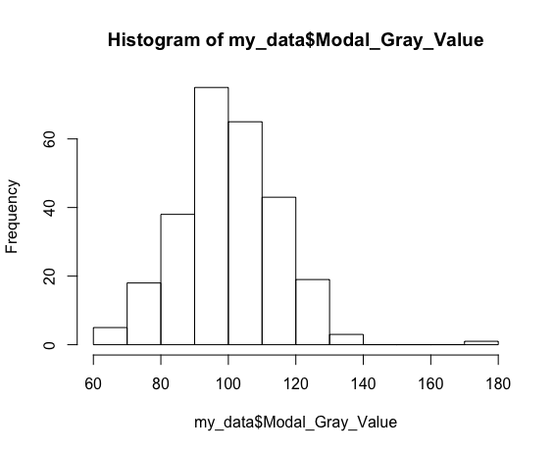
Shapiro-Wilk normality test
data: aov_residuals
W = 0.9764, p-value = 0.0002086

Kruskal-Wallis rank sum test
data: Modal_Gray_Value by Population
Kruskal-Wallis chi-squared = 31.686, df = 11, p-value = 0.0008562

Data Summary Statistics
Population | count | mean | sd
<fct> | <int> | <dbl> | <dbl>
CPS | 23 | 103 | 13.1
CRWA | 25 | 103 | 16.8
DHFA | 22 | 103 | 11
FPPI | 20 | 109 | 15.7
HGRF | 21 | 100 | 17.4
IRO | 18 | 108 | 13.2
OICP | 23 | 106 | 12.3
PCRA | 21 | 99.3 | 8.67
PPNP | 27 | 99.4 | 12.5
PTP | 21 | 95.1 | 22.1
RRL | 25 | 92.2 | 13.5
RRO | 21 | 97.1 | 12.3

Pairwise comparisons using t tests with pooled SD

 | CPS | CRWA | DHFA | FPPI | HGRF | IRO | OICP | PCRA | PPNP | PTP | RRL
CRWA | 9.77E-01 | - | - | - | - | - | - | - | - | - | -
DHFA | 9.12E-01 | 0.8891 | - | - | - | - | - | - | - | - | -
FPPI | 3.67E-01 | 0.3668 | 0.3315 | - | - | - | - | - | - | - | -
HGRF | 6.45E-01 | 0.6249 | 0.7165 | 0.2114 | - | - | - | - | - | - | -
IRO | 5.43E-01 | 0.5435 | 0.5293 | 0.7676 | 0.3296 | - | - | - | - | - | -
OICP | 6.97E-01 | 0.707 | 0.6249 | 0.6053 | 0.4371 | 0.7676 | - | - | - | - | -
PCRA | 5.43E-01 | 0.5435 | 0.6249 | 0.1324 | 0.869 | 0.2414 | 0.3315 | - | - | - | -
PPNP | 5.43E-01 | 0.5435 | 0.6248 | 0.1199 | 0.869 | 0.2286 | 0.3296 | 0.9768 | - | - | -
PTP | 2.25E-01 | 0.2114 | 0.2614 | 0.0282 | 0.4565 | 0.0686 | 0.0987 | 0.5435 | 0.5425 | - | -
RRL | 6.86E-02 | 0.0686 | 0.0987 | 0.0061 | 0.2172 | 0.0225 | 0.0282 | 0.2798 | 0.2389 | 0.6437 | -
RRO | 0.3647 | 0.3315 | 0.4371 | 0.0686 | 0.6249 | 0.1324 | 0.2114 | 0.7294 | 0.707 | 0.7342 | 0.4659

ANOVA

Df Sum Sq Mean Sq F value Pr(>F)
Population 11 6113 555.8 2.683 0.0028 **
Residuals 255 52827 207.2
---
Signif. codes: 0 ‘***’ 0.001 ‘**’ 0.01 ‘*’ 0.05 ‘.’ 0.1 ‘ ’ 1

Tukey multiple comparisons of means
95% family-wise confidence level

$Population
 | diff | lwr | upr | p adj
CRWA-CPS | 0.1791304 | -13.538999 | 13.8972594 | 1
DHFA-CPS | -0.6245059 | -14.783721 | 13.5347093 | 1
FPPI-CPS | 6.0891304 | -8.427422 | 20.6056832 | 0.9657402
HGRF-CPS | -2.8799172 | -17.210404 | 11.4505701 | 0.9999528
IRO-CPS | 4.2391304 | -10.702567 | 19.1808281 | 0.9986825
OICP-CPS | 2.4782609 | -11.522746 | 16.4792676 | 0.999987
PCRA-CPS | -3.9751553 | -18.305643 | 10.355332 | 0.9989294
PPNP-CPS | -3.8534622 | -17.325937 | 9.6190129 | 0.9985808
PTP-CPS | -8.1656315 | -22.496119 | 6.1648558 | 0.7707685
RRL-CPS | -11.0608696 | -24.778999 | 2.6572594 | 0.2528432
RRO-CPS | -6.1180124 | -20.4485 | 8.2124749 | 0.961069
DHFA-CRWA | -0.8036364 | -14.683199 | 13.0759259 | 1
FPPI-CRWA | 5.91 | -8.333917 | 20.1539172 | 0.9683741
HGRF-CRWA | -3.0590476 | -17.11329 | 10.9951951 | 0.9998955
IRO-CRWA | 4.06 | -10.616962 | 18.7369616 | 0.9989564
OICP-CRWA | 2.2991304 | -11.418999 | 16.0172594 | 0.9999926
PCRA-CRWA | -4.1542857 | -18.208528 | 9.899957 | 0.9980865
PPNP-CRWA | -4.0325926 | -17.21085 | 9.1456644 | 0.9973904
PTP-CRWA | -8.3447619 | -22.399005 | 5.7094808 | 0.7207371
RRL-CRWA | -11.24 | -24.669294 | 2.1892939 | 0.2034738
RRO-CRWA | -6.2971429 | -20.351386 | 7.7570999 | 0.9453116
FPPI-DHFA | 6.7136364 | -7.955566 | 21.3828385 | 0.9368279
HGRF-DHFA | -2.2554113 | -16.740509 | 12.2296863 | 0.9999966
IRO-DHFA | 4.8636364 | -10.22641 | 19.9536832 | 0.9958812
OICP-DHFA | 3.1027668 | -11.056448 | 17.2619821 | 0.9998882
PCRA-DHFA | -3.3506494 | -17.835747 | 11.1344482 | 0.9998099
PPNP-DHFA | -3.2289562 | -16.865773 | 10.4078605 | 0.9997614
PTP-DHFA | -7.5411255 | -22.026223 | 6.9439721 | 0.8587724
RRL-DHFA | -10.4363636 | -24.315926 | 3.4431986 | 0.3571294
RRO-DHFA | -5.4935065 | -19.978604 | 8.9915911 | 0.9840853
HGRF-FPPI | -8.9690476 | -23.803635 | 5.8655397 | 0.6968578
IRO-FPPI | -1.85 | -17.275837 | 13.5758368 | 0.9999998
OICP-FPPI | -3.6108696 | -18.127422 | 10.9056832 | 0.9996164
PCRA-FPPI | -10.0642857 | -24.898873 | 4.7703016 | 0.5237599
PPNP-FPPI | -9.9425926 | -23.95008 | 4.0648946 | 0.4501405
PTP-FPPI | -14.2547619 | -29.089349 | 0.5798254 | 0.0725764
RRL-FPPI | -17.15 | -31.393917 | -2.9060828 | 0.0051758
RRO-FPPI | -12.2071429 | -27.04173 | 2.6274444 | 0.2252654
IRO-HGRF | 7.1190476 | -8.131821 | 22.3699166 | 0.9279605
OICP-HGRF | 5.3581781 | -8.972309 | 19.6886654 | 0.9857829
PCRA-HGRF | -1.0952381 | -15.747799 | 13.5573228 | 1
PPNP-HGRF | -0.973545 | -14.788112 | 12.841022 | 1
PTP-HGRF | -5.2857143 | -19.938275 | 9.3668466 | 0.9893535
RRL-HGRF | -8.1809524 | -22.235195 | 5.8732903 | 0.7455891
RRO-HGRF | -3.2380952 | -17.890656 | 11.4144657 | 0.9998785
OICP-IRO | -1.7608696 | -16.702567 | 13.1808281 | 0.9999998
PCRA-IRO | -8.2142857 | -23.465155 | 7.0365832 | 0.8291543
PPNP-IRO | -8.0925926 | -22.540213 | 6.3550273 | 0.7897686
PTP-IRO | -12.4047619 | -27.655631 | 2.846107 | 0.240811
RRL-IRO | -15.3 | -29.976962 | -0.6230384 | 0.0325723
RRO-IRO | -10.3571429 | -25.608012 | 4.8937261 | 0.5221323
PCRA-OICP | -6.4534161 | -20.783903 | 7.8770711 | 0.9433865
PPNP-OICP | -6.331723 | -19.804198 | 7.140752 | 0.924683
PTP-OICP | -10.6438923 | -24.97438 | 3.686595 | 0.3766281
RRL-OICP | -13.5391304 | -27.257259 | 0.1789985 | 0.0567587
RRO-OICP | -8.5962733 | -22.926761 | 5.734214 | 0.707382
PPNP-PCRA | 0.1216931 | -13.692874 | 13.9362601 | 1
PTP-PCRA | -4.1904762 | -18.843037 | 10.4620847 | 0.9985824
RRL-PCRA | -7.0857143 | -21.139957 | 6.9685284 | 0.8830255
RRO-PCRA | -2.1428571 | -16.795418 | 12.5097038 | 0.9999982
PTP-PPNP | -4.3121693 | -18.126736 | 9.5023976 | 0.9968881
RRL-PPNP | -7.2074074 | -20.385664 | 5.9708495 | 0.8144475
RRO-PPNP | -2.2645503 | -16.079117 | 11.5500167 | 0.9999941
RRL-PTP | -2.8952381 | -16.949481 | 11.1590046 | 0.9999395
RRO-PTP | 2.047619 | -12.604942 | 16.70018 | 0.9999989
RRO-RRL | 4.9428571 | -9.111386 | 18.9970999 | 0.9913589

Shell_Transect_Area
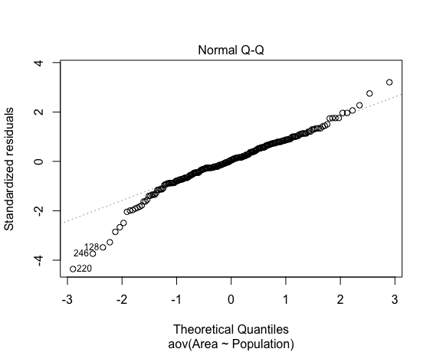
Shell_Transect_Area
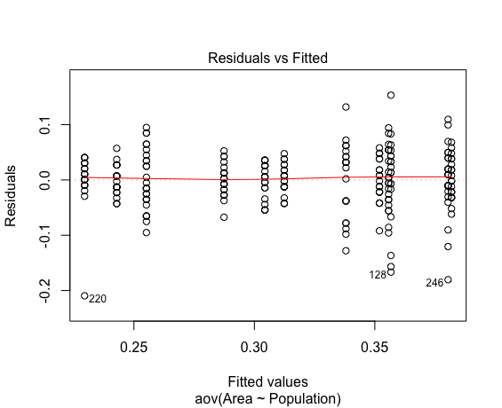
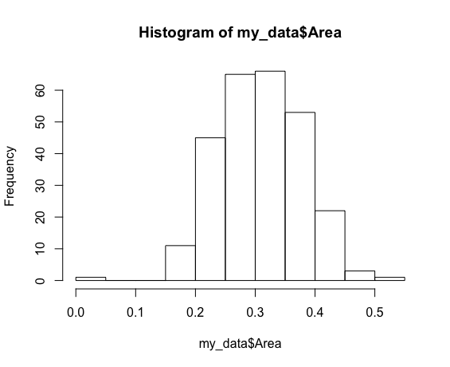
Shapiro-Wilk normality test
data: aov_residuals
W = 0.95802, p-value = 5.49e-07

Kruskal-Wallis rank sum test
data: Area by Population
Kruskal-Wallis chi-squared = 150.63, df = 11, p-value < 2.2e-16

Data Summary Statistics
Population | count | mean | sd
<fct> | <int> | <dbl> | <dbl>
CPS | 23 | 0.304 | 0.0306
CRWA | 25 | 0.312 | 0.025
DHFA | 22 | 0.382 | 0.0358
FPPI | 20 | 0.338 | 0.0689
HGRF | 21 | 0.243 | 0.0269
IRO | 18 | 0.357 | 0.084
OICP | 23 | 0.287 | 0.0283
PCRA | 21 | 0.356 | 0.0542
PPNP | 27 | 0.255 | 0.0539
PTP | 21 | 0.23 | 0.0521
RRL | 25 | 0.38 | 0.0629
RRO | 21 | 0.352 | 0.0387

Pairwise comparisons using t tests with pooled SD

 | CPS | CRWA | DHFA | FPPI | HGRF | IRO | OICP | PCRA | PPNP | PTP | RRL
CRWA | 6.09E-01 | - | - | - | - | - | - | - | - | - | -
DHFA | 8.20E-07 | 6.20E-06 | - | - | - | - | - | - | - | - | -
FPPI | 3.77E-02 | 0.10712 | 0.00679 | - | - | - | - | - | - | - | -
HGRF | 9.90E-05 | 7.60E-06 | < 2e-16 | 8.70E-09 | - | - | - | - | - | - | -
IRO | 1.56E-03 | 0.00638 | 0.13366 | 0.28312 | 4.20E-11 | - | - | - | - | - | -
OICP | 2.83E-01 | 0.10568 | 2.30E-09 | 0.0016 | 0.00509 | 2.70E-05 | - | - | - | - | -
PCRA | 1.21E-03 | 0.00537 | 0.10712 | 0.28537 | 1.10E-11 | 0.95205 | 1.60E-05 | - | - | - | -
PPNP | 1.00E-03 | 8.40E-05 | 8.20E-16 | 1.10E-07 | 0.42248 | 3.90E-10 | 0.03228 | 9.70E-11 | - | - | -
PTP | 2.50E-06 | 1.10E-07 | < 2e-16 | 8.60E-11 | 0.41934 | 2.50E-13 | 0.00025 | 5.70E-14 | 0.1004 | - | -
RRL | 6.00E-07 | 4.90E-06 | 0.9358 | 0.00684 | < 2e-16 | 0.14435 | 1.30E-09 | 0.11413 | 2.30E-16 | < 2e-16 | -
RRO | 0.0027 | 0.01079 | 0.06682 | 0.41065 | 4.30E-11 | 0.80004 | 4.50E-05 | 0.82738 | 4.10E-10 | 2.50E-13 | 0.07115

ANOVA

Df Sum Sq Mean Sq F value Pr(>F)
Population 11 0.6900 0.06273 25.86 <2e-16 ***
Residuals 255 0.6186 0.00243
---
Signif. codes: 0 ‘***’ 0.001 ‘**’ 0.01 ‘*’ 0.05 ‘.’ 0.1 ‘ ’ 1

Tukey multiple comparisons of means
95% family-wise confidence level

$Population
 | diff | lwr | upr | p adj
CRWA-CPS | 0.008052174 | -0.038892467 | 0.054996815 | 0.9999906
DHFA-CPS | 0.077470356 | 0.029016278 | 0.125924433 | 0.0000183
FPPI-CPS | 0.033652174 | -0.016024744 | 0.083329092 | 0.5261702
HGRF-CPS | -0.061490683 | -0.110530869 | -0.012450498 | 0.0027602
IRO-CPS | 0.052318841 | 0.00118704 | 0.103450641 | 0.0396725
OICP-CPS | -0.016956522 | -0.064869196 | 0.030956152 | 0.9909001
PCRA-CPS | 0.05136646 | 0.002326274 | 0.100406645 | 0.0309244
PPNP-CPS | -0.049162641 | -0.095266633 | -0.003058649 | 0.0253237
PTP-CPS | -0.074824017 | -0.123864202 | -0.025783831 | 0.0000578
RRL-CPS | 0.076052174 | 0.029107533 | 0.122996815 | 0.000013
RRO-CPS | 0.047556936 | -0.001483249 | 0.096597121 | 0.066837
DHFA-CRWA | 0.069418182 | 0.021921102 | 0.116915262 | 0.0001534
FPPI-CRWA | 0.0256 | -0.023143935 | 0.074343935 | 0.8515338
HGRF-CRWA | -0.069542857 | -0.117637709 | -0.021448005 | 0.0001932
IRO-CRWA | 0.044266667 | -0.005959184 | 0.094492517 | 0.1445934
OICP-CRWA | -0.025008696 | -0.071953337 | 0.021935946 | 0.8391812
PCRA-CRWA | 0.043314286 | -0.004780566 | 0.091409138 | 0.1234694
PPNP-CRWA | -0.057214815 | -0.102311967 | -0.012117663 | 0.002278
PTP-CRWA | -0.08287619 | -0.130971043 | -0.034781338 | 0.0000023
RRL-CRWA | 0.068 | 0.022043778 | 0.113956222 | 0.0001169
RRO-CRWA | 0.039504762 | -0.00859009 | 0.087599614 | 0.2276595
FPPI-DHFA | -0.043818182 | -0.094017479 | 0.006381115 | 0.1547108
HGRF-DHFA | -0.138961039 | -0.188530314 | -0.089391764 | 0
IRO-DHFA | -0.025151515 | -0.07679098 | 0.02648795 | 0.9053466
OICP-DHFA | -0.094426877 | -0.142880955 | -0.0459728 | 0
PCRA-DHFA | -0.026103896 | -0.075673171 | 0.023465379 | 0.8492464
PPNP-DHFA | -0.126632997 | -0.17329938 | -0.079966613 | 0
PTP-DHFA | -0.152294372 | -0.201863648 | -0.102725097 | 0
RRL-DHFA | -0.001418182 | -0.048915262 | 0.046078898 | 1
RRO-DHFA | -0.02991342 | -0.079482695 | 0.019655855 | 0.6993904
HGRF-FPPI | -0.095142857 | -0.145908117 | -0.044377597 | 0.0000002
IRO-FPPI | 0.018666667 | -0.034121901 | 0.071455234 | 0.9909621
OICP-FPPI | -0.050608696 | -0.100285613 | -0.000931778 | 0.0414986
PCRA-FPPI | 0.017714286 | -0.033050974 | 0.068479545 | 0.9919051
PPNP-FPPI | -0.082814815 | -0.130749665 | -0.034879964 | 0.0000022
PTP-FPPI | -0.10847619 | -0.15924145 | -0.057710931 | 0
RRL-FPPI | 0.0424 | -0.006343935 | 0.091143935 | 0.1584598
RRO-FPPI | 0.013904762 | -0.036860498 | 0.064670022 | 0.9990478
IRO-HGRF | 0.113809524 | 0.061619712 | 0.165999336 | 0
OICP-HGRF | 0.044534161 | -0.004506024 | 0.093574347 | 0.1159061
PCRA-HGRF | 0.112857143 | 0.062714793 | 0.162999492 | 0
PPNP-HGRF | 0.012328042 | -0.034946618 | 0.059602703 | 0.9993989
PTP-HGRF | -0.013333333 | -0.063475683 | 0.036809016 | 0.9992778
RRL-HGRF | 0.137542857 | 0.089448005 | 0.185637709 | 0
RRO-HGRF | 0.109047619 | 0.05890527 | 0.159189969 | 0
OICP-IRO | -0.069275362 | -0.120407163 | -0.018143562 | 0.0007136
PCRA-IRO | -0.000952381 | -0.053142193 | 0.051237431 | 1
PPNP-IRO | -0.101481481 | -0.150922505 | -0.052040458 | 0
PTP-IRO | -0.127142857 | -0.179332669 | -0.074953045 | 0
RRL-IRO | 0.023733333 | -0.026492517 | 0.073959184 | 0.9219737
RRO-IRO | -0.004761905 | -0.056951717 | 0.047427907 | 1
PCRA-OICP | 0.068322981 | 0.019282796 | 0.117363167 | 0.0004156
PPNP-OICP | -0.032206119 | -0.078310111 | 0.013897873 | 0.4762562
PTP-OICP | -0.057867495 | -0.10690768 | -0.00882731 | 0.0069383
RRL-OICP | 0.093008696 | 0.046064054 | 0.139953337 | 0
RRO-OICP | 0.064513458 | 0.015473272 | 0.113553643 | 0.0012234
PPNP-PCRA | -0.100529101 | -0.147803761 | -0.05325444 | 0
PTP-PCRA | -0.126190476 | -0.176332826 | -0.076048127 | 0
RRL-PCRA | 0.024685714 | -0.023409138 | 0.072780566 | 0.869937
RRO-PCRA | -0.003809524 | -0.053951873 | 0.046332826 | 1
PTP-PPNP | -0.025661376 | -0.072936036 | 0.021613285 | 0.8217906
RRL-PPNP | 0.125214815 | 0.080117663 | 0.170311967 | 0
RRO-PPNP | 0.096719577 | 0.049444916 | 0.143994237 | 0
RRL-PTP | 0.15087619 | 0.102781338 | 0.198971043 | 0
RRO-PTP | 0.122380952 | 0.072238603 | 0.172523302 | 0
RRO-RRL | -0.028495238 | -0.07659009 | 0.019599614 | 0.7234958

Shell_Transect_Ferets
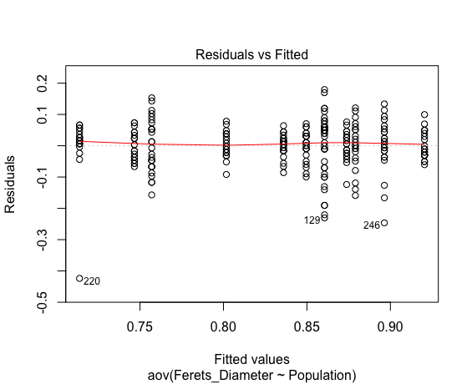
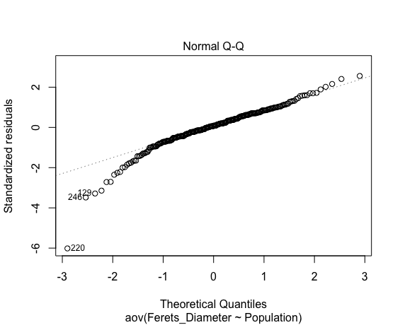
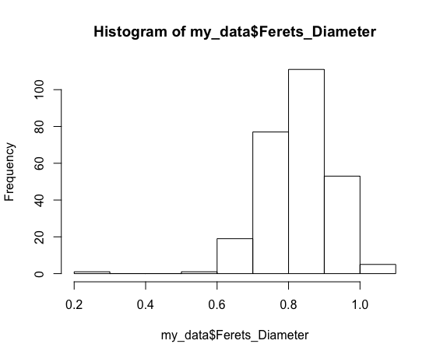
Shell_Transect_Ferets_Diameter

Shapiro-Wilk normality test
data: aov_residuals
W = 0.92751, p-value = 3.912e-10

Kruskal-Wallis rank sum test
data: Ferets_Diameter by Population
Kruskal-Wallis chi-squared = 128.85, df = 11, p-value < 2.2e-16

Data Summary Statistics
Population | count | mean | sd
<fct> | <int> | <dbl> | <dbl>
CPS | 23 | 0.85 | 0.0474
CRWA | 25 | 0.836 | 0.0345
DHFA | 22 | 0.92 | 0.0438
FPPI | 20 | 0.86 | 0.101
HGRF | 21 | 0.747 | 0.045
IRO | 18 | 0.861 | 0.113
OICP | 23 | 0.802 | 0.0402
PCRA | 21 | 0.879 | 0.0775
PPNP | 27 | 0.757 | 0.0855
PTP | 21 | 0.714 | 0.101
RRL | 25 | 0.896 | 0.0838
RRO | 21 | 0.874 | 0.046

Pairwise comparisons using t tests with pooled SD

 | CPS | CRWA | DHFA | FPPI | HGRF | IRO | OICP | PCRA | PPNP | PTP | RRL
CRWA | 5.77E-01 | - | - | - | - | - | - | - | - | - | -
DHFA | 2.41E-03 | 0.0002 | - | - | - | - | - | - | - | - | -
FPPI | 6.49E-01 | 0.32878 | 0.01533 | - | - | - | - | - | - | - | -
HGRF | 1.20E-05 | 0.00011 | 1.60E-12 | 3.10E-06 | - | - | - | - | - | - | -
IRO | 6.49E-01 | 0.33273 | 0.01806 | 0.99811 | 5.60E-06 | - | - | - | - | - | -
OICP | 4.33E-02 | 0.14284 | 3.30E-07 | 0.01603 | 0.02158 | 0.01867 | - | - | - | - | -
PCRA | 2.34E-01 | 0.0691 | 0.09188 | 0.48348 | 5.10E-08 | 0.48469 | 0.00105 | - | - | - | -
PPNP | 2.60E-05 | 0.00025 | 1.60E-12 | 6.80E-06 | 0.64864 | 1.20E-05 | 0.04952 | 9.50E-08 | - | - | -
PTP | 1.10E-08 | 1.40E-07 | 2.40E-16 | 3.00E-09 | 0.19061 | 7.30E-09 | 0.00018 | 2.40E-11 | 0.06383 | - | -
RRL | 4.33E-02 | 0.00699 | 0.32878 | 0.14152 | 2.00E-10 | 0.15053 | 2.50E-05 | 0.48348 | 2.40E-10 | 4.00E-14 | -
RRO | 0.33239 | 0.11446 | 0.0566 | 0.61125 | 1.40E-07 | 0.6147 | 0.00237 | 0.82684 | 2.80E-07 | 8.30E-11 | 0.34976

ANOVA

Df Sum Sq Mean Sq F value Pr(>F)
Population 11 1.016 0.09241 17.73 <2e-16 ***
Residuals 255 1.329 0.00521
---
Signif. codes: 0 ‘***’ 0.001 ‘**’ 0.01 ‘*’ 0.05 ‘.’ 0.1 ‘ ’ 1

Tukey multiple comparisons of means
95% family-wise confidence level

$Population
 | diff | lwr | upr | p adj
CRWA-CPS | -1.36E-02 | -0.082373785 | 0.05524335 | 0.9999611
DHFA-CPS | 7.09E-02 | -0.0001316779 | 0.14191033 | 0.0509162
FPPI-CPS | 1.09E-02 | -0.0618785876 | 0.08374815 | 0.9999976
HGRF-CPS | -1.03E-01 | -0.1747786377 | -0.03101846 | 0.0002388
IRO-CPS | 1.10E-02 | -0.06395551 | 0.08593619 | 0.9999982
OICP-CPS | -4.78E-02 | -0.1180535372 | 0.02240136 | 0.51762
PCRA-CPS | 2.95E-02 | -0.0423976853 | 0.10136249 | 0.9709618
PPNP-CPS | -9.25E-02 | -0.1601045759 | -0.02495178 | 0.0005835
PTP-CPS | -1.36E-01 | -0.2076357805 | -0.06387561 | 0.0000001
RRL-CPS | 4.68E-02 | -0.021973785 | 0.11564335 | 0.5184837
RRO-CPS | 2.42E-02 | -0.0476357805 | 0.09612439 | 0.9939162
DHFA-CRWA | 8.45E-02 | 0.0148362469 | 0.15407284 | 0.0046249
FPPI-CRWA | 2.45E-02 | -0.0469458612 | 0.09594586 | 0.9930034
HGRF-CRWA | -8.93E-02 | -0.1598278091 | -0.01883886 | 0.0023218
IRO-CRWA | 2.46E-02 | -0.0490624067 | 0.09817352 | 0.9944662
OICP-CRWA | -3.43E-02 | -0.1030694372 | 0.0345477 | 0.8915294
PCRA-CRWA | 4.30E-02 | -0.0274468567 | 0.11354209 | 0.6832724
PPNP-CRWA | -7.90E-02 | -0.1450635941 | -0.01286233 | 0.0058117
PTP-CRWA | -1.22E-01 | -0.1926849519 | -0.051696 | 0.000002
RRL-CRWA | 6.04E-02 | -0.0069598039 | 0.1277598 | 0.1275691
RRO-CRWA | 3.78E-02 | -0.0326849519 | 0.108304 | 0.833051
FPPI-DHFA | -6.00E-02 | -0.1335335873 | 0.0136245 | 0.238393
HGRF-DHFA | -1.74E-01 | -0.2464434733 | -0.10113228 | 0
IRO-DHFA | -5.99E-02 | -0.1355889408 | 0.01579096 | 0.2794049
OICP-DHFA | -1.19E-01 | -0.189736421 | -0.04769441 | 0.0000056
PCRA-DHFA | -4.14E-02 | -0.114062521 | 0.03124867 | 0.770571
PPNP-DHFA | -1.63E-01 | -0.2318182229 | -0.09501679 | 0
PTP-DHFA | -2.07E-01 | -0.2793006162 | -0.13398943 | 0
RRL-DHFA | -2.41E-02 | -0.093672844 | 0.04556375 | 0.992545
RRO-DHFA | -4.66E-02 | -0.1193006162 | 0.02601057 | 0.6105293
HGRF-FPPI | -1.14E-01 | -0.1882419283 | -0.03942474 | 0.0000543
IRO-FPPI | 5.56E-05 | -0.0773186796 | 0.07742979 | 1
OICP-FPPI | -5.88E-02 | -0.1315742397 | 0.0140525 | 0.2516191
PCRA-FPPI | 1.85E-02 | -0.0558609759 | 0.09295621 | 0.9996085
PPNP-FPPI | -1.03E-01 | -0.1737229184 | -0.03320301 | 0.00013
PTP-FPPI | -1.47E-01 | -0.2210990712 | -0.07228188 | 0
RRL-FPPI | 3.59E-02 | -0.0355458612 | 0.10734586 | 0.8853639
RRO-FPPI | 1.33E-02 | -0.0610990712 | 0.08771812 | 0.9999855
IRO-HGRF | 1.14E-01 | 0.0373922727 | 0.19038551 | 0.0001018
OICP-HGRF | 5.51E-02 | -0.0168076232 | 0.12695255 | 0.3278669
PCRA-HGRF | 1.32E-01 | 0.0588853809 | 0.20587652 | 0.0000006
PPNP-HGRF | 1.04E-02 | -0.058921919 | 0.07966266 | 0.9999977
PTP-HGRF | -3.29E-02 | -0.1063527144 | 0.04063843 | 0.9461432
RRL-HGRF | 1.50E-01 | 0.0792388576 | 0.22022781 | 0
RRO-HGRF | 1.27E-01 | 0.0536472856 | 0.20063843 | 0.0000021
OICP-IRO | -5.88E-02 | -0.1337622733 | 0.01612942 | 0.2916452
PCRA-IRO | 1.85E-02 | -0.0580045527 | 0.09498868 | 0.9997085
PPNP-IRO | -1.04E-01 | -0.1759861293 | -0.03105091 | 0.0002497
PTP-IRO | -1.47E-01 | -0.2232426479 | -0.07024942 | 0.0000001
RRL-IRO | 3.58E-02 | -0.0377735178 | 0.10946241 | 0.9055436
RRO-IRO | 1.33E-02 | -0.0632426479 | 0.08975058 | 0.9999896
PCRA-OICP | 7.73E-02 | 0.0054284017 | 0.14918858 | 0.0229448
PPNP-OICP | -4.47E-02 | -0.1122784889 | 0.0228743 | 0.5641316
PTP-OICP | -8.79E-02 | -0.1598096936 | -0.01604952 | 0.0040729
RRL-OICP | 9.47E-02 | 0.0258523019 | 0.16346944 | 0.0005327
RRO-OICP | 7.21E-02 | 0.0001903064 | 0.14395048 | 0.0487161
PPNP-PCRA | -1.22E-01 | -0.1913028714 | -0.05271829 | 0.0000012
PTP-PCRA | -1.65E-01 | -0.2387336668 | -0.09174252 | 0
RRL-PCRA | 1.74E-02 | -0.0531420948 | 0.08784686 | 0.999653
RRO-PCRA | -5.24E-03 | -0.0787336668 | 0.06825748 | 1
PTP-PPNP | -4.32E-02 | -0.1125198026 | 0.02606478 | 0.6530743
RRL-PPNP | 1.39E-01 | 0.0732623318 | 0.20546359 | 0
RRO-PPNP | 1.17E-01 | 0.0474801974 | 0.18606478 | 0.0000044
RRL-PTP | 1.83E-01 | 0.1120960004 | 0.25308495 | 0
RRO-PTP | 1.60E-01 | 0.0865044285 | 0.23349557 | 0
RRO-RRL | -2.26E-02 | -0.0930849519 | 0.047904 | 0.9960824

Shell_Transect_Perimeter
Shell_Transect_Perimeter
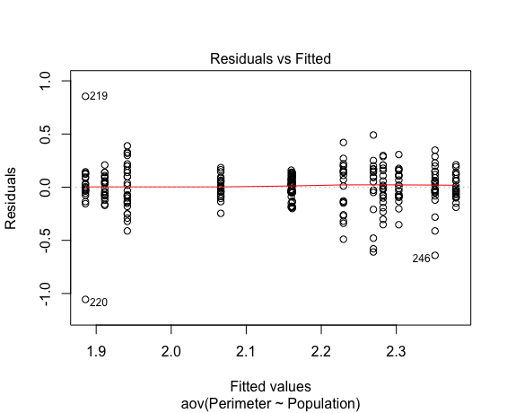
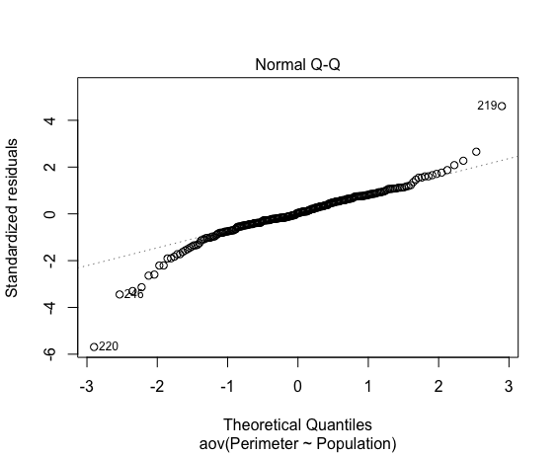
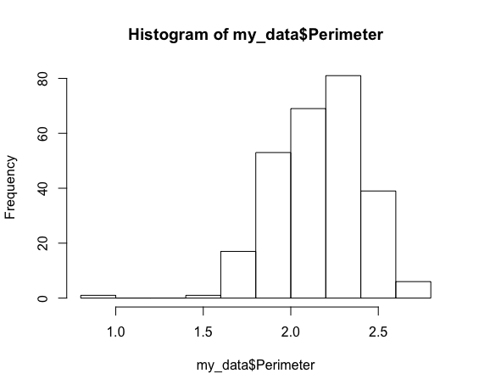
Shapiro-Wilk normality test
data: aov_residuals
W = 0.92677, p-value = 3.367e-10

Kruskal-Wallis rank sum test
data: Perimeter by Population
Kruskal-Wallis chi-squared = 134.15, df = 11, p-value < 2.2e-16

Data Summary Statistics
Population | count | mean | sd
<fct> | <int> | <dbl> | <dbl>
CPS | 23 | 2.16 | 0.108
CRWA | 25 | 2.16 | 0.0922
DHFA | 22 | 2.38 | 0.109
FPPI | 20 | 2.23 | 0.245
HGRF | 21 | 1.91 | 0.106
IRO | 18 | 2.27 | 0.295
OICP | 23 | 2.07 | 0.102
PCRA | 21 | 2.28 | 0.184
PPNP | 27 | 1.94 | 0.219
PTP | 21 | 1.89 | 0.315
RRL | 25 | 2.35 | 0.211
RRO | 21 | 2.3 | 0.149

Pairwise comparisons using t tests with pooled SD

 | CPS | CRWA | DHFA | FPPI | HGRF | IRO | OICP | PCRA | PPNP | PTP | RRL
CRWA | 9.81E-01 | - | - | - | - | - | - | - | - | - | -
DHFA | 3.40E-04 | 0.00024 | - | - | - | - | - | - | - | - | -
FPPI | 2.90E-01 | 0.27372 | 0.01984 | - | - | - | - | - | - | - | -
HGRF | 5.30E-05 | 4.20E-05 | 5.90E-13 | 6.90E-07 | - | - | - | - | - | - | -
IRO | 1.03E-01 | 0.09541 | 0.10192 | 0.57973 | 6.50E-08 | - | - | - | - | - | -
OICP | 1.24E-01 | 0.12415 | 3.10E-07 | 0.00999 | 0.01371 | 0.00156 | - | - | - | - | -
PCRA | 5.49E-02 | 0.04911 | 0.12794 | 0.43303 | 6.80E-09 | 0.84514 | 0.00044 | - | - | - | -
PPNP | 1.50E-04 | 0.00012 | 6.10E-13 | 1.80E-06 | 0.63538 | 1.60E-07 | 0.03571 | 1.40E-08 | - | - | -
PTP | 7.90E-06 | 6.00E-06 | 9.40E-14 | 9.10E-08 | 0.69293 | 7.70E-09 | 0.00361 | 7.60E-10 | 0.37024 | - | -
RRL | 1.28E-03 | 0.00093 | 0.65508 | 0.05212 | 1.80E-12 | 0.21539 | 1.40E-06 | 0.27352 | 2.00E-12 | 2.30E-13 | -
RRO | 0.02357 | 0.01984 | 0.24569 | 0.27267 | 1.10E-09 | 0.63538 | 0.00012 | 0.74373 | 2.20E-09 | 1.00E-10 | 0.44571

ANOVA

Df Sum Sq Mean Sq F value Pr(>F)
Population 11 7.405 0.6732 18.64 <2e-16 ***
Residuals 255 9.209 0.0361
---
Signif. codes: 0 ‘***’ 0.001 ‘**’ 0.01 ‘*’ 0.05 ‘.’ 0.1 ‘ ’ 1

Tukey multiple comparisons of means
95% family-wise confidence level

$Population
 | diff | lwr | upr | p adj
CRWA-CPS | -0.001304348 | -0.182430458 | 0.179821762 | 1
DHFA-CPS | 0.218241107 | 0.031291153 | 0.40519106 | 0.0080724
FPPI-CPS | 0.068195652 | -0.123472376 | 0.25986368 | 0.9904903
HGRF-CPS | -0.249875776 | -0.439087105 | -0.060664447 | 0.0011419
IRO-CPS | 0.108140097 | -0.089141294 | 0.305421487 | 0.8122069
OICP-CPS | -0.095217391 | -0.280078453 | 0.08964367 | 0.8672436
PCRA-CPS | 0.121076605 | -0.068134724 | 0.310287934 | 0.6154934
PPNP-CPS | -0.219822866 | -0.397705506 | -0.041940227 | 0.003479
PTP-CPS | -0.275590062 | -0.464801391 | -0.086378733 | 0.0001652
RRL-CPS | 0.190295652 | 0.009169542 | 0.371421762 | 0.0299093
RRO-CPS | 0.142028986 | -0.047182343 | 0.331240314 | 0.3598326
DHFA-CRWA | 0.219545455 | 0.036287874 | 0.402803035 | 0.0055727
FPPI-CRWA | 0.0695 | -0.118568308 | 0.257568308 | 0.9870555
HGRF-CRWA | -0.248571429 | -0.434135387 | -0.063007471 | 0.0008817
IRO-CRWA | 0.109444444 | -0.084341527 | 0.303230416 | 0.7807581
OICP-CRWA | -0.093913043 | -0.275039153 | 0.087213066 | 0.8620479
PCRA-CRWA | 0.122380952 | -0.063183006 | 0.30794491 | 0.5688961
PPNP-CRWA | -0.218518519 | -0.392516475 | -0.044520562 | 0.0026905
PTP-CRWA | -0.274285714 | -0.459849672 | -0.088721756 | 0.0001196
RRL-CRWA | 0.1916 | 0.014287499 | 0.368912501 | 0.0217207
RRO-CRWA | 0.143333333 | -0.042230625 | 0.328897291 | 0.315445
FPPI-DHFA | -0.150045455 | -0.343728975 | 0.043638066 | 0.3109896
HGRF-DHFA | -0.468116883 | -0.659369596 | -0.276864171 | 0
IRO-DHFA | -0.11010101 | -0.309341117 | 0.089139097 | 0.8040138
OICP-DHFA | -0.313458498 | -0.500408452 | -0.126508544 | 0.0000051
PCRA-DHFA | -0.097164502 | -0.288417215 | 0.09408821 | 0.8775585
PPNP-DHFA | -0.438063973 | -0.618116483 | -0.258011463 | 0
PTP-DHFA | -0.493831169 | -0.685083881 | -0.302578456 | 0
RRL-DHFA | -0.027945455 | -0.211203035 | 0.155312126 | 0.9999972
RRO-DHFA | -0.076212121 | -0.267464834 | 0.115040591 | 0.9766365
HGRF-FPPI | -0.318071429 | -0.513938598 | -0.122204259 | 0.0000122
IRO-FPPI | 0.039944444 | -0.163729236 | 0.243618125 | 0.9999631
OICP-FPPI | -0.163413043 | -0.355081072 | 0.028254985 | 0.1810957
PCRA-FPPI | 0.052880952 | -0.142986217 | 0.248748121 | 0.9991674
PPNP-FPPI | -0.288018519 | -0.472965144 | -0.103071893 | 0.0000354
PTP-FPPI | -0.343785714 | -0.539652883 | -0.147918545 | 0.0000013
RRL-FPPI | 0.1221 | -0.065968308 | 0.310168308 | 0.5933796
RRO-FPPI | 0.073833333 | -0.122033836 | 0.269700502 | 0.9848322
IRO-HGRF | 0.358015873 | 0.156652366 | 0.55937938 | 0.0000009
OICP-HGRF | 0.154658385 | -0.034552944 | 0.343869714 | 0.2341784
PCRA-HGRF | 0.370952381 | 0.177488581 | 0.564416181 | 0.0000001
PPNP-HGRF | 0.03005291 | -0.15234651 | 0.21245233 | 0.9999938
PTP-HGRF | -0.025714286 | -0.219178086 | 0.167749514 | 0.9999993
RRL-HGRF | 0.440171429 | 0.254607471 | 0.625735387 | 0
RRO-HGRF | 0.391904762 | 0.198440962 | 0.585368562 | 0
OICP-IRO | -0.203357488 | -0.400638879 | -0.006076097 | 0.0367264
PCRA-IRO | 0.012936508 | -0.188426999 | 0.214300015 | 1
PPNP-IRO | -0.327962963 | -0.518720842 | -0.137205084 | 0.0000025
PTP-IRO | -0.383730159 | -0.585093666 | -0.182366652 | 0.0000001
RRL-IRO | 0.082155556 | -0.111630416 | 0.275941527 | 0.9629831
RRO-IRO | 0.033888889 | -0.167474618 | 0.235252396 | 0.9999923
PCRA-OICP | 0.216293996 | 0.027082667 | 0.405505325 | 0.0107403
PPNP-OICP | -0.124605475 | -0.302488115 | 0.053277165 | 0.4717282
PTP-OICP | -0.180372671 | -0.369584 | 0.008838658 | 0.0778521
RRL-OICP | 0.285513043 | 0.104386934 | 0.466639153 | 0.0000262
RRO-OICP | 0.237246377 | 0.048035048 | 0.426457706 | 0.0027607
PPNP-PCRA | -0.340899471 | -0.523298891 | -0.158500051 | 0.0000002
PTP-PCRA | -0.396666667 | -0.590130467 | -0.203202867 | 0
RRL-PCRA | 0.069219048 | -0.11634491 | 0.254783006 | 0.986048
RRO-PCRA | 0.020952381 | -0.172511419 | 0.214416181 | 0.9999999
PTP-PPNP | -0.055767196 | -0.238166616 | 0.126632224 | 0.9974102
RRL-PPNP | 0.410118519 | 0.236120562 | 0.584116475 | 0
RRO-PPNP | 0.361851852 | 0.179452432 | 0.544251272 | 0
RRL-PTP | 0.465885714 | 0.280321756 | 0.651449672 | 0
RRO-PTP | 0.417619048 | 0.224155248 | 0.611082848 | 0
RRO-RRL | -0.048266667 | -0.233830625 | 0.137297291 | 0.9994132

Shell_Height
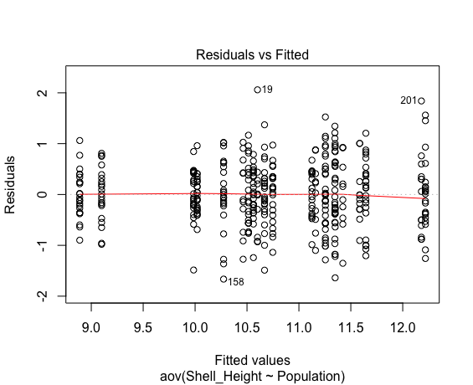
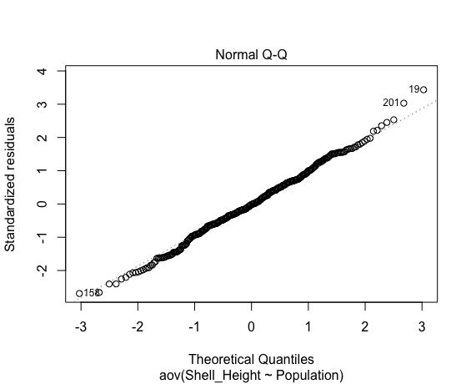
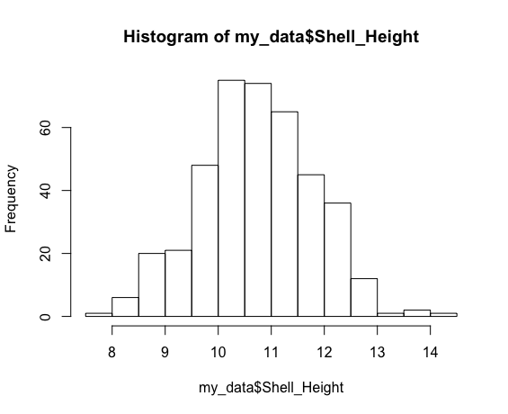
Shell_Height
 |  |  |  |  |  |  |  |  |  |  |  |  |  |  |  |  |  |  |  |  | 9.49 | PTP
Shapiro-Wilk normality test |  |  |  |  |  |  |  |  |  |  |  |  |  |  |  |  |  |  |  |  | 9.35 | PTP
data: aov_residuals |  |  |  |  |  |  |  |  |  |  |  |  |  |  |  |  |  |  |  |  | 9.05 | PTP
W = 0.99688, p-value = 0.6274 |  |  |  |  |  |  |  |  |  |  |  |  |  |  |  |  |  |  |  |  | 9.3 | PTP
 |  |  |  |  |  |  |  |  |  |  |  |  |  |  |  |  |  |  |  |  | 8.94 | PTP
 |  |  |  |  |  |  |  |  |  |  |  |  |  |  |  |  |  |  |  |  | 9.26 | PTP
Kruskal-Wallis rank sum test |  |  |  |  |  |  |  |  |  |  |  |  |  |  |  |  |  |  |  |  | 8.14 | PTP
data: Shell_Height by Population |  |  |  |  |  |  |  |  |  |  |  |  |  |  |  |  |  |  |  |  | 8.88 | PTP
Kruskal-Wallis chi-squared = 260.31, df = 20, p-value < 2.2e-16 |  |  |  |  |  |  |  |  |  |  |  |  |  |  |  |  |  |  |  |  | 8.91 | PTP
 |  |  |  |  |  |  |  |  |  |  |  |  |  |  |  |  |  |  |  |  | 8.63 | PTP
Data Summary Statistics |  |  |  |  |  |  |  |  |  |  |  |  |  |  |  |  |  |  |  |  | 9.91 | PTP
Population | count | mean | sd |  |  |  |  |  |  |  |  |  |  |  |  |  |  |  |  |  | 8.45 | PTP
<fct> | <int> | <dbl> | <dbl> |  |  |  |  |  |  |  |  |  |  |  |  |  |  |  |  |  | 9.11 | PTP
BHP | 10 | 10.6 | 0.886 |  |  |  |  |  |  |  |  |  |  |  |  |  |  |  |  |  | 9.87 | PTP
CPS | 23 | 10 | 0.366 |  |  |  |  |  |  |  |  |  |  |  |  |  |  |  |  |  | 9.85 | PTP
CRWA | 25 | 10.6 | 0.457 |  |  |  |  |  |  |  |  |  |  |  |  |  |  |  |  |  | 8.99 | PTP
DHFA | 25 | 11.6 | 0.697 |  |  |  |  |  |  |  |  |  |  |  |  |  |  |  |  |  | 9.42 | PTP
FPPI | 11 | 11.6 | 0.579 |  |  |  |  |  |  |  |  |  |  |  |  |  |  |  |  |  | 9.68 | PTP
FSSP | 22 | 10.7 | 0.546 |  |  |  |  |  |  |  |  |  |  |  |  |  |  |  |  |  | 9.19 | PTP
HGRF | 23 | 8.89 | 0.463 |  |  |  |  |  |  |  |  |  |  |  |  |  |  |  |  |  | 8.12 | PTP
HNL | 32 | 11.3 | 0.74 |  |  |  |  |  |  |  |  |  |  |  |  |  |  |  |  |  | 8.55 | PTP
IRO | 13 | 12.2 | 0.804 |  |  |  |  |  |  |  |  |  |  |  |  |  |  |  |  |  | 9.0995238095
MPO | 24 | 10.3 | 0.719
# ... with 11 more rows

Pairwise comparisons using t tests with pooled SD

 | BHP | CPS | CRWA | DHFA | FPPI | FSSP | HGRF | HNL | IRO | MPO | MRLP | NRVP | OICP | PCRA | PPFD | PPNP | PTP | RRL | RRO | STT
CPS | 2.21E-02 | - | - | - | - | - | - | - | - | - | - | - | - | - | - | - | - | - | - | -
CRWA | 8.76E-01 | 0.00512 | - | - | - | - | - | - | - | - | - | - | - | - | - | - | - | - | - | -
DHFA | 3.10E-05 | < 2e-16 | 1.10E-08 | - | - | - | - | - | - | - | - | - | - | - | - | - | - | - | - | -
FPPI | 7.30E-04 | 2.00E-10 | 2.40E-05 | 0.82194 | - | - | - | - | - | - | - | - | - | - | - | - | - | - | - | -
FSSP | 5.99E-01 | 0.00026 | 0.36932 | 4.60E-06 | 0.00068 | - | - | - | - | - | - | - | - | - | - | - | - | - | - | -
HGRF | 1.90E-11 | 1.00E-08 | < 2e-16 | < 2e-16 | < 2e-16 | < 2e-16 | - | - | - | - | - | - | - | - | - | - | - | - | - | -
HNL | 7.01E-03 | 1.90E-11 | 0.0001 | 0.02969 | 0.16921 | 0.0063 | < 2e-16 | - | - | - | - | - | - | - | - | - | - | - | - | -
IRO | 2.00E-08 | < 2e-16 | 2.40E-12 | 0.0194 | 0.03062 | 1.00E-09 | < 2e-16 | 2.60E-05 | - | - | - | - | - | - | - | - | - | - | - | -
MPO | 2.11E-01 | 0.20891 | 0.14526 | 1.30E-12 | 7.00E-08 | 0.01665 | 2.00E-12 | 5.60E-08 | 4.30E-16 | - | - | - | - | - | - | - | - | - | - | -
MRLP | 6.10E-03 | 3.00E-08 | 0.00057 | 0.40461 | 0.60875 | 0.00822 | < 2e-16 | 0.51767 | 0.00715 | 5.10E-06 | - | - | - | - | - | - | - | - | - | -
NRVP | 0.75945 | 0.01465 | 0.82194 | 1.10E-08 | 1.70E-05 | 0.27285 | 2.20E-15 | 8.00E-05 | 2.60E-12 | 0.25284 | 0.00041 | - | - | - | - | - | - | - | - | -
OICP | 0.01533 | 0.87042 | 0.00293 | < 2e-16 | 8.40E-11 | 0.00013 | 2.70E-08 | 5.60E-12 | < 2e-16 | 0.15097 | 1.40E-08 | 0.00896 | - | - | - | - | - | - | - | -
PCRA | 0.0048 | 3.30E-10 | 0.00014 | 0.16061 | 0.37802 | 0.00495 | < 2e-16 | 0.67061 | 0.00061 | 2.60E-07 | 0.79665 | 0.0001 | 1.20E-10 | - | - | - | - | - | - | -
PPFD | 0.80368 | 0.00068 | 0.5991 | 1.80E-07 | 0.00014 | 0.70954 | < 2e-16 | 0.00087 | 3.70E-11 | 0.03855 | 0.00248 | 0.4605 | 0.00036 | 0.00091 | - | - | - | - | - | -
PPNP | 0.66762 | 0.07488 | 0.70954 | 1.00E-06 | 8.20E-05 | 0.27094 | 1.60E-10 | 0.00068 | 4.00E-10 | 0.46991 | 0.00098 | 0.84835 | 0.05398 | 0.00055 | 0.41884 | - | - | - | - | -
PTP | 5.50E-09 | 5.10E-06 | 2.90E-13 | < 2e-16 | < 2e-16 | 1.80E-15 | 0.32354 | < 2e-16 | < 2e-16 | 4.40E-09 | < 2e-16 | 1.00E-11 | 1.10E-05 | < 2e-16 | 3.10E-15 | 4.30E-08 | - | - | - | -
RRL | 3.40E-10 | < 2e-16 | < 2e-16 | 0.00385 | 0.01111 | 1.00E-12 | < 2e-16 | 2.70E-07 | 0.87526 | < 2e-16 | 0.00197 | 4.60E-16 | < 2e-16 | 4.90E-05 | 6.50E-15 | 2.60E-12 | < 2e-16 | - | - | -
RRO | 0.00396 | 9.80E-11 | 8.60E-05 | 0.15203 | 0.37473 | 0.00375 | < 2e-16 | 0.65505 | 0.00049 | 1.10E-07 | 0.79665 | 6.40E-05 | 3.40E-11 | 0.99094 | 0.00062 | 0.00042 | < 2e-16 | 3.20E-05 | - | -
STT | 0.0646 | 6.80E-06 | 0.01692 | 0.05481 | 0.15701 | 0.11441 | < 2e-16 | 0.71947 | 0.00029 | 0.00044 | 0.4068 | 0.01206 | 3.60E-06 | 0.51015 | 0.05062 | 0.01707 | 2.70E-15 | 3.80E-05 | 0.49721 | -
TGCP | 0.04901 | 1.40E-07 | 0.00643 | 0.01209 | 0.07603 | 0.07952 | < 2e-16 | 0.54139 | 1.50E-05 | 4.50E-05 | 0.28165 | 0.00451 | 5.90E-08 | 0.34934 | 0.02646 | 0.00968 | < 2e-16 | 3.40E-07 | 0.33058 | 0.8944

ANOVA

Df Sum Sq Mean Sq F value Pr(>F)
Population 20 301.4 15.071 37.75 <2e-16 ***
Residuals 386 154.1 0.399
---
Signif. codes: 0 ‘***’ 0.001 ‘**’ 0.01 ‘*’ 0.05 ‘.’ 0.1 ‘ ’ 1

Tukey multiple comparisons of means
95% family-wise confidence level

$Population
 | diff | lwr | upr | p adj
CPS-BHP | -0.581 | -1.441289905 | 0.279289905 | 0.6644857
CRWA-BHP | -0.0394 | -0.889198172 | 0.810398172 | 1
DHFA-BHP | 1.0438 | 0.194001828 | 1.893598172 | 0.0023725
FPPI-BHP | 0.984454545 | -0.007895924 | 1.976805015 | 0.0547381
FSSP-BHP | 0.147181818 | -0.719012685 | 1.013376322 | 1
HGRF-BHP | -1.712304348 | -2.572594253 | -0.852014443 | 0
HNL-BHP | 0.654 | -0.168813542 | 1.476813542 | 0.3413924
IRO-BHP | 1.579 | 0.623690676 | 2.534309324 | 0.0000013
MPO-BHP | -0.326416667 | -1.181258196 | 0.528424862 | 0.9988067
MRLP-BHP | 0.822 | -0.193703088 | 1.837703088 | 0.3074567
NRVP-BHP | -0.087190476 | -0.959806079 | 0.785425127 | 1
OICP-BHP | -0.615347826 | -1.475637731 | 0.244942079 | 0.5536776
PCRA-BHP | 0.745666667 | -0.150099258 | 1.641432592 | 0.2573269
PPFD-BHP | 0.067846154 | -0.777269899 | 0.912962207 | 1
PPNP-BHP | -0.138272727 | -1.130623197 | 0.854077742 | 1
PTP-BHP | -1.50147619 | -2.374091794 | -0.628860587 | 0.0000003
RRL-BHP | 1.617571429 | 0.744955825 | 2.490187032 | 0
RRO-BHP | 0.748 | -0.131624677 | 1.627624677 | 0.2222633
STT-BHP | 0.559 | -0.456703088 | 1.574703088 | 0.9221166
TGCP-BHP | 0.524555556 | -0.37121037 | 1.420321481 | 0.8695521
CRWA-CPS | 0.5416 | -0.114603392 | 1.197803392 | 0.2720938
DHFA-CPS | 1.6248 | 0.968596608 | 2.281003392 | 0
FPPI-CPS | 1.565454545 | 0.732864963 | 2.398044128 | 0
FSSP-CPS | 0.728181818 | 0.050879171 | 1.405484466 | 0.0201181
HGRF-CPS | -1.131304348 | -1.801039131 | -0.461569565 | 0.0000006
HNL-CPS | 1.235 | 0.61413924 | 1.85586076 | 0
IRO-CPS | 2.16 | 1.371925217 | 2.948074783 | 0
MPO-CPS | 0.254583333 | -0.408138326 | 0.917304993 | 0.9987042
MRLP-CPS | 1.403 | 0.542710095 | 2.263289905 | 0.000002
NRVP-CPS | 0.493809524 | -0.191685881 | 1.179304928 | 0.5393826
OICP-CPS | -0.034347826 | -0.704082609 | 0.635386957 | 1
PCRA-CPS | 1.326666667 | 0.611934163 | 2.04139917 | 0
PPFD-CPS | 0.648846154 | -0.001282373 | 1.298974681 | 0.0511405
PPNP-CPS | 0.442727273 | -0.38986231 | 1.275316855 | 0.9430126
PTP-CPS | -0.92047619 | -1.605971595 | -0.234980786 | 0.0003869
RRL-CPS | 2.198571429 | 1.513076024 | 2.884066833 | 0
RRO-CPS | 1.329 | 0.634604198 | 2.023395802 | 0
STT-CPS | 1.14 | 0.279710095 | 2.000289905 | 0.0005174
TGCP-CPS | 1.105555556 | 0.390823052 | 1.820288059 | 0.0000103
DHFA-CRWA | 1.0832 | 0.440812963 | 1.725587037 | 0.0000007
FPPI-CRWA | 1.023854545 | 0.202110287 | 1.845598804 | 0.001814
FSSP-CRWA | 0.186581818 | -0.477343697 | 0.850507333 | 0.9999886
HGRF-CRWA | -1.672904348 | -2.32910774 | -1.016700956 | 0
HNL-CRWA | 0.6934 | 0.087160529 | 1.299639471 | 0.008064
IRO-CRWA | 1.6184 | 0.841791942 | 2.395008058 | 0
MPO-CRWA | -0.287016667 | -0.936060742 | 0.362027408 | 0.9920877
MRLP-CRWA | 0.8614 | 0.011601828 | 1.711198172 | 0.0426903
NRVP-CRWA | -0.047790476 | -0.720071788 | 0.624490836 | 1
OICP-CRWA | -0.575947826 | -1.232151218 | 0.080255566 | 0.1752956
PCRA-CRWA | 0.785066667 | 0.08299775 | 1.487135584 | 0.0114319
PPFD-CRWA | 0.107246154 | -0.528934099 | 0.743426407 | 1
PPNP-CRWA | -0.098872727 | -0.920616986 | 0.722871531 | 1
PTP-CRWA | -1.46207619 | -2.134357502 | -0.789794879 | 0
RRL-CRWA | 1.656971429 | 0.984690117 | 2.329252741 | 0
RRO-CRWA | 0.7874 | 0.106045655 | 1.468754345 | 0.0068342
STT-CRWA | 0.5984 | -0.251398172 | 1.448198172 | 0.5848821
TGCP-CRWA | 0.563955556 | -0.138113361 | 1.266024472 | 0.3213418
FPPI-DHFA | -0.059345455 | -0.881089713 | 0.762398804 | 1
FSSP-DHFA | -0.896618182 | -1.560543697 | -0.232692667 | 0.0003404
HGRF-DHFA | -2.756104348 | -3.41230774 | -2.099900956 | 0
HNL-DHFA | -0.3898 | -0.996039471 | 0.216439471 | 0.7482395
IRO-DHFA | 0.5352 | -0.241408058 | 1.311808058 | 0.6267358
MPO-DHFA | -1.370216667 | -2.019260742 | -0.721172592 | 0
MRLP-DHFA | -0.2218 | -1.071598172 | 0.627998172 | 0.9999966
NRVP-DHFA | -1.130990476 | -1.803271788 | -0.458709164 | 0.0000007
OICP-DHFA | -1.659147826 | -2.315351218 | -1.002944434 | 0
PCRA-DHFA | -0.298133333 | -1.00020225 | 0.403935584 | 0.9951837
PPFD-DHFA | -0.975953846 | -1.612134099 | -0.339773593 | 0.0000131
PPNP-DHFA | -1.182072727 | -2.003816986 | -0.360328469 | 0.0000749
PTP-DHFA | -2.54527619 | -3.217557502 | -1.872994879 | 0
RRL-DHFA | 0.573771429 | -0.098509883 | 1.246052741 | 0.2165302
RRO-DHFA | -0.2958 | -0.977154345 | 0.385554345 | 0.9936708
STT-DHFA | -0.4848 | -1.334598172 | 0.364998172 | 0.8942193
TGCP-DHFA | -0.519244444 | -1.221313361 | 0.182824472 | 0.4857479
FSSP-FPPI | -0.837272727 | -1.675961949 | 0.001416494 | 0.0509752
HGRF-FPPI | -2.696758893 | -3.529348476 | -1.864169311 | 0
HNL-FPPI | -0.330454545 | -1.124261082 | 0.463351991 | 0.9962528
IRO-FPPI | 0.594545455 | -0.335896697 | 1.524987606 | 0.757927
MPO-FPPI | -1.310871212 | -2.137829937 | -0.483912487 | 0.0000049
MRLP-FPPI | -0.162454545 | -1.154805015 | 0.829895924 | 1
NRVP-FPPI | -1.071645022 | -1.916964301 | -0.226325743 | 0.001295
OICP-FPPI | -1.599802372 | -2.432391954 | -0.767212789 | 0
PCRA-FPPI | -0.238787879 | -1.107984799 | 0.630409041 | 0.9999921
PPFD-FPPI | -0.916608392 | -1.733509754 | -0.099707029 | 0.0108553
PPNP-FPPI | -1.122727273 | -2.091162168 | -0.154292377 | 0.0064895
PTP-FPPI | -2.485930736 | -3.331250015 | -1.640611457 | 0
RRL-FPPI | 0.633116883 | -0.212202396 | 1.478436162 | 0.4599927
RRO-FPPI | -0.236454545 | -1.089007338 | 0.616098247 | 0.9999908
STT-FPPI | -0.425454545 | -1.417805015 | 0.566895924 | 0.9945745
TGCP-FPPI | -0.45989899 | -1.32909591 | 0.40929793 | 0.9456136
HGRF-FSSP | -1.859486166 | -2.536788814 | -1.182183518 | 0
HNL-FSSP | 0.506818182 | -0.122198734 | 1.135835098 | 0.315636
IRO-FSSP | 1.431818182 | 0.637301939 | 2.226334425 | 0.0000001
MPO-FSSP | -0.473598485 | -1.143967186 | 0.196770216 | 0.5784104
MRLP-FSSP | 0.674818182 | -0.191376322 | 1.541012685 | 0.3804872
NRVP-FSSP | -0.234372294 | -0.927263445 | 0.458518856 | 0.9997904
OICP-FSSP | -0.762529644 | -1.439832292 | -0.085226997 | 0.0103137
PCRA-FSSP | 0.598484848 | -0.123343904 | 1.320313601 | 0.2641695
PPFD-FSSP | -0.079335664 | -0.737257619 | 0.578586291 | 1
PPNP-FSSP | -0.285454545 | -1.124143767 | 0.553234676 | 0.9997701
PTP-FSSP | -1.648658009 | -2.341549159 | -0.955766858 | 0
RRL-FSSP | 1.47038961 | 0.77749846 | 2.163280761 | 0
RRO-FSSP | 0.600818182 | -0.100879565 | 1.302515928 | 0.2115116
STT-FSSP | 0.411818182 | -0.454376322 | 1.278012685 | 0.9817931
TGCP-FSSP | 0.377373737 | -0.344455016 | 1.09920249 | 0.9514797
HNL-HGRF | 2.366304348 | 1.745443588 | 2.987165108 | 0
IRO-HGRF | 3.291304348 | 2.503229565 | 4.079379131 | 0
MPO-HGRF | 1.385887681 | 0.723166021 | 2.048609341 | 0
MRLP-HGRF | 2.534304348 | 1.674014443 | 3.394594253 | 0
NRVP-HGRF | 1.625113872 | 0.939618467 | 2.310609276 | 0
OICP-HGRF | 1.096956522 | 0.427221739 | 1.766691304 | 0.0000018
PCRA-HGRF | 2.457971014 | 1.743238511 | 3.172703518 | 0
PPFD-HGRF | 1.780150502 | 1.130021975 | 2.430279029 | 0
PPNP-HGRF | 1.574031621 | 0.741442038 | 2.406621203 | 0
PTP-HGRF | 0.210828157 | -0.474667247 | 0.896323562 | 0.9999513
RRL-HGRF | 3.329875776 | 2.644380372 | 4.015371181 | 0
RRO-HGRF | 2.460304348 | 1.765908546 | 3.15470015 | 0
STT-HGRF | 2.271304348 | 1.411014443 | 3.131594253 | 0
TGCP-HGRF | 2.236859903 | 1.5221274 | 2.951592407 | 0
IRO-HNL | 0.925 | 0.178015885 | 1.671984115 | 0.0020384
MPO-HNL | -0.980416667 | -1.593705671 | -0.367127662 | 0.0000038
MRLP-HNL | 0.168 | -0.654813542 | 0.990813542 | 1
NRVP-HNL | -0.741190476 | -1.379020668 | -0.103360284 | 0.0062444
OICP-HNL | -1.269347826 | -1.890208586 | -0.648487066 | 0
PCRA-HNL | 0.091666667 | -0.577486496 | 0.76081983 | 1
PPFD-HNL | -0.586153846 | -1.185812504 | 0.013504812 | 0.0644064
PPNP-HNL | -0.792272727 | -1.586079264 | 0.001533809 | 0.051117
PTP-HNL | -2.15547619 | -2.793306383 | -1.517645998 | 0
RRL-HNL | 0.963571429 | 0.325741236 | 1.601401621 | 0.0000202
RRO-HNL | 0.094 | -0.553386233 | 0.741386233 | 1
STT-HNL | -0.095 | -0.917813542 | 0.727813542 | 1
TGCP-HNL | -0.129444444 | -0.798597608 | 0.539708719 | 1
MPO-IRO | -1.905416667 | -2.687540175 | -1.123293158 | 0
MRLP-IRO | -0.757 | -1.712309324 | 0.198309324 | 0.3472568
NRVP-IRO | -1.666190476 | -2.467702256 | -0.864678696 | 0
OICP-IRO | -2.194347826 | -2.982422609 | -1.406273043 | 0
PCRA-IRO | -0.833333333 | -1.659989087 | -0.006677579 | 0.0455549
PPFD-IRO | -1.511153846 | -2.282635723 | -0.73967197 | 0
PPNP-IRO | -1.717272727 | -2.647714879 | -0.786830576 | 0
PTP-IRO | -3.08047619 | -3.881987971 | -2.27896441 | 0
RRL-IRO | 0.038571429 | -0.762940352 | 0.840083209 | 1
RRO-IRO | -0.831 | -1.640137018 | -0.021862982 | 0.0364506
STT-IRO | -1.02 | -1.975309324 | -0.064690676 | 0.0221018
TGCP-IRO | -1.054444444 | -1.881100198 | -0.227788691 | 0.0011458
MRLP-MPO | 1.148416667 | 0.293575138 | 2.003258196 | 0.0003828
NRVP-MPO | 0.23922619 | -0.439418981 | 0.917871362 | 0.9996149
OICP-MPO | -0.288931159 | -0.951652819 | 0.3737905 | 0.9933355
PCRA-MPO | 1.072083333 | 0.36391819 | 1.780248477 | 0.0000191
PPFD-MPO | 0.394262821 | -0.248638743 | 1.037164384 | 0.8162228
PPNP-MPO | 0.188143939 | -0.638814785 | 1.015102664 | 0.9999997
PTP-MPO | -1.175059524 | -1.853704695 | -0.496414352 | 0.0000003
RRL-MPO | 1.943988095 | 1.265342924 | 2.622633267 | 0
RRO-MPO | 1.074416667 | 0.386782426 | 1.762050908 | 0.0000076
STT-MPO | 0.885416667 | 0.030575138 | 1.740258196 | 0.0328138
TGCP-MPO | 0.850972222 | 0.142807079 | 1.559137366 | 0.0035275
NRVP-MRLP | -0.909190476 | -1.781806079 | -0.036574873 | 0.0304528
OICP-MRLP | -1.437347826 | -2.297637731 | -0.577057921 | 0.0000009
PCRA-MRLP | -0.076333333 | -0.972099258 | 0.819432592 | 1
PPFD-MRLP | -0.754153846 | -1.599269899 | 0.090962207 | 0.1532791
PPNP-MRLP | -0.960272727 | -1.952623197 | 0.032077742 | 0.0716966
PTP-MRLP | -2.32347619 | -3.196091794 | -1.450860587 | 0
RRL-MRLP | 0.795571429 | -0.077044175 | 1.668187032 | 0.1275161
RRO-MRLP | -0.074 | -0.953624677 | 0.805624677 | 1
STT-MRLP | -0.263 | -1.278703088 | 0.752703088 | 0.9999971
TGCP-MRLP | -0.297444444 | -1.19321037 | 0.598321481 | 0.9998412
OICP-NRVP | -0.52815735 | -1.213652754 | 0.157338055 | 0.4025789
PCRA-NRVP | 0.832857143 | 0.103335504 | 1.562378782 | 0.0083046
PPFD-NRVP | 0.15503663 | -0.511316408 | 0.821389669 | 0.9999995
PPNP-NRVP | -0.051082251 | -0.89640153 | 0.794237028 | 1
PTP-NRVP | -1.414285714 | -2.115187434 | -0.713383995 | 0
RRL-NRVP | 1.704761905 | 1.003860186 | 2.405663624 | 0
RRO-NRVP | 0.835190476 | 0.125581569 | 1.544799383 | 0.005049
STT-NRVP | 0.646190476 | -0.226425127 | 1.518806079 | 0.4831794
TGCP-NRVP | 0.611746032 | -0.117775607 | 1.341267671 | 0.2449741
PCRA-OICP | 1.361014493 | 0.646281989 | 2.075746996 | 0
PPFD-OICP | 0.68319398 | 0.033065453 | 1.333322507 | 0.0272852
PPNP-OICP | 0.477075099 | -0.355514484 | 1.309664682 | 0.8903383
PTP-OICP | -0.886128364 | -1.571623769 | -0.20063296 | 0.0008737
RRL-OICP | 2.232919255 | 1.54742385 | 2.918414659 | 0
RRO-OICP | 1.363347826 | 0.668952024 | 2.057743628 | 0
STT-OICP | 1.174347826 | 0.314057921 | 2.034637731 | 0.0002666
TGCP-OICP | 1.139903382 | 0.425170878 | 1.854635885 | 0.0000041
PPFD-PCRA | -0.677820513 | -1.374214779 | 0.018573753 | 0.0674126
PPNP-PCRA | -0.883939394 | -1.753136314 | -0.014742474 | 0.0410652
PTP-PCRA | -2.247142857 | -2.976664496 | -1.517621218 | 0
RRL-PCRA | 0.871904762 | 0.142383123 | 1.601426401 | 0.0038793
RRO-PCRA | 0.002333333 | -0.735557853 | 0.740224519 | 1
STT-PCRA | -0.186666667 | -1.082432592 | 0.709099258 | 0.9999999
TGCP-PCRA | -0.221111111 | -0.978171494 | 0.535949272 | 0.9999786
PPNP-PPFD | -0.206118881 | -1.023020243 | 0.610782481 | 0.9999981
PTP-PPFD | -1.569322344 | -2.235675383 | -0.902969306 | 0
RRL-PPFD | 1.549725275 | 0.883372236 | 2.216078313 | 0
RRO-PPFD | 0.680153846 | 0.004648145 | 1.355659547 | 0.0461911
STT-PPFD | 0.491153846 | -0.353962207 | 1.336269899 | 0.8771138
TGCP-PPFD | 0.456709402 | -0.239684864 | 1.153103668 | 0.716021
PTP-PPNP | -1.363203463 | -2.208522742 | -0.517884184 | 0.0000029
RRL-PPNP | 1.755844156 | 0.910524877 | 2.601163435 | 0
RRO-PPNP | 0.886272727 | 0.033719935 | 1.73882552 | 0.0313418
STT-PPNP | 0.697272727 | -0.295077742 | 1.689623197 | 0.5891401
TGCP-PPNP | 0.662828283 | -0.206368637 | 1.532025203 | 0.4233525
RRL-PTP | 3.119047619 | 2.4181459 | 3.819949338 | 0
RRO-PTP | 2.24947619 | 1.539867284 | 2.959085097 | 0
STT-PTP | 2.06047619 | 1.187860587 | 2.933091794 | 0
TGCP-PTP | 2.026031746 | 1.296510107 | 2.755553385 | 0
RRO-RRL | -0.869571429 | -1.579180335 | -0.159962522 | 0.0024772
STT-RRL | -1.058571429 | -1.931187032 | -0.185955825 | 0.0029784
TGCP-RRL | -1.093015873 | -1.822537512 | -0.363494234 | 0.0000255
STT-RRO | -0.189 | -1.068624677 | 0.690624677 | 0.9999999
TGCP-RRO | -0.223444444 | -0.96133563 | 0.514446741 | 0.9999619
TGCP-STT | -0.034444444 | -0.93021037 | 0.861321481 | 1

Shell_Whorls
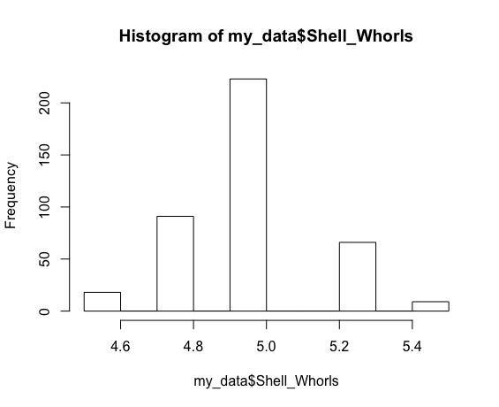
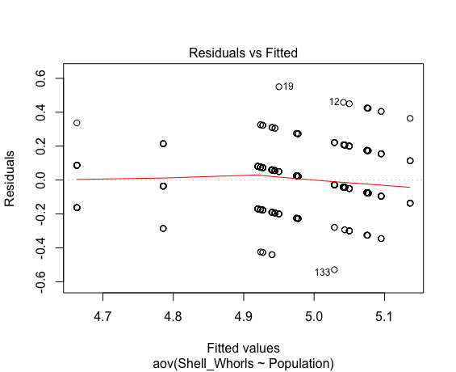
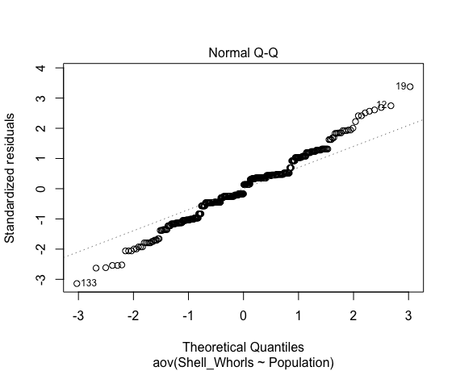
Shell_Whorls
 |  |  |  |  |  |  |  |  |  |  |  |  |  |  |  |  |  |  |  |  | 5 | PTP
Shapiro-Wilk normality test |  |  |  |  |  |  |  |  |  |  |  |  |  |  |  |  |  |  |  |  | 4.75 | PTP
data: aov_residuals |  |  |  |  |  |  |  |  |  |  |  |  |  |  |  |  |  |  |  |  | 4.75 | PTP
W = 0.98645, p-value = 0.0007575 |  |  |  |  |  |  |  |  |  |  |  |  |  |  |  |  |  |  |  |  | 4.75 | PTP
 |  |  |  |  |  |  |  |  |  |  |  |  |  |  |  |  |  |  |  |  | 4.75 | PTP
 |  |  |  |  |  |  |  |  |  |  |  |  |  |  |  |  |  |  |  |  | 4.75 | PTP
Kruskal-Wallis rank sum test |  |  |  |  |  |  |  |  |  |  |  |  |  |  |  |  |  |  |  |  | 4.5 | PTP
data: Shell_Whorls by Population |  |  |  |  |  |  |  |  |  |  |  |  |  |  |  |  |  |  |  |  | 4.75 | PTP
Kruskal-Wallis chi-squared = 117.67, df = 20, p-value = 7.68e-16 |  |  |  |  |  |  |  |  |  |  |  |  |  |  |  |  |  |  |  |  | 4.5 | PTP
 |  |  |  |  |  |  |  |  |  |  |  |  |  |  |  |  |  |  |  |  | 4.75 | PTP
Data Summary Statistics |  |  |  |  |  |  |  |  |  |  |  |  |  |  |  |  |  |  |  |  | 5 | PTP
Population | count | mean | sd |  |  |  |  |  |  |  |  |  |  |  |  |  |  |  |  |  | 4.5 | PTP
<fct> | <int> | <dbl> | <dbl> |  |  |  |  |  |  |  |  |  |  |  |  |  |  |  |  |  | 4.75 | PTP
BHP | 10 | 4.95 | 0.23 |  |  |  |  |  |  |  |  |  |  |  |  |  |  |  |  |  | 5 | PTP
CPS | 23 | 5.04 | 0.144 |  |  |  |  |  |  |  |  |  |  |  |  |  |  |  |  |  | 5 | PTP
CRWA | 25 | 4.94 | 0.149 |  |  |  |  |  |  |  |  |  |  |  |  |  |  |  |  |  | 4.75 | PTP
DHFA | 25 | 4.92 | 0.119 |  |  |  |  |  |  |  |  |  |  |  |  |  |  |  |  |  | 5 | PTP
FPPI | 11 | 5.14 | 0.172 |  |  |  |  |  |  |  |  |  |  |  |  |  |  |  |  |  | 5 | PTP
FSSP | 22 | 4.98 | 0.153 |  |  |  |  |  |  |  |  |  |  |  |  |  |  |  |  |  | 4.75 | PTP
HGRF | 23 | 4.66 | 0.143 |  |  |  |  |  |  |  |  |  |  |  |  |  |  |  |  |  | 4.75 | PTP
HNL | 33 | 5.08 | 0.171 |  |  |  |  |  |  |  |  |  |  |  |  |  |  |  |  |  | 4.75 | PTP
IRO | 13 | 5.08 | 0.158 |  |  |  |  |  |  |  |  |  |  |  |  |  |  |  |  |  | 4.7857142857
MPO | 24 | 4.93 | 0.202
# ... with 11 more rows

Pairwise comparisons using t tests with pooled SD

 | BHP | CPS | CRWA | DHFA | FPPI | FSSP | HGRF | HNL | IRO | MPO | MRLP | NRVP | OICP | PCRA | PPFD | PPNP | PTP | RRL | RRO | STT
CPS | 2.67E-01 | - | - | - | - | - | - | - | - | - | - | - | - | - | - | - | - | - | - | -
CRWA | 9.53E-01 | 0.08735 | - | - | - | - | - | - | - | - | - | - | - | - | - | - | - | - | - | -
DHFA | 8.06E-01 | 0.04475 | 0.82164 | - | - | - | - | - | - | - | - | - | - | - | - | - | - | - | - | -
FPPI | 4.47E-02 | 0.2529 | 0.00893 | 0.00375 | - | - | - | - | - | - | - | - | - | - | - | - | - | - | - | -
FSSP | 8.22E-01 | 0.32552 | 0.64252 | 0.41132 | 0.04384 | - | - | - | - | - | - | - | - | - | - | - | - | - | - | -
HGRF | 1.00E-04 | 2.10E-11 | 6.70E-07 | 4.00E-06 | 2.10E-11 | 4.00E-08 | - | - | - | - | - | - | - | - | - | - | - | - | - | -
HNL | 9.54E-02 | 0.66729 | 0.01456 | 0.0044 | 0.48079 | 0.08735 | 6.80E-15 | - | - | - | - | - | - | - | - | - | - | - | - | -
IRO | 1.59E-01 | 0.75935 | 0.05959 | 0.03108 | 0.58325 | 0.18876 | 4.20E-10 | 0.99728 | - | - | - | - | - | - | - | - | - | - | - | -
MPO | 8.44E-01 | 0.05959 | 0.87783 | 0.95341 | 0.00538 | 0.49108 | 2.80E-06 | 0.00731 | 0.04229 | - | - | - | - | - | - | - | - | - | - | -
MRLP | 1.97E-01 | 0.79476 | 0.08659 | 0.05272 | 0.59138 | 0.24707 | 1.40E-08 | 0.99728 | 0.99728 | 0.06259 | - | - | - | - | - | - | - | - | - | -
NRVP | 0.95341 | 0.10413 | 0.99728 | 0.82164 | 0.01194 | 0.66278 | 2.00E-06 | 0.02108 | 0.06624 | 0.87783 | 0.09415 | - | - | - | - | - | - | - | - | -
OICP | 0.82164 | 0.05697 | 0.85538 | 0.98898 | 0.00503 | 0.46731 | 4.30E-06 | 0.00681 | 0.03909 | 0.99211 | 0.05959 | 0.85538 | - | - | - | - | - | - | - | -
PCRA | 0.98898 | 0.13791 | 0.98898 | 0.80679 | 0.01655 | 0.73282 | 3.60E-06 | 0.03531 | 0.0847 | 0.85538 | 0.11709 | 0.98982 | 0.82969 | - | - | - | - | - | - | -
PPFD | 0.35765 | 0.85578 | 0.13621 | 0.06601 | 0.16198 | 0.46746 | 2.70E-11 | 0.46731 | 0.59138 | 0.08722 | 0.65012 | 0.15896 | 0.08257 | 0.204 | - | - | - | - | - | -
PPNP | 0.19667 | 0.79476 | 0.08659 | 0.05272 | 0.59138 | 0.24707 | 1.40E-08 | 0.99728 | 0.99728 | 0.06259 | 1 | 0.09415 | 0.05959 | 0.11709 | 0.65012 | - | - | - | - | -
PTP | 0.04475 | 9.90E-06 | 0.01254 | 0.03277 | 1.00E-06 | 0.00204 | 0.05697 | 6.00E-08 | 1.90E-05 | 0.02531 | 0.00011 | 0.01655 | 0.03108 | 0.0185 | 1.80E-05 | 0.00011 | - | - | - | -
RRL | 0.07431 | 0.48837 | 0.01208 | 0.00412 | 0.70044 | 0.06624 | 1.40E-13 | 0.82164 | 0.85578 | 0.00649 | 0.85578 | 0.01655 | 0.00605 | 0.02645 | 0.31903 | 0.85578 | 1.80E-07 | - | - | -
RRO | 0.24595 | 0.96558 | 0.08257 | 0.0428 | 0.30922 | 0.29721 | 3.70E-11 | 0.77857 | 0.81546 | 0.05697 | 0.82969 | 0.09415 | 0.05346 | 0.12443 | 0.82164 | 0.82969 | 1.20E-05 | 0.58325 | - | -
STT | 0.85538 | 0.46633 | 0.76948 | 0.58325 | 0.08229 | 0.99728 | 1.90E-05 | 0.19667 | 0.27832 | 0.64252 | 0.32276 | 0.77921 | 0.61399 | 0.81036 | 0.58325 | 0.32276 | 0.01863 | 0.13968 | 0.41706 | -
TGCP | 0.30419 | 0.99728 | 0.11923 | 0.06259 | 0.26737 | 0.38873 | 3.30E-10 | 0.67538 | 0.75935 | 0.08257 | 0.79476 | 0.13791 | 0.07763 | 0.17545 | 0.88812 | 0.79476 | 3.90E-05 | 0.49809 | 0.95341 | 0.49189

ANOVA

Df Sum Sq Mean Sq F value Pr(>F)
Population 20 4.895 0.24476 8.3 <2e-16 ***
Residuals 386 11.383 0.02949
---
Signif. codes: 0 ‘***’ 0.001 ‘**’ 0.01 ‘*’ 0.05 ‘.’ 0.1 ‘ ’ 1

Tukey multiple comparisons of means
95% family-wise confidence level

$Population
 | diff | lwr | upr | p adj
CPS-BHP | 9.35E-02 | -0.140339667 | 0.32729619 | 0.9977838
CRWA-BHP | -1.00E-02 | -0.240966383 | 0.22096638 | 1
DHFA-BHP | -3.00E-02 | -0.260966383 | 0.20096638 | 1
FPPI-BHP | 1.86E-01 | -0.083346992 | 0.45607426 | 0.6216812
FSSP-BHP | 2.73E-02 | -0.208150009 | 0.26269546 | 1
HGRF-BHP | -2.87E-01 | -0.520774449 | -0.05313859 | 0.0024095
HNL-BHP | 1.26E-01 | -0.097066448 | 0.3485816 | 0.9032806
IRO-BHP | 1.27E-01 | -0.132720149 | 0.3865663 | 0.9754093
MPO-BHP | -2.29E-02 | -0.255253782 | 0.20942045 | 1
MRLP-BHP | 1.25E-01 | -0.151057629 | 0.40105763 | 0.9895305
NRVP-BHP | -9.52E-03 | -0.246691735 | 0.22764412 | 1
OICP-BHP | -2.61E-02 | -0.259904884 | 0.20773097 | 1
PCRA-BHP | -5.56E-03 | -0.2490155 | 0.23790439 | 1
PPFD-BHP | 7.88E-02 | -0.150847677 | 0.30853999 | 0.9997392
PPNP-BHP | 1.25E-01 | -0.151057629 | 0.40105763 | 0.9895305
PTP-BHP | -1.64E-01 | -0.40145364 | 0.07288221 | 0.6169042
RRL-BHP | 1.45E-01 | -0.09192983 | 0.38240602 | 0.8180551
RRO-BHP | 1.00E-01 | -0.139072919 | 0.33907292 | 0.9960183
STT-BHP | 2.50E-02 | -0.251057629 | 0.30105763 | 1
TGCP-BHP | 9.17E-02 | -0.151793278 | 0.33512661 | 0.9990171
CRWA-CPS | -1.03E-01 | -0.281827578 | 0.07487106 | 0.8787295
DHFA-CPS | -1.23E-01 | -0.301827578 | 0.05487106 | 0.6178996
FPPI-CPS | 9.29E-02 | -0.13340389 | 0.31917464 | 0.996872
FSSP-CPS | -6.62E-02 | -0.250289411 | 0.11787834 | 0.9994854
HGRF-CPS | -3.80E-01 | -0.562461792 | -0.19840777 | 0
HNL-CPS | 3.23E-02 | -0.135391657 | 0.19995029 | 1
IRO-CPS | 3.34E-02 | -0.180745786 | 0.24763542 | 1
MPO-CPS | -1.16E-01 | -0.296515843 | 0.06372599 | 0.7402922
MRLP-CPS | 3.15E-02 | -0.202296189 | 0.26533967 | 1
NRVP-CPS | -1.03E-01 | -0.289312655 | 0.08330851 | 0.9189653
OICP-CPS | -1.20E-01 | -0.301592227 | 0.06246179 | 0.7133632
PCRA-CPS | -9.90E-02 | -0.293290743 | 0.09522311 | 0.9620886
PPFD-CPS | -1.46E-02 | -0.191330339 | 0.16206612 | 1
PPNP-CPS | 3.15E-02 | -0.202296189 | 0.26533967 | 1
PTP-CPS | -2.58E-01 | -0.44407456 | -0.07145339 | 0.000195
RRL-CPS | 5.18E-02 | -0.13455075 | 0.23807042 | 0.9999905
RRO-CPS | 6.52E-03 | -0.182207882 | 0.19525136 | 1
STT-CPS | -6.85E-02 | -0.302296189 | 0.16533967 | 0.9999776
TGCP-CPS | -1.81E-03 | -0.196068521 | 0.19244533 | 1
DHFA-CRWA | -2.00E-02 | -0.194594174 | 0.15459417 | 1
FPPI-CRWA | 1.96E-01 | -0.026977982 | 0.41970525 | 0.1729274
FSSP-CRWA | 3.73E-02 | -0.143175383 | 0.21772084 | 0.9999999
HGRF-CRWA | -2.77E-01 | -0.455305839 | -0.0986072 | 0.0000092
HNL-CRWA | 1.36E-01 | -0.02791344 | 0.29942859 | 0.2634806
IRO-CRWA | 1.37E-01 | -0.074150988 | 0.34799714 | 0.7340808
MPO-CRWA | -1.29E-02 | -0.189320155 | 0.16348682 | 1
MRLP-CRWA | 1.35E-01 | -0.095966383 | 0.36596638 | 0.8714459
NRVP-CRWA | 4.76E-04 | -0.18224294 | 0.18319532 | 1
OICP-CRWA | -1.61E-02 | -0.194436274 | 0.16226236 | 1
PCRA-CRWA | 4.44E-03 | -0.18637065 | 0.19525954 | 1
PPFD-CRWA | 8.88E-02 | -0.084061081 | 0.26175339 | 0.9590051
PPNP-CRWA | 1.35E-01 | -0.095966383 | 0.36596638 | 0.8714459
PTP-CRWA | -1.54E-01 | -0.337004845 | 0.02843342 | 0.2335763
RRL-CRWA | 1.55E-01 | -0.027481035 | 0.33795723 | 0.2236872
RRO-CRWA | 1.10E-01 | -0.075185087 | 0.29518509 | 0.8544428
STT-CRWA | 3.50E-02 | -0.195966383 | 0.26596638 | 1
TGCP-CRWA | 1.02E-01 | -0.089148428 | 0.29248176 | 0.9419487
FPPI-DHFA | 2.16E-01 | -0.006977982 | 0.43970525 | 0.0708599
FSSP-DHFA | 5.73E-02 | -0.123175383 | 0.23772084 | 0.9999204
HGRF-DHFA | -2.57E-01 | -0.435305839 | -0.0786072 | 0.000072
HNL-DHFA | 1.56E-01 | -0.00791344 | 0.31942859 | 0.0850895
IRO-DHFA | 1.57E-01 | -0.054150988 | 0.36799714 | 0.4751064
MPO-DHFA | 7.08E-03 | -0.169320155 | 0.18348682 | 1
MRLP-DHFA | 1.55E-01 | -0.075966383 | 0.38596638 | 0.6759445
NRVP-DHFA | 2.05E-02 | -0.16224294 | 0.20319532 | 1
OICP-DHFA | 3.91E-03 | -0.174436274 | 0.18226236 | 1
PCRA-DHFA | 2.44E-02 | -0.16637065 | 0.21525954 | 1
PPFD-DHFA | 1.09E-01 | -0.064061081 | 0.28175339 | 0.7803002
PPNP-DHFA | 1.55E-01 | -0.075966383 | 0.38596638 | 0.6759445
PTP-DHFA | -1.34E-01 | -0.317004845 | 0.04843342 | 0.4986737
RRL-DHFA | 1.75E-01 | -0.007481035 | 0.35795723 | 0.0786625
RRO-DHFA | 1.30E-01 | -0.055185087 | 0.31518509 | 0.5909527
STT-DHFA | 5.50E-02 | -0.175966383 | 0.28596638 | 0.9999993
TGCP-DHFA | 1.22E-01 | -0.069148428 | 0.31248176 | 0.761234
FSSP-FPPI | -1.59E-01 | -0.387037994 | 0.06885618 | 0.6023357
HGRF-FPPI | -4.73E-01 | -0.699609424 | -0.24703089 | 0
HNL-FPPI | -6.06E-02 | -0.275516633 | 0.15430451 | 0.9999879
IRO-FPPI | -5.94E-02 | -0.312325145 | 0.19344403 | 0.9999994
MPO-FPPI | -2.09E-01 | -0.43403916 | 0.01547855 | 0.1051687
MRLP-FPPI | -6.14E-02 | -0.331074264 | 0.20834699 | 0.9999997
NRVP-FPPI | -1.96E-01 | -0.425636512 | 0.03386162 | 0.218097
OICP-FPPI | -2.12E-01 | -0.438739859 | 0.01383867 | 0.0972143
PCRA-FPPI | -1.92E-01 | -0.428157954 | 0.04431957 | 0.300427
PPFD-FPPI | -1.08E-01 | -0.329542852 | 0.11450789 | 0.9777608
PPNP-FPPI | -6.14E-02 | -0.331074264 | 0.20834699 | 0.9999997
PTP-FPPI | -3.51E-01 | -0.580398417 | -0.12090028 | 0.0000152
RRL-FPPI | -4.11E-02 | -0.270874607 | 0.18862352 | 1
RRO-FPPI | -8.64E-02 | -0.318078697 | 0.14535142 | 0.9991467
STT-FPPI | -1.61E-01 | -0.431074264 | 0.10834699 | 0.846368
...

Shell_Width_1
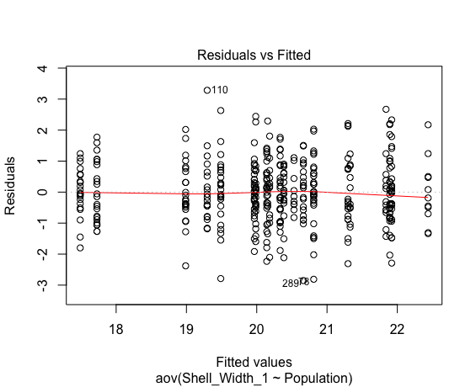
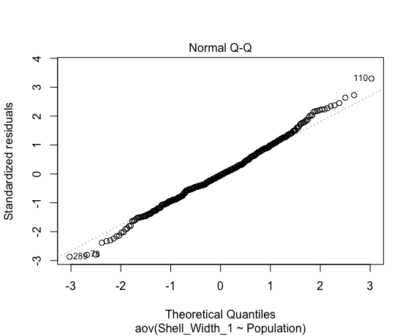
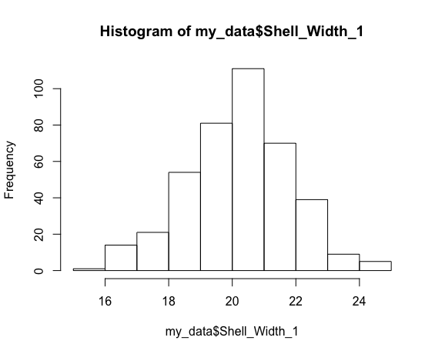
Shell_Width_1
 |  |  |  |  |  |  |  |  |  |  |  |  |  |  |  |  |  |  |  |  | 18.59 | PTP
Shapiro-Wilk normality test |  |  |  |  |  |  |  |  |  |  |  |  |  |  |  |  |  |  |  |  | 18.25 | PTP
data: aov_residuals |  |  |  |  |  |  |  |  |  |  |  |  |  |  |  |  |  |  |  |  | 17.45 | PTP
W = 0.99513, p-value = 0.2346 |  |  |  |  |  |  |  |  |  |  |  |  |  |  |  |  |  |  |  |  | 17.25 | PTP
 |  |  |  |  |  |  |  |  |  |  |  |  |  |  |  |  |  |  |  |  | 17.35 | PTP
 |  |  |  |  |  |  |  |  |  |  |  |  |  |  |  |  |  |  |  |  | 17.43 | PTP
Kruskal-Wallis rank sum test |  |  |  |  |  |  |  |  |  |  |  |  |  |  |  |  |  |  |  |  | 16.04 | PTP
data: Shell_Width_1 by Population |  |  |  |  |  |  |  |  |  |  |  |  |  |  |  |  |  |  |  |  | 16.98 | PTP
Kruskal-Wallis chi-squared = 239.63, df = 20, p-value < 2.2e-16 |  |  |  |  |  |  |  |  |  |  |  |  |  |  |  |  |  |  |  |  | 17.4 | PTP
 |  |  |  |  |  |  |  |  |  |  |  |  |  |  |  |  |  |  |  |  | 16.93 | PTP
Data Summary Statistics |  |  |  |  |  |  |  |  |  |  |  |  |  |  |  |  |  |  |  |  | 18.73 | PTP
Population | count | mean | sd |  |  |  |  |  |  |  |  |  |  |  |  |  |  |  |  |  | 16.59 | PTP
<fct> | <int> | <dbl> | <dbl> |  |  |  |  |  |  |  |  |  |  |  |  |  |  |  |  |  | 17.8 | PTP
BHP | 10 | 20.2 | 1.05 |  |  |  |  |  |  |  |  |  |  |  |  |  |  |  |  |  | 18.07 | PTP
CPS | 23 | 20.1 | 1.04 |  |  |  |  |  |  |  |  |  |  |  |  |  |  |  |  |  | 18.04 | PTP
CRWA | 25 | 20 | 0.788 |  |  |  |  |  |  |  |  |  |  |  |  |  |  |  |  |  | 17.68 | PTP
DHFA | 25 | 21.9 | 1.09 |  |  |  |  |  |  |  |  |  |  |  |  |  |  |  |  |  | 17.56 | PTP
FPPI | 11 | 22.4 | 1.06 |  |  |  |  |  |  |  |  |  |  |  |  |  |  |  |  |  | 18.48 | PTP
FSSP | 22 | 20 | 1 |  |  |  |  |  |  |  |  |  |  |  |  |  |  |  |  |  | 17.84 | PTP
HGRF | 23 | 17.7 | 0.978 |  |  |  |  |  |  |  |  |  |  |  |  |  |  |  |  |  | 15.69 | PTP
HNL | 30 | 20.8 | 1.1 |  |  |  |  |  |  |  |  |  |  |  |  |  |  |  |  |  | 17.12 | PTP
IRO | 13 | 21.8 | 1.08 |  |  |  |  |  |  |  |  |  |  |  |  |  |  |  |  |  | 17.489047619
MPO | 24 | 19.5 | 1.13
# ... with 11 more rows

Pairwise comparisons using t tests with pooled SD

 | BHP | CPS | CRWA | DHFA | FPPI | FSSP | HGRF | HNL | IRO | MPO | MRLP | NRVP | OICP | PCRA | PPFD | PPNP | PTP | RRL | RRO | STT
CPS | 9.72E-01 | - | - | - | - | - | - | - | - | - | - | - | - | - | - | - | - | - | - | -
CRWA | 6.63E-01 | 0.6137 | - | - | - | - | - | - | - | - | - | - | - | - | - | - | - | - | - | -
...

Shell_Width_2
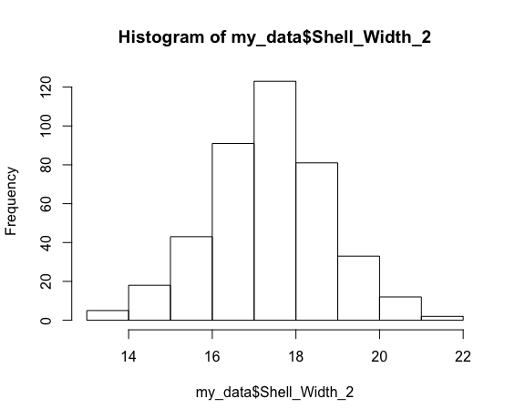
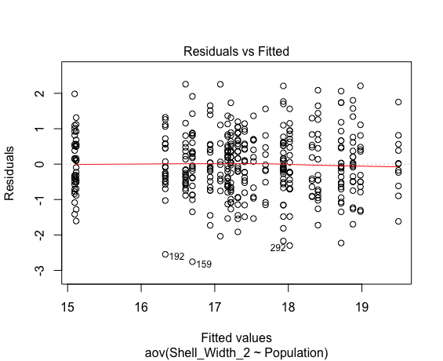
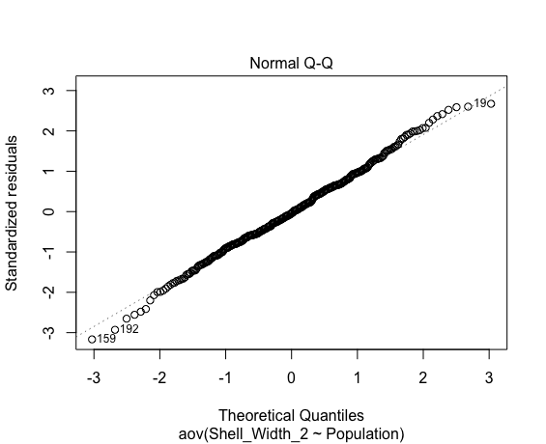
Shell_Width_2
 |  |  |  |  |  |  |  |  |  |  |  |  |  |  |  |  |  |  |  |  | 16.24 | PTP
Shapiro-Wilk normality test |  |  |  |  |  |  |  |  |  |  |  |  |  |  |  |  |  |  |  |  | 16.04 | PTP
data: aov_residuals |  |  |  |  |  |  |  |  |  |  |  |  |  |  |  |  |  |  |  |  | 15.02 | PTP
W = 0.99648, p-value = 0.5118 |  |  |  |  |  |  |  |  |  |  |  |  |  |  |  |  |  |  |  |  | 15.28 | PTP
 |  |  |  |  |  |  |  |  |  |  |  |  |  |  |  |  |  |  |  |  | 14.8 | PTP
 |  |  |  |  |  |  |  |  |  |  |  |  |  |  |  |  |  |  |  |  | 15.23 | PTP
Kruskal-Wallis rank sum test |  |  |  |  |  |  |  |  |  |  |  |  |  |  |  |  |  |  |  |  | 13.84 | PTP
data: Shell_Width_2 by Population |  |  |  |  |  |  |  |  |  |  |  |  |  |  |  |  |  |  |  |  | 14.64 | PTP
Kruskal-Wallis chi-squared = 247.21, df = 20, p-value < 2.2e-16 |  |  |  |  |  |  |  |  |  |  |  |  |  |  |  |  |  |  |  |  | 14.69 | PTP
 |  |  |  |  |  |  |  |  |  |  |  |  |  |  |  |  |  |  |  |  | 14.6 | PTP
Data Summary Statistics |  |  |  |  |  |  |  |  |  |  |  |  |  |  |  |  |  |  |  |  | 16.43 | PTP
Population | count | mean | sd |  |  |  |  |  |  |  |  |  |  |  |  |  |  |  |  |  | 14.23 | PTP
<fct> | <int> | <dbl> | <dbl> |  |  |  |  |  |  |  |  |  |  |  |  |  |  |  |  |  | 15.62 | PTP
BHP | 10 | 17.1 | 1.15 |  |  |  |  |  |  |  |  |  |  |  |  |  |  |  |  |  | 15.61 | PTP
CPS | 23 | 17.3 | 0.912 |  |  |  |  |  |  |  |  |  |  |  |  |  |  |  |  |  | 15.68 | PTP
CRWA | 25 | 17.2 | 0.692 |  |  |  |  |  |  |  |  |  |  |  |  |  |  |  |  |  | 15.67 | PTP
DHFA | 25 | 18.7 | 1.03 |  |  |  |  |  |  |  |  |  |  |  |  |  |  |  |  |  | 14.89 | PTP
FPPI | 11 | 19.5 | 0.899 |  |  |  |  |  |  |  |  |  |  |  |  |  |  |  |  |  | 15.8 | PTP
FSSP | 22 | 16.9 | 0.848 |  |  |  |  |  |  |  |  |  |  |  |  |  |  |  |  |  | 15.21 | PTP
HGRF | 23 | 15.1 | 0.818 |  |  |  |  |  |  |  |  |  |  |  |  |  |  |  |  |  | 13.51 | PTP
HNL | 33 | 17.9 | 0.949 |  |  |  |  |  |  |  |  |  |  |  |  |  |  |  |  |  | 14.42 | PTP
IRO | 13 | 19 | 1.02 |  |  |  |  |  |  |  |  |  |  |  |  |  |  |  |  |  | 15.116666667
MPO | 24 | 16.7 | 0.977
# ... with 11 more rows

Pairwise comparisons using t tests with pooled SD

 | BHP | CPS | CRWA | DHFA | FPPI | FSSP | HGRF | HNL | IRO | MPO | MRLP | NRVP | OICP | PCRA | PPFD | PPNP | PTP | RRL | RRO | STT
CPS | 5.23E-01 | - | - | - | - | - | - | - | - | - | - | - | - | - | - | - | - | - | - | -
CRWA | 7.76E-01 | 0.62958 | - | - | - | - | - | - | - | - | - | - | - | - | - | - | - | - | - | -
...

