Mean_Gray_Value
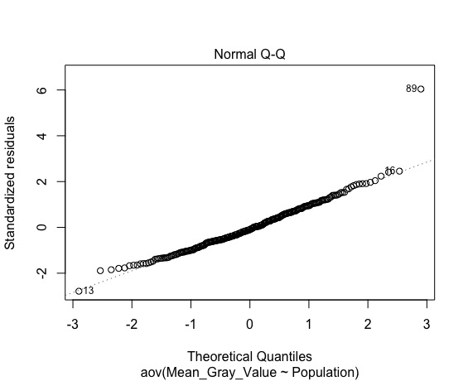
Mean_Gray_Value
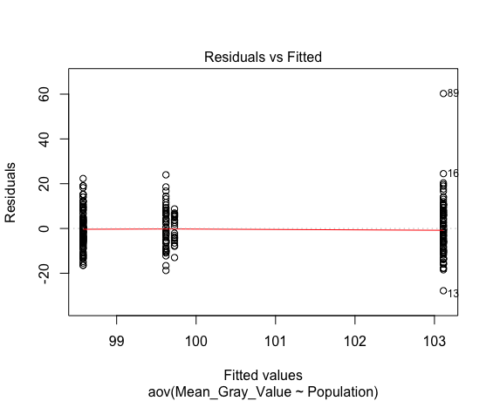
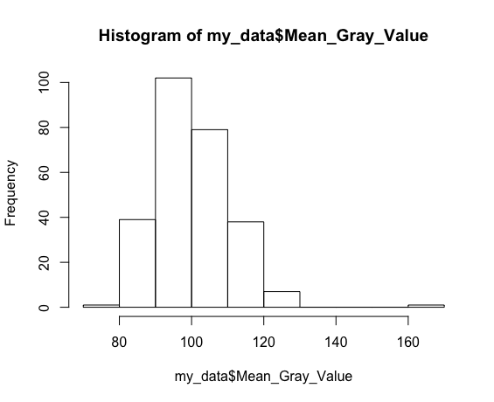
Shapiro-Wilk normality test
data: aov_residuals
W = 0.95716, | p-value = 4.311e-07

Kruskal-Wallis rank sum test
data: Mean_Gray_Value by Population
Kruskal-Wallis chi-squared = 7.9069, | df = 3, | p-value = 0.04797

Data Summary Statistics
Population | count | mean | sd
<fct> | <int> | <dbl> | <dbl>
Cluster1 | 90 | 103 | 12.3 |  | CRWA | HGRF | OICP | PTP
Cluster2 | 108 | 98.6 | 8.66 |  | CPS | IRO | PCRA | RRL | RRO
Cluster3 | 47 | 99.6 | 9.61 |  | FPPI | PPNP
Cluster4 | 22 | 99.7 | 6.03 |  | DHFA

Pairwise comparisons using t tests with pooled SD

 | Cluster1 | Cluster2 | Cluster3
Cluster2 | 1.00E-02 | - | -
Cluster3 | 1.60E-01 | 0.75 | -
Cluster4 | 3.10E-01 | 0.75 | 0.97

ANOVA

 | Df | Sum Sq | Mean Sq | F value | Pr(>F)
Population | 3 | 1059 | 353.1 | 3.506 | 0.0159 *
Residuals | 263 | 26490 | 100.7
---
Signif. codes: 0 ‘***’ 0.001 ‘**’ 0.01 ‘*’ 0.05 ‘.’ 0.1 ‘ ’ 1

Tukey multiple comparisons of means
95% family-wise confidence level

$Population
 | diff | lwr | upr | p adj
Cluster2-Cluster1 | -4.5348889 | -8.238402 | -0.8313762 | 0.0093095
Cluster3-Cluster1 | -3.4924539 | -8.16232 | 1.1774127 | 0.2165197
Cluster4-Cluster1 | -3.3840303 | -9.555531 | 2.7874705 | 0.4893878
Cluster3-Cluster2 | 1.042435 | -3.491961 | 5.5768307 | 0.9337092
Cluster4-Cluster2 | 1.1508586 | -4.91878 | 7.2204971 | 0.9612222
Cluster4-Cluster3 | 0.1084236 | -6.594722 | 6.8115691 | 0.9999737

Mean_GV_StdDev
Mean_GV_StdDev
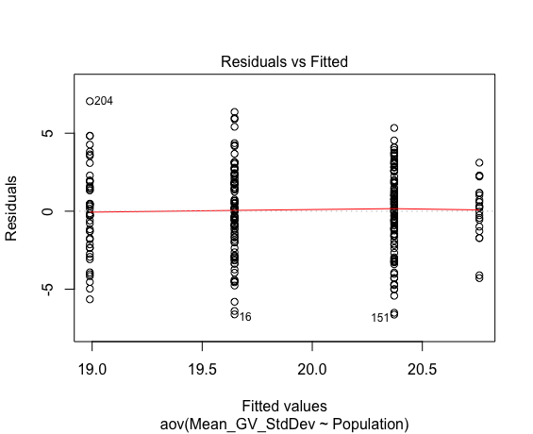
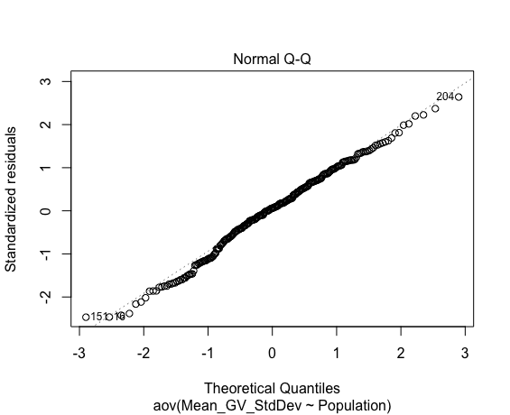
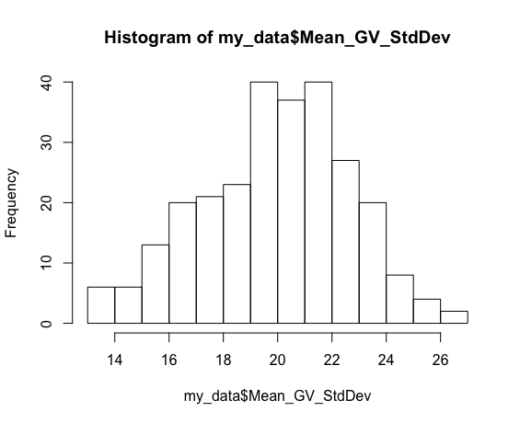
Shapiro-Wilk normality test
data: aov_residuals
W = 0.99179, | p-value = 0.1434

Kruskal-Wallis rank sum test
data: Mean_GV_StdDev by Population
Kruskal-Wallis chi-squared = 12.87, | df = 3, | p-value = 0.004926

Data Summary Statistics
Population | count | mean | sd
<fct> | <int> | <dbl> | <dbl>
Cluster1 | 90 | 19.6 | 2.83 |  | CRWA | HGRF | OICP | PTP
Cluster2 | 108 | 20.4 | 2.66 |  | CPS | IRO | PCRA | RRL | RRO
Cluster3 | 47 | 19 | 2.84 |  | FPPI | PPNP
Cluster4 | 22 | 20.8 | 1.88 |  | DHFA

Pairwise comparisons using t tests with pooled SD

 | Cluster1 | Cluster2 | Cluster3
Cluster2 | 1.22E-01 | - | -
Cluster3 | 2.13E-01 | 0.022 | -
Cluster4 | 1.27E-01 | 0.541 | 0.035

ANOVA

 | Df | Sum Sq | Mean Sq | F value | Pr(>F)
Population | 3 | 85 | 28.324 | 3.888 | 0.0096 **
Residuals | 263 | 1916 | 7.286
---
Signif. codes: 0 ‘***’ 0.001 ‘**’ 0.01 ‘*’ 0.05 ‘.’ 0.1 ‘ ’ 1

Tukey multiple comparisons of means
95% family-wise confidence level

$Population
 | diff | lwr | upr | p adj
Cluster2-Cluster1 | 0.7253333 | -0.27072766 | 1.7213943 | 0.2379325
Cluster3-Cluster1 | -0.6573144 | -1.91327662 | 0.5986478 | 0.5299664
Cluster4-Cluster1 | 1.112202 | -0.54762521 | 2.7720293 | 0.3089272
Cluster3-Cluster2 | -1.3826478 | -2.60217501 | -0.1631205 | 0.019123
Cluster4-Cluster2 | 0.3868687 | -1.24556267 | 2.0193 | 0.9279695
Cluster4-Cluster3 | 1.7695164 | -0.03329683 | 3.5723297 | 0.0565456

Median_Gray_Value
Median_Gray_Value
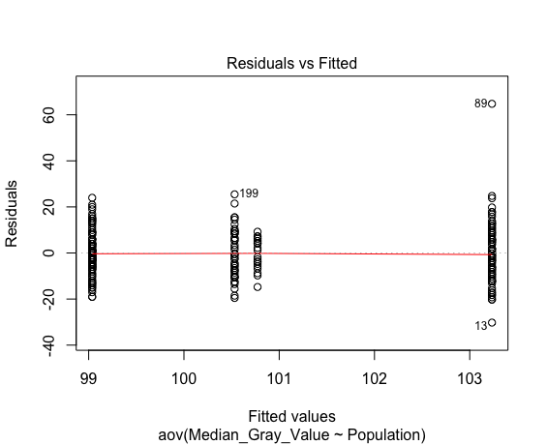
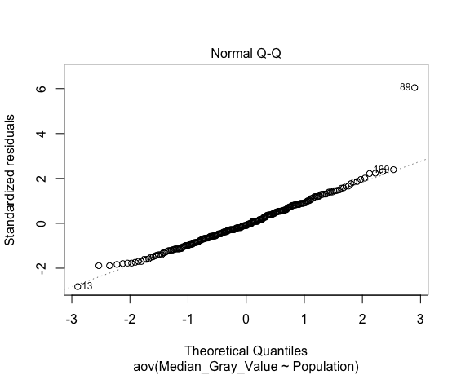
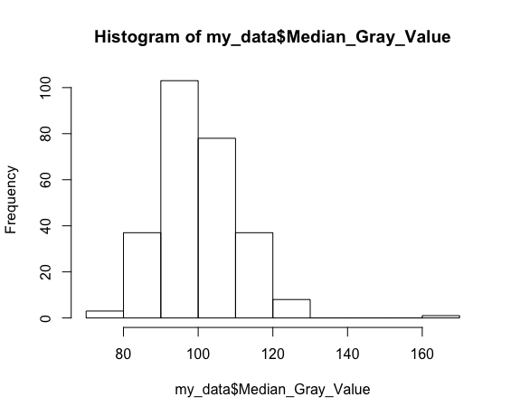
Shapiro-Wilk normality test
data: aov_residuals
W = 0.95935, | p-value = 8.004e-07

Kruskal-Wallis rank sum test
data: Median_Gray_Value by Population
Kruskal-Wallis chi-squared = 6.113, | df = 3, | p-value = 0.1062

Data Summary Statistics
Population | count | mean | sd
<fct> | <int> | <dbl> | <dbl>
Cluster1 | 90 | 103 | 13.1 |  | CRWA | HGRF | OICP | PTP
Cluster2 | 108 | 99 | 9.26 |  | CPS | IRO | PCRA | RRL | RRO
Cluster3 | 47 | 101 | 10.6 |  | FPPI | PPNP
Cluster4 | 22 | 101 | 6.6 |  | DHFA

Pairwise comparisons using t tests with pooled SD

 | Cluster1 | Cluster2 | Cluster3
Cluster2 | 4.10E-02 | - | -
Cluster3 | 4.94E-01 | 0.59 | -
Cluster4 | 5.90E-01 | 0.59 | 0.931

ANOVA

 | Df | Sum Sq | Mean Sq | F value | Pr(>F)
Population | 3 | 871 | 290.4 | 2.501 | 0.0598 | .
Residuals | 263 | 30530 | 116.1
---
Signif. codes: 0 ‘***’ 0.001 ‘**’ 0.01 ‘*’ 0.05 ‘.’ 0.1 ‘ ’ 1

Tukey multiple comparisons of means
95% family-wise confidence level

$Population
 | diff | lwr | upr | p adj
Cluster2-Cluster1 | -4.1962963 | -8.172159 | -0.2204334 | 0.034071
Cluster3-Cluster1 | -2.7014184 | -7.714699 | 2.3118625 | 0.504709
Cluster4-Cluster1 | -2.4606061 | -9.085949 | 4.1647368 | 0.7721103
Cluster3-Cluster2 | 1.4948779 | -3.37297 | 6.3627256 | 0.8571357
Cluster4-Cluster2 | 1.7356902 | -4.7803 | 8.2516801 | 0.9013483
Cluster4-Cluster3 | 0.2408124 | -6.955272 | 7.4368963 | 0.9997673

Modal_Gray_Value
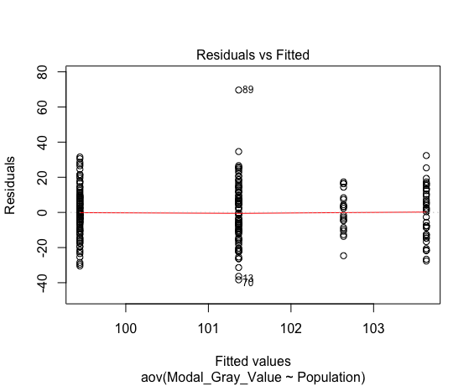
Modal_Gray_Value
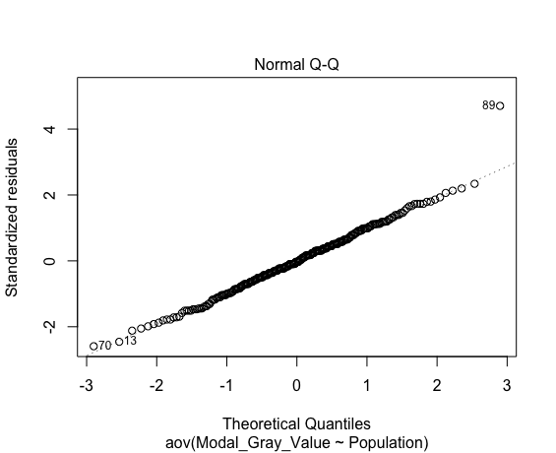
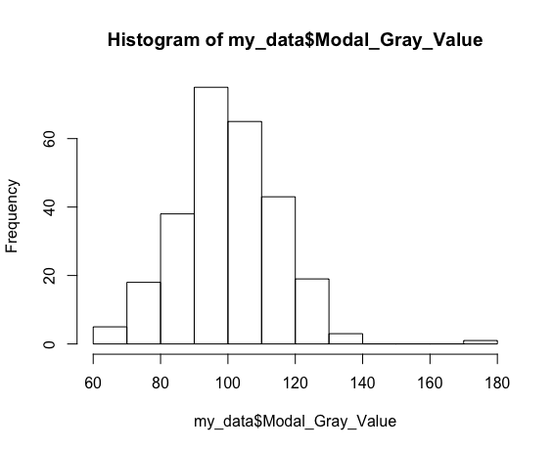
Shapiro-Wilk normality test
data: aov_residuals
W = 0.98709, | p-value = 0.01697

Kruskal-Wallis rank sum test
data: Modal_Gray_Value by Population
Kruskal-Wallis chi-squared = 2.9732, | df = 3, | p-value = 0.3958

Data Summary Statistics
Population | count | mean | sd
<fct> | <int> | <dbl> | <dbl>
Cluster1 | 90 | 101 | 17.5 |  | CRWA | HGRF | OICP | PTP
Cluster2 | 108 | 99.4 | 13.2 |  | CPS | IRO | PCRA | RRL | RRO
Cluster3 | 47 | 104 | 14.7 |  | FPPI | PPNP
Cluster4 | 22 | 103 | 11 |  | DHFA

Pairwise comparisons using t tests with pooled SD

 | Cluster1 | Cluster2 | Cluster3
Cluster2 | 6.00E-01 | - | -
Cluster3 | 6.00E-01 | 0.6 | -
Cluster4 | 7.90E-01 | 0.6 | 0.79

ANOVA

 | Df | Sum Sq | Mean Sq | F value | Pr(>F)
Population | 3 | 657 | 219.1 | 0.988 | 0.399
Residuals | 263 | 58284 | 221.6

Tukey multiple comparisons of means
95% family-wise confidence level

$Population
 | diff | lwr | upr | p adj
Cluster2-Cluster1 | -1.922222 | -7.415661 | 3.571216 | 0.8023434
Cluster3-Cluster1 | 2.271631 | -4.655205 | 9.198467 | 0.8314322
Cluster4-Cluster1 | 1.269697 | -7.884521 | 10.423915 | 0.9841745
Cluster3-Cluster2 | 4.193853 | -2.532038 | 10.919745 | 0.373507
Cluster4-Cluster2 | 3.191919 | -5.811206 | 12.195044 | 0.7959791
Cluster4-Cluster3 | -1.001934 | -10.944743 | 8.940875 | 0.9937909

Shell_Transect_Area
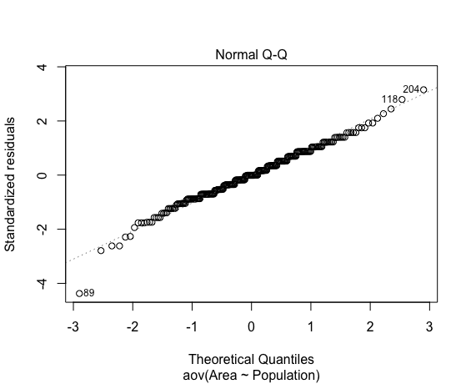
Shell_Transect_Area
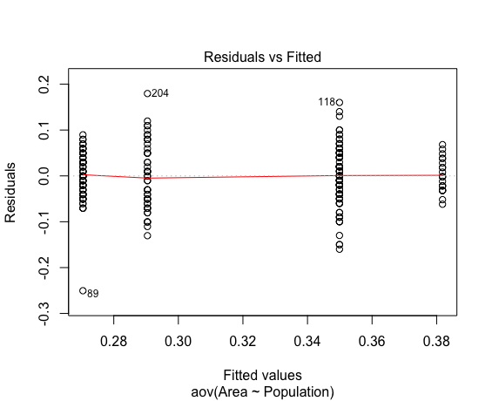
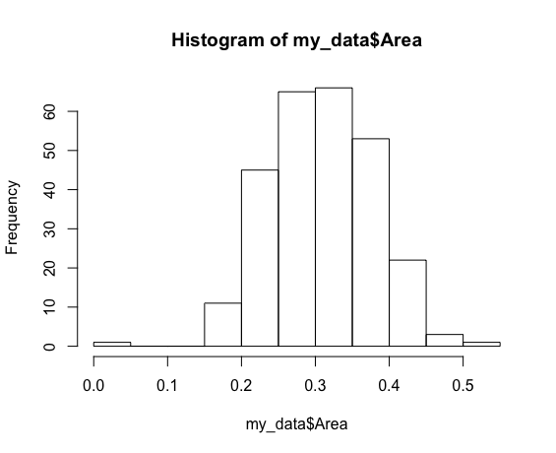
Shapiro-Wilk normality test
data: aov_residuals
W = 0.9867, | p-value = 0.01424

Kruskal-Wallis rank sum test
data: Area by Population
Kruskal-Wallis chi-squared = 97.56, | df = 3, | p-value < 2.2e-16

Data Summary Statistics
Population | count | mean | sd
<fct> | <int> | <dbl> | <dbl>
Cluster1 | 90 | 0.27 | 0.0478 |  | CRWA | HGRF | OICP | PTP
Cluster2 | 108 | 0.35 | 0.0609 |  | CPS | IRO | PCRA | RRL | RRO
Cluster3 | 47 | 0.29 | 0.0729 |  | FPPI | PPNP
Cluster4 | 22 | 0.382 | 0.0358 |  | DHFA

Pairwise comparisons using t tests with pooled SD

 | Cluster1 | Cluster2 | Cluster3
Cluster2 | < 2e-16 | - | -
Cluster3 | 5.50E-02 | 1.60E-08 | -
Cluster4 | 5.00E-14 | 0.022 | 5.90E-09

ANOVA

 | Df | Sum Sq | Mean Sq | F value | Pr(>F)
Population | 3 | 0.4369 | 0.14562 | 43.93 | <2e-16 ***
Residuals | 263 | 0.8718 | 0.00331
---
Signif. codes: 0 ‘***’ 0.001 ‘**’ 0.01 ‘*’ 0.05 ‘.’ 0.1 ‘ ’ 1

Tukey multiple comparisons of means
95% family-wise confidence level

$Population
 | diff | lwr | upr | p adj
Cluster2-Cluster1 | 0.07946296 | 0.058216831 | 0.1007091 | 0
Cluster3-Cluster1 | 0.01998109 | -0.006808777 | 0.04677095 | 0.2186625
Cluster4-Cluster1 | 0.11137374 | 0.07596937 | 0.1467781 | 0
Cluster3-Cluster2 | -0.05948188 | -0.085494577 | -0.03346917 | 0.0000001
Cluster4-Cluster2 | 0.03191077 | -0.002909234 | 0.06673078 | 0.0855631
Cluster4-Cluster3 | 0.09139265 | 0.052938369 | 0.12984693 | 0

Shell_Transect_Ferets
Shell_Transect_Ferets_Diameter
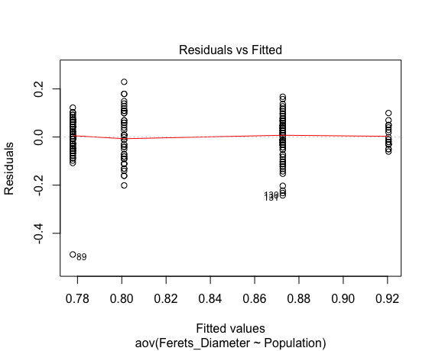
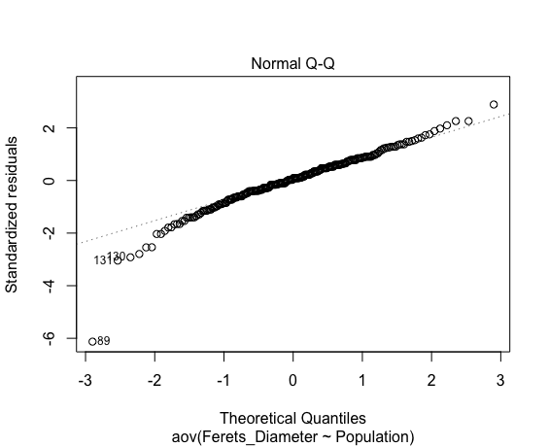
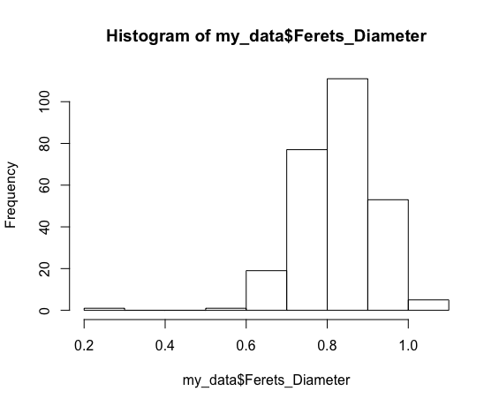
Shapiro-Wilk normality test
data: aov_residuals
W = 0.94603, | p-value = 2.38e-08

Kruskal-Wallis rank sum test
data: Ferets_Diameter by Population
Kruskal-Wallis chi-squared = 91.984, | df = 3, | p-value < 2.2e-16

Data Summary Statistics
Population | count | mean | sd
<fct> | <int> | <dbl> | <dbl>
Cluster1 | 90 | 0.778 | 0.0759 |  | CRWA | HGRF | OICP | PTP
Cluster2 | 108 | 0.873 | 0.0766 |  | CPS | IRO | PCRA | RRL | RRO
Cluster3 | 47 | 0.801 | 0.105 |  | FPPI | PPNP
Cluster4 | 22 | 0.92 | 0.0438 |  | DHFA

Pairwise comparisons using t tests with pooled SD

 | Cluster1 | Cluster2 | Cluster3
Cluster2 | 3.40E-14 | - | -
Cluster3 | 1.09E-01 | 8.90E-07 | -
Cluster4 | 3.20E-12 | 0.014 | 4.40E-08

ANOVA

 | Df | Sum Sq | Mean Sq | F value | Pr(>F)
Population | 3 | 0.6594 | 0.2198 | 34.28 | <2e-16 ***
Residuals | 263 | 1.6862 | 0.00641
---
Signif. codes: 0 ‘***’ 0.001 ‘**’ 0.01 ‘*’ 0.05 ‘.’ 0.1 ‘ ’ 1

Tukey multiple comparisons of means
95% family-wise confidence level

$Population
 | diff | lwr | upr | p adj
Cluster2-Cluster1 | 0.0947963 | 0.0652487691 | 0.12434382 | 0
Cluster3-Cluster1 | 0.02317494 | -0.0140823933 | 0.06043228 | 0.375714
Cluster4-Cluster1 | 0.14256566 | 0.0933279185 | 0.19180339 | 0
Cluster3-Cluster2 | -0.07162136 | -0.1077978698 | -0.03544484 | 0.0000035
Cluster4-Cluster2 | 0.04776936 | -0.0006556962 | 0.09619442 | 0.0547321
Cluster4-Cluster3 | 0.11939072 | 0.0659113861 | 0.17287005 | 0.0000001

Shell_Transect_Perimeter
Shell_Transect_Perimeter
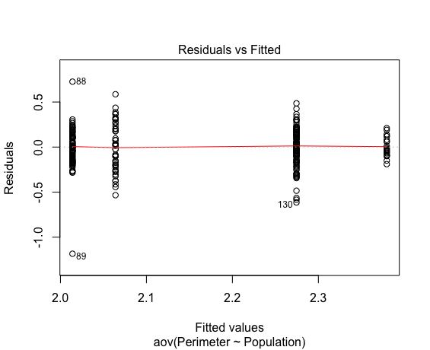
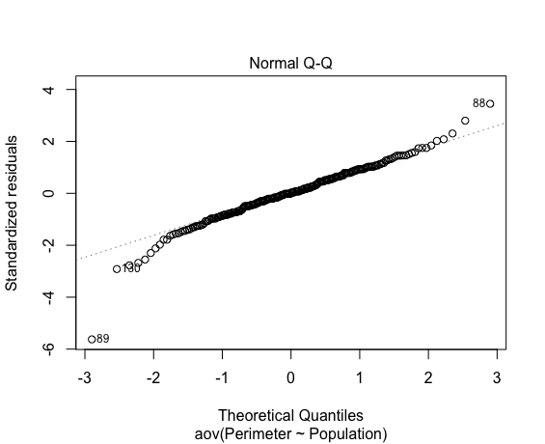
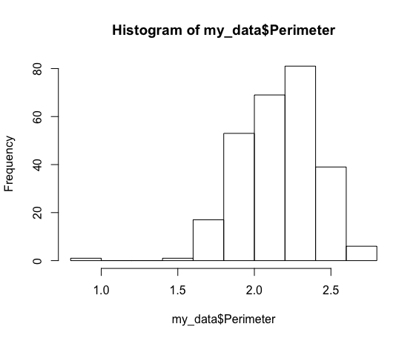
Shapiro-Wilk normality test
data: aov_residuals
W = 0.96221, | p-value = 1.847e-06

Kruskal-Wallis rank sum test
data: Perimeter by Population
Kruskal-Wallis chi-squared = 91.828, | df = 3, | p-value < 2.2e-16

Data Summary Statistics
Population | count | mean | sd
<fct> | <int> | <dbl> | <dbl>
Cluster1 | 90 | 2.01 | 0.207 |  | CRWA | HGRF | OICP | PTP
Cluster2 | 108 | 2.27 | 0.203 |  | CPS | IRO | PCRA | RRL | RRO
Cluster3 | 47 | 2.06 | 0.27 |  | FPPI | PPNP
Cluster4 | 22 | 2.38 | 0.109 |  | DHFA

Pairwise comparisons using t tests with pooled SD

 | Cluster1 | Cluster2 | Cluster3
Cluster2 | 3.70E-15 | - | -
Cluster3 | 1.90E-01 | 5.10E-08 | -
Cluster4 | 1.30E-11 | 0.042 | 4.50E-08

ANOVA

 | Df | Sum Sq | Mean Sq | F value | Pr(>F)
Population | 3 | 4.828 | 1.6092 | 35.91 | <2e-16 ***
Residuals | 263 | 11.787 | 0.0448
---
Signif. codes: 0 ‘***’ 0.001 ‘**’ 0.01 ‘*’ 0.05 ‘.’ 0.1 ‘ ’ 1

Tukey multiple comparisons of means
95% family-wise confidence level

$Population
 | diff | lwr | upr | p adj
Cluster2-Cluster1 | 0.26053704 | 0.18241554 | 0.3386585 | 0
Cluster3-Cluster1 | 0.05004255 | -0.04846311 | 0.1485482 | 0.5551464
Cluster4-Cluster1 | 0.36554545 | 0.23536448 | 0.4957264 | 0
Cluster3-Cluster2 | -0.21049448 | -0.30614254 | -0.1148464 | 0.0000002
Cluster4-Cluster2 | 0.10500842 | -0.02302389 | 0.2330407 | 0.1492397
Cluster4-Cluster3 | 0.3155029 | 0.17410747 | 0.4568983 | 0.0000001

Shell_Height
Shell_Height
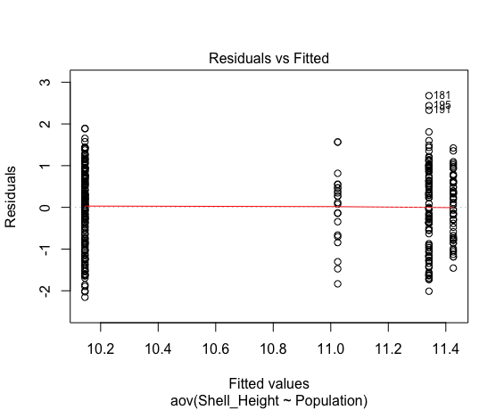
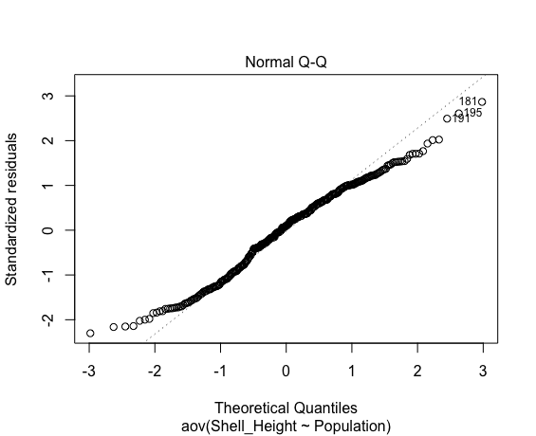
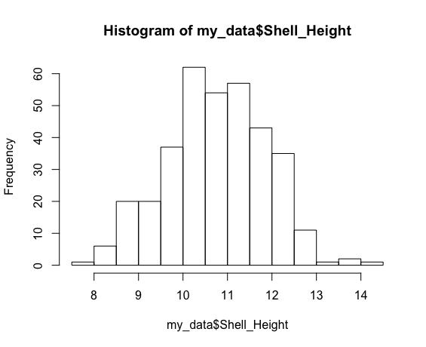
Shapiro-Wilk normality test
data: aov_residuals
W = 0.9849, | p-value = 0.00101

Kruskal-Wallis rank sum test
data: Shell_Height by Population
Kruskal-Wallis chi-squared = 99.185, | df = 3, | p-value < 2.2e-16

Data Summary Statistics
Population | count | mean | sd
<fct> | <int> | <dbl> | <dbl>
Cluster1 | 166 | 10.1 | 0.941 |  | TGCP | STT | FSSP | MPO | OICP | HGRF | PTP | CRWA
Cluster2 | 105 | 11.3 | 1.04 |  | MRLP | IRO | RRL | RRO | CPS | PCRA
Cluster3 | 22 | 11 | 0.875 |  | PPNP | FPPI
Cluster4 | 57 | 11.4 | 0.741 |  | HNL | DHFA

Pairwise comparisons using t tests with pooled SD

 | Cluster1 | Cluster2 | Cluster3
Cluster2 | < 2e-16 | - | -
Cluster3 | 9.40E-05 | 0.18 | -
Cluster4 | < 2e-16 | 0.58 | 1.30E-01

ANOVA

 | Df | Sum Sq | Mean Sq | F value | Pr(>F)
Population | 3 | 125 | 41.65 | 47.21 | <2e-16 ***
Residuals | 346 | 305.3 | 0.88
---
Signif. codes: 0 ‘***’ 0.001 ‘**’ 0.01 ‘*’ 0.05 ‘.’ 0.1 ‘ ’ 1

Tukey multiple comparisons of means
95% family-wise confidence level

$Population
 | diff | lwr | upr | p adj
Cluster2-Cluster1 | 1.19585141 | 0.8934927 | 1.4982101 | 0
Cluster3-Cluster1 | 0.87860898 | 0.3284349 | 1.4287831 | 0.0002732
Cluster4-Cluster1 | 1.28048298 | 0.908222 | 1.652744 | 0
Cluster3-Cluster2 | -0.31724242 | -0.8858105 | 0.2513256 | 0.4749974
Cluster4-Cluster2 | 0.08463158 | -0.3143125 | 0.4835756 | 0.9471429
Cluster4-Cluster3 | 0.401874 | -0.2067532 | 1.0105012 | 0.3228146

Shell_Whorls
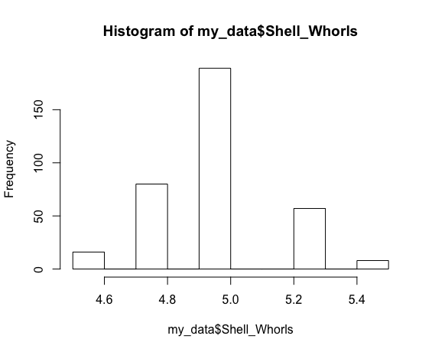
Shell_Whorls
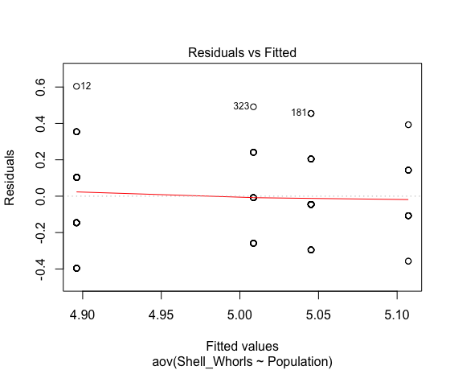
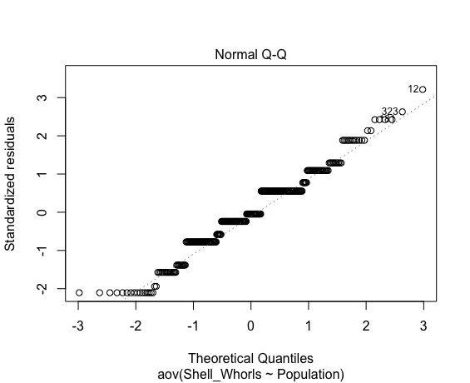
Shapiro-Wilk normality test
data: aov_residuals
W = 0.96796, | p-value = 5.693e-07

Kruskal-Wallis rank sum test
data: Shell_Whorls by Population
Kruskal-Wallis chi-squared = 45.548, | df = 3, | p-value = 7.075e-10

Data Summary Statistics
Population | count | mean | sd
<fct> | <int> | <dbl> | <dbl>
Cluster1 | 166 | 4.9 | 0.197 |  | TGCP | STT | FSSP | MPO | OICP | HGRF | PTP | CRWA
Cluster2 | 105 | 5.05 | 0.183 |  | MRLP | IRO | RRL | RRO | CPS | PCRA
Cluster3 | 21 | 5.11 | 0.203 |  | PPNP | FPPI
Cluster4 | 58 | 5.01 | 0.169 |  | HNL | DHFA

Pairwise comparisons using t tests with pooled SD

 | Cluster1 | Cluster2 | Cluster3
Cluster2 | 4.30E-09 | - | -
Cluster3 | 6.10E-06 | 0.20479 | -
Cluster4 | 2.20E-04 | 0.23619 | 6.15E-02

ANOVA

 | Df | Sum Sq | Mean Sq | F value | Pr(>F)
Population | 3 | 1.981 | 0.6604 | 18.56 | 3.45e-11 ***
Residuals | 346 | 12.31 | 0.0356
---
Signif. codes: 0 ‘***’ 0.001 ‘**’ 0.01 ‘*’ 0.05 ‘.’ 0.1 ‘ ’ 1

Tukey multiple comparisons of means
95% family-wise confidence level

$Population
 | diff | lwr | upr | p adj
Cluster2-Cluster1 | 0.14915376 | 0.08843769 | 0.20986982 | 0
Cluster3-Cluster1 | 0.21105852 | 0.09828042 | 0.32383662 | 0.0000121
Cluster4-Cluster1 | 0.11253635 | 0.03826461 | 0.1868081 | 0.0006361
Cluster3-Cluster2 | 0.06190476 | -0.05449407 | 0.1783036 | 0.5171953
Cluster4-Cluster2 | -0.03661741 | -0.1162797 | 0.04304489 | 0.6357121
Cluster4-Cluster3 | -0.09852217 | -0.22253241 | 0.02548808 | 0.1715703

Shell_Width_1
Shell_Width_1
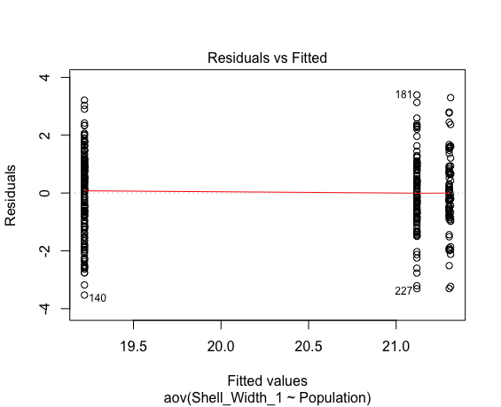
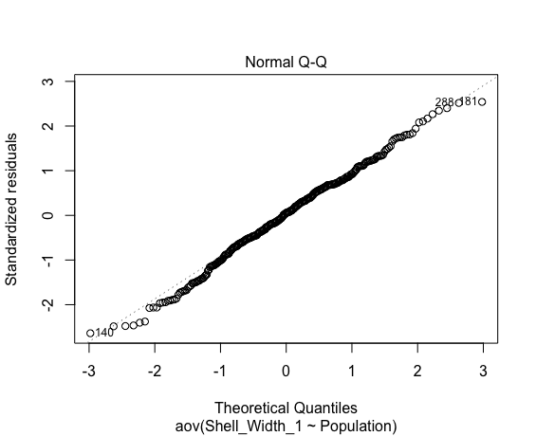
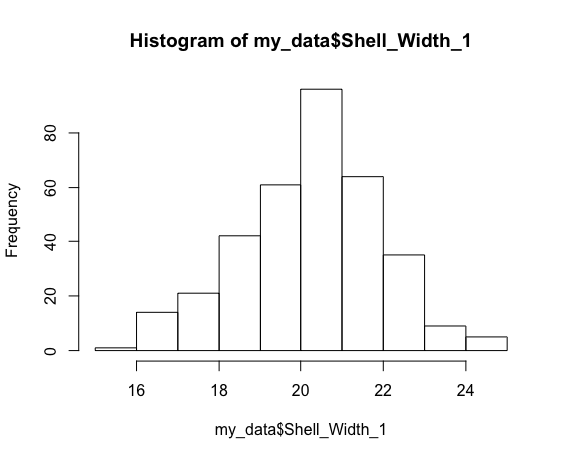
Shapiro-Wilk normality test
data: aov_residuals
W = 0.99424, | p-value = 0.213

Kruskal-Wallis rank sum test
data: Shell_Width_1 by Population
Kruskal-Wallis chi-squared = 133.58, | df = 3, | p-value < 2.2e-16

Data Summary Statistics
Population | count | mean | sd
<fct> | <int> | <dbl> | <dbl>
Cluster1 | 166 | 19.2 | 1.39 |  | TGCP | STT | FSSP | MPO | OICP | HGRF | PTP | CRWA
Cluster2 | 105 | 21.1 | 1.27 |  | MRLP | IRO | RRL | RRO | CPS | PCRA
Cluster3 | 22 | 21.3 | 1.56 |  | PPNP | FPPI
Cluster4 | 55 | 21.3 | 1.21 |  | HNL | DHFA

Pairwise comparisons using t tests with pooled SD

 | Cluster1 | Cluster2 | Cluster3
Cluster2 | < 2e-16 | - | -
Cluster3 | 6.10E-11 | 0.65 | -
Cluster4 | < 2e-16 | 0.61 | 9.80E-01

ANOVA

 | Df | Sum Sq | Mean Sq | F value | Pr(>F)
Population | 3 | 341 | 113.7 | 63.15 | <2e-16 ***
Residuals | 344 | 619.1 | 1.8
---
Signif. codes: 0 ‘***’ 0.001 ‘**’ 0.01 ‘*’ 0.05 ‘.’ 0.1 ‘ ’ 1

Tukey multiple comparisons of means
95% family-wise confidence level

$Population
 | diff | lwr | upr | p adj
Cluster2-Cluster1 | 1.898355709 | 1.4665063 | 2.3302051 | 0
Cluster3-Cluster1 | 2.090788609 | 1.3049924 | 2.8765848 | 0
Cluster4-Cluster1 | 2.082606791 | 1.5437701 | 2.6214434 | 0
Cluster3-Cluster2 | 0.1924329 | -0.6196348 | 1.0045006 | 0.928307
Cluster4-Cluster2 | 0.184251082 | -0.3922238 | 0.7607259 | 0.8425442
Cluster4-Cluster3 | -0.008181818 | -0.8818551 | 0.8654915 | 0.9999949

Shell_Width_2
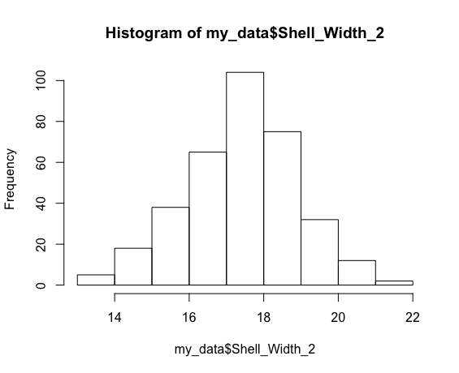
Shell_Width_2
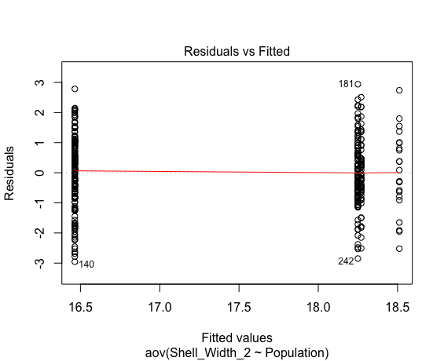
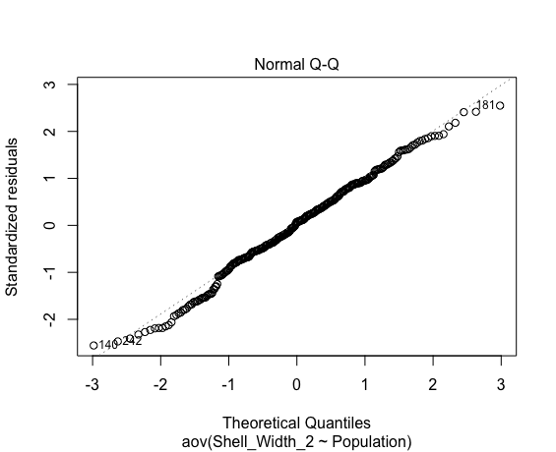
Shapiro-Wilk normality test
data: aov_residuals
W = 0.99315, | p-value = 0.1106

Kruskal-Wallis rank sum test
data: Shell_Width_2 by Population
Kruskal-Wallis chi-squared = 144.9, | df = 3, | p-value < 2.2e-16

Data Summary Statistics
Population | count | mean | sd
<fct> | <int> | <dbl> | <dbl>
Cluster1 | 166 | 16.5 | 1.2 |  | TGCP | STT | FSSP | MPO | OICP | HGRF | PTP | CRWA
Cluster2 | 105 | 18.2 | 1.11 |  | MRLP | IRO | RRL | RRO | CPS | PCRA
Cluster3 | 22 | 18.5 | 1.34 |  | PPNP | FPPI
Cluster4 | 58 | 18.3 | 1.05 |  | HNL | DHFA

Pairwise comparisons using t tests with pooled SD

 | Cluster1 | Cluster2 | Cluster3
Cluster2 | < 2e-16 | - | -
Cluster3 | 1.70E-13 | 0.49 | -
Cluster4 | < 2e-16 | 0.91 | 4.90E-01

ANOVA

 | Df | Sum Sq | Mean Sq | F value | Pr(>F)
Population | 3 | 292 | 97.34 | 72.41 | <2e-16 ***
Residuals | 347 | 466.4 | 1.34
---
Signif. codes: 0 ‘***’ 0.001 ‘**’ 0.01 ‘*’ 0.05 ‘.’ 0.1 ‘ ’ 1

Tukey multiple comparisons of means
95% family-wise confidence level

$Population
 | diff | lwr | upr | p adj
Cluster2-Cluster1 | 1.78536145 | 1.4121629 | 2.15856 | 0
Cluster3-Cluster1 | 2.04672508 | 1.3676503 | 2.7257998 | 0
Cluster4-Cluster1 | 1.8060511 | 1.3495309 | 2.2625713 | 0
Cluster3-Cluster2 | 0.26136364 | -0.4404146 | 0.9631419 | 0.7714273
Cluster4-Cluster2 | 0.02068966 | -0.4689642 | 0.5103435 | 0.9995349
Cluster4-Cluster3 | -0.24067398 | -0.9900912 | 0.5087433 | 0.8406596

