Online Submission Screenshots
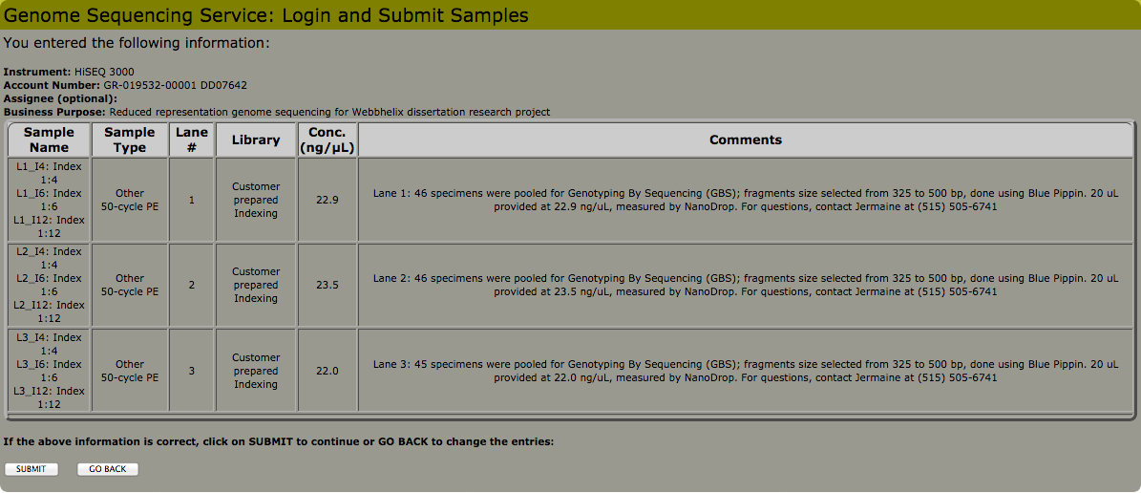
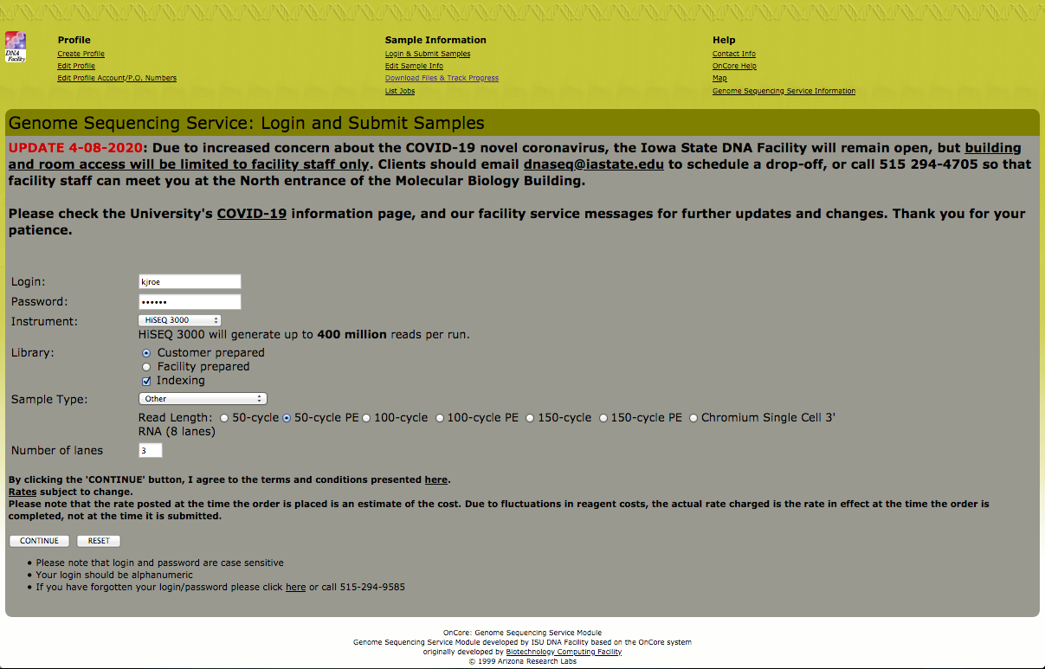

<----- *Mistake made when order placed, should not have selected 50-cycle PE as shown in this screenshot; the correct option should have been the 100-cycle option. Dr. Baker at the DNA Facility was emailed and asked to change the option on their end after the order was submitted.

