Hubricht_1985
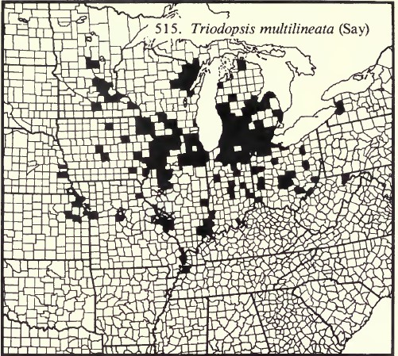
a part of Hubricht records at county level is already in the sheet "records-USA" in green, but not all

