Results
Details | Data | Results | Plates | 2 | Y-Axis | Log | 2 | 0.01 |  | 0 | 1 | 730 | 270 | 0.28840315031 | 0.28840315031
Threshold | TechRep | Chart | t-Test | 2 | Noise Filt | On | Cycles | 40 |  | 0 | 0 | 0 | 1000 | 0.01 | 0.01
Chart 1/1 | 1 | SOLVER | ? | 130 | Back.Sub. | On | 13 |  |  |  |  | 365 |  | 0.053703179637 | 0.053703179637
Plate | 1 | 1 | 0 | 40 | Baseline | On |  | Min | Max | 1 |  |  |  | 0 | 40
Range | 1A1-2H9 | Selection |  |  | Amp. | On | Eff% | 62% | 110% | 1
Sample | Ct | Eff% | R^2 | Points | Top | 0.2884 | R^2 | 0.98 | 1.00
All_Min | 15.8 | 75% | 0.9898 | 4 | Bottom | 0.0100 | Points | 3 | 12 |  | All | 1 | 2 | 3 | 4
All_Max | 29.5 | 107% | 0.9986 | 6 | Threshold | 0.0537 | Negative | 40 | 40 |  | A
 | 1A1-3G_SodA | 1B1-3G_SodA | 1C1-3G_OtsA | 1D1-3G_OtsA | 1E1-3G_Rpon2 | 1F1-3G_Rpon2 | 1G1-3G_ParA | 1H1-3G_ParA | 1A2-3G_SodA | 1B2-3G_SodA | 1C2-3G_OtsA | 1D2-3G_OtsA
1 | 0.00077585451417 | 0.00048586133194 | 0.00020609885293 | 0.00027896766537 | 0.0018823619273 | 0.0017902942322 | 0.0014539283414 | 0.0007473022989 | 0.0022528567219 | 0.0002452320924 | 0.00051756833931 | 8.2503561903E-05
2 | 0.00077585451417 | 0.00048586133194 | 0.00020609885293 | 0.00027896766537 | 0.0018823619273 | 0.0017902942322 | 0.0014539283414 | 0.0007473022989 | 0.0022528567219 | 0.0002452320924 | 0.00051756833931 | 8.2503561903E-05
3 | 0.00077585451417 | 0.00048586133194 | 0.00020609885293 | 0.00027896766537 | 0.0018823619273 | 0.0017902942322 | 0.0014539283414 | 0.0007473022989 | 0.0022528567219 | 0.0002452320924 | 0.00051756833931 | 8.2503561903E-05
4 | 0.00077585451417 | 0.00048586133194 | 0.00020609885293 | 0.00027896766537 | 0.0018823619273 | 0.0017902942322 | 0.0014539283414 | 0.0007473022989 | 0.0022528567219 | 0.0002452320924 | 0.00051756833931 | 8.2503561903E-05
5 | 0.00077585451417 | 0.00048586133194 | 0.00020609885293 | 0.00027896766537 | 0.0018823619273 | 0.0017902942322 | 0.0014539283414 | 0.0007473022989 | 0.0022528567219 | 0.0002452320924 | 0.00051756833931 | 8.2503561903E-05
6 | 0.00077585451417 | 0.00048586133194 | 0.00020609885293 | 0.00027896766537 | 0.0018823619273 | 0.0017902942322 | 0.0014539283414 | 0.0007473022989 | 0.0022528567219 | 0.0002452320924 | 0.00051756833931 | 8.2503561903E-05
7 | 0.00077585451417 | 0.00048586133194 | 0.00020609885293 | 0.00027896766537 | 0.0018823619273 | 0.0017902942322 | 0.0014539283414 | 0.0007473022989 | 0.0022528567219 | 0.0002452320924 | 0.00051756833931 | 8.2503561903E-05
8 | 0.00077585451417 | 0.00048586133194 | 0.00020609885293 | 0.00027896766537 | 0.0018823619273 | 0.0017902942322 | 0.0014539283414 | 0.0007473022989 | 0.0022528567219 | 0.0002452320924 | 0.00051756833931 | 8.2503561903E-05
9 | 0.00077585451417 | 0.00048586133194 | 0.00020609885293 | 0.00027896766537 | 0.0018823619273 | 0.0017902942322 | 0.0014539283414 | 0.0007473022989 | 0.0022528567219 | 0.0002452320924 | 0.00051756833931 | 8.2503561903E-05
10 | 0.00077585451417 | 0.00048586133194 | 0.00020609885293 | 0.00027896766537 | 0.0018823619273 | 0.0017902942322 | 0.0014539283414 | 0.0007473022989 | 0.0022528567219 | 0.0002452320924 | 0.00051756833931 | 8.2503561903E-05
11 | 0.00077585451417 | 0.00048586133194 | 0.00020609885293 | 0.00027896766537 | 0.0018823619273 | 0.0017902942322 | 0.0014539283414 | 0.0007473022989 | 0.0022528567219 | 0.0002452320924 | 0.00051756833931 | 8.2503561903E-05
12 | 0.00077585451417 | 0.00048586133194 | 0.00020609885293 | 0.00027896766537 | 0.0018823619273 | 0.0017902942322 | 0.0014539283414 | 0.0007473022989 | 0.0022528567219 | 0.0002452320924 | 0.00051756833931 | 8.2503561903E-05
13 | 0.00077585451417 | 0.00048586133194 | 0.00020609885293 | 0.00027896766537 | 0.0018823619273 | 0.0017902942322 | 0.0014539283414 | 0.0007473022989 | 0.0022528567219 | 0.0002452320924 | 0.00051756833931 | 8.2503561903E-05
14 | 0.00077585451417 | 0.00048586133194 | 0.00020609885293 | 0.00027896766537 | 0.0018823619273 | 0.0017902942322 | 0.0014539283414 | 0.0007473022989 | 0.0022528567219 | 0.0002452320924 | 0.00051756833931 | 8.2503561903E-05
15 | 0.00077585451417 | 0.00048586133194 | 0.00020609885293 | 0.00027896766537 | 0.0018823619273 | 0.0017902942322 | 0.0014539283414 | 0.0007473022989 | 0.0022528567219 | 0.0002452320924 | 0.00051756833931 | 8.2503561903E-05
16 | 0.00077585451417 | 0.00048586133194 | 0.00020609885293 | 0.00027896766537 | 0.0018823619273 | 0.0017902942322 | 0.0014539283414 | 0.0007473022989 | 0.0022528567219 | 0.0002452320924 | 0.00051756833931 | 8.2503561903E-05
17 | 0.00077585451417 | 0.00048586133194 | 0.00020609885293 | 0.00027896766537 | 0.0018823619273 | 0.0017902942322 | 0.0014539283414 | 0.0007473022989 | 0.0022528567219 | 0.0002452320924 | 0.00051756833931 | 8.2503561903E-05
18 | 0.00077585451417 | 0.00048586133194 | 0.00020609885293 | 0.00027896766537 | 0.0018823619273 | 0.0017902942322 | 0.0014539283414 | 0.0007473022989 | 0.0022528567219 | 0.0002452320924 | 0.00051756833931 | 8.2503561903E-05
19 | 0.00077585451417 | 0.00048586133194 | 0.00020609885293 | 0.00027896766537 | 0.0018823619273 | 0.0017902942322 | 0.0014539283414 | 0.0007473022989 | 0.0022528567219 | 0.0002452320924 | 0.00051756833931 | 8.2503561903E-05
20 | 0.002658476709 | 0.0023177112895 | 0.00020609885293 | 0.00027896766537 | 0.0018823619273 | 0.0017902942322 | 0.0014539283414 | 0.0007473022989 | 0.0022528567219 | 0.004896780762 | 0.00051756833931 | 8.2503561903E-05
21 | 0.0090345373185 | 0.0078178036803 | 0.00020609885293 | 0.00027896766537 | 0.0018823619273 | 0.0017902942322 | 0.0014539283414 | 0.0016337557425 | 0.0064418503244 | 0.012006899927 | 0.00051756833931 | 8.2503561903E-05
22 | 0.02006830122 | 0.018994663814 | 0.00020609885293 | 0.0010524575408 | 0.0018823619273 | 0.0017902942322 | 0.0054332893589 | 0.0056044711677 | 0.01895000891 | 0.023623968201 | 0.00051756833931 | 8.2503561903E-05
23 | 0.039623077428 | 0.036422642292 | 0.0025530605195 | 0.0048020710302 | 0.0018823619273 | 0.0036626469034 | 0.013705128532 | 0.012688003123 | 0.041745110194 | 0.043830749294 | 0.0015421770394 | 0.0020487025317
24 | 0.071537033825 | 0.066575041578 | 0.0081371425127 | 0.011259761629 | 0.0092338837825 | 0.011556389693 | 0.02870443752 | 0.027293217554 | 0.07879030281 | 0.078108114375 | 0.0060381421025 | 0.0074473573047
25 | 0.12242680118 | 0.11437703773 | 0.019804915354 | 0.023922122789 | 0.024434484534 | 0.025804303341 | 0.056515444069 | 0.054304989791 | 0.13656112235 | 0.13209447381 | 0.01545419289 | 0.017388388874
26 | 0.19910705184 | 0.18754986956 | 0.040979470988 | 0.04859307702 | 0.052478753845 | 0.051785859108 | 0.10491588173 | 0.1025664322 | 0.22279994318 | 0.21114918074 | 0.03285858842 | 0.037373564221
27 | 0.3047988737 | 0.2890403936 | 0.081721075457 | 0.094107260596 | 0.10300217988 | 0.099170025275 | 0.18481337921 | 0.1821555605 | 0.33652946676 | 0.31874826421 | 0.066511833111 | 0.073916536613
28 | 0.43239224027 | 0.41440137395 | 0.1523409365 | 0.1726286128 | 0.18617606253 | 0.1792264964 | 0.30378000056 | 0.30065992457 | 0.46560554922 | 0.44567635972 | 0.12669159145 | 0.13907830322
29 | 0.56336718889 | 0.54689910994 | 0.26603232521 | 0.2946442131 | 0.31070083671 | 0.2994651238 | 0.45111853739 | 0.44831909632 | 0.5895739469 | 0.5752668574 | 0.2262573716 | 0.24534501705
30 | 0.67931740364 | 0.66656626227 | 0.41522831528 | 0.44981411291 | 0.46143819062 | 0.44702124464 | 0.60384622136 | 0.60133666493 | 0.6922110034 | 0.68729742572 | 0.36753268572 | 0.391972138
31 | 0.76718570154 | 0.75963244959 | 0.57759877366 | 0.61180239286 | 0.61448155672 | 0.59942156404 | 0.73519849859 | 0.73422563212 | 0.7682171931 | 0.7713414648 | 0.52972226898 | 0.5559633297
32 | 0.82814318582 | 0.82433667053 | 0.72043511229 | 0.74826928132 | 0.74232557863 | 0.73000508416 | 0.83357832973 | 0.83375238693 | 0.82217651751 | 0.82950350482 | 0.68336022678 | 0.70526686622
33 | 0.86992412161 | 0.86903797432 | 0.82617154388 | 0.84534756832 | 0.83689863719 | 0.82786317675 | 0.89885860229 | 0.90010642075 | 0.86267038655 | 0.86990030959 | 0.80151723555 | 0.8170243512
34 | 0.90239679631 | 0.90280321752 | 0.89397362884 | 0.90508176491 | 0.89972814575 | 0.89316297116 | 0.9386952519 | 0.94019096625 | 0.89706719694 | 0.90248111373 | 0.8805250567 | 0.88966129852
35 | 0.92912698941 | 0.93093477626 | 0.93348180118 | 0.9388608354 | 0.93869370574 | 0.93396191694 | 0.96271448322 | 0.96363812772 | 0.92598330051 | 0.92970635469 | 0.92651835441 | 0.93223105281
36 | 0.95129866422 | 0.95365264282 | 0.95730358448 | 0.9597582186 | 0.96287996689 | 0.95958139708 | 0.97736477973 | 0.97798970587 | 0.94978235949 | 0.95233110238 | 0.95347854567 | 0.95696445213
37 | 0.96889316909 | 0.97163460084 | 0.97375748178 | 0.97448288539 | 0.97849696604 | 0.97652503646 | 0.98698738713 | 0.98780353183 | 0.96773795994 | 0.96976862374 | 0.97131995903 | 0.97308052436
38 | 0.98316547858 | 0.98546880021 | 0.98644701188 | 0.98627573662 | 0.98910387119 | 0.98828756409 | 0.99322621309 | 0.99461056597 | 0.98216881337 | 0.98365030983 | 0.98477686895 | 0.98507633696
39 | 0.99466316003 | 0.99561647655 | 0.99580781811 | 0.99561989047 | 0.9967432739 | 0.996472047 | 0.99804139368 | 0.99859556046 | 0.99413985323 | 0.99478211642 | 0.99529010977 | 0.99523119792
40 | 1 | 1 | 1 | 1 | 1 | 1 | 1 | 1 | 1 | 1 | 1 | 1
 |  |  |  |  |  |  |  |  |  |  | B
 |  |  |  |  |  |  |  |  |  |  | C
 | On |  |  |  |  |  |  |  |  |  | D
 | On |  |  |  |  |  |  |  |  |  | E
 | On |  |  |  |  |  |  |  |  |  | F
 | On |  |  |  |  |  |  |  |  |  | G
 |  |  |  |  |  |  |  |  |  |  | H
 |  |  |  |  |  |  |  |  |  |  | I
 |  |  |  |  |  |  |  |  |  |  | J
 |  |  |  |  |  |  |  |  |  |  | K
 |  |  |  |  |  |  |  |  |  |  | L
 |  |  |  |  |  |  |  |  |  |  | M
 |  |  |  |  |  |  |  |  |  |  | N
 |  |  |  |  |  |  |  |  |  |  | O
 |  |  |  |  |  |  |  |  |  |  | P

Scroll Bar | Top | 270 |  |  |  |  |  |  |  | 45 |  | Selection
 | Bottom | 1000 |  |  |  |  |  |  |  | 53 |  | Selection With Error
 |  |  |  |  |  |  |  |  |  | 2 |  | No Selected
 |  |  |  |  |  |  |  |  |  | 54 |  | Not Selected With Error
 |  |  |  |  |  |  |  |  |  | 16 |  | Excluded
 |  |  |  |  |  |  |  |  |  | 15 |  | Empty

Result3
Details | Data | Results | Plates | ? | ParA | On | 45 | 1 | Samples | 3
Threshold | TechRep | Chart | t-Test | 0 |  | On | 2 |  | Genes | 6 |  |  | On
Print | Stability |  |  |  |  | Off | 2
Error | SE | 2 |  |  | t-Test |  | 0.37746635128 |  | 1 | 0.05 | gene | t/c
Log2 | On | 1 | 2 | Rpon2 | Treat/Ctrl1 | 3N/3G |  | Treat/Ctrl1 | 3N/3G |  | 3 | 1
 |  |  | T/C_Log2 | Rpon2 | Treat/Ctrl2 | 3B/3G |  | Treat/Ctrl2 | 3B/3G |  | 3 | 2

 | 3N/3G |  | 3B/3G |  | DNA/3G
SodA | 1.2699701278 | SodA | 1.1314942887 | SodA | 0 | SodA |  | SodA |  | SodA |  | SodA |  | SodA |  | SodA |  | SodA |  | SodA |  | SodA
OtsA | 1.5135587501 | OtsA | 0.9699514517 | OtsA | 0 | OtsA |  | OtsA |  | OtsA
Rpon2 | 2.1219927493 | Rpon2 | 2.4416368343 | Rpon2 | 0 | Rpon2 |  | Rpon2 |  | Rpon2
aceA | 72.026244089 | aceA | 2.9421099465 | aceA | 0 | aceA |  | aceA |  | aceA
ltpD | 0.27940666898 | ltpD | 0.16199518755 | ltpD | 0 | ltpD |  | ltpD |  | ltpD
pspA | 1.8229108651 | pspA | 1.1539138917 | pspA | 0 | pspA |  | pspA |  | pspA

Independent |  | 1 | 2 | 3 | 4 | 5 | 6 |  |  |  | Log2
Treatment/Control |  |  | It(T/C)c | SodA | OtsA | Rpon2 | aceA | ltpD | pspA |  | SodA | OtsA | Rpon2 | aceA
3N/3G |  | 1 | 2 | 1.2699701278 | 1.5135587501 | 2.1219927493 | 72.026244089 | 0.27940666898 | 1.8229108651 |  | 0.34479456235 | 0.59794467571 | 1.0854197266 | 6.1704507698
3B/3G |  | 2 | 3 | 1.1314942887 | 0.9699514517 | 2.4416368343 | 2.9421099465 | 0.16199518755 | 1.1539138917 |  | 0.17822930251 | -0.044015555989 | 1.2878486318 | 1.556851161
DNA/3G |  | 3 | 4
...

Print
 |  |  |  | Results |  |  |  |  |  |  |  | Results Data
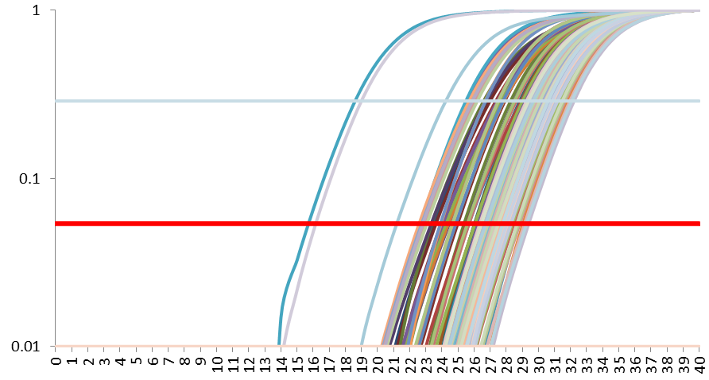
 | PCR Details |  |  |  |  |  |  |  |  |  |  | Treatment/Control | It(T/C)c | SodA | OtsA | Rpon2
 | Cycles | 40 |  |  |  |  |  |  |  |  |  | 3N/3G | 2 | 1.2699701278 | 1.5135587501 | 2.1219927493
 | Number of plates | 2 |  |  |  |  |  |  |  |  |  | 3B/3G | 3 | 1.1314942887 | 0.9699514517 | 2.4416368343
 | Plate Size | 12X8 |  |  |  |  |  |  |  |  |  | DNA/3G | 4
 | Compensation | -0.45187925139 | Plate2
 |  |  | Plate3
...
 |  |  |  |  | Range |  |  |  |  | Adjustment
...
 |  |  |  |  | Sample | Ct | Eff% | R^2 | Points | Y-Axis | Log
 |  |  |  |  | All_Min | 15.819432012 | 0.75239841217 | 0.98984530848 | 4 | Noise Filt | On |  | SD(T/C)c | SodA | OtsA | Rpon2
 |  |  |  |  | All_Max | 29.46556412 | 1.0655147554 | 0.99862165958 | 6 | Back.Sub. | On | 3N/3G | 2 | 0.30402674589 | 0.2497179906 | 2.1325746779
 |  |  |  |  |  |  |  |  |  | Baseline | On | 3B/3G | 3 | 0.17391605289 | 0.7004653455 | 2.6256648854
 |  |  |  |  | Threshold |  |  |  |  | Amp. | On | DNA/3G | 4
Linkage | Sample Link |  |  |  | Top | Threshold | Bottom |  |  | Background | 13
 |  |  |  |  | 0.28840315031 | 0.053703179637 | 0.01
1 | 3G
1 | 3G |  |  |  | Diff between technical replicates
1 | 3G |  |  |  | Max | 1.5386
...
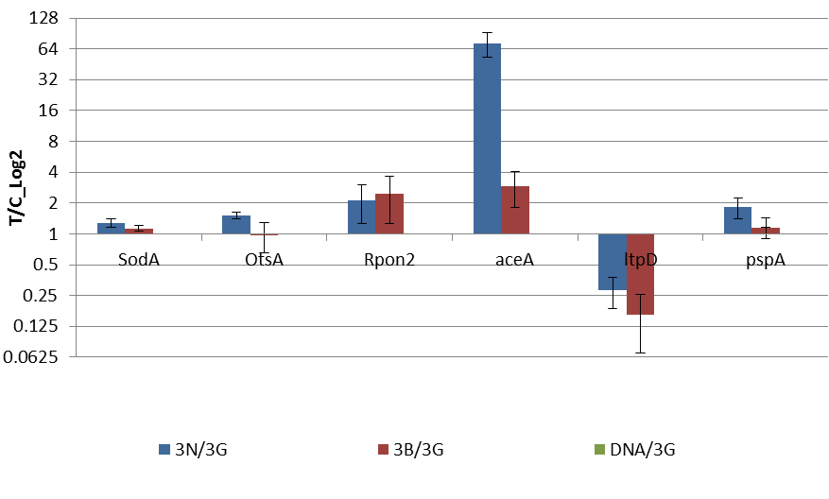
...
 |  |  |  |  |  |  |  |  |  |  |  |  | SE(T/C)c | SodA | OtsA | Rpon2
 |  |  |  |  |  |  |  |  |  |  |  | 3N/3G | 2 | 0.12411839926 | 0.10194694276 | 0.87061996654
 |  |  |  |  |  |  |  |  |  |  |  | 3B/3G | 3 | 0.077777623327 | 0.31325762568 | 1.174233034
 |  |  |  |  |  |  |  |  |  |  |  | DNA/3G | 4
...
 |  |  |  |  | Error Bar | SE
 |  |  |  |  | Log Scale | On | Base | 2
...

