List of Operators
 | Forklift | Clamp Truck | Electric Pallet Jack | Scissor Lift | 1 Person Lift

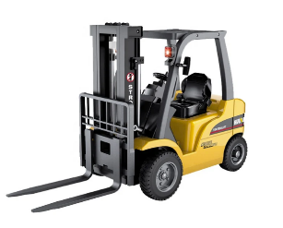
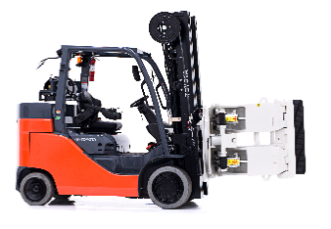
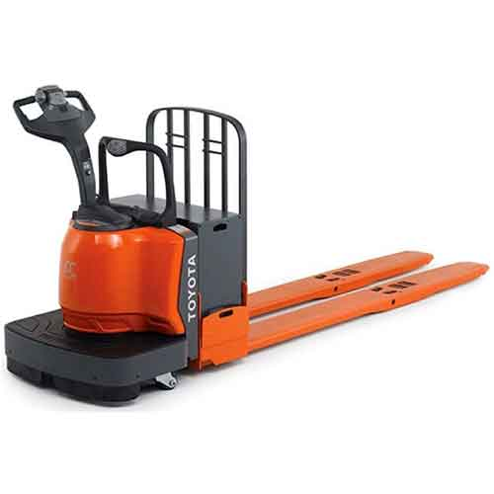

Forklift Certification

 |  |  |  |  |  | Classroom Learning | Practical Exam | Certificate Expiration?
NAME
Jonathan Maxwell | X | X | X | X | X | September 2025 | 2025-09-10 | Setpember 2028
Hung Pham | X | X | X |  |  | September 2025 | 2025-09-10 | Setpember 2028
Chanvisal Heng | X |  |  |  |  | 2025-10-07 | 2025-10-07 | 2028-10-07
Van'ness Wallace | X | X |  |  |  | 2025-10-09 | 2025-10-09 | 2028-10-09
Perry Keithley | X |  |  |  |  | 2025-10-07 | 2025-10-07 | 2028-10-07
Joe Droddy | X | X |  |  |  | 2025-12-02 | 2025-12-02 | 2028-12-02
Jesus Sanchez | X |  |  |  |  | 2025-12-22 | 2025-12-23 | 2028-12-23
Gerard Walker II | X |  | X | X | X | 2025-09-30
Chet Herbert | X |  | X |  |  | 2026-02-04
Robert Mayo | X | X |  |  |  | 2026-03-23 | 2026-03-23
Gerard Walker | X | X | X | X | X
Phalla Mik | X | X
Jerry | X | X
Carrie Dawkins | X | X | X

