Theater Outcomes by Launch Date
Theater Outcomes Based on Launch Date
 | successful | failed | canceled
Jan | 56 | 33 | 7
Feb | 71 | 39 | 3
Mar | 56 | 33 | 3
Apr | 71 | 40 | 2
May | 111 | 52 | 3
Jun | 100 | 49 | 4
Jul | 87 | 50 | 1
Aug | 72 | 47 | 4
Sep | 59 | 34 | 4
Oct | 65 | 50
Nov | 54 | 31 | 3
Dec | 37 | 35 | 3
parent category | theater
Years | (All)

Count of outcomes | Column Labels
Row Labels | successful | failed | canceled | Grand Total
Jan | 56 | 33 | 7 | 96
Feb | 71 | 39 | 3 | 113
Mar | 56 | 33 | 3 | 92
Apr | 71 | 40 | 2 | 113
May | 111 | 52 | 3 | 166
Jun | 100 | 49 | 4 | 153
Jul | 87 | 50 | 1 | 138
Aug | 72 | 47 | 4 | 123
Sep | 59 | 34 | 4 | 97
Oct | 65 | 50 |  | 115
Nov | 54 | 31 | 3 | 88
Dec | 37 | 35 | 3 | 75
Grand Total | 839 | 493 | 37 | 1369

Outcomes Based on Goals
Goal | Number Successful | Number Failed | Number Canceled | Total Projects | Percentage Successful | Percentage Failed | Percentage Canceled
Less Than 1000 | 322 | 113 | 18 | 855 | 38% | 13% | 2%
1000 to 4999 | 932 | 420 | 60 | 1635 | 57% | 26% | 4%
5000 to 9999 | 381 | 283 | 52 | 808 | 47% | 35% | 6%
10000 to 14999 | 168 | 144 | 40 | 402 | 42% | 36% | 10%
15000 to 19999 | 94 | 90 | 17 | 256 | 37% | 35% | 7%
20000 to 24999 | 62 | 72 | 14 | 198 | 31% | 36% | 7%
25000 to 29999 | 55 | 64 | 18 | 156 | 35% | 41% | 12%
30000 to 34999 | 32 | 37 | 13 | 85 | 38% | 44% | 15%
40000 to 44999 | 21 | 16 | 6 | 48 | 44% | 33% | 13%
45000 to 49999 | 6 | 11 | 4 | 1014 | 1% | 1% | 0%
50000 to More | 931 | 997 | 271 | 1928 | 48% | 52% | 14%

Outcomes Based on Goals

Resources
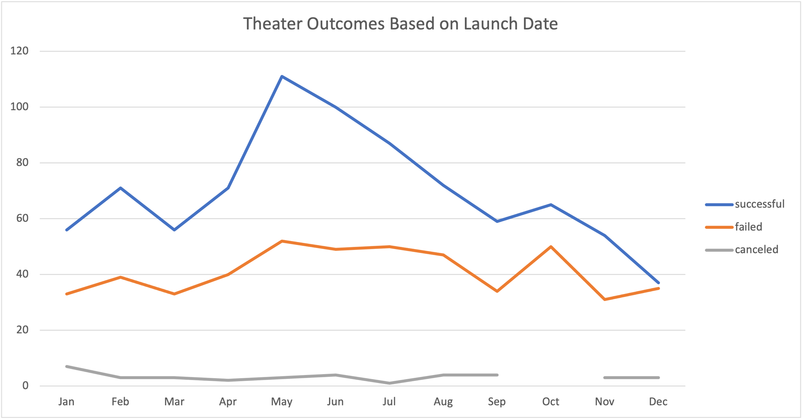

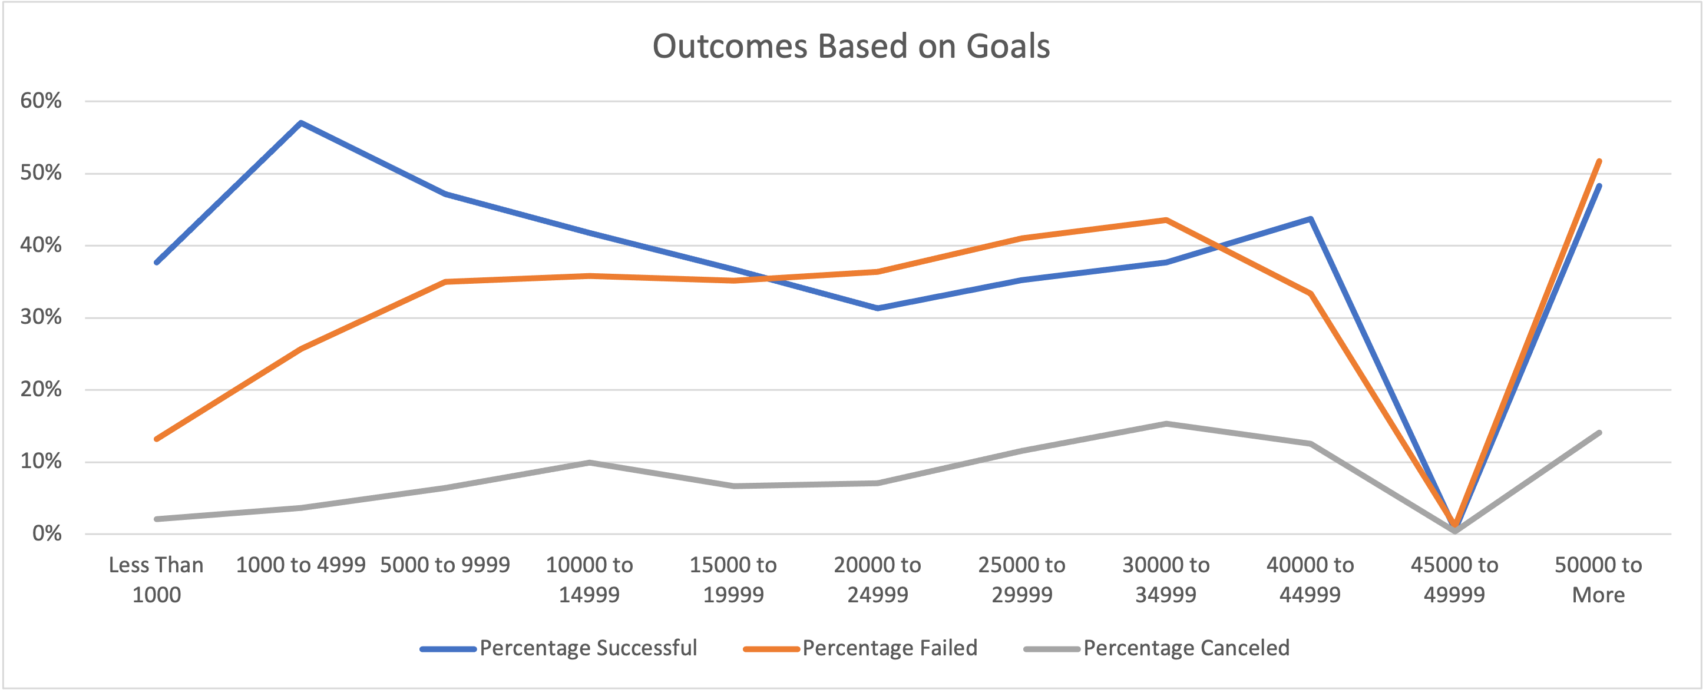

Parent Category Outcomes
country | US

Parent Category Outcomes (US)
 | canceled | failed | live | successful
film & video | 31 | 130 |  | 261
food | 15 | 115 | 4 | 34
games |  | 96 |  | 52
journalism | 23
music | 19 | 110 | 17 | 490
photography |  | 72 |  | 62
publishing | 22 | 87 |  | 69
technology | 121 | 138 |  | 158
theater | 26 | 349 | 12 | 525
Count of outcomes | Column Labels
Row Labels | canceled | failed | live | successful | Grand Total
film & video | 31 | 130 |  | 261 | 422
food | 15 | 115 | 4 | 34 | 168
games |  | 96 |  | 52 | 148
journalism | 23 |  |  |  | 23
music | 19 | 110 | 17 | 490 | 636
photography |  | 72 |  | 62 | 134
publishing | 22 | 87 |  | 69 | 178
technology | 121 | 138 |  | 158 | 417
theater | 26 | 349 | 12 | 525 | 912
Grand Total | 257 | 1097 | 33 | 1651 | 3038

Subcategory Statistics
country | GB
parent category | (All)

Count of outcomes | Column Labels
Row Labels | canceled | failed | live | successful | Grand Total
animation |  | 14 |  |  | 14
art books | 3 |  |  |  | 3
 | canceled | failed | live | successful
animation |  | 14
art books | 3
children's books |  | 2
classical music |  |  |  | 5
documentary |  |  |  | 8
drama |  | 16
electronic music |  |  |  | 6
faith |  | 1 | 1
fiction |  | 2
food trucks | 1 | 5
gadgets |  | 3
hardware |  |  |  | 19
jazz |  | 6
metal |  |  |  | 2
mobile games |  | 7
musical | 5 | 11 |  | 10
nature |  | 3
nonfiction |  |  |  | 6
people |  | 5
photobooks |  | 14 |  | 18
places |  | 5
plays |  | 70 | 6 | 238
pop |  |  |  | 2
restaurants |  | 3
rock |  |  |  | 10
science fiction | 2
shorts |  |  |  | 6
small batch |  |  | 1
space exploration |  |  |  | 3
spaces | 1 | 8 |  | 10
tabletop games |  |  |  | 16
television |  |  |  | 7
translations |  | 4
video games |  | 10
wearables | 5 | 6
web | 7 | 10
world music | 1
children's books |  | 2 |  |  | 2
classical music |  |  |  | 5 | 5
documentary |  |  |  | 8 | 8
drama |  | 16 |  |  | 16
electronic music |  |  |  | 6 | 6
faith |  | 1 | 1 |  | 2
fiction |  | 2 |  |  | 2
food trucks | 1 | 5 |  |  | 6
gadgets |  | 3 |  |  | 3
hardware |  |  |  | 19 | 19
jazz |  | 6 |  |  | 6
metal |  |  |  | 2 | 2
mobile games |  | 7 |  |  | 7
musical | 5 | 11 |  | 10 | 26
nature |  | 3 |  |  | 3
nonfiction |  |  |  | 6 | 6
people |  | 5 |  |  | 5
photobooks |  | 14 |  | 18 | 32
places |  | 5 |  |  | 5
plays |  | 70 | 6 | 238 | 314
pop |  |  |  | 2 | 2
restaurants |  | 3 |  |  | 3
rock |  |  |  | 10 | 10
science fiction | 2 |  |  |  | 2
shorts |  |  |  | 6 | 6
small batch |  |  | 1 |  | 1
space exploration |  |  |  | 3 | 3
spaces | 1 | 8 |  | 10 | 19
tabletop games |  |  |  | 16 | 16
television |  |  |  | 7 | 7
translations |  | 4 |  |  | 4
video games |  | 10 |  |  | 10
wearables | 5 | 6 |  |  | 11
web | 7 | 10 |  |  | 17
world music | 1 |  |  |  | 1
Grand Total | 25 | 205 | 8 | 366 | 604

Outcomes Based on Launch Date
parent category | (All)
Years | (All)

Count of outcomes | Column Labels
Row Labels | canceled | failed | live | successful | Grand Total
Qtr1 | 89 | 363 | 50 | 564 | 1066
Outcomes by Launch Date
 | canceled | failed | live | successful
Jan | 34 | 149 | 2 | 182
Feb | 27 | 106 | 18 | 202
Mar | 28 | 108 | 30 | 180
Apr | 27 | 102 |  | 192
May | 26 | 126 |  | 234
Jun | 27 | 147 |  | 211
Jul | 43 | 150 |  | 194
Aug | 33 | 134 |  | 166
Sep | 24 | 127 |  | 147
Oct | 20 | 149 |  | 183
Nov | 37 | 114 |  | 183
Dec | 23 | 118 |  | 111
Jan | 34 | 149 | 2 | 182 | 367
Feb | 27 | 106 | 18 | 202 | 353
Mar | 28 | 108 | 30 | 180 | 346
Qtr2 | 80 | 375 |  | 637 | 1092
Apr | 27 | 102 |  | 192 | 321
May | 26 | 126 |  | 234 | 386
Jun | 27 | 147 |  | 211 | 385
Qtr3 | 100 | 411 |  | 507 | 1018
Jul | 43 | 150 |  | 194 | 387
Aug | 33 | 134 |  | 166 | 333
Sep | 24 | 127 |  | 147 | 298
Qtr4 | 80 | 381 |  | 477 | 938
Oct | 20 | 149 |  | 183 | 352
Nov | 37 | 114 |  | 183 | 334
Dec | 23 | 118 |  | 111 | 252
Grand Total | 349 | 1530 | 50 | 2185 | 4114

