Worksheet
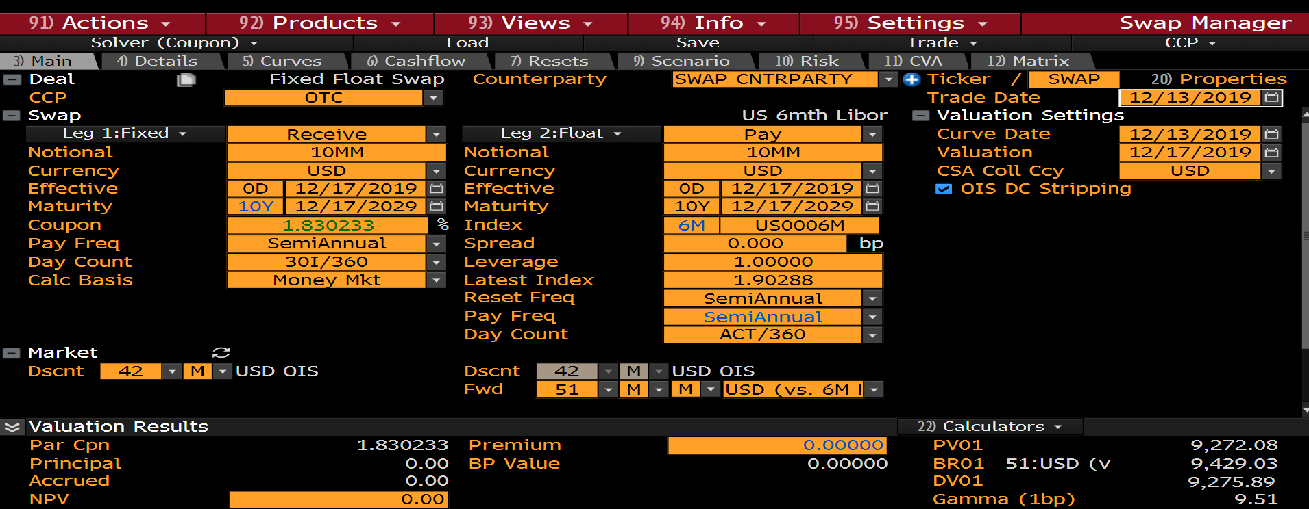
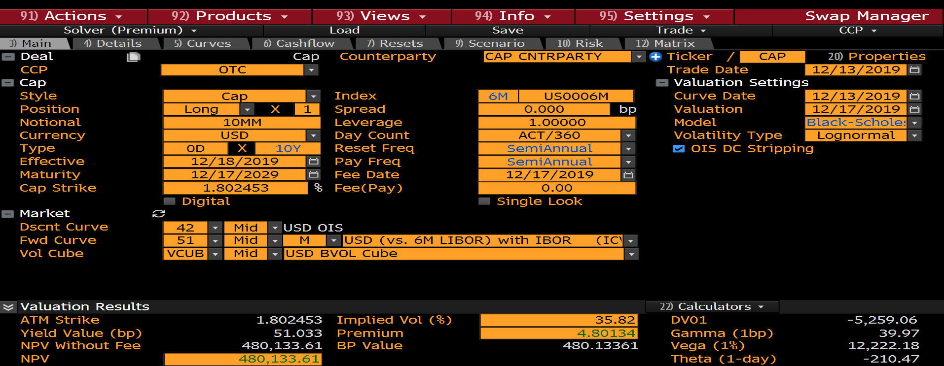
Pay Date | Accrual Start | Accrual End | Days | Notional | Principal | Reset Date | Reset Rate | Equiv. Coupon | Payment | Discount | Zero Rate | PV | Expiry | Pay Date | Days | Notional | Cap Strike | Cap Vols | Reset Rate | Hedge Ratio | Equiv. Coupon | Payment | Discount | Zero Rate | Intrinsic PV | Time PV | PV
2020-06-17 | 17-12-19 | #VALUE! | 183 | -10000000 | 0 | 12/13/2019 | 1.90288 | 1.90288 | -96729.73 | 0.992319 | 1.545328 | -95986.77 | 2019-12-16 | 2020-06-17 | 182 | 10000000 | 1.80245 |  | 1.90161 | -270.54 | 0.09915 | 5012.71 | 0.992319 | 1.545326 | 4974.21 | 0 | 4974.21
2020-12-17 | 2020-06-17 | 2020-12-17 | 183 | -10000000 | 0 | 06/15/2020 | 1.66132 | 1.66132 | -84450.67 | 0.985408 | 1.464403 | -83218.33 | 2020-06-15 | 2020-12-17 | 183 | 10000000 | 1.80245 | 18.82 | 1.66133 | 0.3 | 0.03769 | 1916.03 | 0.985424 | 1.462685 | 0 | 1888.1 | 1888.1
2021-06-17 | 2020-12-17 | 2021-06-17 | 182 | -10000000 | 0 | 12/15/2020 | 1.58807 | 1.58807 | -80285.59 | 0.97901 | 1.408457 | -78600.4 | 2020-12-15 | 2021-06-17 | 182 | 10000000 | 1.80245 | 30.73 | 1.58805 | 0.4 | 0.11673 | 5901.1 | 0.979041 | 1.406331 | 0 | 5777.42 | 5777.42
2021-12-17 | 2021-06-17 | 2021-12-17 | 183 | -10000000 | 0 | 06/15/2021 | 1.54027 | 1.54027 | -78297.21 | 0.972651 | 1.378759 | -76155.84 | 2021-06-15 | 2021-12-17 | 183 | 10000000 | 1.80245 | 31.55 | 1.53571 | 0.41 | 0.14333 | 7285.86 | 0.972656 | 1.37848 | 0 | 7086.64 | 7086.64
2022-06-17 | 2021-12-17 | 2022-06-17 | 182 | -10000000 | 0 | 12/15/2021 | 1.60678 | 1.60678 | -81231.89 | 0.96616 | 1.369655 | -78483 | 2021-12-15 | 2022-06-17 | 182 | 10000000 | 1.80245 | 38.21 | 1.60735 | 0.52 | 0.27325 | 13814.16 | 0.966163 | 1.369539 | 0 | 13346.72 | 13346.72
2022-12-19 | 2022-06-17 | 2022-12-19 | 185 | -10000000 | 0 | 06/15/2022 | 1.58367 | 1.58367 | -81383 | 0.959673 | 1.363644 | -78101.06 | 2022-06-15 | 2022-12-19 | 185 | 10000000 | 1.80245 | 38.62 | 1.58419 | 0.53 | 0.3055 | 15699.14 | 0.959673 | 1.363654 | 0 | 15066.03 | 15066.03
2023-06-19 | 2022-12-19 | 2023-06-19 | 182 | -10000000 | 0 | 12/15/2022 | 1.67164 | 1.67164 | -84510.48 | 0.953018 | 1.366821 | -80539.99 | 2022-12-15 | 2023-06-19 | 182 | 10000000 | 1.80245 | 38.18 | 1.66769 | 0.57 | 0.3849 | 19458.83 | 0.953034 | 1.366321 | 0 | 18544.93 | 18544.93
2023-12-18 | 2023-06-19 | 2023-12-18 | 182 | -10000000 | 0 | 06/15/2023 | 1.67395 | 1.67395 | -84627.43 | 0.94637 | 1.370227 | -80088.87 | 2023-06-15 | 2023-12-18 | 182 | 10000000 | 1.80245 | 38.26 | 1.6701 | 0.58 | 0.42164 | 21316.4 | 0.946408 | 1.369219 | 0 | 20174.02 | 20174.02
2024-06-17 | 2023-12-18 | 2024-06-17 | 182 | -10000000 | 0 | 12/14/2023 | 1.73174 | 1.73174 | -87549.07 | 0.939433 | 1.380827 | -82246.5 | 2023-12-14 | 2024-06-17 | 182 | 10000000 | 1.80245 | 38.19 | 1.72995 | 0.61 | 0.48947 | 24745.34 | 0.939562 | 1.377767 | 0 | 23249.79 | 23249.79
2024-12-17 | 2024-06-17 | 2024-12-17 | 183 | -10000000 | 0 | 06/13/2024 | 1.74478 | 1.74478 | -88692.92 | 0.932411 | 1.391464 | -82698.24 | 2024-06-13 | 2024-12-17 | 183 | 10000000 | 1.80245 | 38.17 | 1.74283 | 0.61 | 0.52754 | 26816.53 | 0.932649 | 1.386356 | 0 | 25010.41 | 25010.41
2025-06-17 | 2024-12-17 | 2025-06-17 | 182 | -10000000 | 0 | 12/13/2024 | 1.80216 | 1.80216 | -91109.43 | 0.925199 | 1.405618 | -84294.39 | 2024-12-13 | 2025-06-17 | 182 | 10000000 | 1.80245 | 38.88 | 1.80119 | 0.63 | 0.60484 | 30578.12 | 0.925472 | 1.400266 | 0 | 28299.18 | 28299.18
2025-12-17 | 2025-06-17 | 2025-12-17 | 183 | -10000000 | 0 | 06/13/2025 | 1.81978 | 1.81978 | -92505.67 | 0.917883 | 1.418447 | -84909.34 | 2025-06-13 | 2025-12-17 | 183 | 10000000 | 1.80245 | 38.85 | 1.8189 | 0.64 | 0.64399 | 32736.27 | 0.918189 | 1.412877 | 767.8 | 29290.29 | 30058.09
2026-06-17 | 2025-12-17 | 2026-06-17 | 182 | -10000000 | 0 | 12/15/2025 | 1.86156 | 1.86156 | -94112.37 | 0.910548 | 1.432336 | -85693.8 | 2025-12-15 | 2026-06-17 | 182 | 10000000 | 1.80245 | 35.54 | 1.86044 | 0.64 | 0.64586 | 32651.78 | 0.91089 | 1.426549 | 2670.25 | 27071.93 | 29742.18
2026-12-17 | 2026-06-17 | 2026-12-17 | 183 | -10000000 | 0 | 06/15/2026 | 1.88137 | 1.88137 | -95636.07 | 0.90312 | 1.446077 | -86370.81 | 2026-06-15 | 2026-12-17 | 183 | 10000000 | 1.80245 | 35.37 | 1.88029 | 0.64 | 0.68011 | 34572.16 | 0.903499 | 1.440077 | 3574.68 | 27661.22 | 31235.91
2027-06-17 | 2026-12-17 | 2027-06-17 | 182 | -10000000 | 0 | 12/15/2026 | 1.94076 | 1.94076 | -98116.1 | 0.895685 | 1.45952 | -87881.14 | 2026-12-15 | 2027-06-17 | 182 | 10000000 | 1.80245 | 36.38 | 1.94051 | 0.65 | 0.7628 | 38563.82 | 0.896102 | 1.453312 | 6254.3 | 28302.81 | 34557.11
2027-12-17 | 2027-06-17 | 2027-12-17 | 183 | -10000000 | 0 | 06/15/2027 | 1.96281 | 1.96281 | -99775.93 | 0.888168 | 1.472809 | -88617.77 | 2027-06-15 | 2027-12-17 | 183 | 10000000 | 1.80245 | 36.3 | 1.96269 | 0.65 | 0.79943 | 40637.49 | 0.888623 | 1.466397 | 7238.14 | 28873.28 | 36111.41
2028-06-19 | 2027-12-17 | 2028-06-19 | 185 | -10000000 | 0 | 12/15/2027 | 2.00942 | 2.00942 | -103261.85 | 0.880531 | 1.486917 | -90925.23 | 2027-12-15 | 2028-06-19 | 185 | 10000000 | 1.80245 | 34.58 | 2.00901 | 0.66 | 0.82233 | 42258.41 | 0.881026 | 1.480299 | 9351.84 | 27878.91 | 37230.75
2028-12-18 | 2028-06-19 | 2028-12-18 | 182 | -10000000 | 0 | 06/15/2028 | 2.03226 | 2.03226 | -102742.24 | 0.872986 | 1.49963 | -89692.51 | 2028-06-15 | 2028-12-18 | 182 | 10000000 | 1.80245 | 34.46 | 2.0322 | 0.65 | 0.85715 | 43333.51 | 0.873521 | 1.492818 | 10145.99 | 27706.73 | 37852.72
2029-06-18 | 2028-12-18 | 2029-06-18 | 182 | -10000000 | 0 | 12/14/2028 | 2.08312 | 2.08312 | -105313.35 | 0.865414 | 1.512121 | -91139.66 | 2028-12-14 | 2029-06-18 | 182 | 10000000 | 1.80245 | 33.83 | 2.08136 | 0.66 | 0.90019 | 45509.43 | 0.865989 | 1.50512 | 12210.79 | 27199.89 | 39410.68
2029-12-17 | 2029-06-18 | 2029-12-17 | 182 | -10000000 | -10000000 | 06/14/2029 | 2.1067 | 2.1067 | -10106505.49 | 0.857821 | 1.52439 | -8669568.82 | 2029-06-14 | 2029-12-17 | 182 | 10000000 | 1.80245 | 33.69 | 2.10501 | 0.65 | 0.93361 | 47198.97 | 0.858436 | 1.517204 | 13130.62 | 27386.69 | 40517.31

