Abbreviations
Abbreviations For Diamond Shape: |  | Abbreviations For Girdle Thickness: |  | round1.jpg | round2.jpg
AS | Asscher | ETN | Extremely Thin | princess1.jpg | princess2.jpg
CU | Cushion | VTN | Very Thin | cushion1.jpg | cushion2.jpg
EC | Emerald | THN | Thin | heart1.jpg | heart2.jpg
HS | Heart | MED | Medium | pear1.jpg | pear2.jpg
MQ | Marquise | STK | Slightly Thick | oval1.jpg | oval2.jpg
OV | Oval | THK | Thick | marquise1.jpg | marquise2.jpg
PR | Pear | VTK | Very Thick | emerald1.jpg | emerald2.jpg
PS | Princess | ETK | Extremely Thick | radiant1.jpg | radiant2.jpg
RA | Radiant |  |  | asscher1.jpg | asscher2.jpg
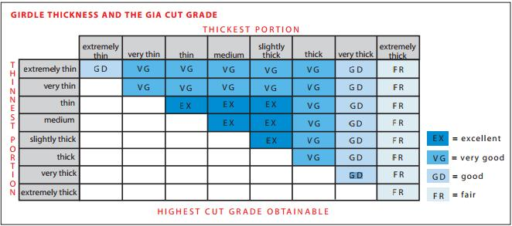
RD | Round

Abbreviations For Cut/Polish/Symmetry:
EX | Excellent
VG | Very Good
GD | Good
FR | Fair
PO | Poor
VP | Very Poor
EP | Extremely Poor

Abbreviations For Fluorescence:
NONE | No Fluorescence
FAINT | Faint or Faint Blue Fluorescence
SLIGHT | Slight Fluorescence
MEDIUM | Medium or Moderate Fluorescence | Abbreviations For Girdle:
STRONG | Strong Fluorescence | ETN | Extremely Thin
VSTRONG | Very Strong Fluorescence | ETN-VTN | Extremely Thin To Very Thin
 |  | ETN-THN | Extremely Thin To Thin
Abbreviations For Culet: |  | ETN-MED | Extremely Thin To Medium
NON | No Culet | ETN-STK | Extremely Thin To Slightly Thick
PN | Pointed | ETN-THK | Extremely Thin To Thick
VSM | Very Small | ETN-VTK | Extremely Thin To Very Thick
SM | Small | ETN-ETK | Extremely Thin To Extremely Thick
MD | Medium | VTN | Very Thin
LG | Large | VTN-THN | Very Thin To Thin
VLG | Very Large | VTN-MED | Very Thin To Medium
ELG | Extremely Large | VTN-STK | Very Thin To Slightly Thick
 |  | VTN-THK | Very Thin To Thick
Abbreviations For Diamond Clarity: |  | VTN-VTK | Very Thin To Very Thick
FL | Flawless | VTN-ETK | Very Thin To Extremely Thick
IF | Internally Flawless | THN | Thin
VVS1 | Very, Very Slightly Included | THN-MED | Thin To Medium
VVS2 | Very, Very Slightly Included | THN-STK | Thin To Slightly Thick
VS1 | Very Slightly Included | THN-THK | Thin To Thick
VS2 | Very Slightly Included | THN-VTK | Thin To Very Thick
SI1 | Slightly Included | THN-ETK | Thin To Extremely Thick
SI2 | Slightly Included | MED | Medium
I1 | Imperfect | MED-STK | Medium To Slightly Thick
I2 | Imperfect | MED-THK | Medium To Thick
I3 | Imperfect | MED-VTK | Medium To Very Thick
 |  | MED-ETK | Medium To Extremely Thick
 |  | STK | Slightly Thick
 |  | STK-THK | Slightly Thick To Thick
 |  | STK-VTK | Slightly Thick To Very Thick
 |  | STK-ETK | Slightly Thick To Extremely Thick
 |  | THK | Thick
 |  | THK-VTK | Thick To Very Thick
 |  | THK-ETK | Thick To Extremely Thick
 |  | VTK | Very Thick
 |  | VTK-ETK | Very Thick To Extremely Thick
 |  | ETK | Extremely Thick

