Hoja1
CUDA-PYTHON |  |  |  | CUDA-TF
https://www.nvidia.com/es-es/geforce/products/10series/geforce-gtx-1050/ | https://www.geeksforgeeks.org/running-python-script-on-gpu/ | https://developer.nvidia.com/how-to-cuda-python |  | https://www.tensorflow.org/install/gpu
 | https://developer.nvidia.com/cuda-gpus | https://developer.nvidia.com/how-to-cuda-c-cpp | baja drivers | https://www.nvidia.com/Download/index.aspx?lang=en-us
 |  | https://docs.nvidia.com/cuda/cuda-quick-start-guide/index.html#windows-local | revisa si gpu esta en la lista | https://developer.nvidia.com/cuda-gpus | instalacion de kuda
 |  | https://developer.nvidia.com/cuda-downloads
 |  |  | baja drivers | https://www.nvidia.com/Download/index.aspx?lang=en-us
 |  |  | bajar drivers la version 10.1 ya trae cupti | https://developer.nvidia.com/cuda-toolkit-archive
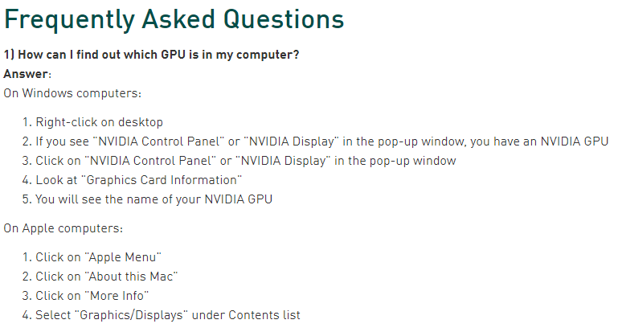
 |  |  | como cuda 10.1 ya trae cupti no barlo | https://developer.nvidia.com/CUPTI-CTK10_1u2
 |  |  | descargar cuDNN | https://developer.nvidia.com/cudnn

