1_EPI_Framework
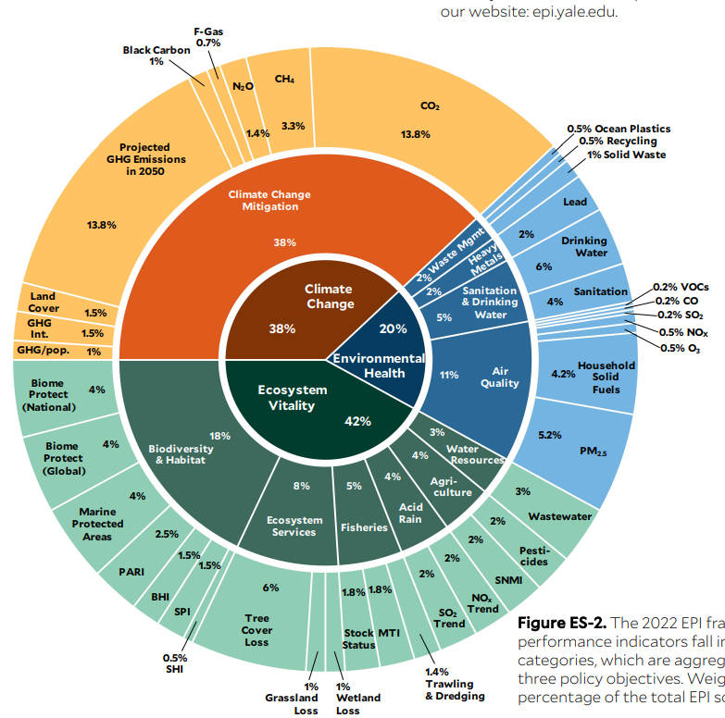
The 2022 EPI Framework. The framework organizes 40 indicators into 11 issue categories, which are aggregated into three policy objectives. Weights show the percentage of the total EPI score.

