2016 EPI Framework
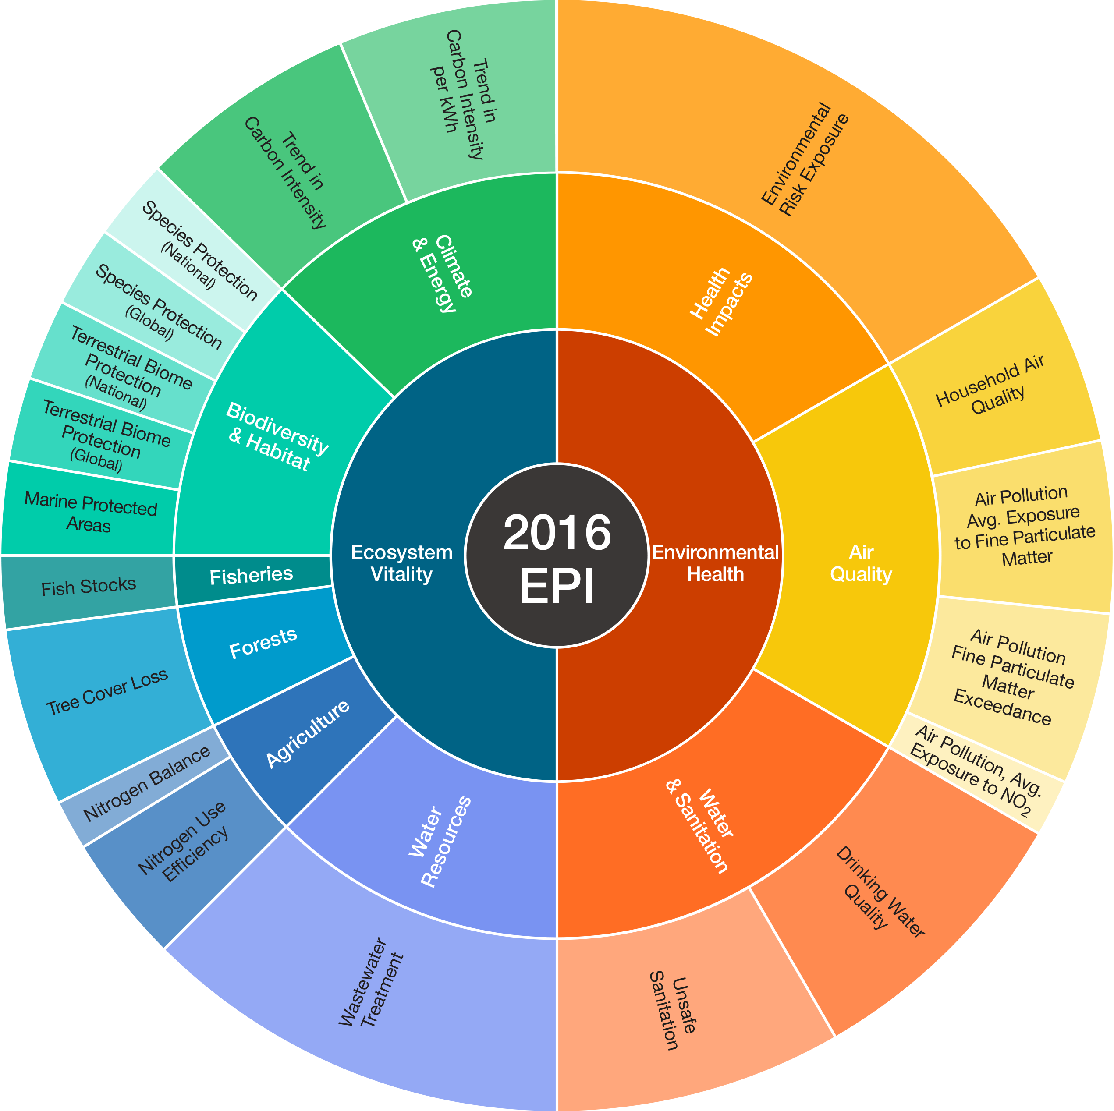
2016 Environmental Performance Index (EPI) Framework
Weightings represent percentage of the level of aggregation, not the percentage of the overall EPI.
EPI | Objective | Issue Category** | Indicator** | Indicator - Long name
Environmental Performance Index (EPI) | Environmental Health (50%) | Health Impacts (33%) | Environmental Risk Exposure (100%) | Risk of water and air pollution to human health
 |  | Air Quality (33%) | Household Air Quality (30%) | Percentage of the population using solid fuels as primary cooking fuel and Health Risk from PM2.5 exposure
 |  |  | Air Pollution - Average Exposure to PM2.5 (30%) | Population-weighted exposure to PM2.5 (three-year average) and Health Risk from PM2.5 exposure
 |  |  | Air Pollution - PM2.5 Exceedance (30%) | Proportion of the population whose exposure is above WHO thresholds (10, 15, 25, 35 micrograms/m3)
 |  |  | Air Pollution - Average Exposure to NO2 (10%) | Population weighted exposure to NO2 (three-year average)
 |  | Water and Sanitation (33%) | Unsafe Sanitation (50%) | Exposure to unsafe sanitation and population lacking access to sanitation
 |  |  | Drinking Water Quality (50%) | Exposure to unsafe water quality and population lacking access to drinking water.
 | Ecosystem Vitality (50%) | Water Resources (25%) | Wastewater Treatment (100%) | Wastewater treatment level weighted by connection to wastewater treatment rate.
 |  | Agriculture (10%) | Nitrogen Use Efficiency (75%) | Ratio of nitrogen inputs to outputs
 |  |  | Nitrogen Balance (25%) | Measure of a cropland’s excess nitrogen
 |  | Forests (10%) | Tree Cover Loss (100%) | Tree cover loss from 2001-2014 in > 30% tree cover, divided by 2000 levels.
 |  | Fisheries (5%) | Fish Stocks (100%) | Percentage of fishing stocks overexploited and collapsed from EEZ
 |  | Biodiversity and Habitat (25%) | Terrestrial Protected Areas (National Biome Weights) (20%) | Percentage of terrestrial biome area that is protected, weighted by domestic biome area
 |  |  | Terrestrial Protected Areas (Global Biome Weights) (20%) | Percentage of terrestrial biome area that is protected, weighted by global biome area.
 |  |  | Marine Protected Areas (20%) | Marine protected areas as a percent of EEZ
 |  |  | Species Protection (National) (20%) | The average area of species - bird, mammals, and amphibians - distributions in a country under protection.
 |  |  | Species Protection (Global) (20%) | The average area of species - bird, mammals, and amphibians - distributions in a country under protection and weighted by a country's stewardship for each species.
 |  | Climate and Energy (25%) | Trend in Carbon Intensity (75%) | Performance in Change in CO2 emissions per unit GDP from 2002 to 2012, relative to economic peers.
 |  |  | Trend in CO2 Emissions per KWH (25%) | Change in CO2 emissions from electricity and heat production
 |  | *NOT USED FOR CALCULATION OF EPI SCORE | Access to Electricity (N/A) | Percent of population with access to electricity.

