volumetry
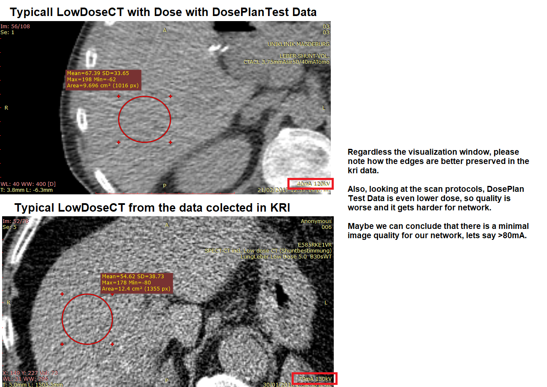
Patient | Modality | MRI Vol | CT Vol | LowDoseVol | Error | Comments
1 | MR | 1686.16 |  | 889.911 | 47.22% |  | ABOUT PREDICTIONS All MR seem to be good. However all CTs seem to be very bad, both ce-ct and lowdose, for the lowdose we could argue that the scan protocols are very different from the ones we are used to. With our kri data it is not close to be that bad, there it's very acceptable METHODOLOGY All predictions were manually inspected. The error is computed assuming the diagnostic volume as the expected value.
2 | MR | 2064.45 |  | 2892.38 | 40.10%
3 | MR | 2246.79 |  | 2947.03 | 31.17%
4 | MR | 2305.99 |  | 2277.64 | 1.23% | Good lowdose prediction
5 | MR | 1174.12 |  | 732.153 | 37.64%
6 | CT |  | 2298.2 | 2305.01 | 0.30%
7 | MR | 1507.97 |  | 1887.67 | 25.18%
8 | MR | 1911.6 |  | 2049.89 | 7.23%
9 | MR | 1585.29 |  | 787.482 | 50.33%
10 | MR | 1579.08 |  | 975.978 | 38.19%

Discussion

