Sheet1
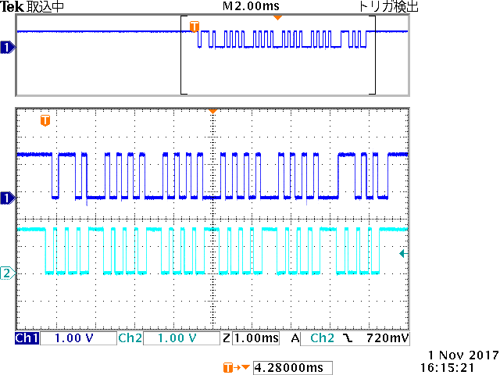
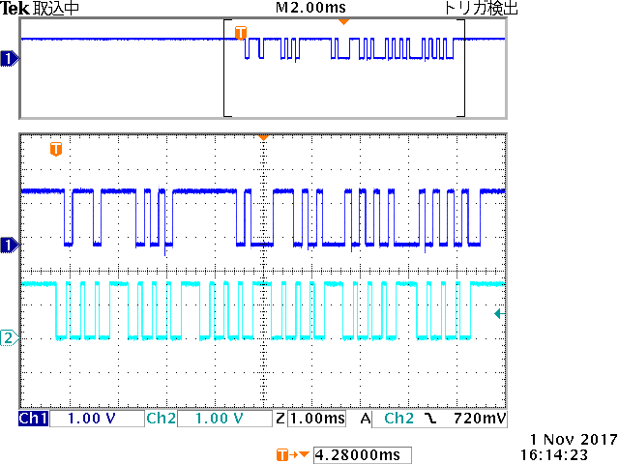
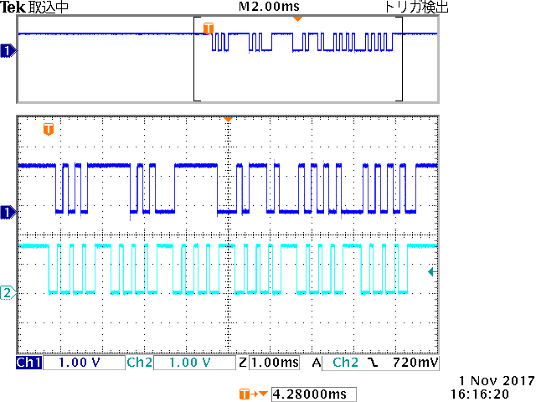
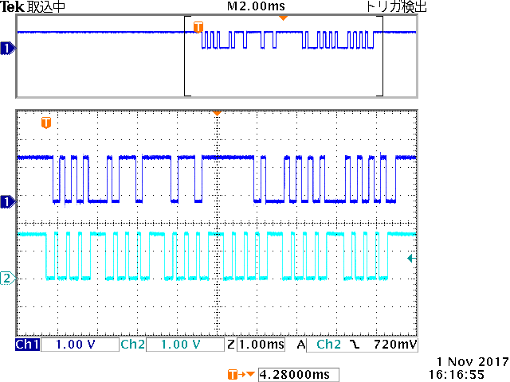
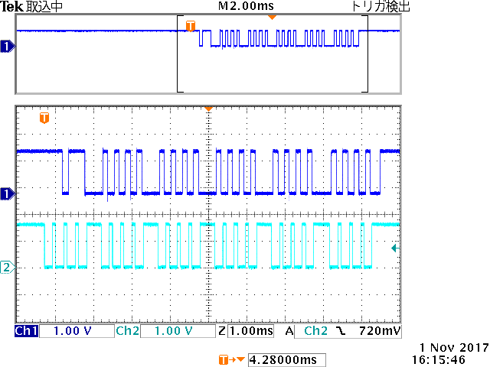

-0.0mm
50.0mm
100.0mm
150.0mm
0.0mm

1 0 1 0
0 0 0 0
0 0 0 0
0 0 0 0
0 0 0 0
0 0 0 0
0 1 0 0
0 0 0 0
0 0 0 0
0 0 0 0
0 0 0 0
1 0 0 0
0 1 0 1
0 0 0 1
1 1 0 0
1 0 0 0
0 0 0 1
1 0 0 0
1 1 1 0
0 1 0 0
0 0 0 0
0 1 0 1
0 1 0 1
1 1 0 0

HEX | DEC | HEX | DEC | HEX | DEC | HEX | DEC | HEX | DEC
000003 | 3 | 100002 | -2 | 00138A | 5002 | 002718 | 10008 | 003AA0 | 15008

