Sheet1
ColorLight
149
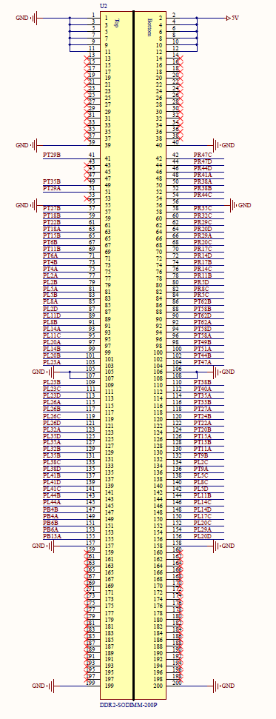
145
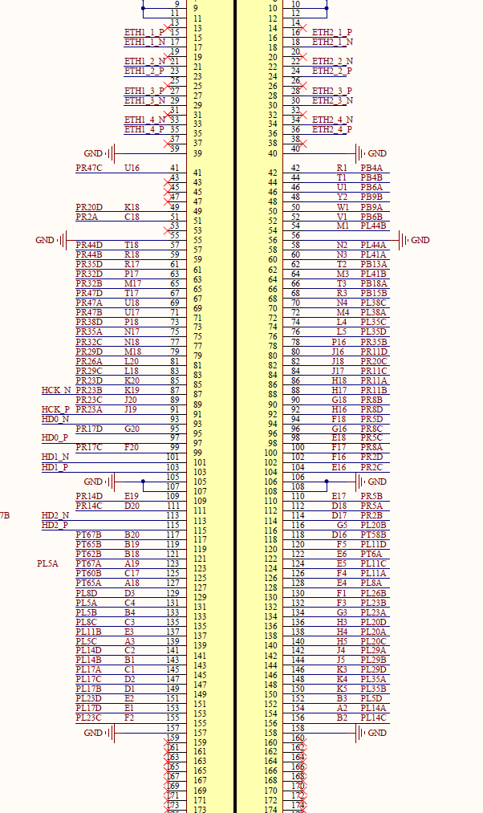
141
137

133

129

125
121

117
99

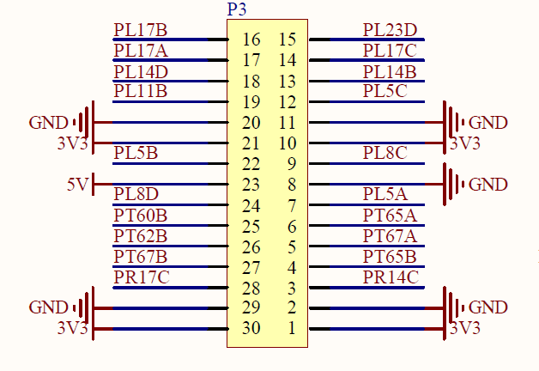
R0
149
151
G0
R1
145
147
G1

R2
141
143
G2
R3
137
139
G3

R4
133
135
G4

B0
129
131
G5

B1
125
127
CLK
B2
121
123
119
HS
B3
117
VS
B4
99
111
DE

R1
R2

R3

R4

B0
B1

B2
B3

B4

R0

Sheet2
