Infos for LiRS
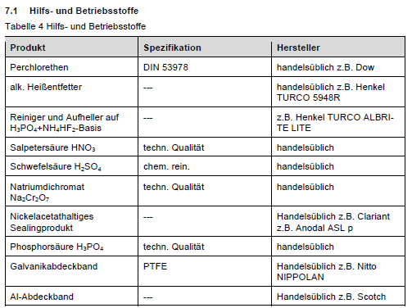
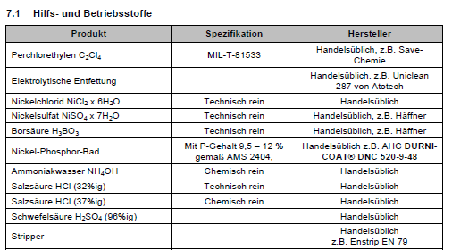
Benötigte Spalten in einer Liste im Modul "Hilfs- und Betriebsstoffe":
 | Material-ID: Spalte B (nur als Attrubut)
 | Produkt: Spalte C + B in Klammern (z. B. "Deionized Water (M151)")
 | Spezifikation: Spalte D+E
 | Hersteller: Spalte F

 | Liste auf DE und EN (muss noch ins Deutsche übersetzt werden)

In allen anderen Modulen als Verweis auf das Produkt (Spalten c + B in Klammern)

