Sheet1
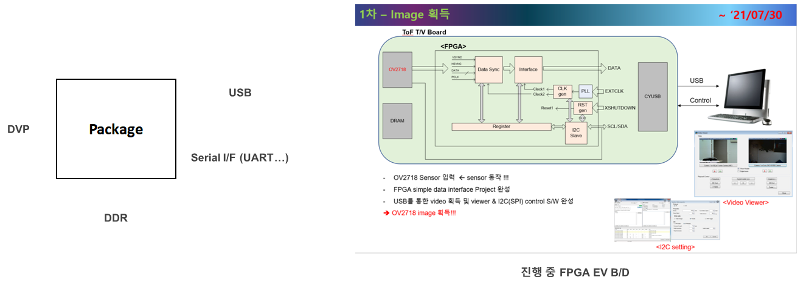

1. rotation
2. 상하 mirror

 | DVP

 |  | DDR

 | USB
 | Serial I/F

