Concept
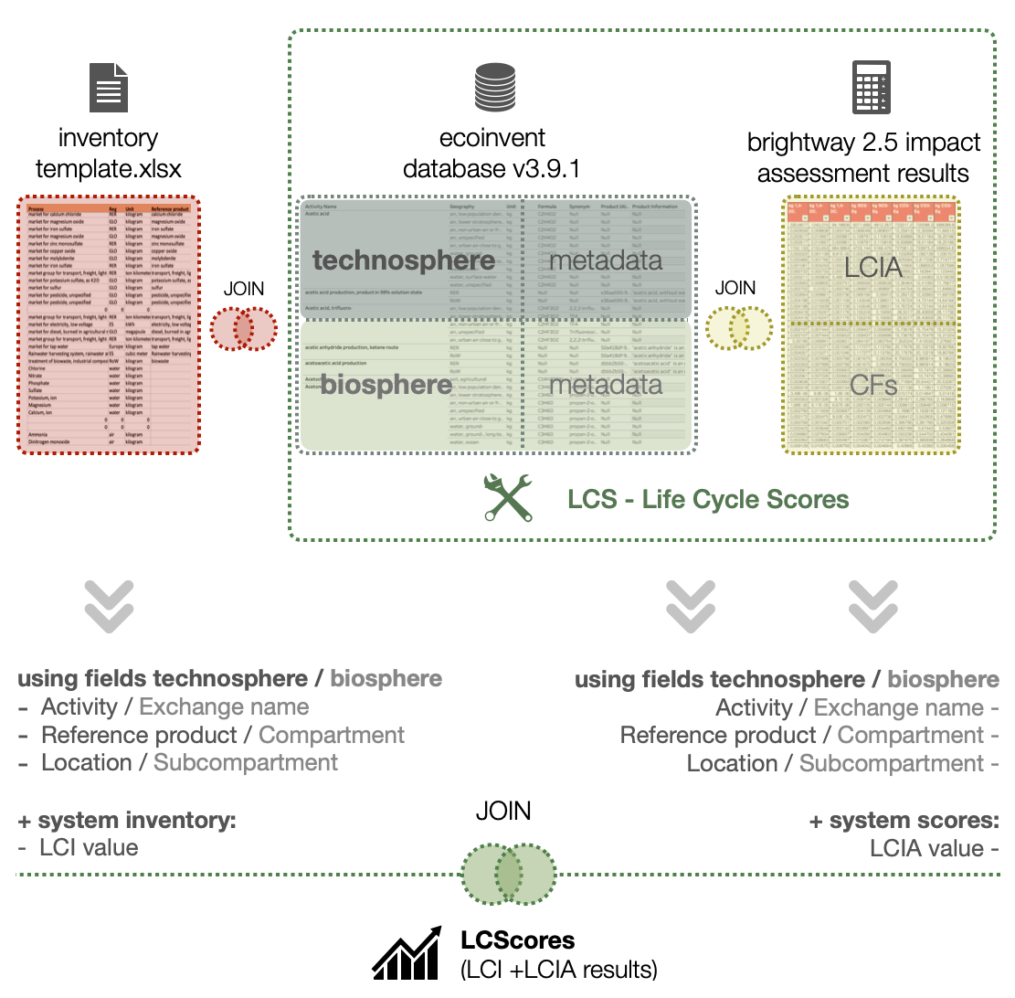
LCScore: Life Cycle Score
This is a data driven-based tool developed by PhD. Joan Muñoz-Liesa containig all life cycle impact assessment scores of all technosphere and ecosphere processes available in Ecoinvent 3.9.1.
With all life cycle impact assessment scores of all technosphere and ecosphere processes, this tool provides comprehensive understanding into the environmental impact of a wide range of products and processes. With its easy-to-use interface and powerful analysis capabilities, it allows you to quickly and easily explore the environmental impact of different processes, identify areas for improvement, and make more informed decisions.

LCI_template
1. Extrusion blow
(100-300µ)
inputs (materials, energy)
outputs (wastes, coproducts)
main product to next subprocess
2. Multilayer roll to roll rotation coating
inputs (materials, energy)
outputs (wastes, coproducts)
3. Lamination
(protective coating)
inputs (materials, energy)
outputs (wastes, coproducts)
main product to next subprocess
main product to next subprocess
4. Ultrasonic sealing
outputs (wastes, coproducts)
other product parts? (manufactured materials)
XX units of product
inputs (materials, energy)
Industrial manufacturing process for (specify main product processed)
Technology description |  | (Include a short description about the technology used in the unit process) |  | Data inclusion criteria | (Indication of criteria or methodologies that have been considered for inclusion or exclusion of life cycle stages, products or inputs)
Technology classification |  | (New, current, old, outdated) |  | Data origin | (Indicate the origin type of the data; Real data: real data from an enterprise. Prototype: when data comes from a prototype and a market for it has not been developed yet)
Extrapolation |  | (Describe the extrapolation of data from another time period, another geographical area or another technology and the way these extrapolations have been carried out. It should be reported whether different extrapolations have been done on the level of individual exchanges. If data representative for a activity operated in one country is used for another country's activity, its original representativity can be indicated here. Changes in mean values due to extrapolations may also be reported here.) |  | Start period and duration | (Indicate the time when data is collected and the duration of the whole process, in number of days under habitual conditions)
Subprocess | Description of the subprocess | Inputs / Outputs | Energy / material flow | Quantity | Unit | Comments / assumptions | Quality check (autoevaluation)
1. Extrusion blow (100-300µ) | Extrusion process to turn polymer material (in pellets) into cut-off pieces of plasticized film/sheets. Material thickness and dimensions can be specified. | Input flows | Polymer pellets | 999 | kg | Bio polymer in form of pellets. | Very good
 |  |  | Electricity (for the extruder, …) | 999 | kWh | According energy consumption data measured on-site. | Very good
 |  |  | Energy for heating / cooling (specify type of fuel/energy source) | 999 | kWh | Estimated fraction (34%) from energy meters of the whole manufacturing process. | Good
 |  |  | Compressed air | 999 | L | Assuming one compressed air botle of 99L are required every XXkg of extruded polymer. | Good
 |  |  | Lubricants (if required) | 9 | kg | Assuming the extruder is lubricated every XX kg of extruded material | Poor
 |  |  | Water (for cooling) | 9 | L | For cooling proposes | Very poor
 |  |  | Chemicals

 |  | Output flows | Film / sheet polymer | 999 | kg | Calculated from polymer density and sheet dimensions 10 cm x 10 cm, 200 µm thick | Good
 |  |  | Co-product / waste (please specify material. Co-products have economic value >0) | 9 | kg | Assuming the amount of waste in each cleaning process, required every XX kg of extruded material. | Good
 |  |  | Waste (residual polymer material, …) | 9 | kg | Measured on-site | Very good
 |  |  | Water (for cooling) | 9 | L | Assuming XX L are required every 1h | Poor
 |  |  | Waste heat / exhaust air | 9 | MJ | Waste heat is conveyed to the exterior at 40ºC aprox. | Good
 |  |  | Air emissions | 9 | L / kg substance | According air handing unit capacity (XX m3/h) | Good

2. Multilayer roll to roll rotation coating | Coating process where the biodegradable film is printed with R2R technology. Adhesives can be also used to facilitate the dry coating process. The output film / sheet can be cut-off in pieces according to product specifications. | Input flows | Film / sheet polymer | 999 | kg | Calculated from polymer density and sheet dimensions 10 cm x 10 cm, 200 µm thick
 |  |  | Electricity | 999 | kWh
 |  |  | Water (for the steam) | 999 | L
 |  |  | Energy (for heating the steam, specify type of fuel/energy source) | 999 | kWh
 |  |  | Biodegradable film / sheet | 999 | kg
 |  |  | Adhesion agent | 999 | kg
 |  |  | Ink coating | 999 | kg

 |  | Output flows | Coated film / sheet polymer | 999 | kg | Calculated from polymer density and sheet dimensions 10 cm x 10 cm, 200 µm thick
 |  |  | Co-product / waste (please specify material. Co-products have economic value >0) | 9 | kg
 |  |  | Air emissions | 9 | L / kg substance

3. Lamination | Additional coating process | Input flows | Coated film / sheet polymer | 999 | kg | Calculated from previous procedure and by adding a coated film XX um thick.
 |  |  | Electricity (for the lamination rolls, …) | 999 | kWh
 |  |  | Energy for heating / cooling (specify type of fuel/energy source) | 999 | kWh

 |  | Output flows | Doubled-coated film / sheet polymer | 999 | kg | Calculated from previous procedure and by adding a coated film XX um thick.
 |  |  | Co-product / waste (please specify material. Co-products have economic value >0) | 9 | kg

4. Ultrasonic sealing | Battery case sealing once all internal components are installed. | Input flows | Doubled-coated film / sheet polymer | 999 | kg | Calculated from previous procedure and by adding a coated film XX um thick.
 |  |  | Electricity (for the lamination rolls, …) | 999 | kWh
 |  |  | Energy for heating / cooling (specify type of fuel/energy source) | 999 | kWh

 |  | Output flows | Product units | 999 | units | Calculated from product specifications
 |  |  | Co-product / waste (please specify material. Co-products have economic value >0) | 9 | kg

Important notes |  | - Important to detect wates and co-products + economic value of these. - Processes can be aggregated if needed. Specify wether this is done. - Processes involving very little amounts (<10% of kg of raw material input, could be water, steel and other scrap materials can be neglected). Please specify which materia are neglected (and approximate quantity neglected, if possible). - Main input / output flows of the keychain must remain the same but might vary in quantity according to each subprocess (i.e., that simplifies data gathering process).

