README
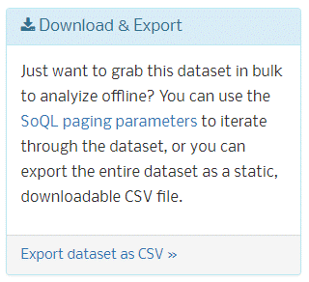
While trying to figure out the meaning of an expense description, I happened to find the source for the data given to us!
https://data.wa.gov/browse?category=Politics
the data:
https://dev.socrata.com/foundry/data.wa.gov/5zew-ckgs
This dataset has the last 10 years of data, and it also has records of non-candidate entities filings (e.g., "People for random cause"). I filtered the raw dataset for election year 2012 and non-blank values for office.
Note that we have 3,681 rows, as opposed to 1,043 in the data we were given. This is because in this "real" dataset, reportnumber is not unique (multiple expenses are included in a single report number). the id column, which was missing from the "school" dataset, is present here and is unique. FYI, There are 1,043 unique reportnumbers in the real data, so only 1 row per reportnumber was kept for the school data!!!!
FYI, I checked, and the school data and real data have the same set of reportnumbers.
We obviously can't just switch to this "real" dataset, but now that we have it, we can reverse engineer what was done to create the "school" dataset and see if we see a pattern that will allow us to align our school data correctly.
- update: the school dataset is so hopelessly messed up there is no way we can turn it into something meaningful. we need to work on the filtered right half data for most stuff. The only thing we can get from the left half data would be number of reports filed by office. I guess you could look at number of male vs female candidates based on their names. I could look at gender mix by party.

Mad Dog decoding
My plan to figure out how to use the data we have:
schooldata (sd) keeps only 1 row per reportnumber. I will get the unique financial data (most of the right half of the dataset) from sd and identify those same rows in realdata (rd). I am hoping this will give me a clue as to which record was kept for each reportnumber. Just remember that the expense data in sd likely do NOT line up with the reportnumber in sd, so we will join in the reportnumber from rd.
FYI, the right half columns' (office-vendorstate {and what we called DUMMY is also office}) values are unique in the real data (there are no repeat rows with all those columns' values being the same). Our strategy of eliminating duplicates from these data is a good one.
sort both sets by reportnumber (and by id for realdata). hey isn't sorting right half by reportnumber meaningless, since it's not aligned to reportnumber? Maybe I should sort by job and date. Note if there are multiple candidates from same party, I won't be able to distinguish whose expense a row belongs to.
sd has 1 row per reportnumber
1st 43 rows of sd have na for right half
1st row with data in right half (reprot 100346104 in sd) is actually from report 100336720, 27292.debt.
question: is there an offset pattern?
100404154
sort schooldata by job, thrudate, debtdate, reportnumber
There are 3 items in reportnumber 100404154, but schooldata has the 1st item repeated 3 times.

