Module overview
ID | module | Competence | Level | Overarching learning objectives | Content | Methods | Exercises | Format Recommendation | Archetype
M-one | Introduction
M-Mot | Motivation
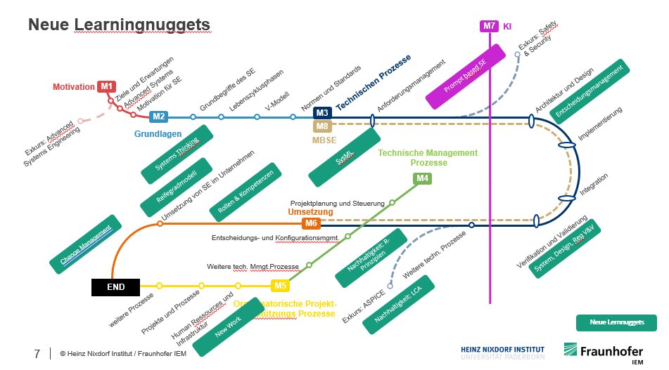
M-Term | Basic concepts of systems engineering | Systemic thinking
M_Con | Concepts of systems engineering | Systemic thinking, consideration of system life cycle phases |  |  | V-model, life cycle phases
M_Norm | Norms and standards, ASPICE
M-Anf-G | Requirements management basics | Requirements management, system modeling and analysis, customer benefit orientation Systemic thinking
M-Anf-Anw | Applying requirements management | Requirements management, system modeling and analysis, customer benefit orientation Systemic thinking
M-Arch-G | Architecture & design incl. implementation basics | System architecture design, system modeling and analysis, implementation Systemic thinking
M-Arch-App | Architecture & Design Apply | System architecture design, system modeling and analysis, implementation Systemic thinking
M-IVV-G | Integration, verification & validation | Integration, verification & validation
M-IVV-App | Integration, verification & validation Apply | Integration, verification & validation
M-Serv | Operation, service and maintenance | Operation, service and maintenance, consideration of system life cycle phases
M-MBSE | MBSE | System modeling and analysis
M-Proj | Project planning and control | Agile methodological competence, project management
M-Entsch | Decision and configuration management | Decision management, configuration management
M-Entsch-anw | Decision and configuration management | Decision management, configuration management
M-TechM | Technical management
M-Org_ | Organization-Enaling-Processes | Information management
M-Ums | Implementation planning of SE
M-Soft | Soft skills | Communication & collaboration, leadership, self-organization

