Option A
Explanation
This option corresponds to the following fields being dependent only on the store, despite some duplicate values among these fields: - name - name2 - facebookUrl - phone - email - mainImageUrl - alternateImageUrl2

DBML
Table stores { storeId varchar [primary key] name varchar name2 varchar typeId integer locationId integer [ref: > locations.locationID] contactId integer [ref: > contacts.contactId] phone varchar facebookUrl varchar videoUrl varchar email varchar mainImageUrl varchar viewstoreUrl varchar alternateImageUrl1 varchar alternateImageUrl2 varchar } | 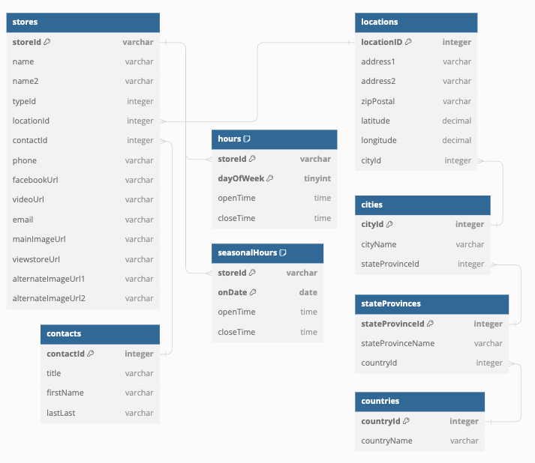
Table hours { storeId varchar [ref: > stores.storeId] dayOfWeek tinyint openTime time closeTime time indexes { (storeId, dayOfWeek) [pk] } }
Table seasonalHours { storeId varchar [ref: > stores.storeId] onDate date openTime time closeTime time indexes { (storeId, onDate) [pk] } }
Table locations { locationID integer [primary key] address1 varchar address2 varchar zipPostal varchar latitude decimal longitude decimal cityId integer [ref: > cities.cityId] }
Table cities { cityId integer [primary key] cityName varchar stateProvinceId integer [ref: > stateProvinces.stateProvinceId] }
Table stateProvinces { stateProvinceId integer [primary key] stateProvinceName varchar countryId integer [ref: > countries.countryId] }
Table countries { countryId integer [primary key] countryName varchar }
Table contacts { contactId integer [primary key] title varchar firstName varchar lastLast varchar }

Option B
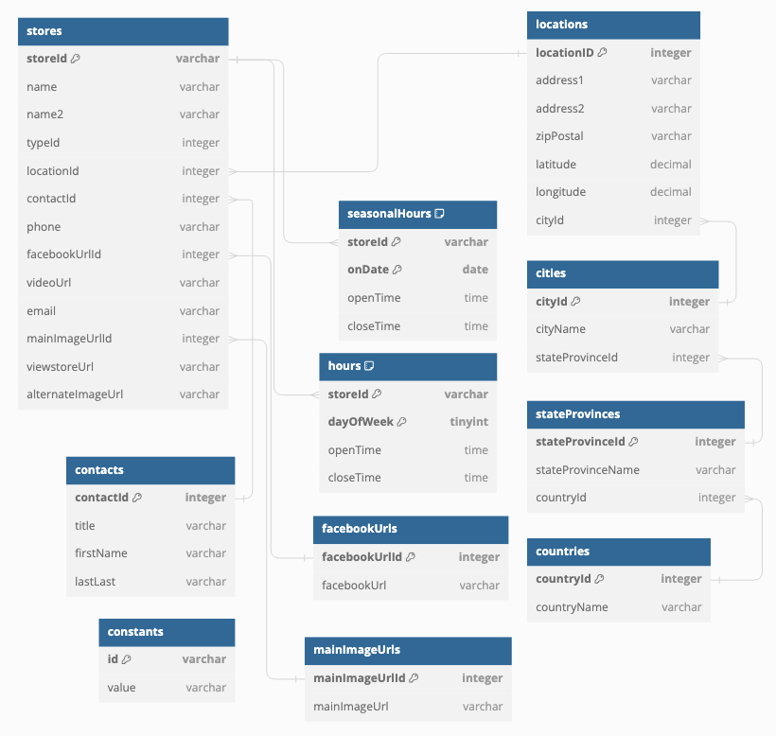
Explanation
This option corresponds to the following fields being dependent only on the store, despite some duplicate values among these fields: - name - name2 - phone - email It presumes these fields have implicit transitive dependencies, such that an update to a single field may require updates to fields for multiple stores in order to maintain consistency. - facebookUrl - mainImageUrl It presumes that `alternateImageUrl2` is a fallback URL for all stores that will be maintained in the constants table.

DBML
Table stores { storeId varchar [primary key] name varchar name2 varchar typeId integer locationId integer [ref: > locations.locationID] contactId integer [ref: > contacts.contactId] phone varchar facebookUrlId integer [ref: > facebookUrls.facebookUrlId] videoUrl varchar email varchar mainImageUrlId integer [ref: > mainImageUrls.mainImageUrlId] viewstoreUrl varchar alternateImageUrl varchar }
Table hours { storeId varchar [ref: > stores.storeId] dayOfWeek tinyint openTime time closeTime time indexes { (storeId, dayOfWeek) [pk] } }
Table seasonalHours { storeId varchar [ref: > stores.storeId] onDate date openTime time closeTime time indexes { (storeId, onDate) [pk] } }
Table locations { locationID integer [primary key] address1 varchar address2 varchar zipPostal varchar latitude decimal longitude decimal cityId integer [ref: > cities.cityId] }
Table cities { cityId integer [primary key] cityName varchar stateProvinceId integer [ref: > stateProvinces.stateProvinceId] }
Table stateProvinces { stateProvinceId integer [primary key] stateProvinceName varchar countryId integer [ref: > countries.countryId] }
Table countries { countryId integer [primary key] countryName varchar }
Table contacts { contactId integer [primary key] title varchar firstName varchar lastLast varchar }
Table facebookUrls { facebookUrlId integer [primary key] facebookUrl varchar }
Table mainImageUrls { mainImageUrlId integer [primary key] mainImageUrl varchar }
Table constants { id varchar [primary key] value varchar }

Option C
Explanation
This option corresponds to the following fields being dependent only on the store, despite some duplicate values among these fields: - name - name2 It presumes these fields have implicit transitive dependencies, such that an update to a single field may require updates to fields for multiple stores in order to maintain consistency. - phone - email - facebookUrl - mainImageUrl It presumes that `alternateImageUrl2` is a fallback URL for all stores that will be maintained in the constants table. | 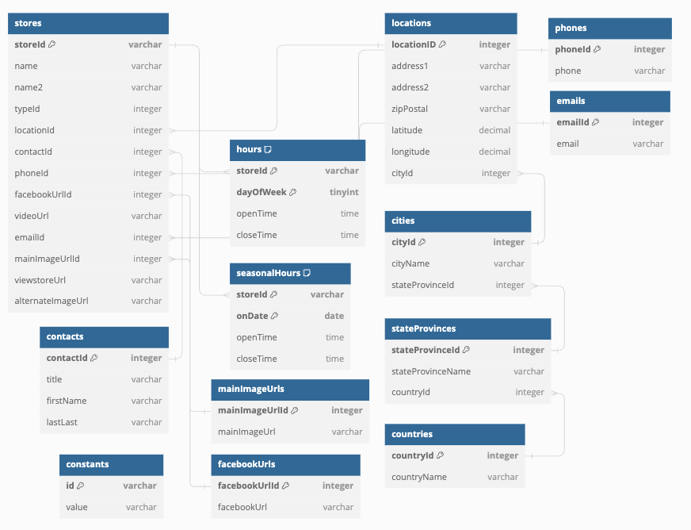

DBML
Table stores { storeId varchar [primary key] name varchar name2 varchar typeId integer locationId integer [ref: > locations.locationID] contactId integer [ref: > contacts.contactId] phoneId integer [ref: > phones.phoneId] facebookUrlId integer [ref: > facebookUrls.facebookUrlId] videoUrl varchar emailId integer [ref: > emails.emailId] mainImageUrlId integer [ref: > mainImageUrls.mainImageUrlId] viewstoreUrl varchar alternateImageUrl varchar }
Table hours { storeId varchar [ref: > stores.storeId] dayOfWeek tinyint openTime time closeTime time indexes { (storeId, dayOfWeek) [pk] } }
Table seasonalHours { storeId varchar [ref: > stores.storeId] onDate date openTime time closeTime time indexes { (storeId, onDate) [pk] } }
Table locations { locationID integer [primary key] address1 varchar address2 varchar zipPostal varchar latitude decimal longitude decimal cityId integer [ref: > cities.cityId] }
Table cities { cityId integer [primary key] cityName varchar stateProvinceId integer [ref: > stateProvinces.stateProvinceId] }
Table stateProvinces { stateProvinceId integer [primary key] stateProvinceName varchar countryId integer [ref: > countries.countryId] }
Table countries { countryId integer [primary key] countryName varchar }
Table contacts { contactId integer [primary key] title varchar firstName varchar lastLast varchar }
Table facebookUrls { facebookUrlId integer [primary key] facebookUrl varchar }
Table mainImageUrls { mainImageUrlId integer [primary key] mainImageUrl varchar }
Table phones { phoneId integer [primary key] phone varchar }
Table emails { emailId integer [primary key] email varchar }
Table constants { id varchar [primary key] value varchar }

Option D
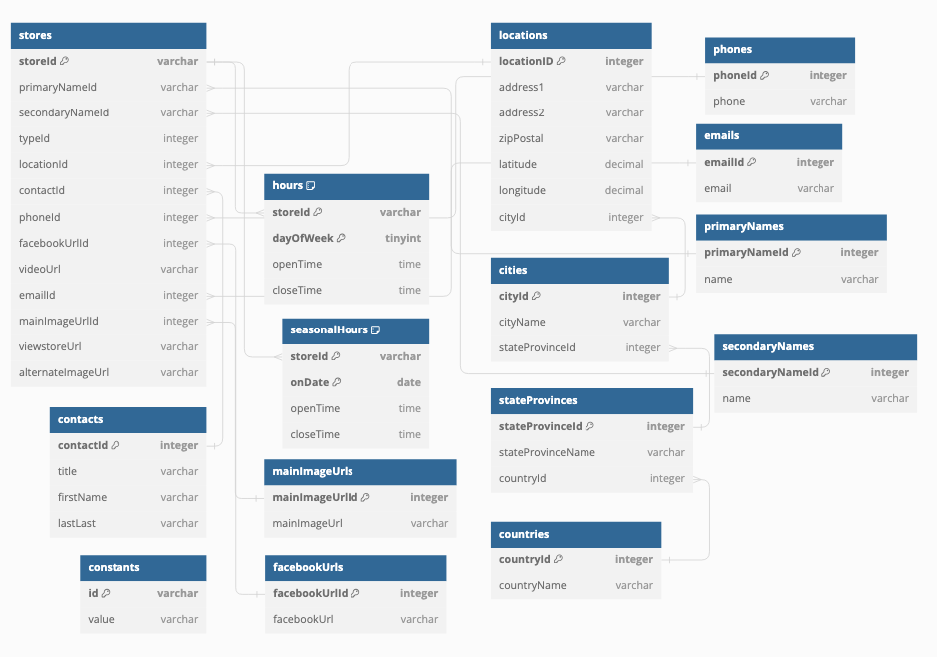
Explanation
This option corresponds to the following fields having implicit transitive dependencies, such that an update to a single field may require updates to fields for multiple stores in order to maintain consistency. - name - name2 - phone - email - facebookUrl - mainImageUrl It presumes that `alternateImageUrl2` is a fallback URL for all stores that will be maintained in the constants table.

DBML
Table stores { storeId varchar [primary key] primaryNameId varchar [ref: > primaryNames.primaryNameId] secondaryNameId varchar [ref: > secondaryNames.secondaryNameId] typeId integer locationId integer [ref: > locations.locationID] contactId integer [ref: > contacts.contactId] phoneId integer [ref: > phones.phoneId] facebookUrlId integer [ref: > facebookUrls.facebookUrlId] videoUrl varchar emailId integer [ref: > emails.emailId] mainImageUrlId integer [ref: > mainImageUrls.mainImageUrlId] viewstoreUrl varchar alternateImageUrl varchar }
Table hours { storeId varchar [ref: > stores.storeId] dayOfWeek tinyint openTime time closeTime time indexes { (storeId, dayOfWeek) [pk] } }
Table seasonalHours { storeId varchar [ref: > stores.storeId] onDate date openTime time closeTime time indexes { (storeId, onDate) [pk] } }
Table locations { locationID integer [primary key] address1 varchar address2 varchar zipPostal varchar latitude decimal longitude decimal cityId integer [ref: > cities.cityId] }
Table cities { cityId integer [primary key] cityName varchar stateProvinceId integer [ref: > stateProvinces.stateProvinceId] }
Table stateProvinces { stateProvinceId integer [primary key] stateProvinceName varchar countryId integer [ref: > countries.countryId] }
Table countries { countryId integer [primary key] countryName varchar }
Table contacts { contactId integer [primary key] title varchar firstName varchar lastLast varchar }
Table facebookUrls { facebookUrlId integer [primary key] facebookUrl varchar }
Table mainImageUrls { mainImageUrlId integer [primary key] mainImageUrl varchar }
Table phones { phoneId integer [primary key] phone varchar }
Table emails { emailId integer [primary key] email varchar }
Table primaryNames { primaryNameId integer [primary key] name varchar }
Table secondaryNames { secondaryNameId integer [primary key] name varchar }
Table constants { id varchar [primary key] value varchar }

Option E
Explanation
This option corresponds to the following fields having implicit transitive dependencies, such that an update to a single field may require updates to fields for multiple stores in order to maintain consistency. - name - facebookUrl - mainImageUrl It presumes that `name2` is a location name and is dependent on the location. It presumes that `phone` is the phone number for the physical store and is dependent on the location. It presumes that `email` is the email for the store's contact and is dependent on the contact. It presumes that `alternateImageUrl2` is a fallback URL for all stores that will be maintained in the constants table. | 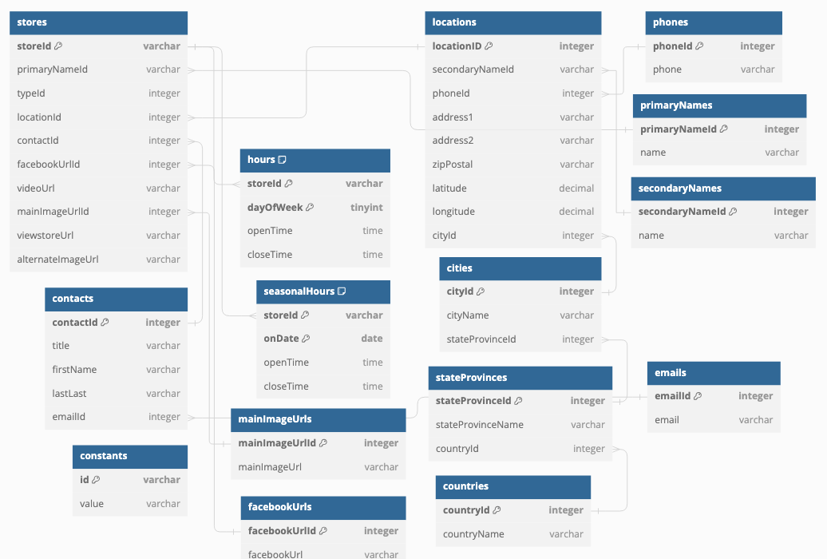

DBML
Table stores { storeId varchar [primary key] primaryNameId varchar [ref: > primaryNames.primaryNameId] typeId integer locationId integer [ref: > locations.locationID] contactId integer [ref: > contacts.contactId] facebookUrlId integer [ref: > facebookUrls.facebookUrlId] videoUrl varchar mainImageUrlId integer [ref: > mainImageUrls.mainImageUrlId] viewstoreUrl varchar alternateImageUrl varchar }
Table hours { storeId varchar [ref: > stores.storeId] dayOfWeek tinyint openTime time closeTime time indexes { (storeId, dayOfWeek) [pk] } }
Table seasonalHours { storeId varchar [ref: > stores.storeId] onDate date openTime time closeTime time indexes { (storeId, onDate) [pk] } }
Table locations { locationID integer [primary key] secondaryNameId varchar [ref: > secondaryNames.secondaryNameId] phoneId integer [ref: > phones.phoneId] address1 varchar address2 varchar zipPostal varchar latitude decimal longitude decimal cityId integer [ref: > cities.cityId] }
Table cities { cityId integer [primary key] cityName varchar stateProvinceId integer [ref: > stateProvinces.stateProvinceId] }
Table stateProvinces { stateProvinceId integer [primary key] stateProvinceName varchar countryId integer [ref: > countries.countryId] }
Table countries { countryId integer [primary key] countryName varchar }
Table contacts { contactId integer [primary key] title varchar firstName varchar lastLast varchar emailId integer [ref: > emails.emailId] }
Table facebookUrls { facebookUrlId integer [primary key] facebookUrl varchar }
Table mainImageUrls { mainImageUrlId integer [primary key] mainImageUrl varchar }
Table phones { phoneId integer [primary key] phone varchar }
Table emails { emailId integer [primary key] email varchar }
Table primaryNames { primaryNameId integer [primary key] name varchar }
Table secondaryNames { secondaryNameId integer [primary key] name varchar }
Table constants { id varchar [primary key] value varchar }

