Sheet2
Pin | Net | input/output | CPLD programming
1 | P3V3_STBY | power
2 | AROC_SS_LD_N | input | SS load data
3 | AROC_SS_DATA | output | To system CPLD ARC SS
4 | I2C_TEL_MUX_SEL0 | output | Right now we want to select last channel since we don't have any logic so far from system CPLD to control this. Leave this high
5 | I2C_TEL_MUX_SEL1 | output | Right now we want to select last channel since we don't have any logic so far from system CPLD to control this. Leave this high
6 | P3V3_STBY | power
7 | RST_AROC_N | input | Connect this to drive pin 20 out from CPLD "PERST_0_A_NVME_N"
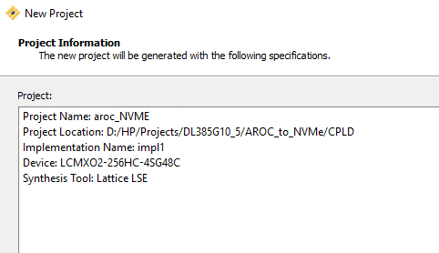
8 | PAL_AROC_EN | input | This will be use to enable CPLD pin out outs when main power comes on.
9 | I2C_TEL_MUX_EN_N | output | Make this low
10 | RST_I2C_AROC_G4_N | input | don't know
11 | CKPWRGD_PD_N | output | at stndby, drive this low. And drive this high when "PAL_AROC_EN" is high (when main power is on)
12 | AROC_SS_IN | input | new input from MB CPLD
13 | P3V3_STBY | power
14 | EN_BUF_CLK1 | output | don't know
15 | PGD_AROC | output | Drive this high when received "PAL_AROC_EN" (active high both, I think)
16 | EN_BUF_CLK0 | output | don't know
17 | PAL_AROC_PWRBRK_N | input | don't know
18 | AROC_SS_CLK | input | SS clk
19 | RST_I2C_AROC_GS_N | input | connect this signal to drive "RST_I2C_NVME_STORAGE_N" out from CPLD
20 | PERST_0_A_NVME_N | output | driven based on "RST_AROC_N" (both active low)
21 | RST_I2C_NVME_STORAGE_N | output | driven base on "RST_I2C_AROC_GS_N" (both active low)
22 | P3V3_STBY | power
23 | CPLD_SN | input | just pull-up on the board so don't know what to do this signal.
24 | PGD_SYS_AROC | input | don't know
25 | P3V3_STBY | power
26 | NVME_A_BP_TYPE | input | we are going to use this for cable detect
27 | NVME_VPP_STRAP_CPLD | input | this is the VPP intrupt signal, we need to find a resereved bit on SS to send this over SS to system CPLD
28 | CPLD_Q4_GATE_EN | output | Make this high for now since we don't have logic yet on how to control this, need to talk to Gena.
29 | CPLD_AND_GATE_EN | output | Make this low for now, we need to talk to Gena about the logic.
30 | P3V3_STBY | power
31 | I2C_BUF_R_EN | output | Defult is low, drive this high when "PAL_AROC_EN" is high
32 | I2C_BUF1_R_EN | output | Defult is low, drive this high when "PAL_AROC_EN" is high
33 | LED0_N |  | don'tknow
34 | LED1_N |  | don'tknow
35 | LED2_N |  | don'tknow
36 | LED3_N |  | don'tknow
37 | CPLD_Q1_GATE_EN | output | Leave this low and then drive it high when "PAL_AROC_EN" is high
38 | CPLD_Q2_GATE_EN | output | Leave this low and then drive it high when "PAL_AROC_EN" is high
39 | P3V3_STBY | power
40 | CPLD_PROGRAMN |  | NA
41 | CPLD_PT9A |  | NA
42 | I2C_CPLD_SDA | input/output | don't know yet
43 | I2C_CPLD_SCL | input | don't know yet
44 | PAL_HDR_TMS |  | JTAG
45 | PAL_HDR_TCK |  | JTAG
46 | P3V3_STBY | power
47 | PAL_HDR_TDI |  | JTAG
48 | PAL_HDR_TDO |  | JTAG
49 | GND | GND

