Sheet1
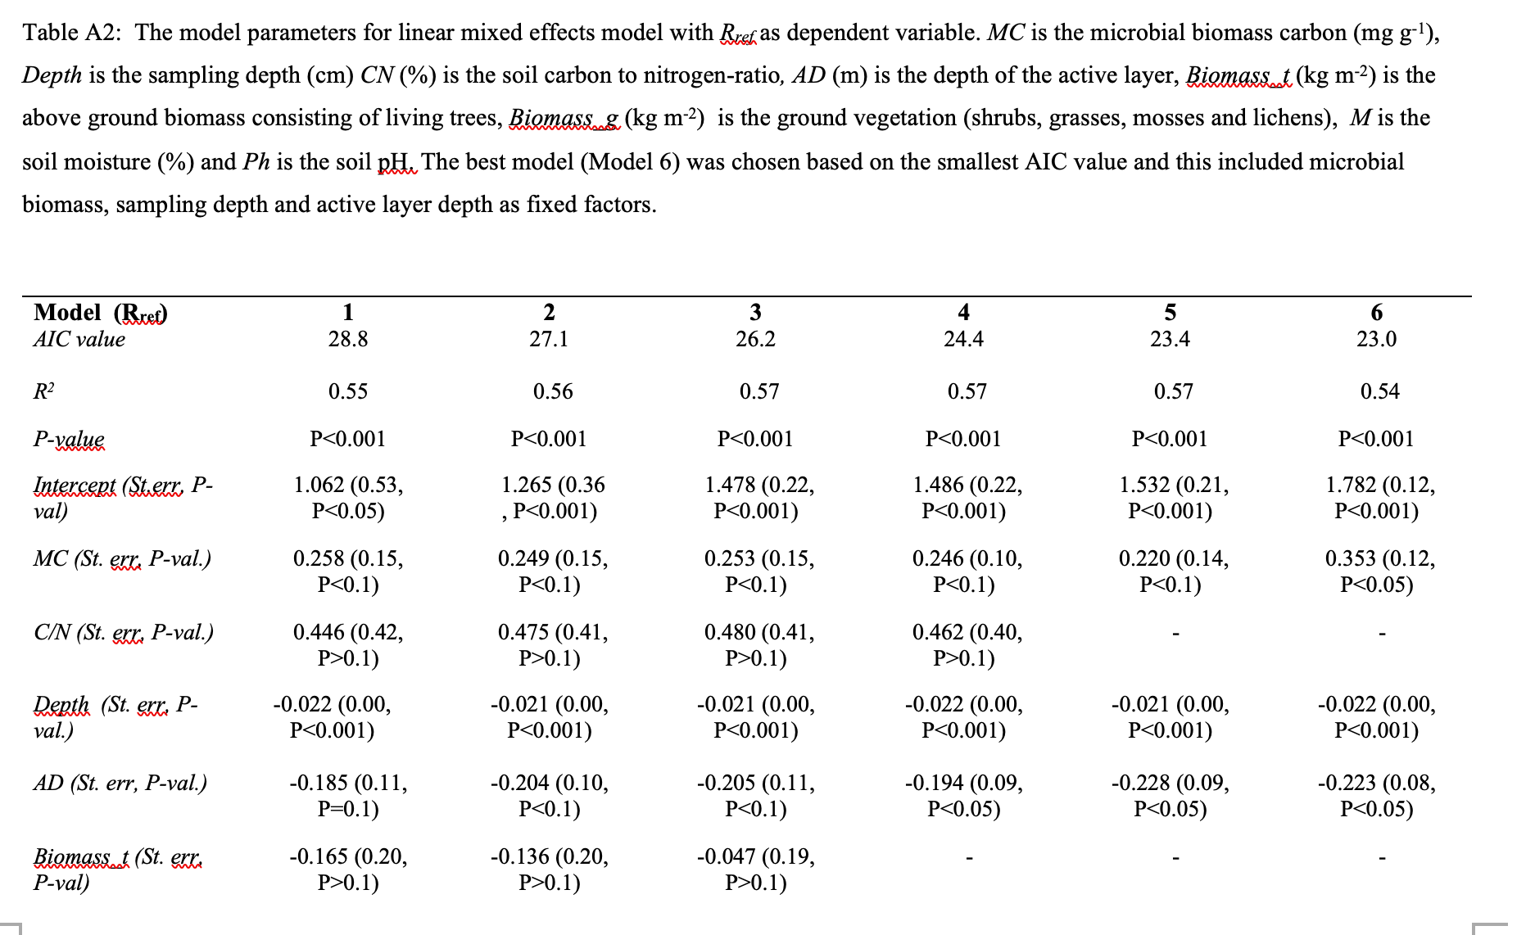

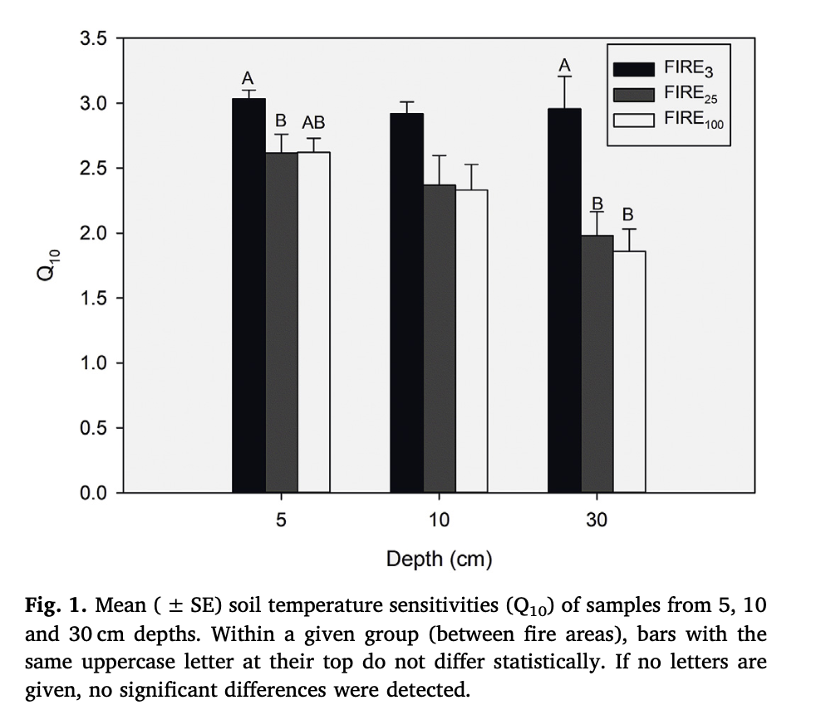
 |  | Weighted by SOM% |  |  | * Maybe should think of having soilC be less when we have CA?
 | N2012 | N2012 | N1990 | N1969
 | Soil C | 1604.352 | 4822.88 | 7762.04
 | CA | 150 | 150 | 150
 | CM | 58.1991 | 126.132 | 232.668
 | C1 | 1140.57 | 2961.62 | 5328.6 | 9430.79
 | C2 | 69.042 | 634.38 | 635.04 | 1338.462
 | C3 | 394.74 | 1226.88 | 1804.8 | 3426.42 | kM*Q10
 | CS
 | Q10M | 3 | 2.25 | 2.25
Aaltonen 2019 | Rref | 2.68227 | 2.60536 | 4.60783 |  | kM: ug CO2 g^-1 C h^-1
 |  | 1.38266 | 2.60126 | 2.66223
 |  | 1.24977 | 0.99636 | 1.76333
 | kM | 1.1595709091E-05 | 1.3533774545E-05 | 1.9709214545E-05 |  | ug CO2 * 1/1E6*12/44*24
 | kM | 0.0025044728058 | 0.0019614166008 | 0.0014282039526 | 0.0019646977864 | 1/day

 |  | 1000000 | 1000000

 | Black spruce litter fall | .2 - .3 Mg /Hectacre / yr (Moroni & Zhu) |  |  |  | 1Mg = 1000000 g
 |  | .1 - .3 kg / m^2 / yr |  |  |  | 1 Hectacre = 10000 m^2
 |  | 20
 |  | 200 | Go with 100 g / m^2 / yr
 |  | 26 g m^-2 (over 6 months) --> would be 52 for the year. |  |  |  | Wickland et al
 | Wood litter | 0 | 1.1111111111 | 0.018181818182 |  | Adjusted to g and by the tree biomass
 | moss litter | 0.12 | 0.12 | 0.12
 | Wood litter | 0 | 100 | 100 |  | Bhatti and Jassal
 | moss litter | 0.12 | 0.12 | 0.12
 | Fine root turnover | 0.26 | Nakane et al 1990!
 | Lagingere | 30% of spruce loss after 17 weeks.
 |  | dM/dt = kM, so dM/dt*M = k (approx)
 |  | 0.0025210084034
 | moss_litter | Calculating mass loss from percentage:
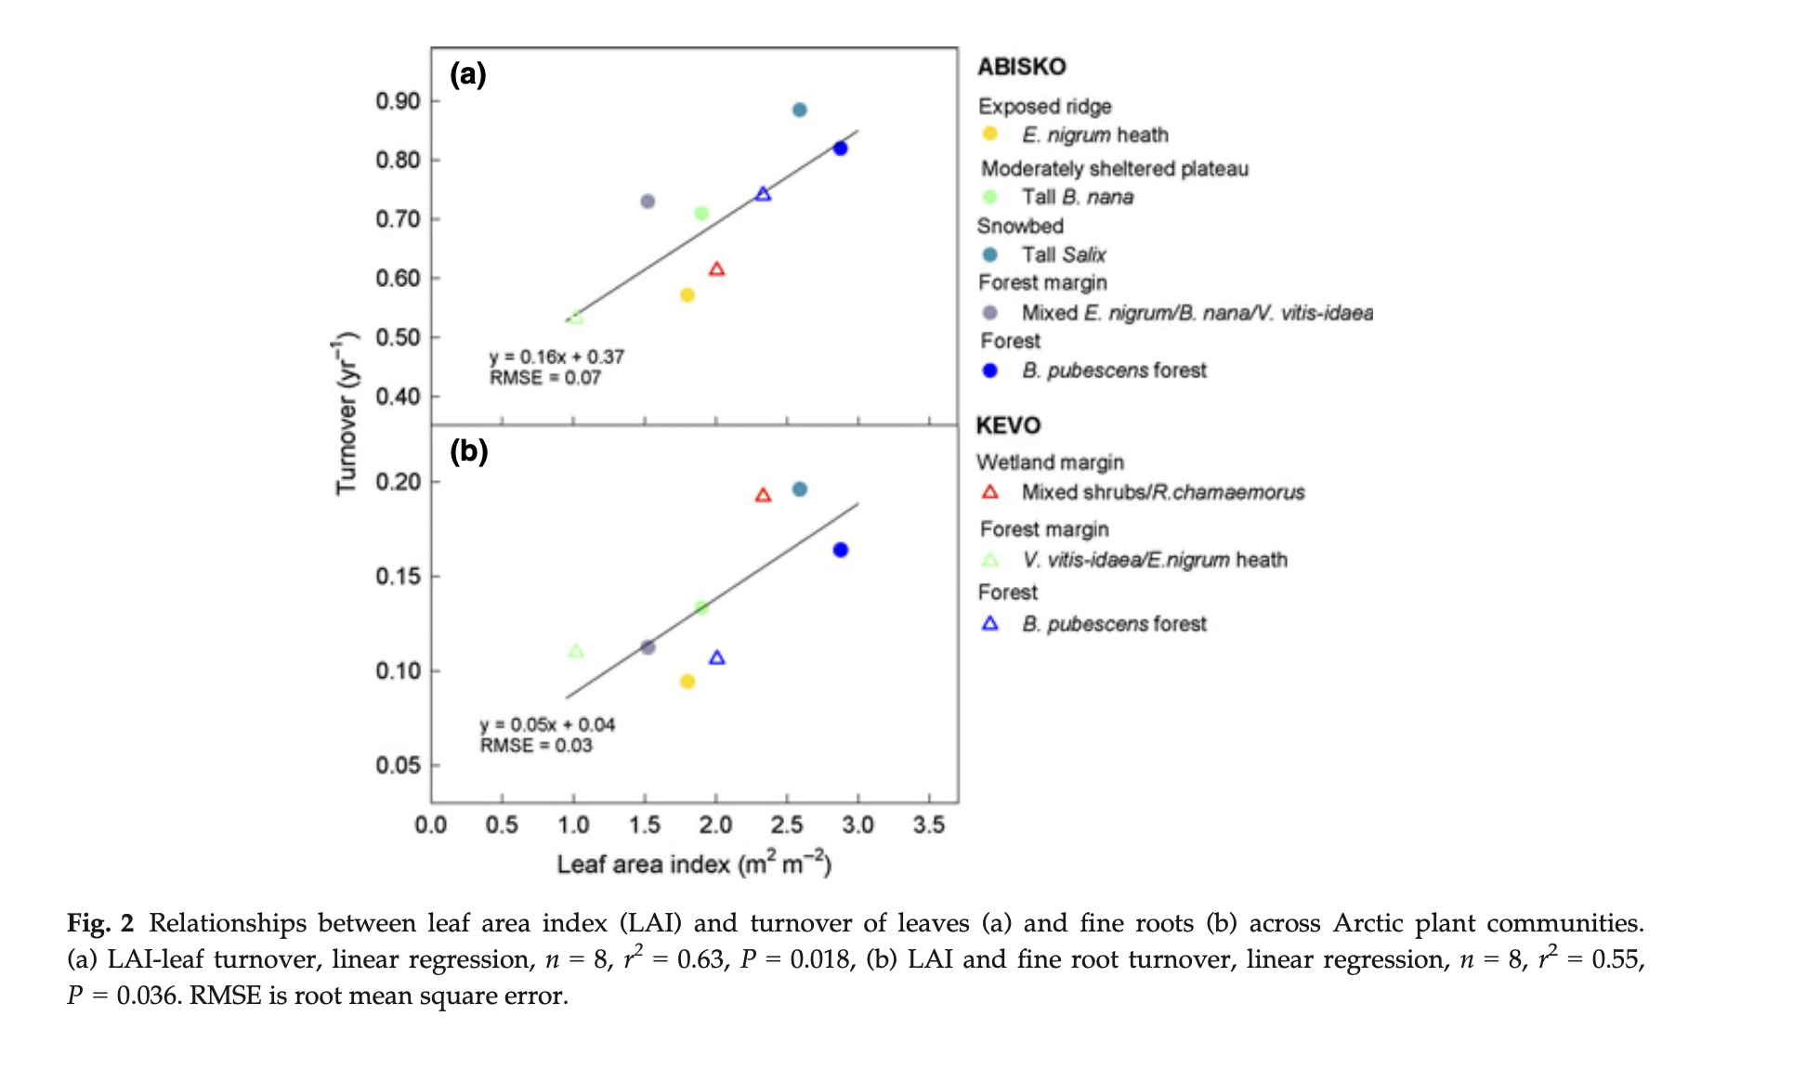
 |  | % loss: Delta M / M. So if the value is k, then k / deltaT should be equal to the first order rate?
 |  | Benggtsom | 10-20% over 12 months |  | 0.1
 |  | Johnston 1991 | 16% over 14 months% |  | 0.13714285714
 |  | 0.00027397260274
 | mu |  | mu | = | .04*24, | # | Z08 |  | 1650

 |  | k1, k2, k3 estimated |  | We adjusted these by .05 on all - they seem to be too small! |  |  |  |  |  |  |  | 0.00851
 |  |  |  |  |  |  |  |  |  |  |  | 0.000366
 |  |  |  |  |  |  |  |  |  |  |  | 0.00295

 | k1 | 0.1718 | k2 | 0.00732 | k3

 |  | root turnover: | 108 days - so | 3.3796296296 | Ruess 2003
 |  |  |  | 3.3796296296
 |  |  |  |  |  |  |  |  |  |  | 0 | 0
 | 0.00046630136986 | Sloan 2003: | Puts a functional relationshp between LAI and turnover … hmm |  |  |  |  |  |  |  | 0.09 | 27
 |  | Estimate of LAI: 1.6, so this means: |  |  | 0.12 | ROOTS | 0.752 | LEAVES |  |  | 5.5 | 1650
 |  | Fine root start | Neumann et al 2020: scales this with foliage biomass = foliage biomass * FR_leaf_H - which is 0.3 |  |  |  |  |  |  |  | 27 | 1650
 |  | Or it can also be scaled with the LAI

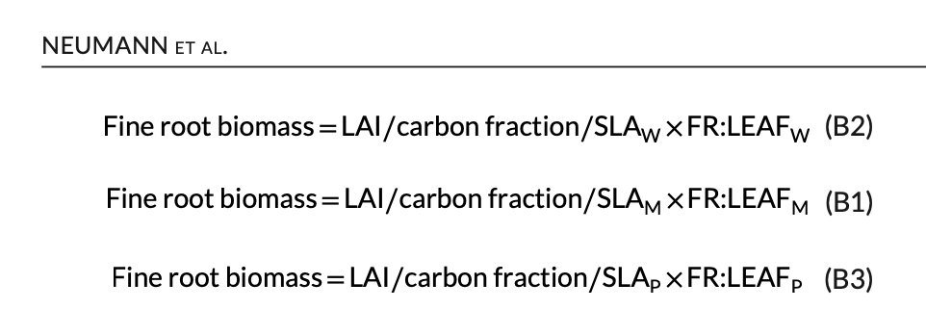
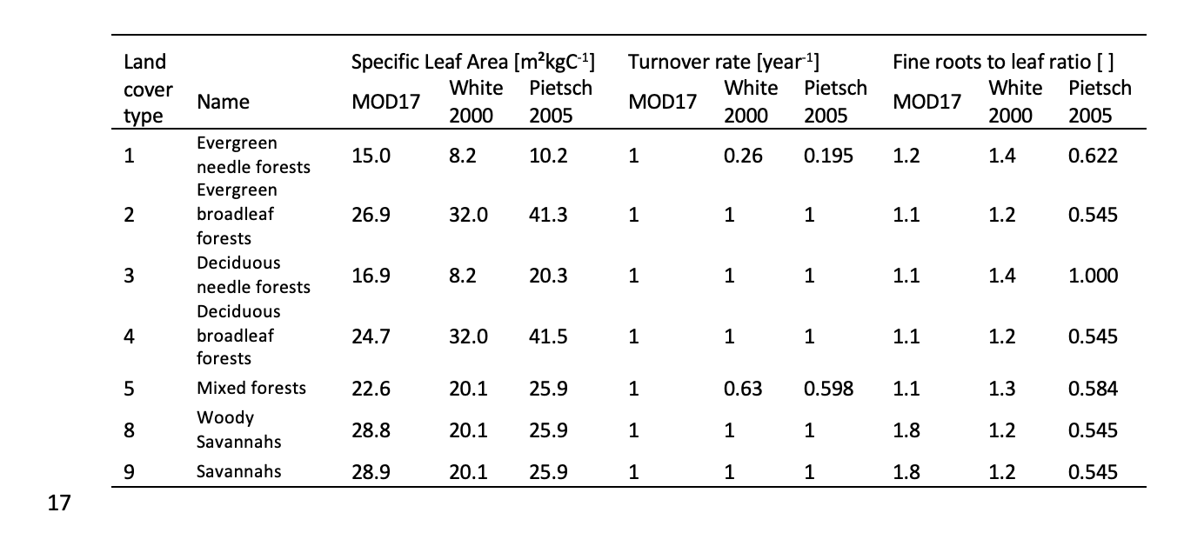

 | CR_start | Estimate LAI ~ 2
 | Three estimates | 327.86885246 | 699.72011196 | 249.91963999 | 15 | 8.2 | 10.2 | From the table at the right
 | Avg of 3: | 425.83620147 |  |  | 1.2 | 1.4 | 0.622

 | Turnover | 0.2275

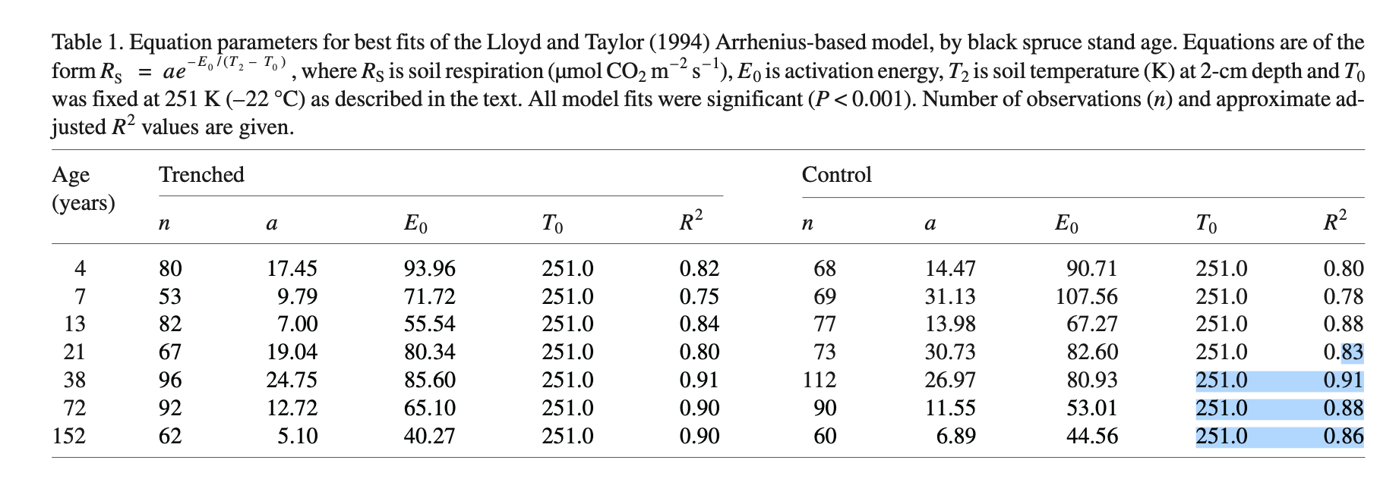
 | kR - using the 3 estimates | 0.005375808 | 0.0025189500343 | 0.0070525069582
 |  | So 0 to .01 range?

 |  | BBL says a is about 6.89

 |  | 0.016808357647

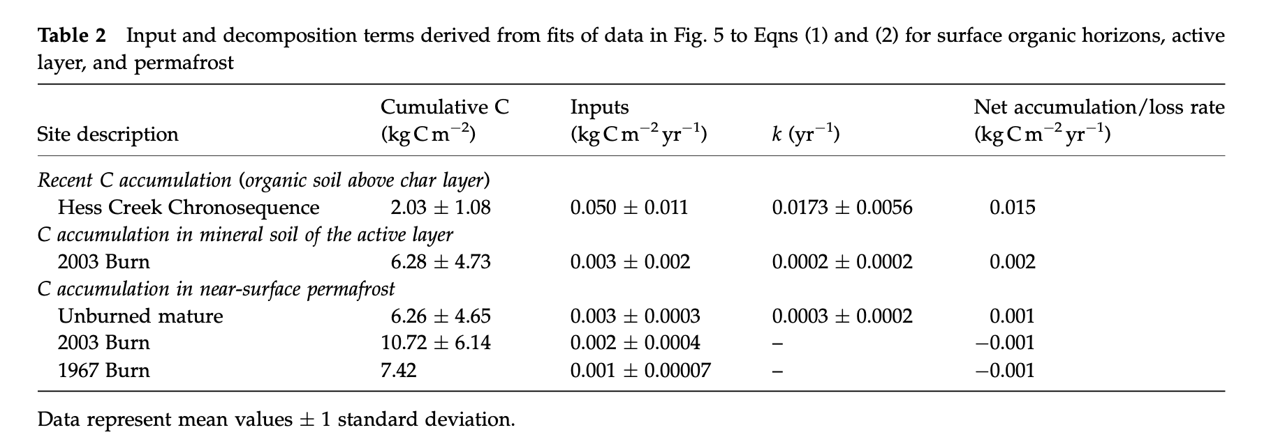

 |  | O'donnell 2011
 |  | o_donnell_effect_2011

 |  | 8.3333333333
 |  | 0.017857142857

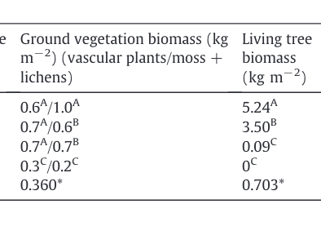

 |  | CR start | Major 2012 | 2.6 Mg C / hectacre |  | 1 hectacre = 10000 sq m
 |  |  |  | 260 |  | 1 megagram = 1000000 g

 |  | LITTERFALL RATE CALCULATIONS

 |  |  | dM/dt = kM, so dM/M/dt = % loss/dt = k (approx)
 |  |  |  |  |  | Yearly totals |  |  |  | RATE (per year) |  |  |  |  |  | 5240
 |  |  |  |  | k (day^-1) | 2012 | 1990 | 1969 | Control | 2012 | 1990 | 1969 | Control
 |  | Wood | Lagingere | 30% of spruce loss after 17 weeks. | 0.0025210084034 | 0 | 82.81512605 | 3220.5882353 | 4821.6806723 | 0 | 0.2268907563 | 8.8235294118 | 13.210084034
 |  | Moss | Benggtsom | 10-20% over 12 months | 0.00027397260274 | 30 | 70 | 70 | 60 | 0.082191780822 | 0.19178082192 | 0.19178082192 | 0.16438356164
 |  |  | Johnston 1991 | 20% over 22 months% | 0.00044831880448 | 49.090909091 | 114.54545455 | 114.54545455 | 98.181818182 | 0.13449564134 | 0.31382316314 | 0.31382316314 | 0.26899128269
 |  |  |  |  |  | 15 | 76.407563025 | 1645.2941176 | 2440.8403361

 |  |  |  |  | Hmmm … perhaps weight this on a per year basis? Something seems a little off. (there is a carbon fraction conversion, no?

 |  |  |  |  | k (yr^-1)
 |  |  |  |  | 0.92016806723
 |  |  |  |  | 0.1
 |  |  |  |  | 0.16363636364

 |  | LITTERFALL RATE CALCULATIONS

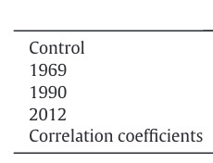
 |  |  |  |  |  | ANNUAL AMOUNT |  |  |  | ANNUAL AMOUNT
 |  |  |  |  | k (yr^-1) | 2012 | 1990 | 1969 | Control | 2012 | 1990 | 1969 | Control
 |  | Wood | Lagingere | 30% of spruce loss after 17 weeks. | 0.91764705882 | 0 | 66.673639861 | 0 | 2592.8637724 | 3881.8874764 | 275.29411765 | 275.29411765 | 1572
 |  | Moss | Benggtsom | 10-20% over 12 months | 0.1 | 0 | 0 | 0 | 0 | 30 | 70 | 70 | 60
 |  |  | Johnston 1991 | 20% over 22 months% | 0.16363636364 | 0 | 0 | 0 | 0 | 49.090909091 | 114.54545455 | 114.54545455 | 98.181818182
 |  |  |  |  |  | 0 | 33.336819931 | 0 | 1296.4318862

 |  |  |  |  | Hmmm … perhaps weight this on a per year basis? Something seems a little off. (there is a carbon fraction conversion, no?

 |  |  |  |  | k (yr^-1) |  |  |  |  |  |  |  |  |  |  |  |  | Proportion
 |  |  |  |  | 334.94117647 |  |  |  |  |  |  |  |  | VP | ML | LT | Tot | Shrubs | Moss + Lichens | Wood
 |  |  |  |  | 36.5 |  |  |  |  |  |  |  | Control | 0.6 | 1 | 5.24 | 6.84 | 0.09 | 0.15 | 0.77
 |  |  |  |  | 59.727272727 |  |  |  |  |  |  |  | 1969 | 0.7 | 0.6 | 3.5 | 4.8 | 0.15 | 0.13 | 0.73
 |  |  |  |  |  |  |  |  |  |  |  |  | 1990 | 0.7 | 0.7 | 0.09 | 1.49 | 0.47 | 0.47 | 0.06
 |  |  |  |  |  |  |  |  |  |  |  |  | 2012 | 0.3 | 0.2 | 0 | 0.5 | 0.60 | 0.40 | 0.00

 | Davidson 2000 | Annual SoilR = 161 + 3.61 * Annual LitterFall |  |  |  | We should expect annuall litterfall to be between 200 - 300 gC m-2 yr-1 |  |  |  |  |  |  |  | Proportion
 |  |  |  |  |  |  |  |  |  |  |  |  |  | Shrubs | Moss + Lichens | Wood
 |  |  |  |  |  |  |  |  |  |  |  |  | Control | 0.09 | 0.15 | 0.77
 |  |  |  |  |  |  |  |  |  |  |  |  | 1969 | 0.15 | 0.13 | 0.73
 |  |  |  |  |  |  |  |  |  |  |  |  | 1990 | 0.47 | 0.47 | 0.06
 |  |  |  |  |  |  |  |  |  |  |  |  | 2012 | 0.60 | 0.40 | 0.00

 | OLD
 | wood_litter | daily wood litter rate | day^-1 | 0 | 0.025 | 0.509 | 0.327 | FALSE | TRUE | 0 | 20 | Notes + literature - see param-notes
 | moss_litter | daily moss litter rate | day^-1 | 0.056 | 0.198 | 0.091 | 0.064 | FALSE | TRUE | 0 | 20 | Notes + literature - see param-notes
 | shrub_litter | daily shrub (undergrowth rate) | day^-1 | 0.085 | 0.198 | 0.105 | 0.038 | FALSE | TRUE | 0 | 20 | Notes + literature - see param-notes

