lst
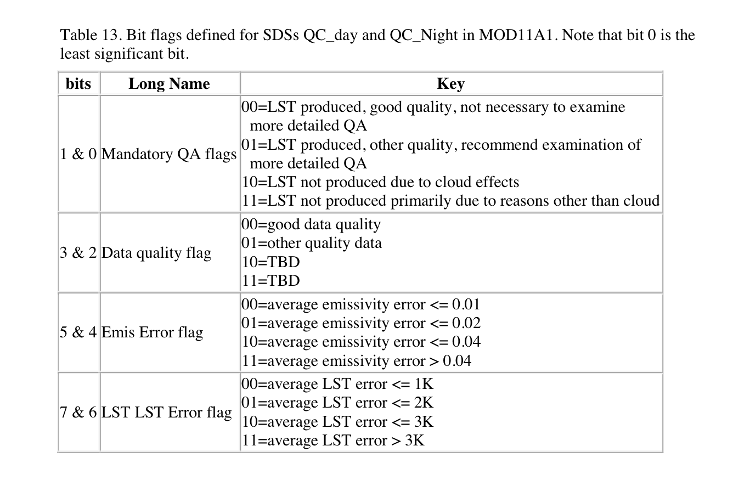
bit | 7 | 6 | 5 | 4 | 3 | 2 | 1 | 0
 | 0 | 0 | 0 | 0 | 0 | 0 | 0 | 0
 | 0 | 1 | 0 | 1 | 0 | 1 | 0 | 1
 | 1 | 0 | 1 | 0 | 1 | 0 | 1 | 0
 | 1 | 1 | 1 | 1 | 1 | 1 | 1 | 1

values | 0 | 0 | 0 | 0 | 0 | 0 | 0 | 0
 | 0 | 64 | 0 | 16 | 0 | 4 | 0 | 1
 | 128 | 0 | 32 | 0 | 8 | 0 | 2 | 0
 | 128 | 64 | 32 | 16 | 8 | 4 | 2 | 1

 | 0 | keep | 0 | keep | 0 | keep | 0 | keep | <<--- based on the table to the right
 | 64 | keep | 16 | keep | 4 | keep | 1 | keep
 | 128 | ignore | 32 | keep | 8 | ignore | 2 | ignore
 | 192 | ignore | 48 | ignore | 12 | ignore | 3 | ignore

 | combine the bits together - buts 4-7 |  |  |  |  |  | bits 0-3

 | 0 | 16 | 32 | 48 |  |  | 0 | 4 | 8 | 12
0 | 0 | 16 | 32 | 48 |  | 0 | 0 | 4 | 8 | 12
64 | 64 | 80 | 96 | 112 |  | 1 | 1 | 5 | 9 | 13

 | 0 | 4 | 8 | 12 | 1 | 5 | 9 | 13
0 | 0 | 4 | 8 | 12 | 1 | 5 | 9 | 13
16 | 16 | 20 | 24 | 28 | 17 | 21 | 25 | 29
32 | 32 | 36 | 40 | 44 | 33 | 37 | 41 | 45
48 | 48 | 52 | 56 | 60 | 49 | 53 | 57 | 61
64 | 64 | 68 | 72 | 76 | 65 | 69 | 73 | 77
80 | 80 | 84 | 88 | 92 | 81 | 85 | 89 | 93
96 | 96 | 100 | 104 | 108 | 97 | 101 | 105 | 109
112 | 112 | 116 | 120 | 124 | 113 | 117 | 121 | 125

gpp
bit | 7 | 6 | 5 | 4 | 3 | 2 | 1 | 0 |  |  |  | https://ladsweb.modaps.eosdis.nasa.gov/filespec/MODIS/6/MYD17A2H
 | 0 | 0 | 0 | 0 | 0 | 0 | 0 | 0 |  |  | 00100011 | https://www.purplemath.com/modules/numbbase.htm
 | 1 | 0 | 0 | 1 | 0 | 1 | 1 | 1 |  |  | 35 | Count from the right!
 | 0 | 1 | 0 | 0 | 1
 | 1 | 1 | 0 | 1 | 1 |  |  |  | Note: for bit 2 we've removed the dead detector
 | 0 | 0 | 1
 | 1 | 1 | 1

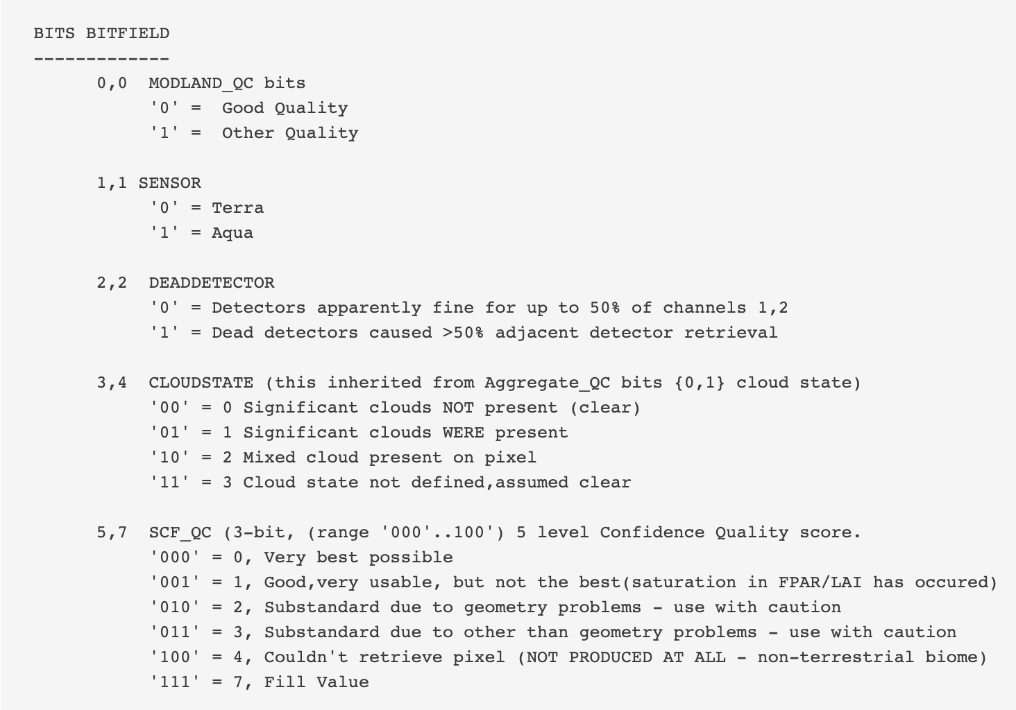
 | 0 | 0 | 0 | 0 | 0 | 0 | 0 | 0
 | 128 | 0 | 0 | 16 | 0 | 4 | 2 | 1
 | 0 | 64 | 0 | 0 | 8 |  |  |  |  | Note: I think we want only 0 here (clouds not present …)
 | 128 | 64 | 0 | 16 | 8
 | 0 | 0 | 32
 | 128 | 64 | 32
 |  |  |  | 0 | Clear
 | 0 | Very best |  | 16 | Ignore
 | 128 | Good very usable |  | 8 | Mixed clouds
 | 64 | Ignore |  | 24 | Ignore
 | 192 | Ignore
 | 32 | Ignore
 | 224 | Ignore

 |  | Now for the first two bits add the different combinations together)
 |  | 0 | 1
 | 0 | 0 | 1
 | 2 | 2 | 3

 |  | Then do this for bit 2 with bit 0 and 1 - for bit 2 we only want the 0 value:
 |  | 0 | 1 | 2 | 3
 | 0 | 0 | 1 | 2 | 3

 |  | Bit 3,4 with bit 5-7:
 |  | 0 | 8
 | 0 | 0 | 8
 | 128 | 128 | 136

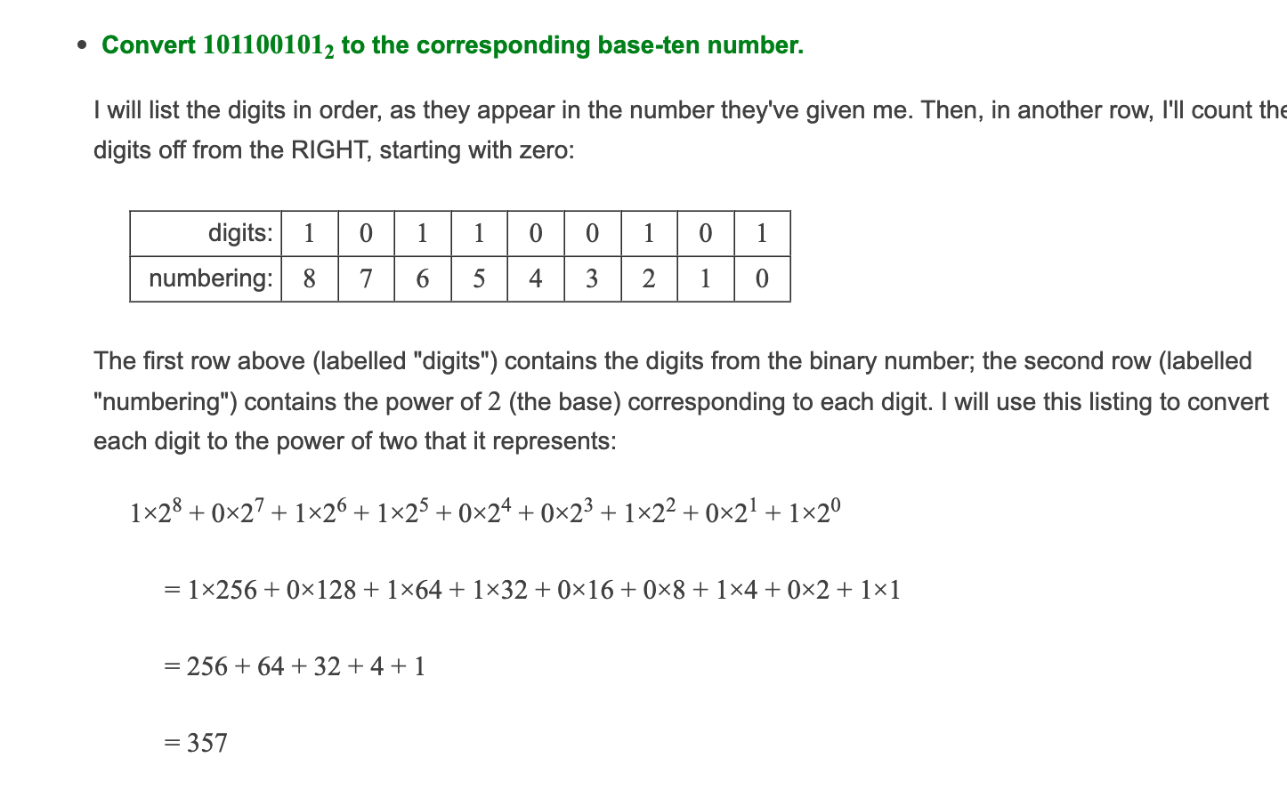
 |  |  |  | 0 | 1 | 2 | 3
 |  |  | 0 | 0 | 1 | 2 | 3
 |  |  | 8 | 8 | 9 | 10 | 11
 |  |  | 128 | 128 | 129 | 130 | 131
 |  |  | 136 | 136 | 137 | 138 | 139

