Sheet2
CL | c_drag_a | Speed, m/s | Q | Xu | Xw | Xq | Zu | Zw | Zq | Mu | Mw | Mq | Xde | Xdt | Zde | Mde
1.3710469488 | 2.5143416848 | 18 | 198.45 | -0.12720206274 | -0.85238964226 | 0 | -0.29415477009 | -3.8558125269 | 18 | 0 | -0.14273405829 | -2.439886679 | 0 | 0.042973785991 | -0.060890037409 | 0.022007031493
1.1105480285 | 1.6496595794 | 20 | 245 | -0.14133562527 | -0.56519214619 | 0 | -0.32683863343 | -4.284236141 | 20 | 0 | -0.14273405829 | -2.7109851989 | 0 | 0.042973785991 | -0.07517288569 | 0.024452257215
0.71075073825 | 0.67570056371 | 25 | 382.8125 | -0.17666953159 | -0.16877492311 | 0 | -0.40854829179 | -5.3552951762 | 25 | 0 | -0.14273405829 | -3.3887314986 | 0 | 0.042973785991 | -0.11745763389 | 0.030565321519
0.49357690156 | 0.32585868234 | 30 | 551.25 | -0.2120034379 | 0.029244097177 | 0 | -0.49025795015 | -6.4263542114 | 30 | 0 | -0.14273405829 | -4.0664777983 | 0 | 0.042973785991 | -0.1691389928 | 0.036678385822
0.36262792768 | 0.1758904008 | 35 | 750.3125 | -0.24733734422 | 0.15003297736 | 0 | -0.57196760851 | -7.4974132467 | 35 | 0 | -0.14273405829 | -4.7442240981 | 0 | 0.042973785991 | -0.23021696242 | 0.042791450126

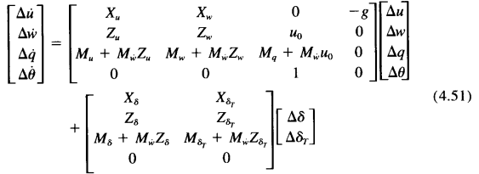
 |  | Variables | Values
 |  | Mass, kg | 23.27
 |  | s | 0.839
 |  | b | 1.68
 |  | c | 0.499
 |  | Ixx | 2.14
 |  | Iyy | 8.732
 |  | Izz | 10.72
 |  | c_m_0 | 0
 |  | c_m_u | 0
 |  | c_m_a | -2.977
 |  | c_m_q | -18.5
 |  | c_m_deltae | 0.0255
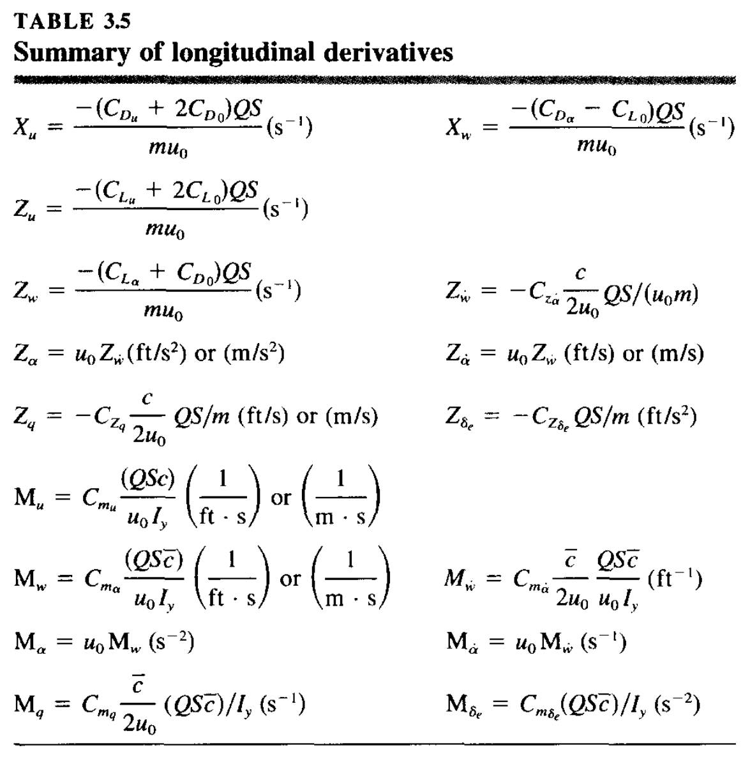
 |  | c_lift_0 | 0.37
 |  | c_drag_o | 0.16
 |  | c_drag_u | 0
 |  | c_lift_u | 0
 |  | c_lift_a | 9.54
 |  | c_lift_q | 17.785
 |  | c_lift_deltae | 0.00851

