RatingsEquivalence
Signification | Risk Issuer Default | Default Probability | Rating | Moody’s |  | Standard & Poor’s |  | Fitch Ratings |  | Internal Scoring | Credit Score | Category
 |  |  |  | Long-term | Short-term | Long-term | Short-term | Long-term | Short-term | Equivalent Numeric
 |  | 0 |  |  |  |  |  |  |  |  | 1
Prime | IG1 | 0.00002 | AAA | Aaa | P-1 | AAA | A-1+ | AAA | F1+ | 1 | 1 | Low Risk
High grade | IG2 | 0.00004 | AA+ | Aa1 | P-1 | AA+ | A-1+ | AA+ | F1+ | 2 | 2 | Low Risk
High grade | IG3 | 0.00008 | AA | Aa2 | P-1 | AA | A-1+ | AA | F1+ | 3 | 2 | Low Risk
High grade | IG4 | 0.000152 | AA- | Aa3 | P-1 | AA- | A-1+ | AA- | F1+ | 4 | 2 | Low Risk
Upper Medium grade | IG5 | 0.000286 | A+ | A1 | P-1 | A+ | A-1 | A+ | F1 | 5 | 3 | Low Risk
Upper Medium grade | IG6 | 0.000529 | A | A2 | P-1 | A | A-1 | A | F1 | 6 | 3 | Low Risk
Upper Medium grade | IG7 | 0.00096 | A- | A3 | P-2 | A- | A-2 | A- | F2 | 7 | 3 | Low Risk
Lower medium grade | IG8 | 0.001715 | BBB+ | Baa1 | P-2 | BBB+ | A-2 | BBB+ | F2 | 8 | 4 | Low Risk
Lower medium grade | IG9 | 0.003 | BBB | Baa2 | P-3 | BBB | A-3 | BBB | F3 | 9 | 4 | Low Risk
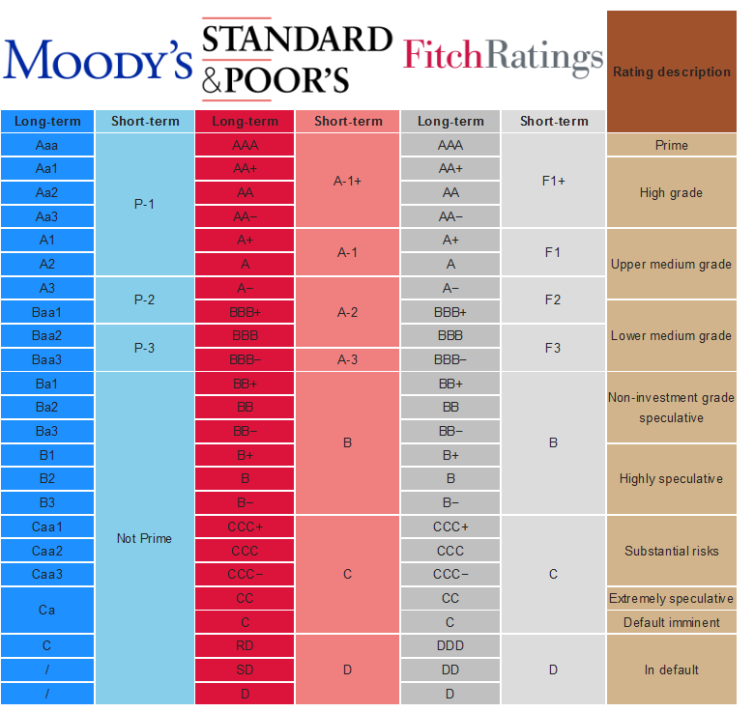
Lower medium grade | IG10 | 0.0052 | BBB- | Baa3 |  | BBB- |  | BBB- |  | 10 | 4 | Low Risk
Non-investment grade speculative | HY1 | 0.0088 | BB+ | Ba1 | Not prime | BB+ | B | BB+ | B | 11 | 5 | Medium Risk
Non-investment grade speculative | HY2 | 0.015 | BB | Ba2 | Not prime | BB | B | BB | B | 12 | 5 | Medium Risk
Non-investment grade speculative | HY3 | 0.024 | BB- | Ba3 | Not prime | BB- | B | BB- | B | 13 | 5 | Medium Risk
Highly speculative | HY4 | 0.04 | B+ | B1 | Not prime | B+ | B | B+ | B | 14 | 6 | Medium Risk
Highly speculative | HY5 | 0.06 | B | B2 | Not prime | B | B | B | B | 15 | 6 | Medium Risk
Highly speculative | HY6 | 0.1 | B- | B3 | Not prime | B- | B | B- | B | 16 | 6 | Medium Risk
Substantial Risks | DS1 | 0.15 | CCC+ | Caa1 | Not prime | CCC+ | C | CCC+ | C | 17 | 7 | High Risk
Substantial Risks | DS2 | 0.22 | CCC | Caa2 | Not prime | CCC | C | CCC | C | 18 | 7 | High Risk
Substantial Risks | DS3 | 0.3 | CCC- | Caa3 | Not prime | CCC- | C | CCC- | C | 19 | 7 | High Risk
Extremely speculative | DS4 | 0.5 | CC | Ca | Not prime | CC | C | CC | C | 20 | 8 | High Risk
Default imminent | DS5 | 1 | C+ |  | Not prime | C | C |  | C | 21 | 9 | Very High Risk
Extremely speculative | DS5 | 1 | C | C | Not prime | C/CI/R | C | C | C | 22 | 9 | Very High Risk
In Default | DS5 | 1 | SD |  | Not prime | SD | D | RD | D | 23 | 10 | Very High Risk
In Default | DS5 | 1 | DDD |  | Not prime |  |  |  |  | 24 | 10 | Very High Risk
In Default | DS5 | 1 | DD+ |  | Not prime |  |  |  |  | 25 | 10 | Very High Risk
In Default | DS5 | 1 | D |  | Not prime | D |  | D |  | 26 | 10 | Very High Risk
Not Rated |  |  | NR | NR | NR | NR | NR | NR | NR |  |  | Not Rated
Not Rated |  |  | N.R. | N.R. | N.R. | N.R. | N.R. | N.R. | N.R. |  |  | Not Rated
Not Rated |  |  | NA | NA | NA | NA | NA | NA | NA |  |  | Not Rated
Not Rated |  |  | N.A. | N.A. | N.A. | N.A. | N.A. | N.A. | N.A. |  |  | Not Rated
Not Rated |  |  | WD | WD | WD | WD | WD | WD | WD |  |  | Not Rated
Not Rated |  |  | WR | WR | WR | WR | WR | WR | WR |  |  | Not Rated

Graphs
 | Default Probability Credit Score | Rating Credit Score | Credit Score | Credit Score Warning limit | Credit Score Error limit
ANZ (London) | 2 | 3 | 2.5 | 5 | 6
BNP Paribas (Luxembourg) | 4 | 3 | 3.5 | 5 | 6
CIC (Paris) | 2 | 3 | 2.5 | 5 | 6
Natixis (Paris) | 2 | 3 | 2.5 | 5 | 6
Pictet & Cie (Europe) | 4 | 2 | 3 | 5 | 6
Société Générale (Paris) | 4 | 3 | 3.5 | 5 | 6
Morgan Stanley (US) | 1 | 3 | 2 | 5 | 6
Northern trust | 2 | 3 | 2.5 | 5 | 6
Goldman Sachs | 3 | 4 | 3.5 | 5 | 6

