Procedure
 | Date of report | 2022-08-03

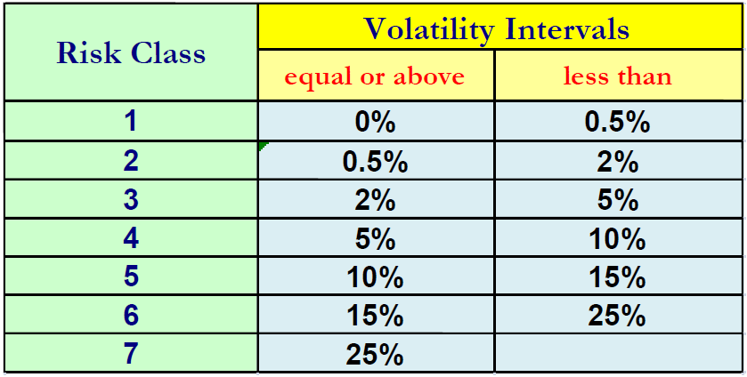
 | Hide / Unhide Input sheets

HideInputSheets | Input* |  |  | Hide/Unhide Input sheets

 | Create synthesis of SRRI

UpdateSRRI | SRRILink |  | 16/02/21 22:12:30 - jnc_IfH | Refresh the copy of the SRRI from the datawarehouse
CreateSynthesis | Synthesis |  | 16/02/21 22:12:57 - jnc_IfH | Create a synthesis of the SRRI

 | Push data and save the file

PushData | OutDatabase |  | 18/01/21 22:52:46 - jnc_IfH | Push data to Access database and save the file

