Sheet1
SOH - Resource Concerns - Concentration of Salts

Description
Concentration of salts can occur in susceptible soils due to management-induced perturbations in the near-surface hydrology of the landscape.
Discharge areas of the landscape (concavities) are particularly susceptible to salt accumulation.
Does not consider coastal environments.

Criteria Table
soil and site properties | low | moderate | high | feature
depth to water table (cm) | >100 | 20-100 | <20 | salts in the near surface water will be pulled to the surface
water table persistence (months) | 0 | 0-4 | >4 | months per year the water table is near the surface
non-leaching climate (map-pet) (mm/yr) | >10 | 10-(-200) | <-200 | low excess moisture does not leach salts
presence of salts (EC 0-150cm) (dS/m) | 0 | 0-4 | >4 | If salts are available, there is a possibility of accumulation
water gathering surface | convex | linear | concave | concave areas accumulate surface and subsurface materials
OR (Maximum of inputs)
presence of salts (EC 0-150cm) (dS/m) | 0 | 0-4 | >4 | Soil is already saline

Logic Diagram

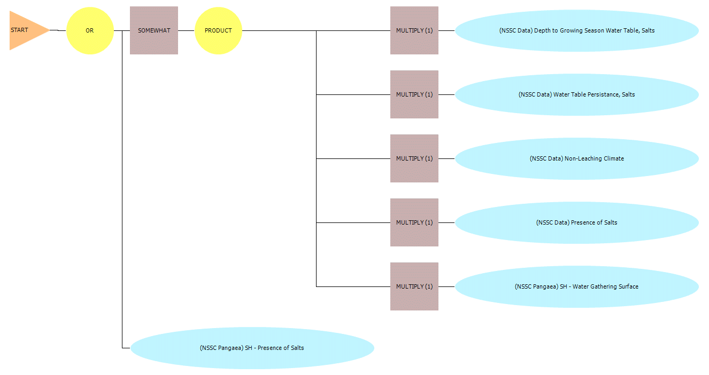

References
J. L. Arndt, J. L. Richardson. 1988. Hydrology, salinity and hydric soil development in a North
Dakota prairie-pothole wetland system. Wetlands 8:2, 93-108.

J.L. Richardson, L.P. Wilding, R.B. Daniels. 1992. Recharge and discharge of groundwater in aquic conditions illustrated with flownet analysis. Geoderma 53:1-2, 65-78.

Woods S. A., Dyck M. F., Kachanoski R. G.. 2013. Spatial and temporal variability of soil horizons
and long-term solute transport under semi-arid conditions. Canadian Journal of Soil Science 93:2,
173-191.

