Sheet1
Japanese Name | Romaji | English | Meaning | Image
アマリリス | Amaririsu | Amaryllis | Shy | 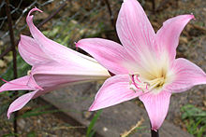

Amaryllis Belladonna
アネモネ | Anemone | Anemone (White) | Sincere | 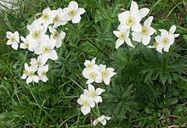

Anemone Narcissifolia
アムブロシアー | Amuburoshiā | Ambrosia | Pious | 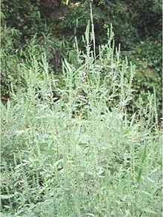

Ambrosia
紫苑 | Shion | Aster tataricus | Remembrance | 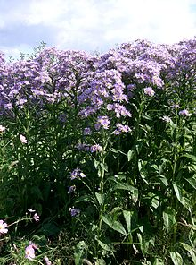

Aster Tataricus
躑躅 | Tsutsuji | Azalea | Patient/Modest | 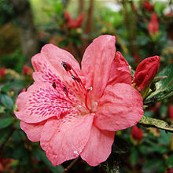

Azalea
ブルーベル | Burūberu | Bluebell | Grateful | 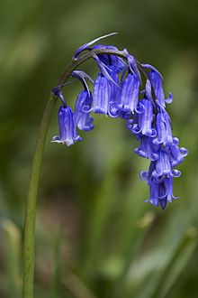

Common Bluebell
サボテン | Saboten | Cactus | Lust/Sex | 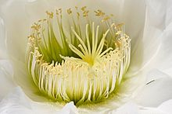

Cactus Flower
椿 | Tsubaki | Camellia (Red) | In Love, Perishing with grace | 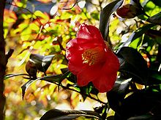

Camellia Japonica
椿 | Tsubaki | Camellia (Yellow) | Longing | 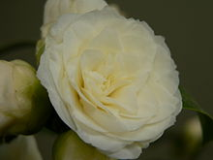

Camelia Japonica Alba Pena
椿 | Tsubaki | Camellia (White) | Waiting | 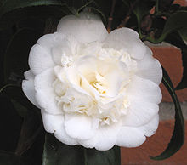

Camellia Japonica Nobilissima
黒百合 | Kuroyuri | Fritillaria camschatcensis | Love, curse | 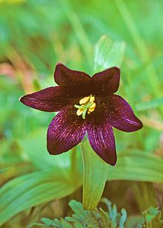

Fritillaria camschatcensis
カーネーション | Kānēshon | Carnation | Fascination, Distinction, and Love | 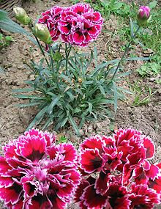

Carnation
桜 | Sakura | Cherry Blossom | Kind/Gentle/Transience of Life | 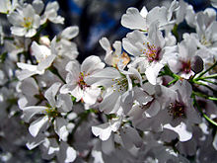

Cherry Blossom
黄菊 | Kigiku | Chrysanthemum (Yellow) | Imperial | 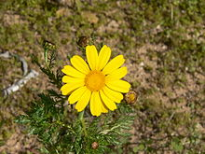

Yellow Chrysanthemum
白菊 | Shiragiku | Chrysanthemum (White) | Truth | 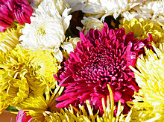

Chrysanthemums
(四つ葉の) クローバー | (Yotsuba no) kurōbā | Four-leaf clover | Lucky | 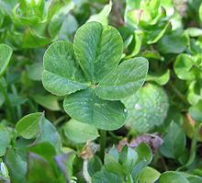

Four Leaf Clover
水仙 | Suisen | Daffodil | Respect | 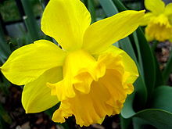

Daffodil
天竺牡丹 | Tenjikubotan | Dahlia | Good taste | 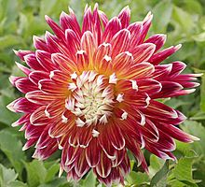

Dahlia
雛菊 | Hinagiku | Daisy | Faith | 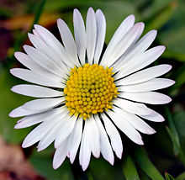

Daisy
エーデルワイス | Ēderuwaisu | Edelweiss | Courage/Power | 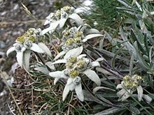

Edelweiss
エリカ | Erika | Erica | Solitude | 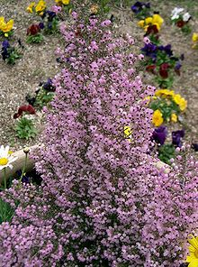

Erica
勿忘草 | Wasurenagusa | Forget-me-not | True love | 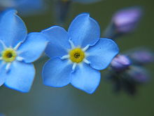

Forget-me-not
フリージア | Furījia | Freesia | Childish/Immature | 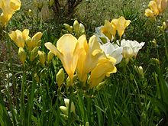

Freesia
梔子 | Kuchinashi | Gardenia | Secret love | 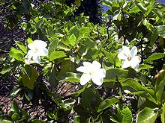

Gardenia
鷺草 | Sagisō | Habenaria radiata | My thoughts will follow you into your dreams | 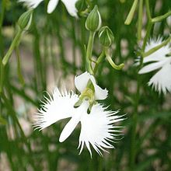

Habenaria radiata
ハイビースカス | Haibīsukasu | Hibiscus | Gentle | 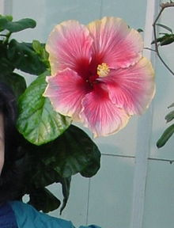

Hibiscus
忍冬 | Suikazura | Honeysuckle | Generous | 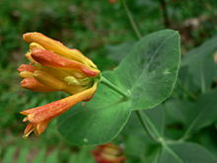

Honeysuckle
紫陽花 | Ajisai | Hydrangea | Pride | 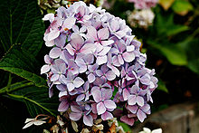

Hydrangea
アイリス, 菖蒲 | Ayame | Iris | Good News/Glad tidings/loyalty | 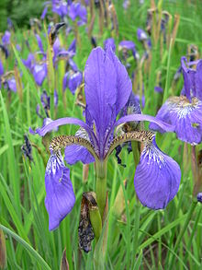

Iris
ジャスミン | Jasumin | Jasmine | Friendly/Graceful | 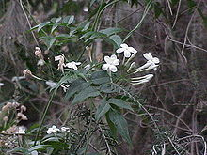

Jasmine
ラベンダー | Rabendā | Lavender | Faithful | 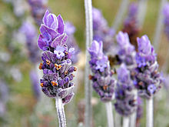

Lavender
白百合 | Shirayuri | Lily (White) | Purity/Chastity | 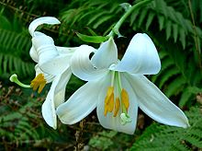

White Lily
小百合 | Sayuri | Lily (Orange) | Hatred/Revenge | 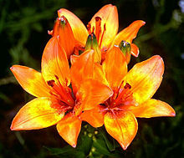

Orange Lily
鈴蘭/百合 | Suzuran/Yuri | Lily of the Valley/Spider lily | Sweet | 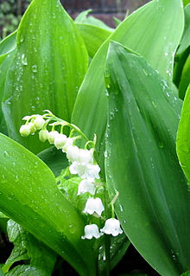

Lily of the Valley
鬼百合 | Oniyuri | Tiger Lily | Wealth | 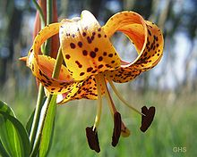

Tiger Lily
彼岸花 / | Higanbana / | Red Spider Lily | Never to meet again/Lost memory/Abandonment | 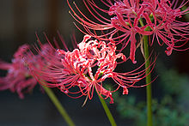
曼珠沙華 | Manjushage

Red Spider Lily
向日葵 | Himawari | Sunflower | Respect, passionate love, radiance | 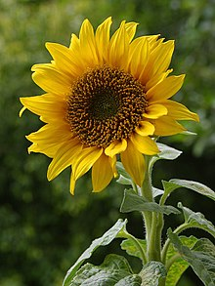

Sunflower
蓮華 | Renge | Lotus | Far from the one he loves/Purity/Chastity | 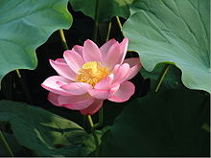

Lotus
マグノリア | Magunoria | Magnolia | Natural | 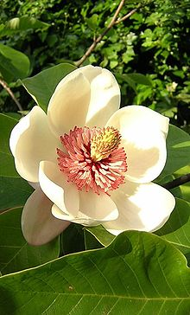

Magnolia
宿り木/ホーリー | Yadorigi/Hōrii | Mistletoe/Holly | Looking (Single and "--") | 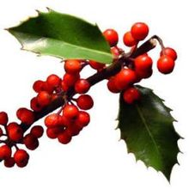

Holly
朝顔 | Asagao | Morning Glory | Willful promises | 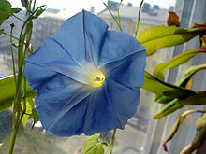

Morning Glory
水仙 | Suisen | Narcissus | Self-Esteem

Narcissus
パンジー | Panjī | Pansy | Thoughtful/Caring | 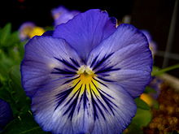

Pansy
牡丹 | Botan | Peony | Bravery | 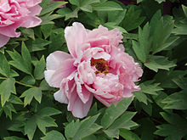

Peony
雛芥子 | Hinageshi | Poppy (Red) | Fun-Loving | 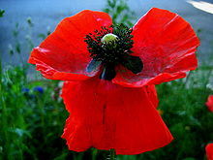

Red Poppy
芥子(白) | Keshi(Shiro) | Poppy (White) | Rejoice | 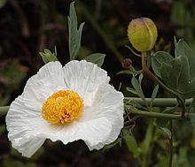

White Poppy
芥子(黄) | Keshi(Ki) | Poppy (Yellow) | Success | 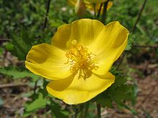

Yellow Poppy
桜草 | Sakurasō | Primrose | Desperate | 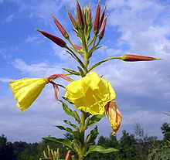

Primrose
紅薔薇 | Benibara | Rose (Red) | Love/In love | 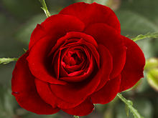

Red Rose
薔薇 | Bara | Rose (White) | Innocence/Silence/Devotion | 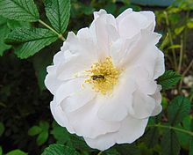

White Rose
黄色薔薇 | Kiiroibara | Rose (Yellow) | Jealousy | 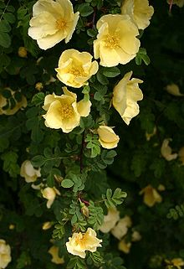

Yellow Rose
桃色薔薇 | Momoirobara | Rose (Pink) | Trust/Happiness/Confidence | 

Pink Rose
スイートピー | Suītopī | Sweet Pea | Goodbye | 

Sweet Pea
チューリップ | Chūrippu | Tulip (Red) | Fame/Charity/Trust | 

Red Tulip
チューリップ | Chūrippu | Tulip (Yellow) | One-Sided Love | 

Yellow Tulip
美女桜 | Bijozakura | Verbena | Cooperative | 

Verbena
菫 | Sumire | Violet | Honesty | 

Trip And Spring 005
百日草 | Hyakunichisou | Zinnia | Loyalty | 

Zinnia

