Sheet1
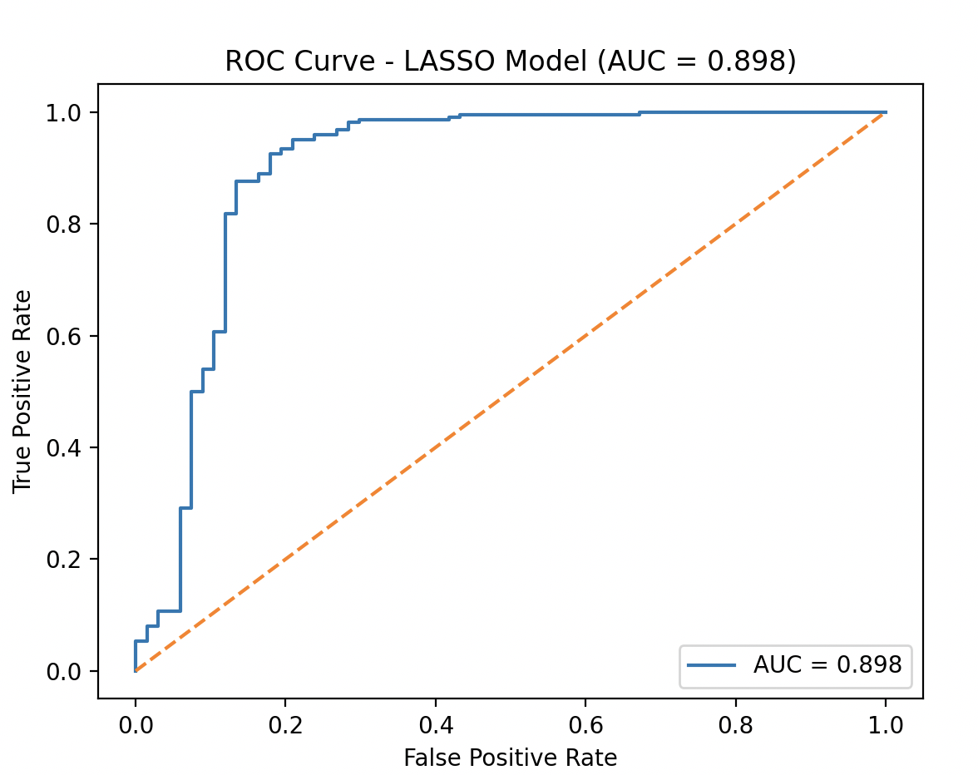
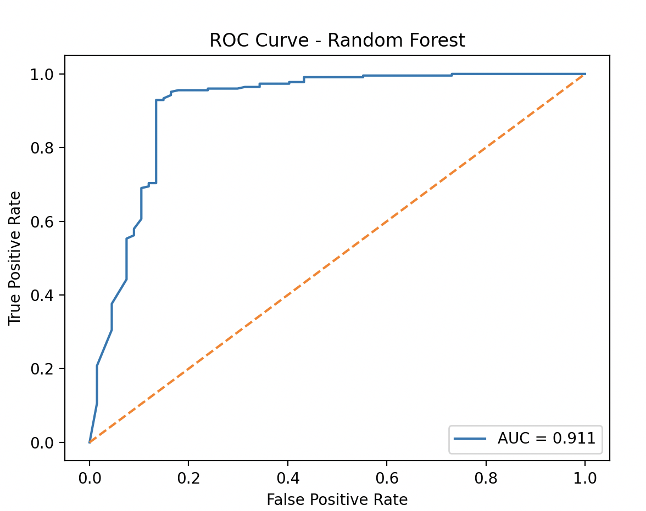
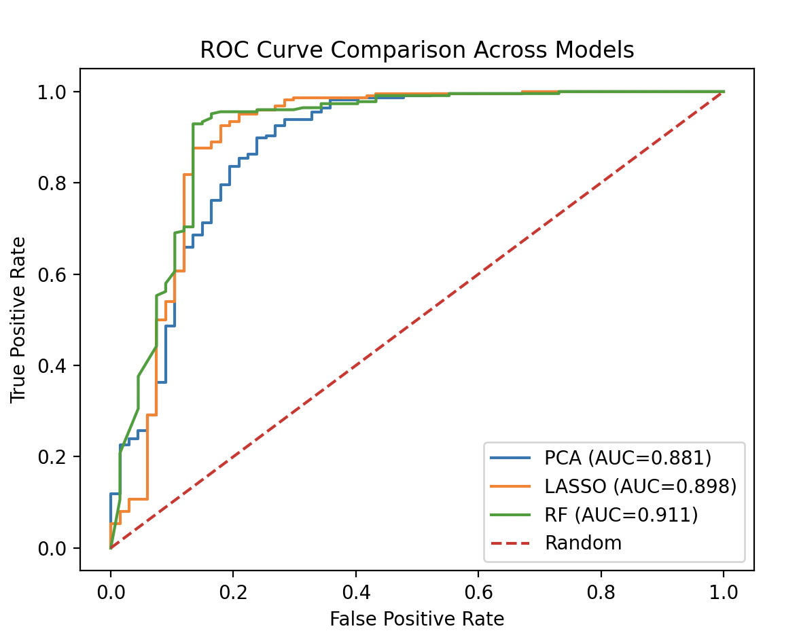
Dataset Overview |  | Preprocessing Summary |  |  | Top 5 Features by Correlation with Expt |  | Top 10 LASSO Coefficients |  |  | Top 10 Random Forest Feature Importances |  | Validation Confusion Matrices (seed 42) |  |  |  |  | Model Comparison (seed 42) |  |  |  |  |  |  | Training vs Validation Accuracy (Overfitting Check, seed 42) |  |  |  | Cross-Seed Average Performance (three seeds)
Property | Value | Stage | Features | Compounds | Feature | |Correlation| | Feature | Coefficient | Direction | Feature | Importance | Model | TN | FP | FN | TP | Model | AUC | Accuracy | Precision_0 | Recall_0 | Precision_1 | Recall_1 | Model | Training Accuracy | Validation Accuracy | Gap | Model | Avg Acc | Avg AUC | Avg Prec_0 | Avg Recall_0 | Avg Prec_1 | Avg Recall_1
Total compounds | 1,465 | Original descriptors | 119 | 1,465 | NumLipinskiHBA | 0.598 | NumHBD | −1.798 | more H-bond donors → less permeable | peoe_VSA1 | 0.072 | PCA | 49 | 18 | 22 | 204 | PCA | 0.881 | 0.863 | 0.69 | 0.731 | 0.919 | 0.903 | PCA | 0.875 | 0.863 | 0.012 | PCA | 0.868 | 0.894 | 0.686 | 0.781 | 0.932 | 0.896
Total columns | 121 | After train/validation split (80/20, stratified) | 119 | 1,172 train / 293 val | MQN21 | 0.598 | NumHBA | 1.427 | more H-bond acceptors → more permeable | NumLipinskiHBA | 0.071 | LASSO | 55 | 12 | 22 | 204 | LASSO | 0.898 | 0.884 | 0.714 | 0.821 | 0.944 | 0.903 | LASSO | 0.899 | 0.884 | 0.015 | LASSO | 0.878 | 0.906 | 0.702 | 0.817 | 0.941 | 0.897
Descriptor features | 119 | After removing zero-variance features | 116 | same | TPSA | 0.593 | AMW | −1.177 | larger molecules → less permeable | MQN21 | 0.067 | Random Forest | 44 | 23 | 6 | 220 | Random Forest | 0.911 | 0.901 | 0.88 | 0.657 | 0.905 | 0.973 | Random Forest | 0.998 | 0.901 | 0.097 | Random Forest | 0.917 | 0.935 | 0.899 | 0.719 | 0.917 | 0.974
Class 1 (permeable) | 1,132 (77.3%) | After correlation filter (|r| ≥ 0.25) | 58 | same | NumHeteroAtoms | 0.578 | smr_VSA1 | 1.125 | lipophilic surface → more permeable | TPSA | 0.063
Class 0 (non-permeable) | 333 (22.7%) | After PCA (95% variance retained) | 15 PCs | same | MQN20 | 0.571 | MQN20 | −1.056 | structural feature → less permeable | smr_VSA1 | 0.036
Missing values | 0 |  |  |  |  |  | ExactMW | −1.040 | higher MW → less permeable | slogp_VSA2 | 0.031
 |  |  |  |  |  |  | NumHeteroAtoms | 0.986 | heteroatom count → more permeable | MQN23 | 0.03
 |  |  |  |  |  |  | Chi3v | 0.953 | connectivity index → more permeable | peoe_VSA10 | 0.029
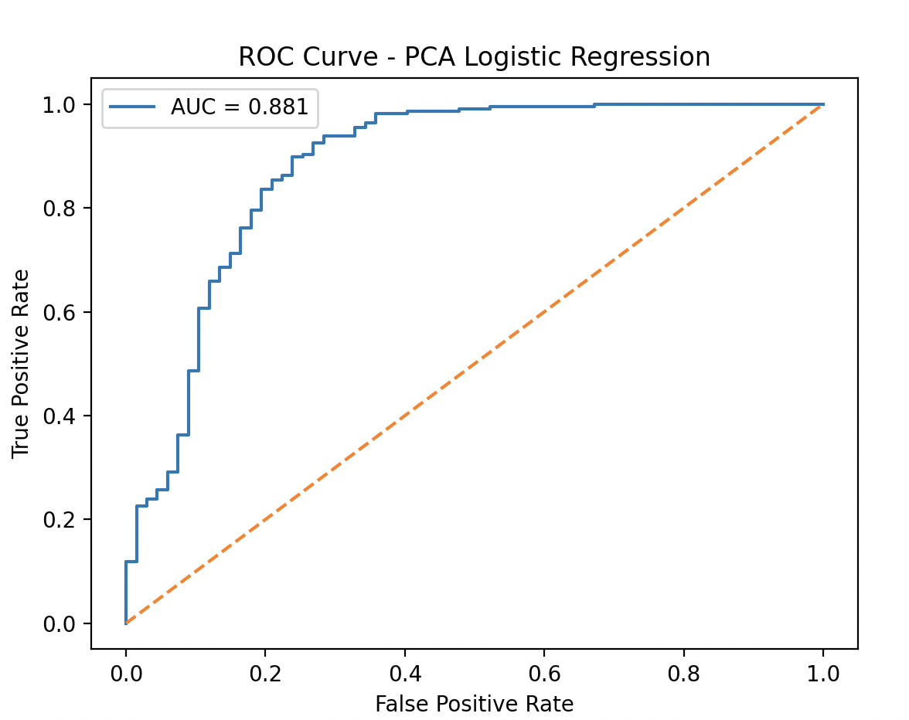
 |  |  |  |  |  |  | MQN10 | −0.798 | structural feature → less permeable | NumHBD | 0.027
 |  |  |  |  |  |  | smr_VSA3 | −0.699 | surface feature → less permeable | NumHeteroAtoms | 0.026

