User Requirements
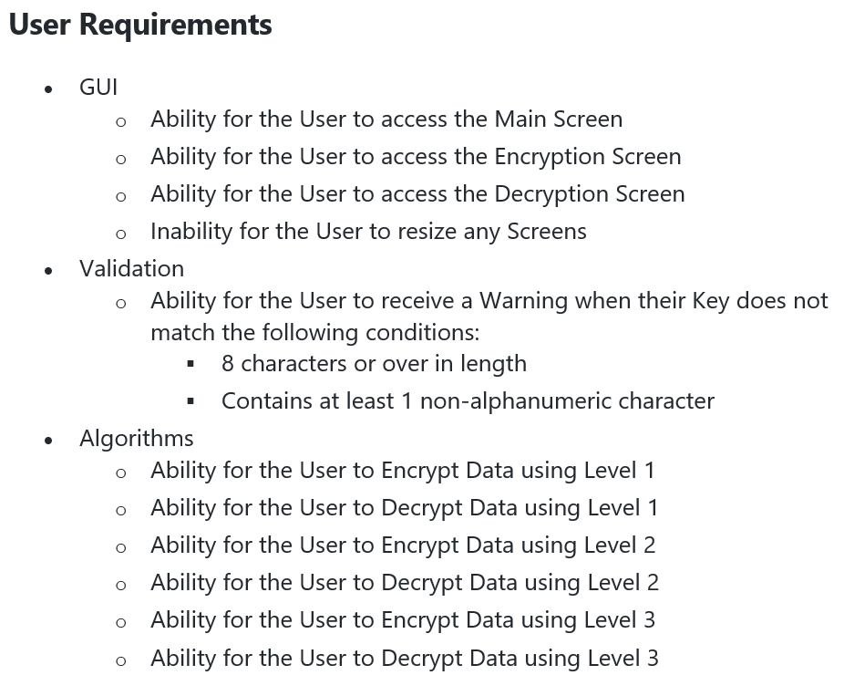

Validation
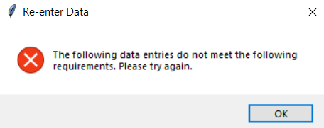
Test Case | Type | Description | Expected Result | Actual Result | WARNING:
5gd!a | Abnormal | Under 8 chars | Warning
5gdBb21lfa | Abnormal | No non-alnum char | Warning
aS3 | Abnormal | Under 8 chars + no non-alnum char | Warning

thy5%1" | Abnormal Boundary | 7 chars | Warning
thy5%1"X | Normal Boundary | 8 chars | No Warning
thy5%1"X4 | Normal Boundary | 9 chars | No Warning

£ | Abnormal Extreme | 1 char | Warning
we%t34jns&HSJWANa""a1!34* | Normal Extreme | 25 chars | No Warning

m37J%4baRt4 | Normal |  | No Warning
71jns$1bq6g | Normal |  | No Warning
jajn6fgt2£$%1ahui& | Normal |  | No Warning

Algorithms
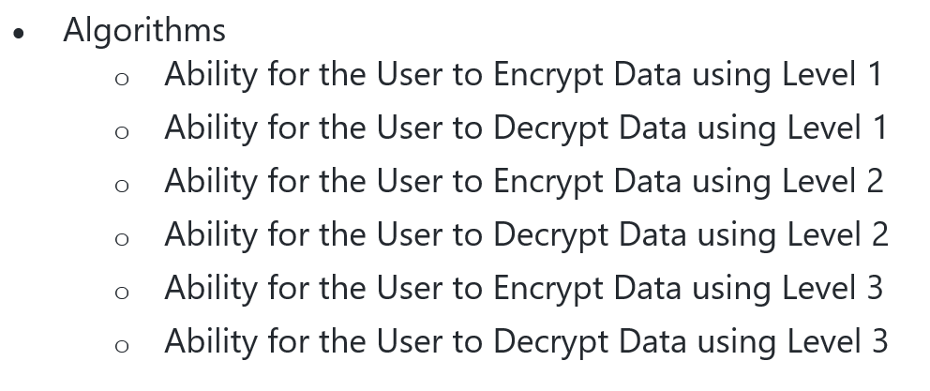

The Algorithm is tested by seeing if the Plaintext Inputted is equal to the Plaintext Outputted (after encryption followed by decryption)

1.7.0 | Encryption |  |  | Decryption

Algorithm | Inputted Plaintext | Key | Outputted Ciphertext | Inputted Ciphertext | Key | Outputted Plaintext | Works?
Level 1 | Hello my name is Bob | S3cR$tP4ssw0rd | /LSSVfT`fUHTLfPZf)VI | /LSSVfT`fUHTLfPZf)VI | S3cR$tP4ssw0rd | Hello my name is Bob
Level 1 | There exists a man called George | Ur4q2U^e" | 4HERE_EXISTS_A_MAN_CALLED_'EORGE | 4HERE_EXISTS_A_MAN_CALLED_'EORGE | Ur4q2U^e" | There exists a man called George | PROBLEM --> Outputted Ciphertext is too similar to Inputted Plaintext
Level 1 | Me and the boys | 7Hnsj4^4££ | m&@"/%@5)&@#0:4 | m&@"/%@5)&@#0:4 | 7Hnsj4^4££ | Me and the boys

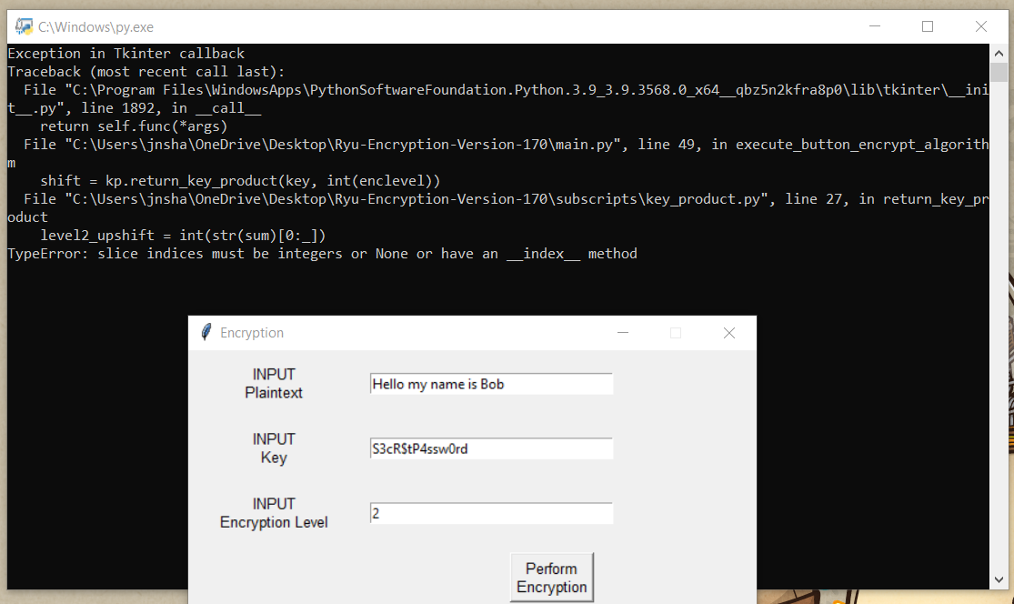
Level 2 | Hello my name is Bob | S3cR$tP4ssw0rd |  |  | S3cR$tP4ssw0rd |  | PROBLEM -->
Level 2 | There exists a man called George | Ur4q2U^e" | 9MJjJwJ]NkYkwFweFfwHFddJIw?JgjLJ | 9MJjJwJ]NkYkwFweFfwHFddJIw?JgjLJ | Ur4q2U^e" | There exists a man called George
Level 2 | Me and the boys | 7Hnsj4^4££ | v/I+8.I>2/I,9C= | v/I+8.I>2/I,9C= | 7Hnsj4^4££ | Me and the boys

Level 3 | Hello my name is Bob | S3cR$tP4ssw0rd | T{/9Hb\r%}|37[Qe}J$! | T{/9Hb\r%}|37[Qe}J$! | S3cR$tP4ssw0rd | Hello my name is Bob
Level 3 | There exists a man called George | Ur4q2U^e" | =IbXCyHS`SLg\6pG3\V2L@8M5H,35T2( | =IbXCyHS`SLg\6pG3\V2L@8M5H,35T2( | Ur4q2U^e" | There exists a man called George
Level 3 | Me and the boys | 7Hnsj4^4££ | P&3wB+I[BByO_'s | P&3wB+I[BByO_'s | 7Hnsj4^4££ | Me and the boys

