profile
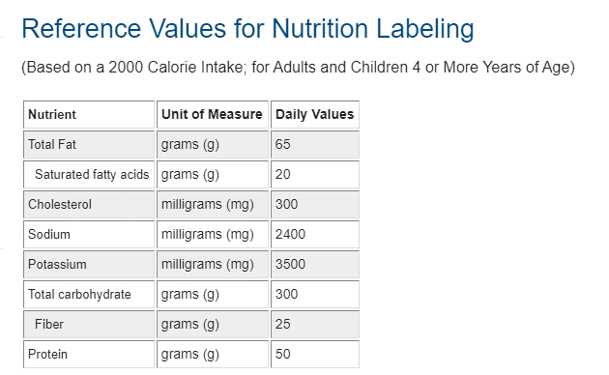
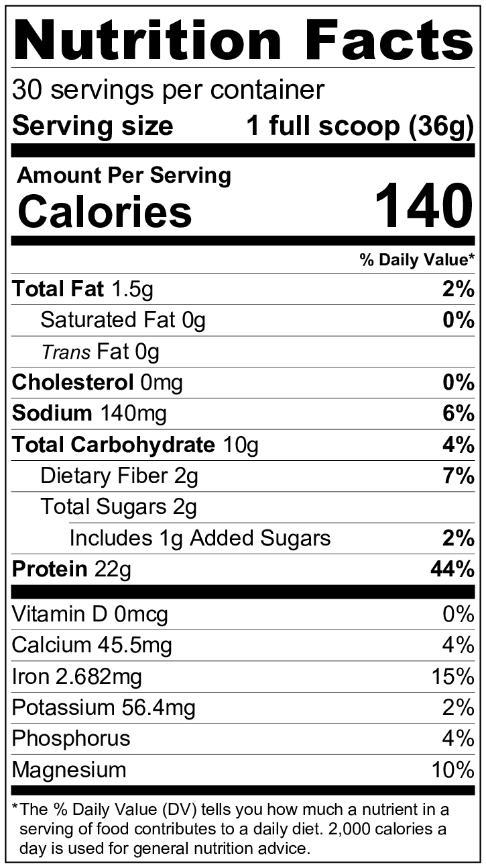
Nutrition Facts
30 servings per container
Serving size | 1 full scoop (36g)

Amount Per Serving
Calories | ???

 | % Daily Value*
Total Fact | ??
Total Carbohydrate | ??
Protein | ??

