method-taxonomy
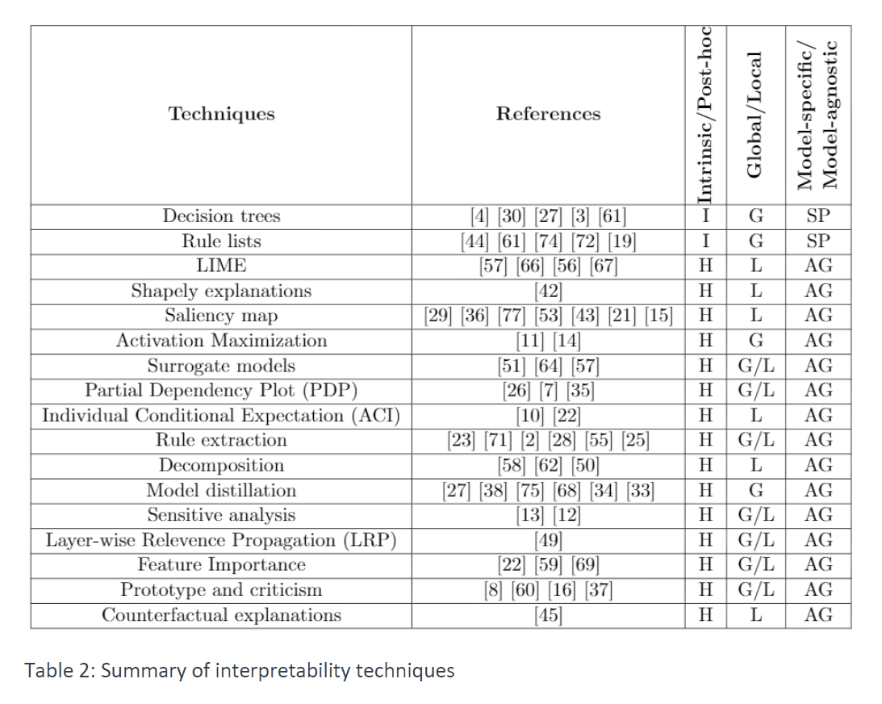
Method / Taxonomy | Model Specific | Model Agnostic | Local | Global | Intrinsic | Post-Hoc | Adresses Neural Networks | Adresses Computer Vision Tasks | Year of publication | Explainable Tasks | Source Code Available
DeepLIFT (Deep Learning Important FeaTures) | yes | no | yes | no | no | yes | yes | yes | 2016 | Classification
eXplanation with Ranked Area Integrals | yes | no | yes | no | no | yes | yes | yes | 2019 | Classification
Integrated Gradients | yes | no | yes | no | no | yes | yes | yes | 2017 | Classification
Layer-Wise Relevane Propagation | yes | no | yes | no | no | yes | yes | yes | 2016 | Classification
LIME | no | yes | yes | no | no | yes | yes | yes | 2017 | Regression, Classification
Mean Decrease Impurity | yes | no | no | yes | yes | no | no | no | 2013 | Regression, Classification
Partial Dependence Plots | no | yes | no | yes | no | yes | no | no | 2001 | Regression, Classification
Permutation Importance | no | yes | no | yes | no | yes | no | no | 2010 | Regression, Classification
Q-FIT | no | yes | yes | yes | no | yes | no | no | 2020 | Regression, Classification
SHapely Additive exPlanations | no | yes | yes | yes | no | yes | yes | yes | 2017 | Regression, Classification | yes
TabNet | yes | no | yes | yes | no | yes | yes | no | 2020 | Regression, Classification | yes
Deep Lattice Networks and Partial Monotonic Functions | yes | no | no | yes | no | yes | yes | no | 2017 | Regression, Classification | yes
Testing Concept Activation Vectors | yes | no | yes | yes | no | yes | yes | yes | 2018 | Classification | yes
Wilks feature importance
Individual Conditional Expectation
Anchors
LOCO
XRAI | yes | no | yes | no | no | yes | yes | yes | 2019
DeepR
Automatic Concept-based Explanations
MMD Critic
Representer Point Selection
Influence Functions
Attention Based Protocol Learning
NN to Decistion Tree
Sampling Shapley |  |  |  |  |  |  | no | no
Grad-CAM
SmoothGrad

