method-taxonomy
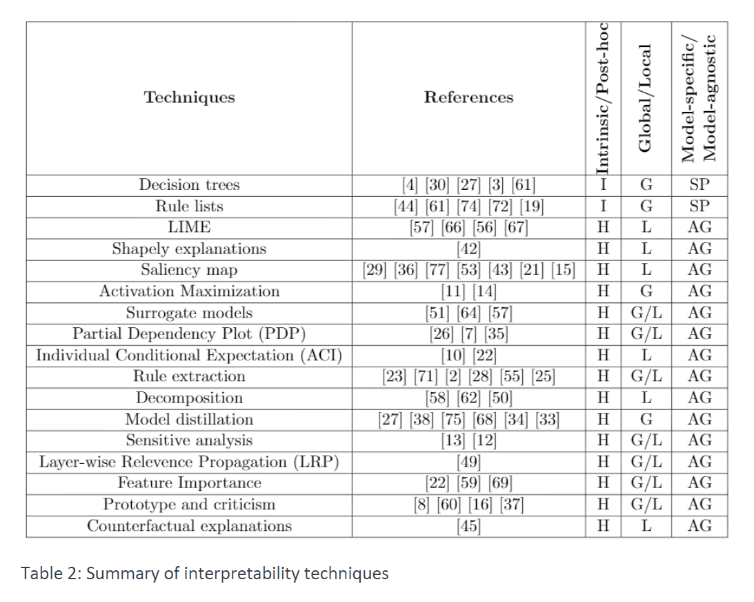
Method / Taxonomy | Specific (S) or Agnostic (A) | Local (L) or Global (G) | Intrinsic (I) or Post-Hoc (P) | Addresses Neural Networks | Addresses Computer Vision Tasks | Addresses Tabular Data | Year of publication | # citations in Google Scholar (as of 21-12-03) | Regr. (R) or Classif. (C) | Source Code Freely Available
Partial Dependence Plots (PDP) | A | G | P | 🛇 | 🛇 | ✓ | 2001 | 15545 | R and C | ✓
Permutation Importance | A | G | P | 🛇 | 🛇 | ✓ | 2010 | 15545 | R and C | ✓
Mean Decrease Impurity | S | G | I | 🛇 | 🛇 | ✓ | 2013 | 823 | R and C | 🛇
Individual Conditional Expectation | A | L | P | ✓ | 🛇 | ✓ | 2013 | 571 | R and C | ✓
Deep Learning Important FeaTures (DeepLIFT) | S | L | P | ✓ | ✓ | 🛇 | 2016 | 1629 | C | ✓
Layer-Wise Relevane Propagation | S | L | P | ✓ | ✓ | 🛇 | 2016 | 2160 | C | ✓
Maximum Mean Discrepancy - Critic | A | G | P | ✓ | ✓ | 🛇 | 2016 | 445 | C | ✓
Gradient-weighted Class Activation Mapping | S | L | P | ✓ | ✓ | 🛇 | 2016 | 6758 | C | ✓
Integrated Gradients | S | L | P | ✓ | ✓ | 🛇 | 2017 | 2017 | C | ✓
Local Interpretable Model-agnostic Explanation (LIME) | A | L | P | ✓ | ✓ | ✓ | 2017 | 5020 | R and C | ✓
SHapely Additive exPlanations (SHAP) | A | Both | P | ✓ | ✓ | ✓ | 2017 | 5020 | R and C | ✓
Deep Lattice Networks | S | G | P | ✓ | 🛇 | ✓ | 2017 | 88 | R and C | 🛇
Leave One Covariate Out | A | L | P | 🛇 | 🛇 | ✓ | 2017 | 274 | R | ✓
Influence Functions | A | L | P | ✓ | ✓ | 🛇 | 2017 | 1377 | C | ✓
NN to Decistion Tree | S | G | P | ✓ | 🛇 | 🛇 | 2017 | 357 | C | ✓
SmoothGrad | S | L | P | ✓ | ✓ | 🛇 | 2017 | 867 | C | ✓
Testing Concept Activation Vectors | S | Both | P | ✓ | ✓ | 🛇 | 2018 | 583 | C | ✓
Anchors | A | L | P | ✓ | ✓ | ✓ | 2018 | 922 | R and C | ✓
Representer Point Selection | S | L | P | ✓ | ✓ | 🛇 | 2018 | 105 | C | ✓
eXplanation with Ranked Area Integrals (XRAI) | S | L | P | ✓ | ✓ | 🛇 | 2019 | 47 | C | ✓
Automatic Concept-based Explanations | S | G | P | ✓ | ✓ | 🛇 | 2019 | 157 | C | ✓
Attention Based Protocol Learning | S | L | P | ✓ | ✓ | ✓ | 2019 | 8 | C | 🛇
Quantifiable Feature Importance Technique (Q-FIT) | A | L | P | 🛇 | 🛇 | ✓ | 2020 | n. A. | R and C | 🛇
TabNet | S | Both | P | ✓ | 🛇 | ✓ | 2020 | 100 | R and C | 🛇
Wilks feature importance | S | G | I | 🛇 | 🛇 | ✓ | 2021 | 1 | R and C | 🛇

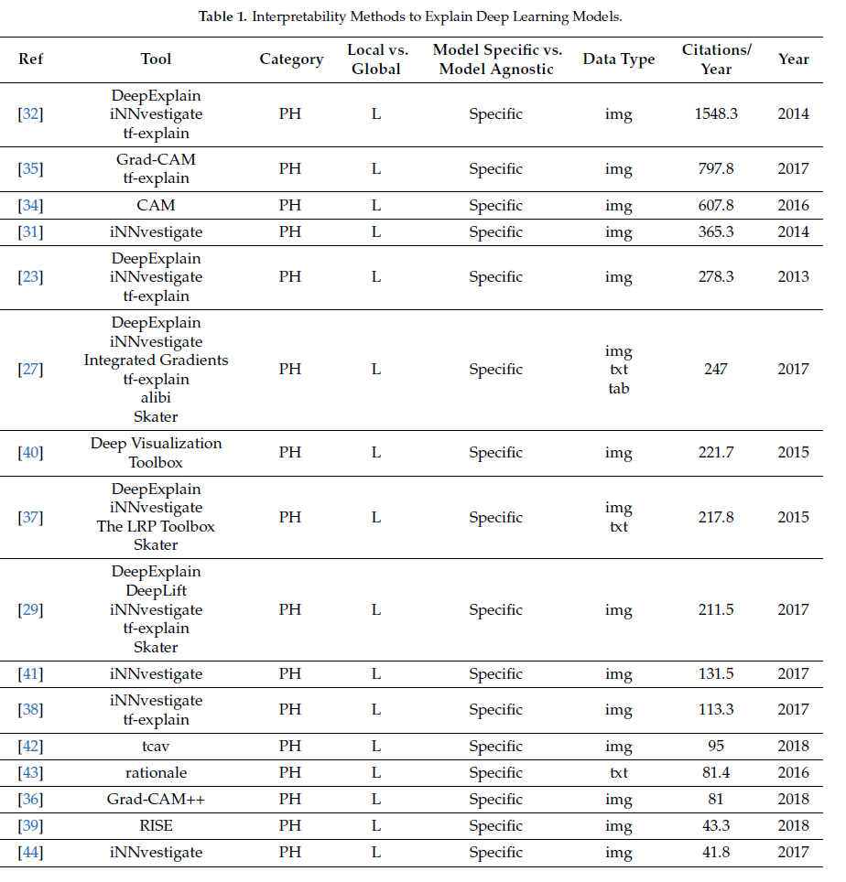

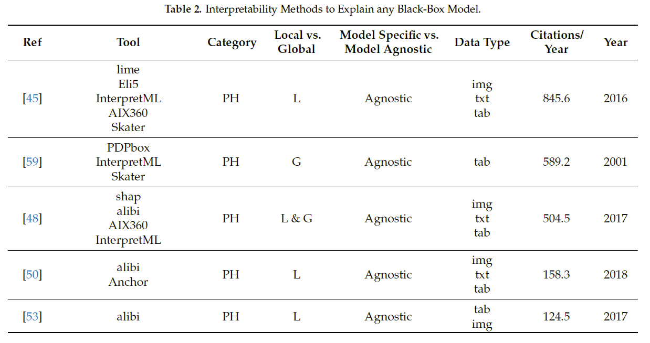

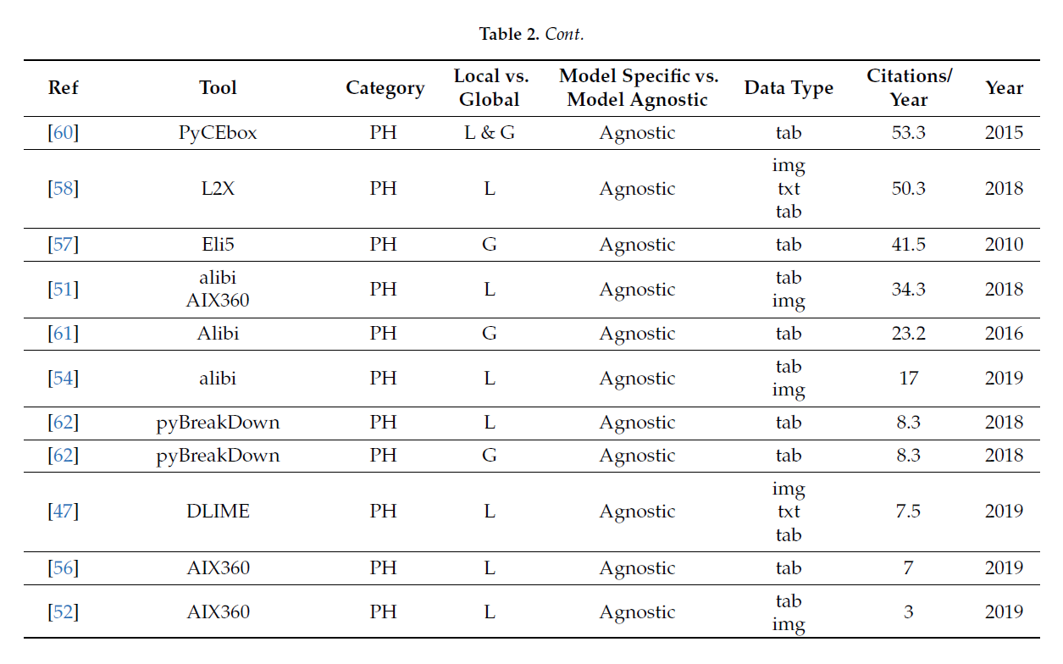

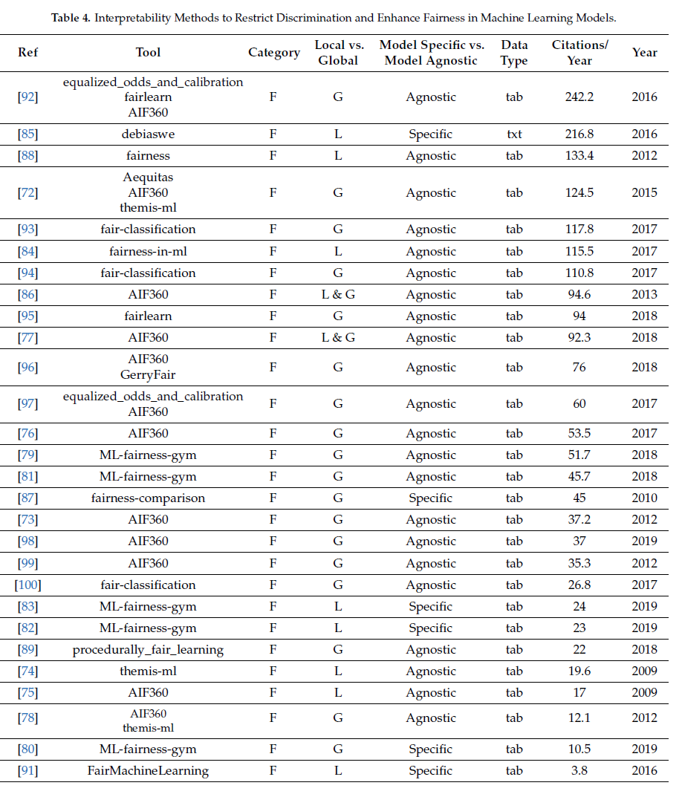

 |  |  |  |  |  |  |  | 15545

