method-taxonomy
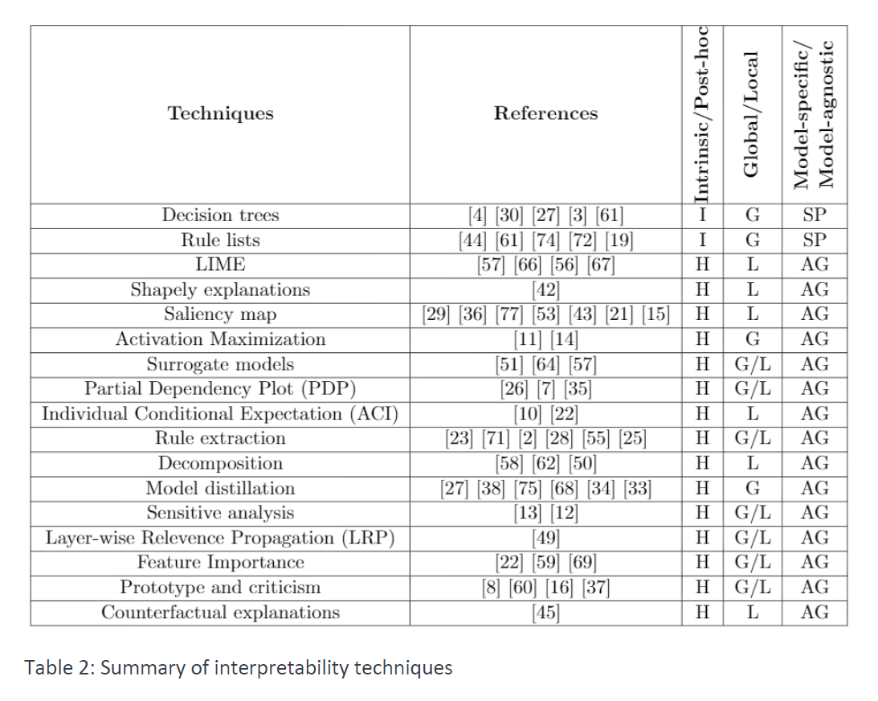
Method / Taxonomy | Model Specific | Model Agnostic | Local | Global | Intrinsic | Post-Hoc | Adresses Neural Networks | Adresses Computer Vision Tasks | Addresses Tabular Data | Year of publication | # citations in Google Scholar (as of 21-12-03) | Explainable Tasks | Source Code Freely Available
DeepLIFT (Deep Learning Important FeaTures) | yes | no | yes | no | no | yes | yes | yes | no | 2016 | 1629 | Classification | yes
Integrated Gradients | yes | no | yes | no | no | yes | yes | yes | no | 2017 | 47 | Classification | yes
Layer-Wise Relevane Propagation | yes | no | yes | no | no | yes | yes | yes | no | 2016 | 2160 | Classification | yes
LIME | no | yes | yes | no | no | yes | yes | yes | yes | 2017 | 5020 | Regression, Classification | yes
Mean Decrease Impurity | yes | no | no | yes | yes | no | no | no | yes | 2013 | 823 | Regression, Classification | no
Partial Dependence Plots | no | yes | no | yes | no | yes | no | no | yes | 2001 | 15545 | Regression, Classification | yes
Permutation Importance | no | yes | no | yes | no | yes | no | no | yes | 2010 | 15545 | Regression, Classification | yes
Q-FIT | no | yes | yes | yes | no | yes | no | no | yes | 2020 | n.A. | Regression, Classification | no
SHapely Additive exPlanations | no | yes | yes | yes | no | yes | yes | yes | yes | 2017 | 5020 | Regression, Classification | yes
TabNet | yes | no | yes | yes | no | yes | yes | no | yes | 2020 | 100 | Regression, Classification | yes
Deep Lattice Networks and Partial Monotonic Functions | yes | no | no | yes | no | yes | yes | no | yes | 2017 | 88 | Regression, Classification | yes
Testing Concept Activation Vectors | yes | no | yes | yes | no | yes | yes | yes | no | 2018 | 583 | Classification | yes
Wilks feature importance | yes | no | no | yes | yes | no | no | no | yes | 2021 | 1 | Regression, Classification | no
Individual Conditional Expectation | no | yes | yes | no | no | yes | yes | no | yes | 2013 | 571 | Regression, Classification | yes
Anchors | no | yes | yes | no | no | yes | yes | yes | yes | 2018 | 922 | Regression, Classification | yes
Leave One Covariate Out | no | yes | yes | yes | no | yes | no | no | yes | 2017 | 274 | Regression | yes
eXplanation with Ranked Area Integrals (XRAI) | yes | no | yes | no | no | yes | yes | yes | no | 2019 | 47 |  | yes
Automatic Concept-based Explanations | yes | no | no | yes | no | yes | yes | yes | no | 2019 | 157 | Classification | yes
Maximum Mean Discrepancy - Critic | no | yes | no | yes | no | yes | yes | yes | no | 2016 | 445 | Classification | yes
Representer Point Selection | yes | no | yes | no | no | yes | yes | yes | no | 2018 | 105 | Classification | yes
Influence Functions | no | yes | yes | no | no | yes | yes | yes | no | 2017 | 1377 | Classification | yes
Attention Based Protocol Learning | yes | no | yes | no | no | yes | yes | yes | yes | 2019 | 8 | Classification | no
NN to Decistion Tree | yes | no | no | yes | no | yes | yes | no | no | 2017 | 357 | Classification | yes
Gradient-weighted Class Activation Mapping | yes | no | yes | no | no | yes | yes | yes | no | 2016 | 6758 | Classification, Reinforcement Learning | yes
SmoothGrad | yes | no | yes | no | no | yes | yes | yes | no | 2017 | 867 | Classification | yes

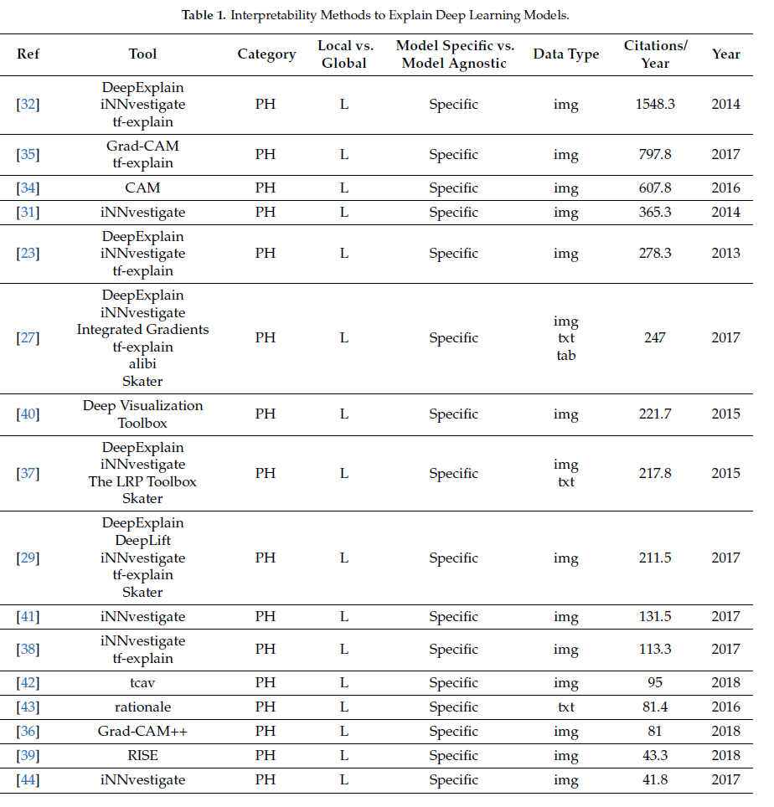

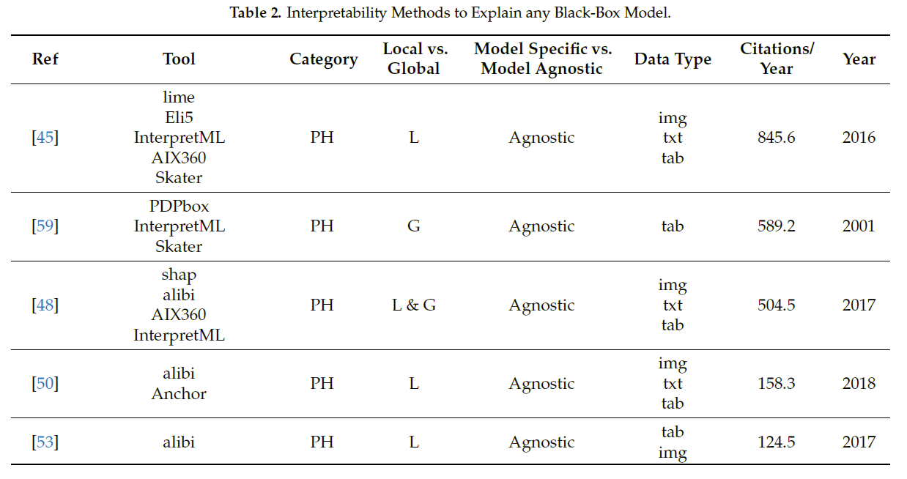

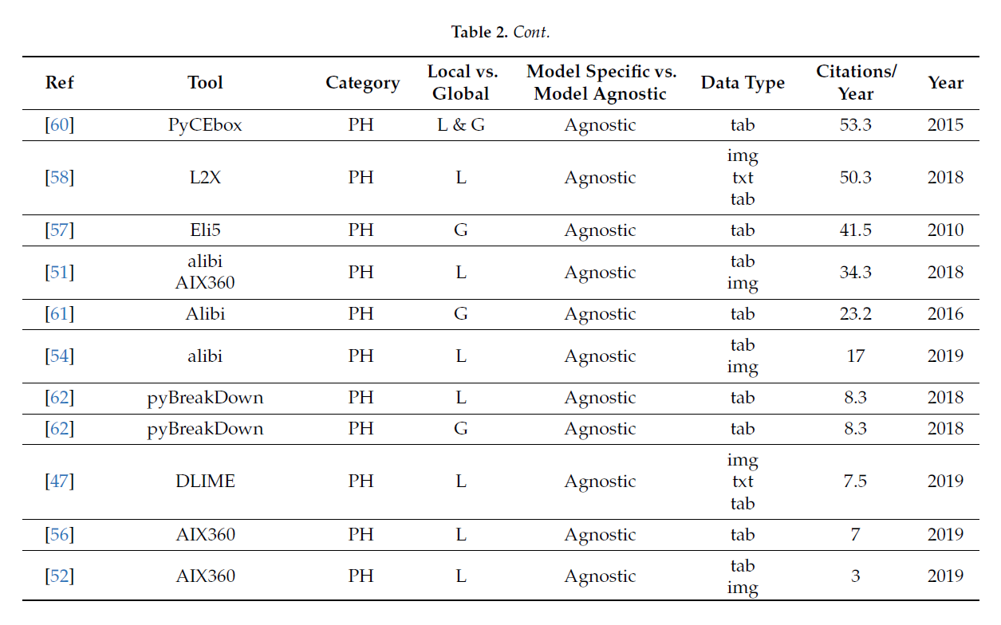

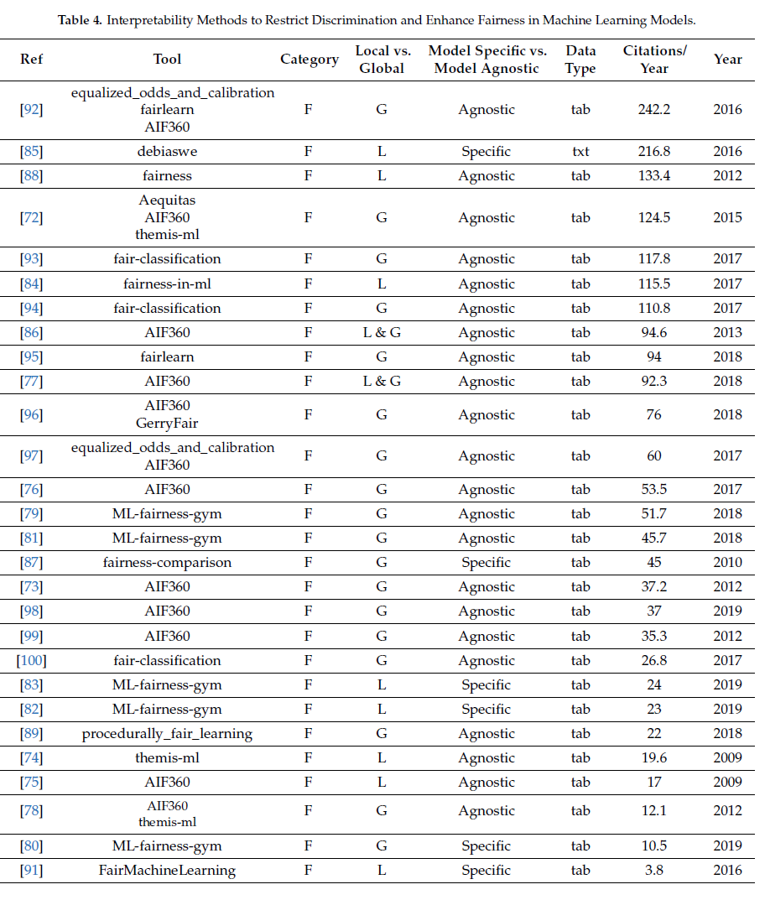

 |  |  |  |  |  |  |  |  |  |  | 15545

