Configurer
Mesurage | Mode Enregistrement | Temps Mesurage | Temps prédéfini | Intervalle d'enregistrement | Mode Rétroeffacement | Temps Rétroeffacement | Bande passante | Paramètre de base | Percentile 1 | Percentile 2 | Percentile 3 | Percentile 4 | Percentile 5 | Qualité Ecoute | Fuseau horaire | Appareil, Type | Appareil, Description | Appareil, No. de série | Appareil, Version | Appareil, Référence du logiciel | Appareil, Description du logiciel | Appareil, Version du logiciel | Capteur, Type | Capteur, No. de série | Capteur, Fabricant | Grandeur physique | Champ acoustique | Calibrage, Date | Calibrage, Sensibilité | Calibrage, Unité de sensibilité | Filtre passe-haut | Ecran antivent | URL Position | Latitude | Longitude | Altitude | Latitude, précision | Longitude, précision
M08 | Activé | Libre | 0:10:00 | 1 s | Désact. | 5 s | Tiers d'octave | LAF | 1 | 10 | 50 | 90 | 99 | TRUE | Europe/Paris | 2245 | Sound Level Meter | 100580 | 1.1 | FW-2245-000 | SLM Firmware | 1.1.2.386 | 4966 | 3242000 | B&K | Sound Pressure | Free-field | 2021-03-25T10:25:34+01:00 | 0.045398 | V/Pa | 5 Hz | None
M06 | Activé | Libre | 0:10:00 | 1 s | Désact. | 5 s | Tiers d'octave | LAF | 1 | 10 | 50 | 90 | 99 | TRUE | Europe/Paris | 2245 | Sound Level Meter | 100580 | 1.1 | FW-2245-000 | SLM Firmware | 1.1.2.386 | 4966 | 3242000 | B&K | Sound Pressure | Free-field | 2021-03-25T10:25:34+01:00 | 0.045398 | V/Pa | 5 Hz | None
M04 | Activé | Libre | 0:10:00 | 1 s | Désact. | 5 s | Tiers d'octave | LAF | 1 | 10 | 50 | 90 | 99 | TRUE | Europe/Paris | 2245 | Sound Level Meter | 100580 | 1.1 | FW-2245-000 | SLM Firmware | 1.1.2.386 | 4966 | 3242000 | B&K | Sound Pressure | Free-field | 2021-03-25T10:25:34+01:00 | 0.045398 | V/Pa | 5 Hz | None
http://maps.google.com/maps?q=46.1593418898146N4.17075801164215E
M01 | Activé | Libre | 0:10:00 | 1 s | Désact. | 5 s | Tiers d'octave | LAF | 1 | 10 | 50 | 90 | 99 | TRUE | Europe/Paris | 2245 | Sound Level Meter | 100580 | 1.1 | FW-2245-000 | SLM Firmware | 1.1.2.386 | 4966 | 3242000 | B&K | Sound Pressure | Free-field | 2021-03-25T10:25:34+01:00 | 0.045398 | V/Pa | 5 Hz | None |  | 46.15934189 | 4.1707580116 | 263.44697789 | 9.3680389866 | 28.71760508

Annotations
Mesures M08 2021-03-25 14-54-02.mp3
Mesures M06 2021-03-25 14-09-55.mp3
URL Fichier | Nom de fichier
 | C:\Users\joachim\Desktop\Mesures M08 2021-03-25 14-54-02.mp3
 | C:\Users\joachim\Desktop\Mesures M06 2021-03-25 14-09-55.mp3
Mesures M04 2021-03-25 12-01-38.mp3
 | C:\Users\joachim\Desktop\Mesures M04 2021-03-25 12-01-38.mp3
Mesures M01 2021-03-25 10-46-56.mp3
 | C:\Users\joachim\Desktop\Mesures M01 2021-03-25 10-46-56.mp3

Marqueurs
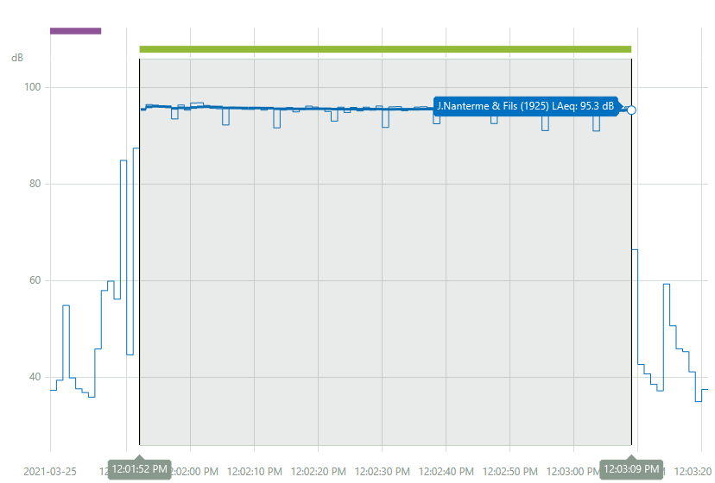
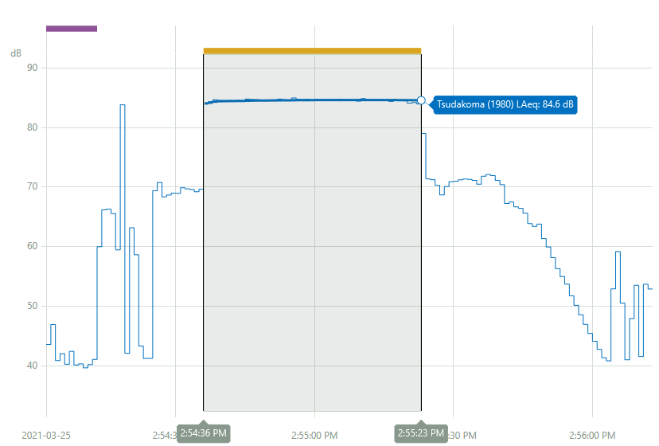
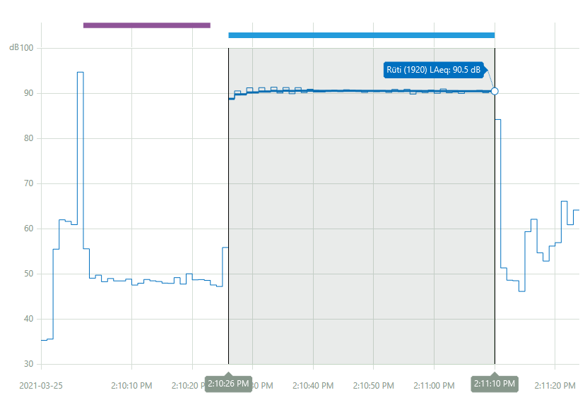
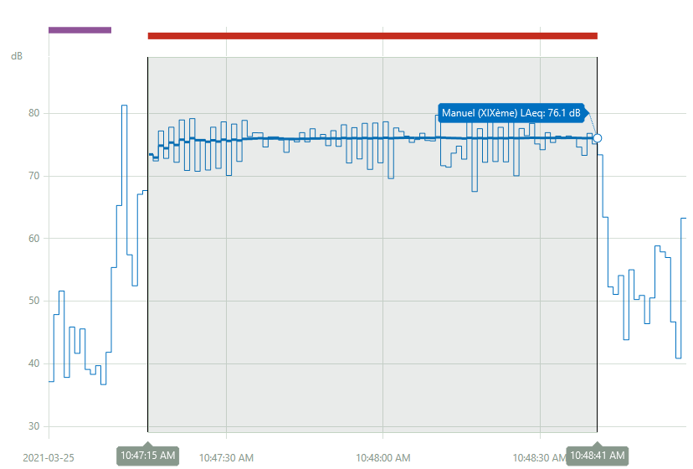
Mesurage | Marqueur | Fonction | Heure Départ | Heure Arrêt | Temps écoulé | LAeq | LAFmax | LASmax | LAFmin | LASmin | LCcrête | LAF 1.0 | LAF10.0 | LAF50.0 | LAF90.0 | LAF99.0
M08 | Total | Total | 2021-03-25 2:54:02 PM | 2021-03-25 2:56:13 PM | 0:02:11 | 80.331336975 | 92.36000061 | 84.879997253 | 39.069999695 | 39.909999847 | 116.88999939 | 85.279998779 | 84.819999695 | 69.980003357 | 41.180000305 | 39.63999939
M08 | Tsudakoma (1980) | Bruit de fond | 2021-03-25 2:54:02 PM | 2021-03-25 2:54:13 PM | 0:00:11 | 42.153121948 | 51.069999695 | 54.849998474 | 39.069999695 | 39.909999847 | 70.099998474 | 50.290000916 | 43.619998932 | 40.459999084 | 39.599998474 | 39.209999084
M08 | Tsudakoma (1980) | Bruit ambiant | 2021-03-25 2:54:36 PM | 2021-03-25 2:55:23 PM | 0:00:47 | 84.567337036 | 85.589996338 | 84.879997253 | 69.589996338 | 69.529998779 | 99.510002136 | 85.36000061 | 85.040000916 | 84.599998474 | 83.989997864 | 83.300003052
M06 | Total | Total | 2021-03-25 2:09:55 PM | 2021-03-25 2:11:24 PM | 0:01:29 | 87.685523987 | 103.43000031 | 94.5 | 33.400001526 | 36.520000458 | 127.23999786 | 94.440002441 | 92.650001526 | 83.199996948 | 46.029998779 | 34.439998627
M06 | Rüti (1920) | Bruit de fond | 2021-03-25 2:10:02 PM | 2021-03-25 2:10:23 PM | 0:00:21 | 49.399269104 | 79.540000916 | 91.660003662 | 44.290000916 | 47.619998932 | 83.440002441 | 71.910003662 | 52.189998627 | 47.720001221 | 45.409999847 | 44.619998932
M06 | Rüti (1920) | Bruit ambiant | 2021-03-25 2:10:26 PM | 2021-03-25 2:11:10 PM | 0:00:44 | 90.468574524 | 95 | 91.819999695 | 62.36000061 | 55.619998932 | 116.33000183 | 94.519996643 | 93.580001831 | 89.330001831 | 86.519996643 | 74.430000305
M04 | Total | Total | 2021-03-25 12:01:38 PM | 2021-03-25 12:03:21 PM | 0:01:43 | 94.096572876 | 103.12999725 | 97.769996643 | 34.209999084 | 38.270000458 | 121.09999847 | 101.52999878 | 98.089996338 | 91.849998474 | 39.630001068 | 35.259998322
M04 | J.Nanterme & Fils (1925) | Bruit de fond | 2021-03-25 12:01:38 PM | 2021-03-25 12:01:46 PM | 0:00:08 | 46.890007019 | 62.75 | 54.630001068 | 34.240001678 | 38.270000458 | 84.019996643 | 61.169998169 | 46.790000916 | 37.200000763 | 35.439998627 | 34.560001373
M04 | J.Nanterme & Fils (1925) | Bruit ambiant | 2021-03-25 12:01:52 PM | 2021-03-25 12:03:09 PM | 0:01:17 | 95.345619202 | 103.12999725 | 97.769996643 | 87.88999939 | 86.730003357 | 121.09999847 | 101.65000153 | 99.209999084 | 93.400001526 | 89.720001221 | 88.86000061
M01 | Total | Total | 2021-03-25 10:46:56 AM | 2021-03-25 10:48:58 AM | 0:02:02 | 74.756057739 | 89.36000061 | 80.989997864 | 36 | 37.729999542 | 118.22000122 | 83.029998779 | 79.669998169 | 70.040000916 | 43.069999695 | 36.419998169
M01 | Manuel (XIXème) | Bruit de fond | 2021-03-25 10:46:56 AM | 2021-03-25 10:47:08 AM | 0:00:12 | 44.667751312 | 54.849998474 | 62.200000763 | 36 | 37.729999542 | 77.849998474 | 54.11000061 | 49.11000061 | 39.939998627 | 36.409999847 | 36.060001373
M01 | Manuel (XIXème) | Bruit ambiant | 2021-03-25 10:47:15 AM | 2021-03-25 10:48:41 AM | 0:01:26 | 76.054786682 | 84.739997864 | 79.290000916 | 58.729999542 | 67.36000061 | 105.97000122 | 83.129997253 | 80.580001831 | 72.959999084 | 66.220001221 | 62.400001526

