result_0_90ep
Loss of Epoch 0 ~ 90
 | training loss | validation loss | test_loss
1 | 110.2908818 | 197.4795754
2 | 28.64659861 | 78.65219047
3 | 15.24649425 | 62.28922462
4 | 13.12897769 | 49.99689224
5 | 7.270545292 | 75.47476751
6 | 3.500562843 | 24.44553575
7 | 2.294822284 | 14.62559995
8 | 1.785916285 | 11.32104314
9 | 1.563230598 | 3.760390152
10 | 1.3728819 | 2.624369719
11 | 1.420880935 | 1.901575885
12 | 1.036019292 | 1.498703393
13 | 0.96982149 | 4.25738184
14 | 0.912285698 | 0.936636573
15 | 0.847840846 | 4.272956274
16 | 0.77487395 | 1.344372338
17 | 0.741619469 | 4.104442217
18 | 0.694932197 | 1.005828595
19 | 0.74697078 | 3.735885826
20 | 0.625888116 | 3.757470391
21 | 0.631288952 | 5.870961558
22 | 0.613733958 | 7.621970372
23 | 0.538512009 | 2.648450136
24 | 0.526098598 | 2.116396817
25 | 0.521601273 | 0.990284042
26 | 0.472647956 | 1.55279852
27 | 0.523066759 | 0.879890461
28 | 0.499940867 | 0.768166734 | 1.213
29 | 0.516022364 | 0.631241053 | 0.627
30 | 0.463850245 | 1.760668527 | 1.016
31 | 0.589096798 | 0.743926923
32 | 0.48922556 | 0.565657304
33 | 0.467926844 | 1.437772074
34 | 0.457296928 | 2.419638352
35 | 0.442434264 | 0.905908514
36 | 0.46919325 | 1.567864142
37 | 0.474005627 | 1.781658628
38 | 0.497484431 | 0.404027868 | 0.285
39 | 0.40803091 | 0.594449171
40 | 0.429884747 | 0.70563208
41 | 0.377544764 | 0.910870013
42 | 0.394688395 | 0.8095243
43 | 0.396541441 | 3.438707547
44 | 0.443488237 | 0.693507074
45 | 0.39090246 | 0.491941234 | 0.306
46 | 0.39691643 | 0.896830645
47 | 0.364942971 | 0.66075018
48 | 0.366190697 | 1.19368888
49 | 0.395184763 | 1.340840882
50 | 0.386862833 | 0.509707723 | 0.304
...
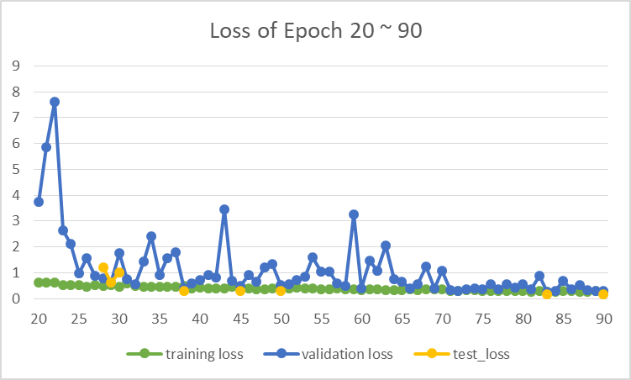
 | training loss | validation loss | test_loss
1 | 110.2908818 | 197.4795754
2 | 28.64659861 | 78.65219047
3 | 15.24649425 | 62.28922462
4 | 13.12897769 | 49.99689224
5 | 7.270545292 | 75.47476751
6 | 3.500562843 | 24.44553575
7 | 2.294822284 | 14.62559995
8 | 1.785916285 | 11.32104314
9 | 1.563230598 | 3.760390152
10 | 1.3728819 | 2.624369719
11 | 1.420880935 | 1.901575885
12 | 1.036019292 | 1.498703393
13 | 0.96982149 | 4.25738184
14 | 0.912285698 | 0.936636573
15 | 0.847840846 | 4.272956274
16 | 0.77487395 | 1.344372338
17 | 0.741619469 | 4.104442217
18 | 0.694932197 | 1.005828595
19 | 0.74697078 | 3.735885826
20 | 0.625888116 | 3.757470391
21 | 0.631288952 | 5.870961558
22 | 0.613733958 | 7.621970372
23 | 0.538512009 | 2.648450136
24 | 0.526098598 | 2.116396817
25 | 0.521601273 | 0.990284042
26 | 0.472647956 | 1.55279852
27 | 0.523066759 | 0.879890461
28 | 0.499940867 | 0.768166734 | 1.213
29 | 0.516022364 | 0.631241053 | 0.627
30 | 0.463850245 | 1.760668527 | 1.016
31 | 0.589096798 | 0.743926923
32 | 0.48922556 | 0.565657304
33 | 0.467926844 | 1.437772074
34 | 0.457296928 | 2.419638352
35 | 0.442434264 | 0.905908514
36 | 0.46919325 | 1.567864142
37 | 0.474005627 | 1.781658628
38 | 0.497484431 | 0.404027868 | 0.285
39 | 0.40803091 | 0.594449171
40 | 0.429884747 | 0.70563208
41 | 0.377544764 | 0.910870013
42 | 0.394688395 | 0.8095243
43 | 0.396541441 | 3.438707547
44 | 0.443488237 | 0.693507074
45 | 0.39090246 | 0.491941234 | 0.306
46 | 0.39691643 | 0.896830645
47 | 0.364942971 | 0.66075018
48 | 0.366190697 | 1.19368888
49 | 0.395184763 | 1.340840882
50 | 0.386862833 | 0.509707723 | 0.304
51 | 0.40663499 | 0.551233754
52 | 0.410277821 | 0.733118464
53 | 0.381005594 | 0.862899461
54 | 0.389534585 | 1.604671868
55 | 0.371512806 | 1.05465961
56 | 0.362925214 | 1.042083919
57 | 0.383255081 | 0.59351721
58 | 0.367870949 | 0.48483843
59 | 0.365488508 | 3.240037951
60 | 0.337977468 | 0.381538518
61 | 0.344311705 | 1.45384517
62 | 0.344282119 | 1.064110512
63 | 0.316621387 | 2.041900651
64 | 0.335525846 | 0.750147416
65 | 0.313066866 | 0.660964657
66 | 0.35810934 | 0.402562639
67 | 0.326676632 | 0.544730974
68 | 0.350025797 | 1.226782875
69 | 0.347722283 | 0.395652747
70 | 0.347899007 | 1.07795031
71 | 0.308058082 | 0.337767915
72 | 0.283003836 | 0.302407148
73 | 0.329386934 | 0.375385979
74 | 0.314105073 | 0.398315662
75 | 0.304784031 | 0.360000467
76 | 0.288019034 | 0.545535243
77 | 0.295116471 | 0.37275951
78 | 0.293599109 | 0.551480142
79 | 0.281962168 | 0.422144267
80 | 0.280566815 | 0.542043109
81 | 0.274683032 | 0.353931302
82 | 0.284216655 | 0.874483103
83 | 0.270458421 | 0.262073854 | 0.171
84 | 0.259398561 | 0.300266169
85 | 0.286023202 | 0.682820298
86 | 0.308357577 | 0.356338195
87 | 0.269302757 | 0.538343583
88 | 0.265873165 | 0.319481416
89 | 0.280434911 | 0.293466124
90 | 0.277648845 | 0.284936862 | 0.172

