Sheet1
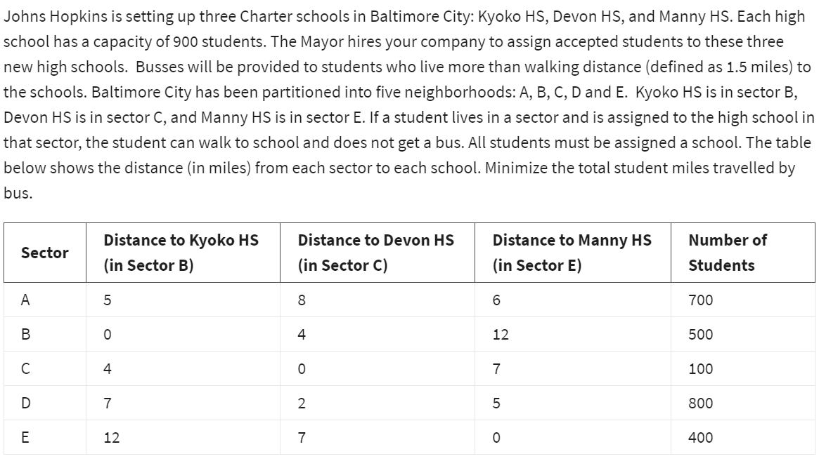
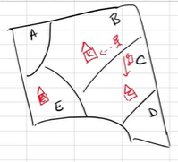

 | No of students to assign from A to HS in B

 | AB | AC | AE | BB | BC | BE | CB | CC | CE | DB | DC | DE | EB | EC | EE
Variables: | 400 | 0 | 300 | 500 | 0 | 0 | 0 | 100 | 0 | 0 | 800 | 0 | 0 | 0 | 400 | <-dummy
 | 5 | 8 | 6 | 0 | 4 | 12 | 4 | 0 | 7 | 7 | 2 | 5 | 12 | 7 | 0 | <-miles

Objective(min):
Student bus miles: | 5400

Constraints: |  |  |  |  |  |  |  |  |  |  |  |  |  |  |  | LHS | Sign | RHS
900 in school B | 1 |  |  | 1 |  |  | 1 |  |  | 1 |  |  | 1 |  |  | 900 | <= | 900
900 in school C |  | 1 |  |  | 1 |  |  | 1 |  |  | 1 |  |  | 1 |  | 900 | <= | 900
900 in school E |  |  | 1 |  |  | 1 |  |  | 1 |  |  | 1 |  |  | 1 | 700 | <= | 900
700 in A | 1 | 1 | 1 |  |  |  |  |  |  |  |  |  |  |  |  | 700 | = | 700
500 in B |  |  |  | 1 | 1 | 1 |  |  |  |  |  |  |  |  |  | 500 | = | 500
100 in C |  |  |  |  |  |  | 1 | 1 | 1 |  |  |  |  |  |  | 100 | = | 100
800 in D |  |  |  |  |  |  |  |  |  | 1 | 1 | 1 |  |  |  | 800 | = | 800
400 in E |  |  |  |  |  |  |  |  |  |  |  |  | 1 | 1 | 1 | 400 | = | 400

THERE WILL BE 400 STUDENTS FROM A TO HS IN B etc…
THE MINIMUM STUDENT MILES TRAVELLED IS 5400.

